Sheet2
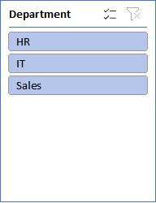
HR ATTRITION ANALYTICS DASHBOARD

Total Employees
10
Attrition Count
6
Attrition Rate
60 %
Average salary
32800



Attrition By Department
IT | 3
HR | 4
Sales | 3
Employee Gender Distribution
Male | 5
Female | 5

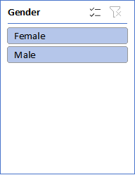

Average Salary By Department
IT | 33250
HR | 38333
Sales | 26666
Job Satisfaction Attrition
High | 3
Medium | 2
Low | 1

