Sheet1
Test Scenario | Test Case Id | Test Case Name | Preconditions | Test Case Steps | Test Data | Attachment | Exepcted Result | Priority | Run Result
Name field checking | TC1 | Verify Name field with valid data | Mockup corresponding Black Box page is opened | 1.Input data1 2.Input data2 3.Input data3 4.Input data4 | 1.data: abc 2.data: abcd 3.data: abcdefghi 4.data: abcdefghij |  | 1.System should accept filled data 2.System should accept filled data 3.System should accept filled data 4.System should accept filled data | high
 | TC2 | Verify Name field with invalid data |  | 5.Input data5 6.Input data6 7.Input data7 | 5.data: ab 6.data: abcdefghijk 7.data: 987654321 |  | 5.System should show error message for invalid data 6.System should show error message for invalid data 7.System should show error message for invalid data | high |  |  | Check Symbols and blank data
Address field checking | TC3 | Verify Address field with valid data |  | 1.Input data1 2.Input data2 3.Input data3 4.Input data4 | 1.data: a 2.data: a1 3.data: aaa.....a(49 character) 4.data: aaa.....a(50character) |  | 1.System should accept filled data 2.System should accept filled data 3.System should accept filled data 4.System should accept filled data | high
 | TC4 | Verify Address field with invalid data |  | 5.Input data5 6.Input data6 7.Input data7 | 5.data: blank 6.data: aaa.....a(51character) 7.!@#$%^&*( |  | 5.System should show error message for invalid data 6.System should show error message for invalid data 7.System should show error message for invalid data | high
Phone field checking | TC6 | Verify Phone field with valid data |  | 1 | 1.data: 12345678 2.data: 123456789 3.data: 1234567890 |  | 1.System should accept filled data 2.System should accept filled data 3.System should accept filled data | high
 | TC7 | Verify Phone field with invalid data |  |  | 4.data:1234567 5.data: 12345678900 6.data: !@#$%^abs |  | 4.System should show error message for invalid data 5.System should show error message for invalid data 6.System should show error message for invalid data | high |  |  | check symbols and letters separately

 |  |  | Case1 | Case2 | Case3 | Case4 | Case5 | Case6 | Case7 | Case8
 |  | Name | T | F | T | T | F | T | F | F
 |  | Address | T | T | F | T | F | F | T | F
 |  | Phone | T | T | T | F | T | F | F | F
 |  | Check(Accept/Reject) | A | R | R | R | R | R | R | R |  | Correct

 |  | Do not write input data 1, data 2, write input valid oor invalid data

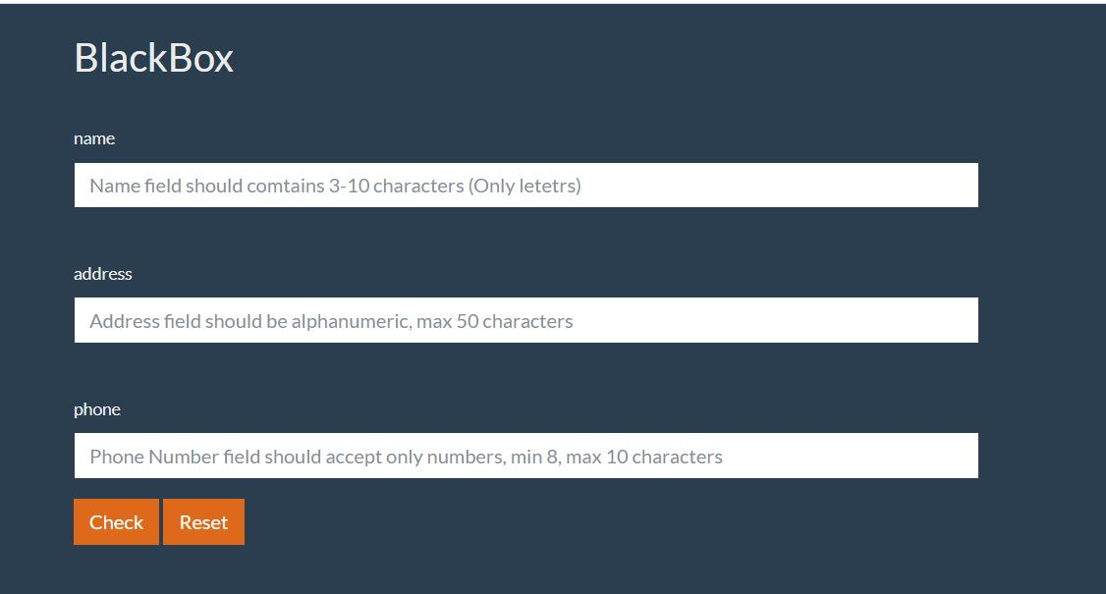
 |  | Please create minimum test cases for given requirement .

 |  | Use boundary value and equivalence partitioning techniques.

