Sheet1
S.No | EmpId | Name | CarImage
1 | 123 | Rama | 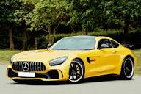
2 | 224 | Surya | 
3 | 212 | Sita | 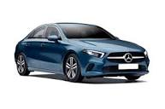
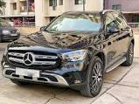
4 | 289 | Raju

