Information
Use this file to find the economic concept on IMF eLibrary Data that matches an IMFStatistics.org code that you are familiar with.

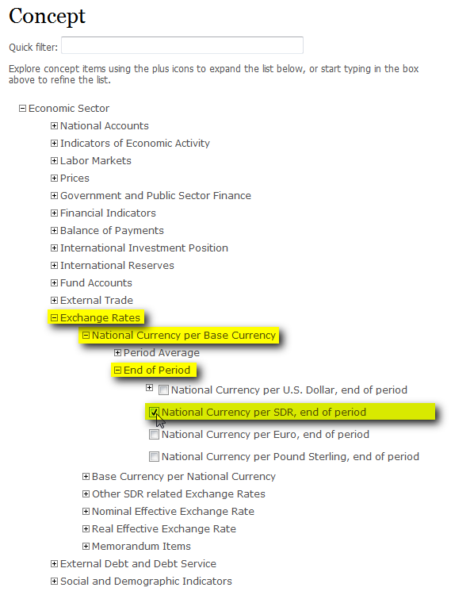
Information on how to use this file
Click on one of the four links below to go to the worksheet for the IMF Statistical Database that contains the code you are searching for. Find the code you are searching for in the left coloumn of the worksheet. To help you find the concepts you are looking for; use the information in the column "Query Builder Hierarchy"; which will give the full path to the IMF eLibrary Data economic concept.

Example:
Query Builder Hierarchy
Exchange Rates--National Currency per Base Currency--End of Period--National Currency per SDR; end of period

International Financial Statistics (IFS)

Government Finance Statistics (GFS)

Direction of Trade Statistics (DOTS)

Balance of Payments Statistics (BOP)

