Sheet1
 | Max. Elevation (z=20m)
CE 461 2020 FALL HW5
Deep Dynamic Compaction Calculator

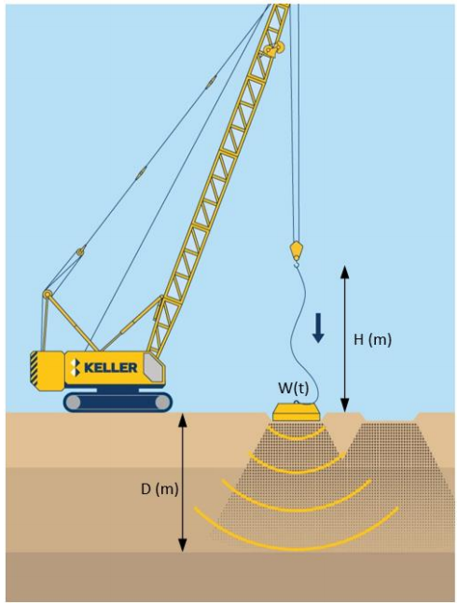

 | Soil Surface (z=0m)

 | Max. Depth of Improvement (z=-10m)

