Poisson
Poisson distribution addresses the number of occurrences of an event over a fixed space or time. The Poisson distribution applies when: - The number of events that occur in any interval is independent of the number of events that occur in any other interval. - The probability of an event in an interval is the same for all equal- sized intervals. - The probability of an event is proportional to the size of the interval. - The probability of more than one event in an interval approaches 0 as the interval becomes smaller. |  |  | mu | 15
Description | Use if discrete and point probability Ex. The probability of a single value, it must be discrete.
X | 8 |  | 0 | 0.00
Mean (Lambda) | 8 |  | 1 | 0.00
Cumulative | TRUE | Starbucks B answer check later | 2 | 0.00
Answer | 0.59254734144 | 0.39174699813 | 3 | 0.00
 |  |  | 4 | 0.00
Description | Use if discrete and point probability Ex. The probability of a value being greater than a specified value |  | 5 | 0.00
X | 4 |  | 6 | 0.01
Mean (Lambda) | 3 |  | 7 | 0.02
Cumulative | TRUE |  | 8 | 0.04
Answer | 0.184736755 |  | 9 | 0.07
 |  |  | 10 | 0.12
Description | Use if discrete and point probability Ex. The probability of a value being less than a specified value |  | 11 | 0.18
X | 4 |  | 12 | 0.27
Mean | 3 |  | 13 | 0.36
Cumulative | TRUE |  | 14 | 0.47
Answer | 0.815263245 |  | 15 | 0.57
 |  |  | 16 | 0.66
 |  |  | 17 | 0.75
 |  |  | 18 | 0.82
 |  |  | 19 | 0.88
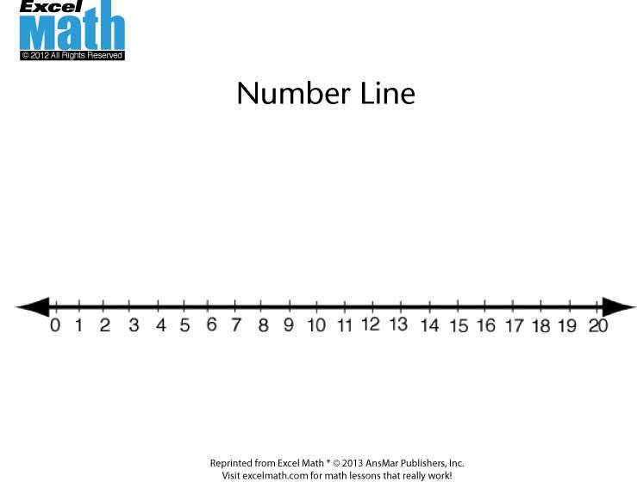
 |  |  | 20 | 0.92
 |  |  | 21 | 0.95
 |  |  | 22 | 0.97
 |  |  | 23 | 0.98
 |  |  | 24 | 0.99
 |  |  | 25 | 0.99
 |  |  | 26 | 1.00

