Distribution
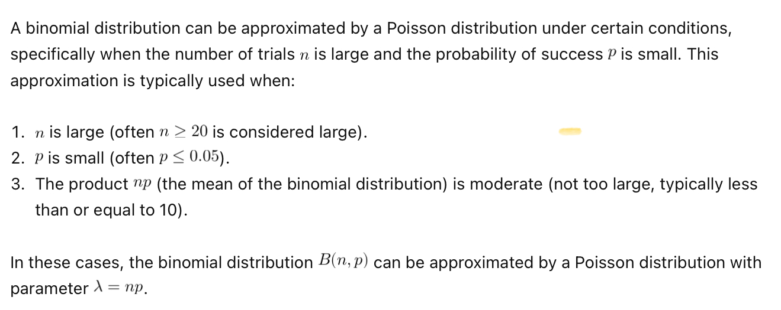
Binomial Distribution
Probabilty Equal |  |  | Probabilty <=4 |  |  | Probabilty >4 |  |  | Expected Value
number | 43 |  | number | 2 |  | number | 3 |  | number (n) | 20
Trials (k) | 50 |  | Trials | 4 |  | Trials | 4 |  | probability | 0.3
Success (%) | 0.86 |  | Success | 0.16666666667 |  | Success | 0.16666666667 |  | fixed number (there migh not be any) | 29
 |  |  |  |  |  |  |  |  | Expected Value | 35
Formula Cumulative = False | 0.16063024375 |  | Formula Cumulative = False | 0.9837962963 |  | Formula Cumulative = False | 0.00077160493827

Working
number | 3 |  | number | 0 |  | number | 59
Trials | 3 |  | Trials | 100 |  | Trials | 200
Success | 0.25 |  | Success | 0.002 |  | Success | 0.69146246127

Formula Cumulative = False | 0.015625 |  | Formula Cumulative = False | 0.818567 |  | Formula Cumulative = False | 1.000000

Poisson Distribution
Probabilty Equal |  |  | Probabilty <=2 |  |  | Probabilty >2 |  |  | 1 < x < 4
number of defects | 0 |  | number of defects | 2 |  | number of defects | 2 |  | number of defects | 0 |  | number of defects | 4
mean(lambda) | 0.96 |  | mean(lambda) | 2.3 |  | " | 2.3 |  | mean(lambda) | 2.3 |  | mean(lambda) | 2.3

Formula Cumulative = False | 0.38289288598 |  | Formula Cumulative = False | 0.59603882593 |  | Formula Cumulative = False | 0.40396117407 |  | Formula Cumulative = False | 0.10025884372 |  | Formula Cumulative = False | 0.91624928072
 |  |  |  |  |  |  |  |  | 0.815990437

WORKING
Probabilty Equal |  |  | Probabilty <=2 |  |  | Probabilty >2 |  |  | 1 < x < 4
number of defects | 1 |  | number of defects | 0 |  | number of defects | 59 |  | number of defects | 0 |  | number of defects | 4
mean(lambda) | 1.3333333 |  | mean(lambda) | 1.3333333 |  | mean(lambda) | 64.8 |  | mean(lambda) | 2.3 |  | mean(lambda) | 2.3

Formula Cumulative = False | 0.351463 |  | Formula Cumulative = False | 0.263597 |  | Formula Cumulative = False | 0.741072 |  | Formula Cumulative = False | 0.10025884372 |  | Formula Cumulative = False | 0.91624928072
 |  |  |  |  |  |  |  |  | 0.815990

Normal Distibution - to Get Z score |  |  |  |  |  |  | Scaling the Mean
P(X=<365) |  |  | P(X>365) |  |  |  | scale | 60
X | 500 |  | X | 365 |  |  | Mean | 5
mean | 349 |  | mean | 350
Standard Deviation | 10 |  | Standard Deviation | 10 |  |  | Answer | 300
Formula Cumulative = True | 1 |  | Formula Cumulative = True | 0.93319279873
 |  |  |  | 0.066807201269 |  |  |  |  |  |  | 1.2833333333
 |  |  |  |  |  |  | Scaling the Standard Deviation
WORKING |  |  |  |  |  |  | scale | 60 |  |  |  |  |  | 5000
X | 6 |  | X | 70 |  |  | Standard Deviation | 2
mean | 5 |  | mean | 60 |  |  |  |  |  |  | 60
Standard Deviation | 2 |  | Standard Deviation | 7.75 |  |  | Answer | 15.491933 |  |  | ye
Formula Cumulative = True | 0.691462 |  | Formula Cumulative = True | 0.90153066002 | 1.3333333333
 |  |  | P | 0.098469

 | 0.99994624441

Normal Distibution - Inverse (Given the Probability)
P(X<350) |  |  | P(X>365)
P(X<365) | 0.933192799 |  | X | 0.066807201269
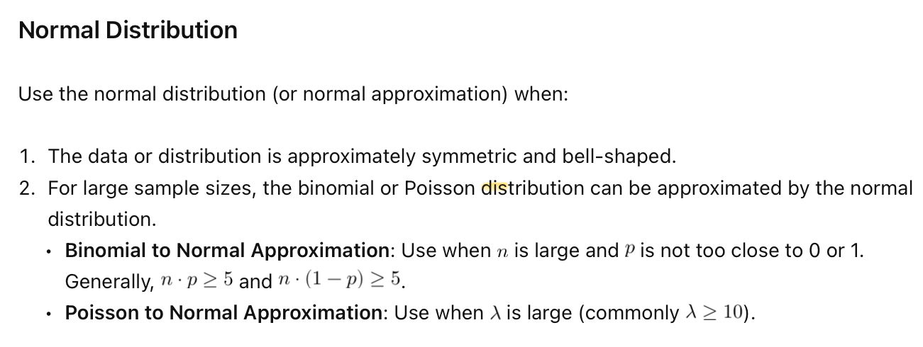
mean | 349 |  | mean | 350
Standard Deviation | 10 |  | Standard Deviation | 10
Formula Cumulative = True | 364.00000002 |  | Formula Cumulative = True | 365

alpa if given | 0.01 |  | alpa if given | 0.01
p = if alpha is given 1-alpha | 0.01 |  | p = if alpha is given 1-alpha | 0.99

mean | 480 |  | mean | 560
Standard Deviation | 24.495 |  | Standard Deviation | 26.457513111
Formula Cumulative = True | 423.01610883 |  | Formula Cumulative = True | 621.549379

 | Z Value for Proportions |  |  |  |  |  |  |  | Regular Z test with proportion

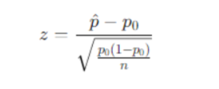
 | p( X<?) |  |  | p( X>?)
 | phat | 0.21122369447 |  | p hat | 0.24 |  |  |  | n | 50
 | p0 | 0.2 |  | p0 | 0.2 |  |  |  | acceptance rate | 0.86
 | n | 1283 |  | n | 100 |  |  |  | probabilty | 0.9
 |  |  |  |  |  |  |  |  | z | -0.94280904158
 | top | 0.011223694466 |  | top | 0.04 |  |  |  | P value | 0.17288929308
 | bottom | 0.011167260913 |  | bottom | 0.04

 | z value | 1.0050534821 |  | z value | 1 |  |  |  | p(z<=-0.96448564) = p(z>=0.96448564)
 | probability | 0.84256445113 |  | probability | 0.158655
 |  |  |  |  |  |  |  |  | p>alpha | assume alpha = 0.03
 | alpha | 0.03 |  | alpha | 0.05 |  |  |  | do not reject H0
 |  |  |  |  |  |  |  |  | do not lower expection rate
 | outcome: | Fail to reject H0, Do not Embrace H1 |  | outcome: | Fail to reject H0, Do not Embrace H1 |  |  |  |  | 0.94
 |  |  |  |  |  |  |  |  |  | 1.5547735946

 | T statistic One Tail |  |  | T statistic Two Tail
 | P(x<?) |  |  | P(x<?)
 | mu | 26.389 |  | mu | 3.2 |  | Rejecting or accepting alpha
 | x bar | 25 |  | x bar | 3.52
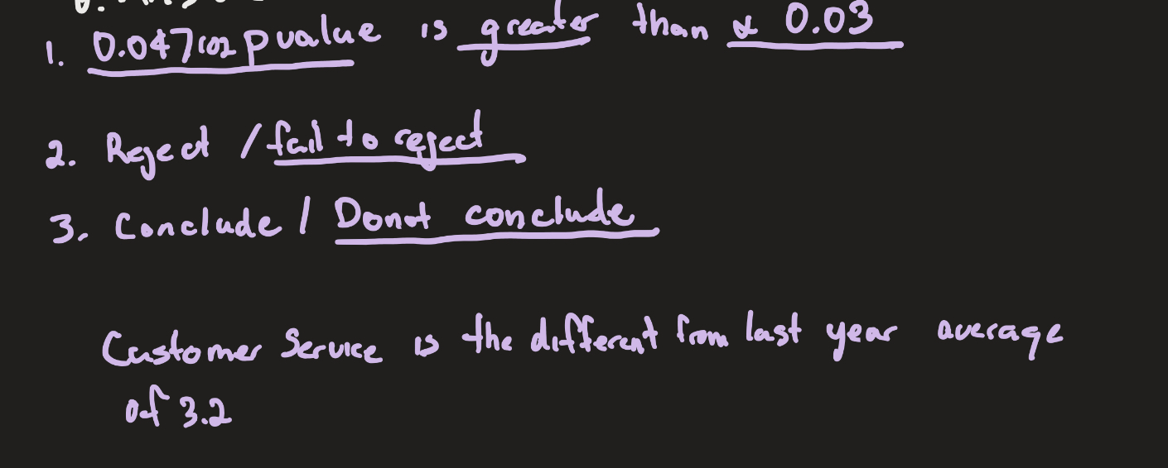
 | n | 36 |  | n | 50
 | std | 6 |  | std | 1.110984

 | t statistic | -1.389 |  | t statistic | 2.0367005284
 |  |  |  |  |  |  |  |  |  |  |  |  |  | rolling a 4 | 0.40187757202
 | P value | 0.082416375024 |  | p-value | 0.9764489692 |  |  |  |  |  |  |  |  | rolling a 6
 |  |  |  | two tail p | 1.9528979384 |  |  |  |  |  |  |  |  | rolling a 6 | 0.51290893555

 | alpha | 0.03 |  | alpha | 0.03

 | outcome: | Fail to reject H0, Do not Embrace H1 |  | outcome: | Fail to reject H0, Do not Embrace H1 |  |  |  |  |  |  |  |  |  |  | 0.20612659768

 | Confidence Interval

 | Finding Sample size (n) without Error |  |  |  | Confidence interval to find N (proportion)

 | n = sample size | 10 |  |  | Proportion (but use alpha to be conservative | 0.8
 | average | 293.317 |  |  | E (room for Error) | 0.05
 | standard deviation | 20.06 |  |  | alpha | 0.05

 | alpa | 0.05 |  |  | za/2 | 1.96
 | alpha two tailed | 0.97500 |  |  | n = | 245.85336452
 |  |  |  |  | roundup | 246
 | standard error of the mean | 6.3435289863
 | T Value | 2.2621571628
 | Margin of Error | 14.350059534 |  |  | Confidence interval (proportion using N from above)

 | lower bound | 278.96694047
 | upper bound | 307.66705953 |  |  | p hat | 0.26666666667
 |  |  |  |  | n | 30
 | Finding Sample size (n) with Error |  |  |  | alpha | 0.05

 | standard deviation | 21.1929249 |  |  | za/2 | 1.96
 | E (Desired room for Error) | 5
 | alpha | 0.05 |  |  | top | 0.19555555556
 |  |  |  |  | bottom | 30
 | t | 1.96
 | top | 41.537369531 |  |  | Phat +- | 0.15824228405
 | bottom | 5
 |  |  |  |  | lower bound = | 0.108424
 | n = | 69.014123 |  |  | upper bound = | 0.424909
 |  | 70

 | Linear Regression

 | how much I want | 100000 |  | how much | 86070.797643
 | Rate | 3% |  | Rate | 3%
 | how long | 5 |  | how long | 5

 | ln(how much I want) | 11.512925465
 | rate*how long | 0.15
 |  |  |  | Value target | 100000
 | how much to start with | 86070.797643

 |  | 100,000 = Pe^0.03*5
 |  | ln(100,000) = ln(p) + 0.15 |  |  |  |  |  | 0.33333333333 | 0.16666666667 | 0.00012860082305 | 4.2866941015E-05
 |  | p = exp(ln(100,000)-0.15) |  |  |  |  |  | 0.33333333333 | 0.125 | 3.0517578125E-05 | 1.0172526042E-05
 |  |  |  |  |  |  |  | 0.33333333333 | 0 | 0 | 0
 |  |  |  |  |  |  |  |  |  |  | 0.00005304

 |  |  |  |  |  |  |  | 0.00012860082305 | 0.33 | 0.0000429
 |  |  |  |  |  |  |  | 3.0517578125E-05 | 0.33 | 0.0000102
 |  |  |  |  |  |  |  |  |  | 0.0000530

