Topology
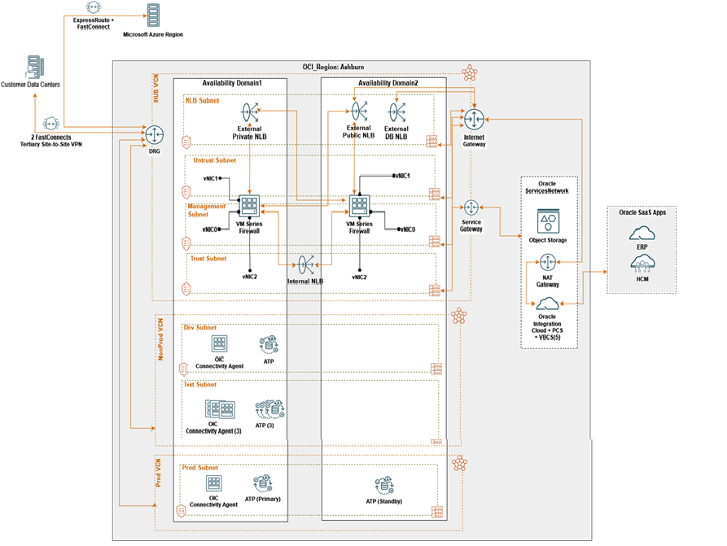
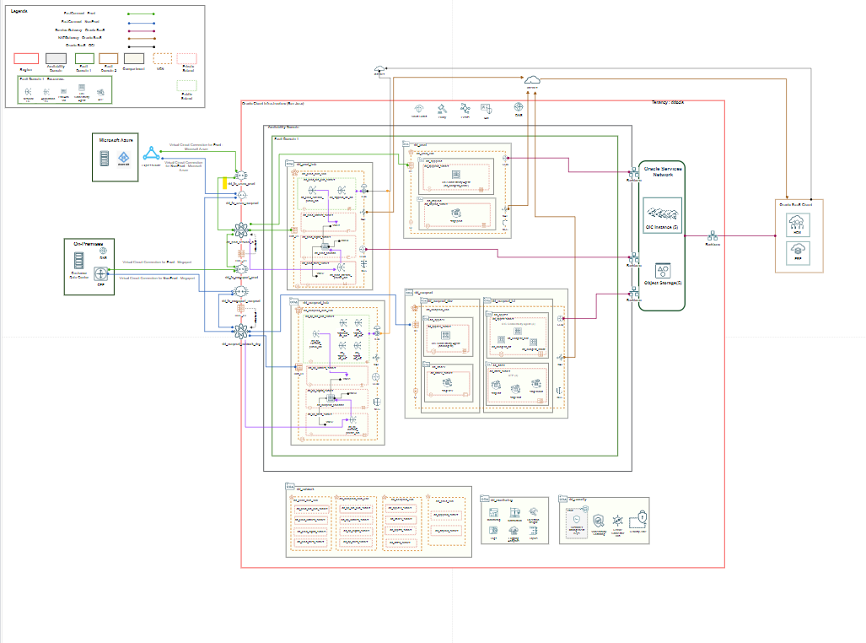
 | Conceptual View - Customer Architecture V5
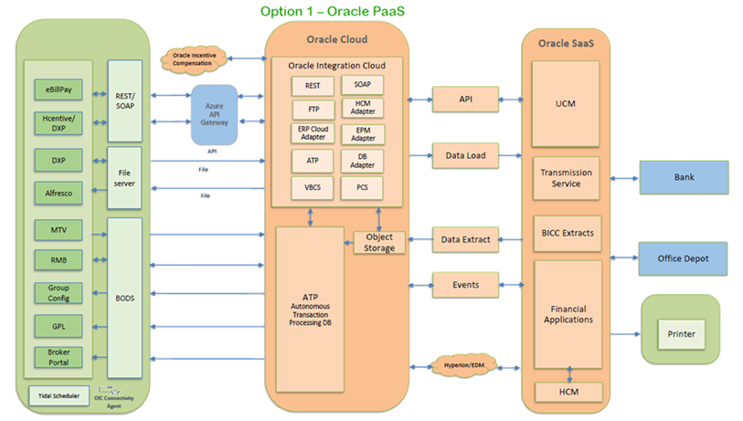

Logical Architecture 2.0 - 11/29/2022

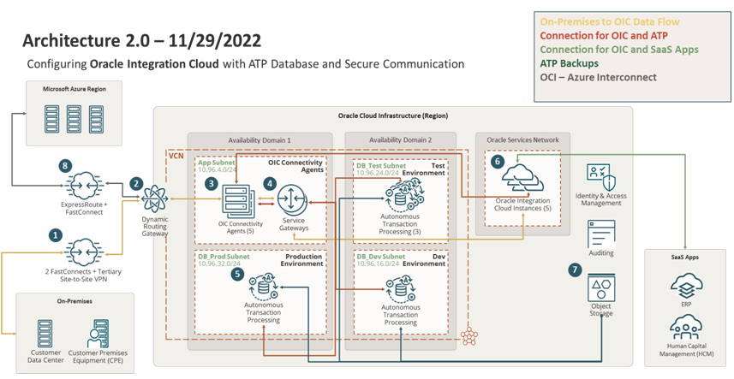

Logical Architecture with Palo Alto VM 12/06/2022

OIC Connectivity Agent VM
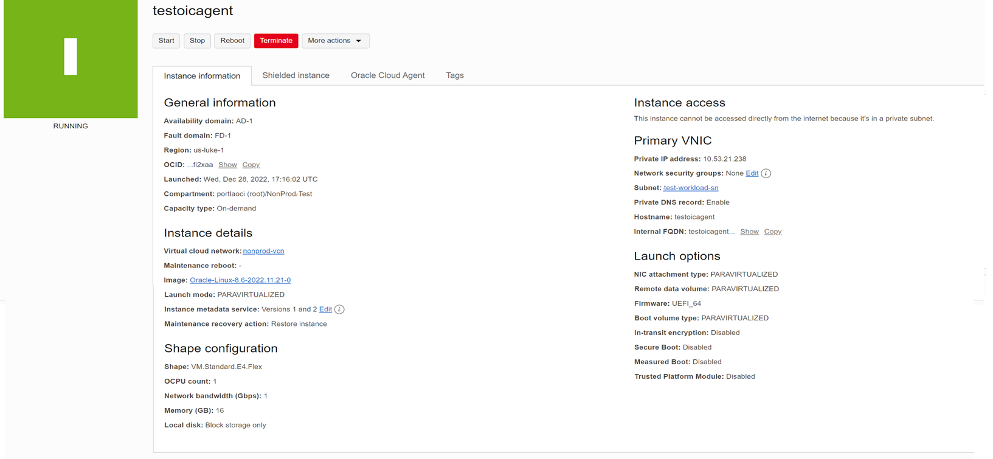

Region | Compartment Name | Instance Name | Ocid | VCN | subnets | OS | Image OCID | Private IP | Public IP | Hostname | Availability Domain(AD1|AD2|AD3) | Shape | Fault Domain | OCPU | Memory | Defined Tags | ssh-pvt-key | OAuth 2.0 Client Credentials | OAuth 2.0 Client Credentials Ocid | Secret Password | Agent Group Identifier

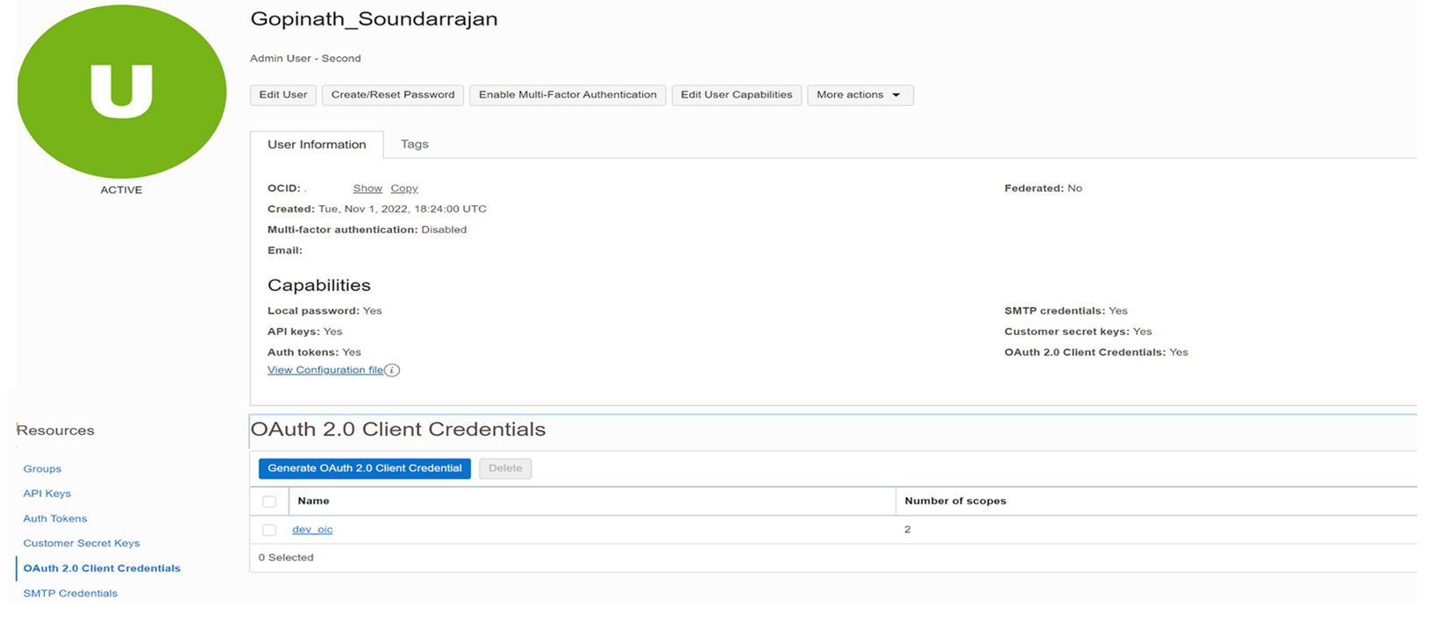

 |  | Test_OIC_Connectivity_Agent_VM

