Sheet1
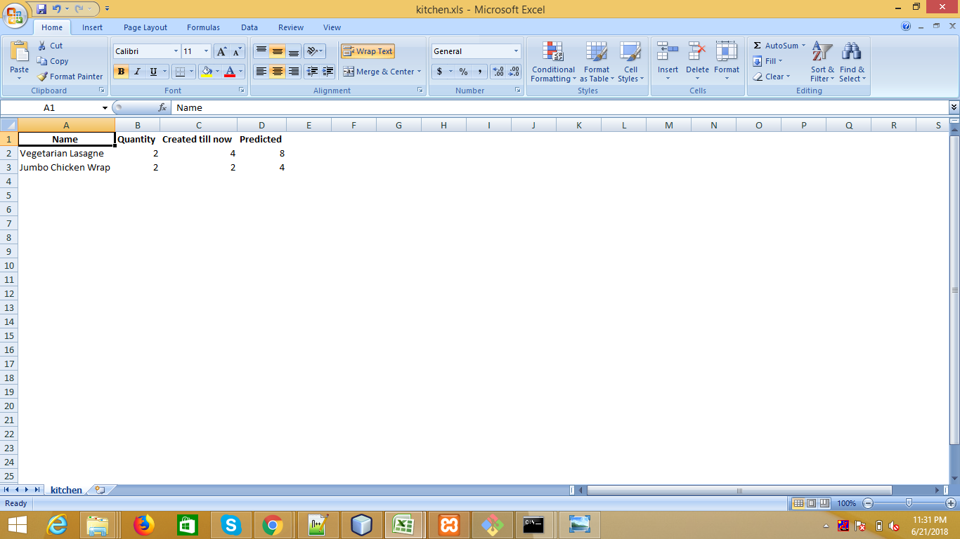
step1
when you open display screen look like
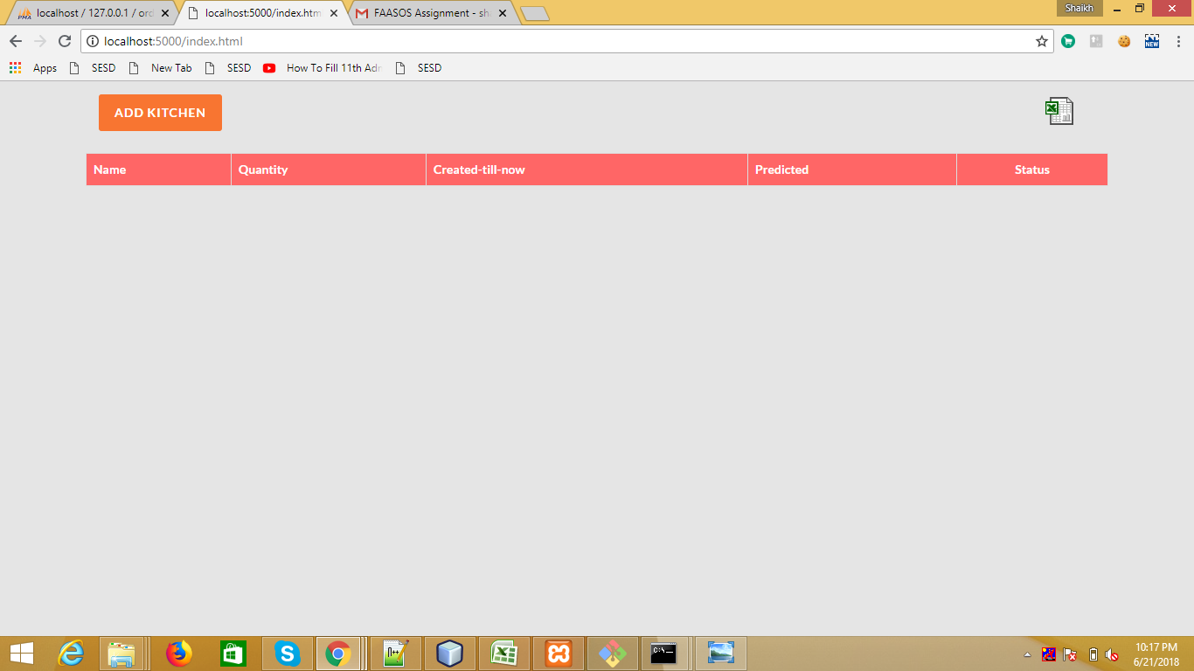

step2
click on add button
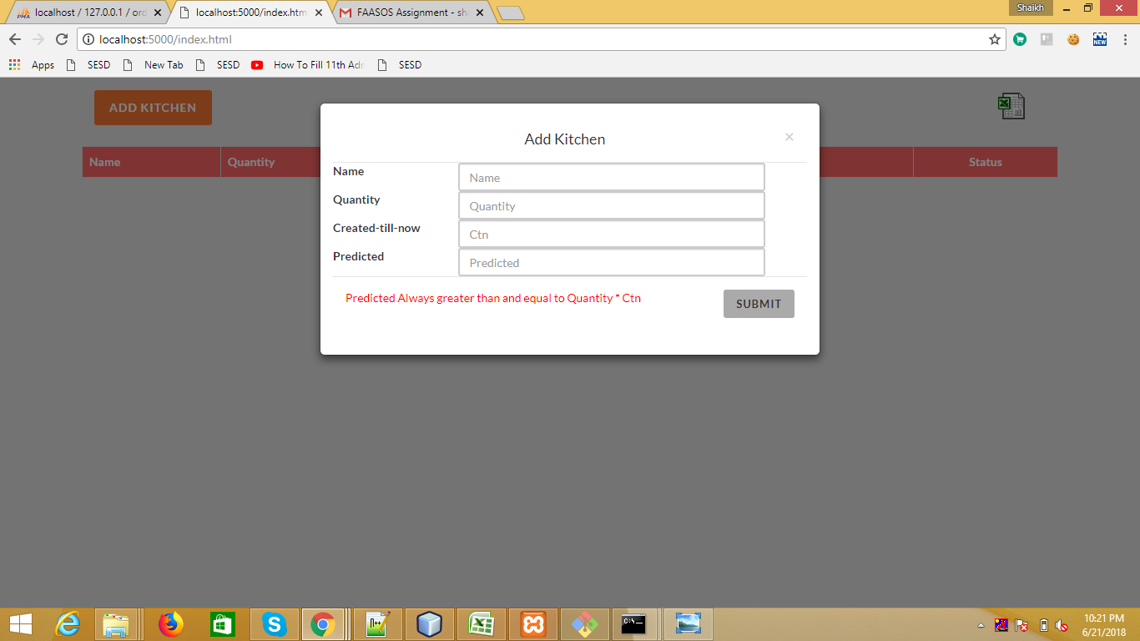

Step 3
After Submitting Add Kitchen

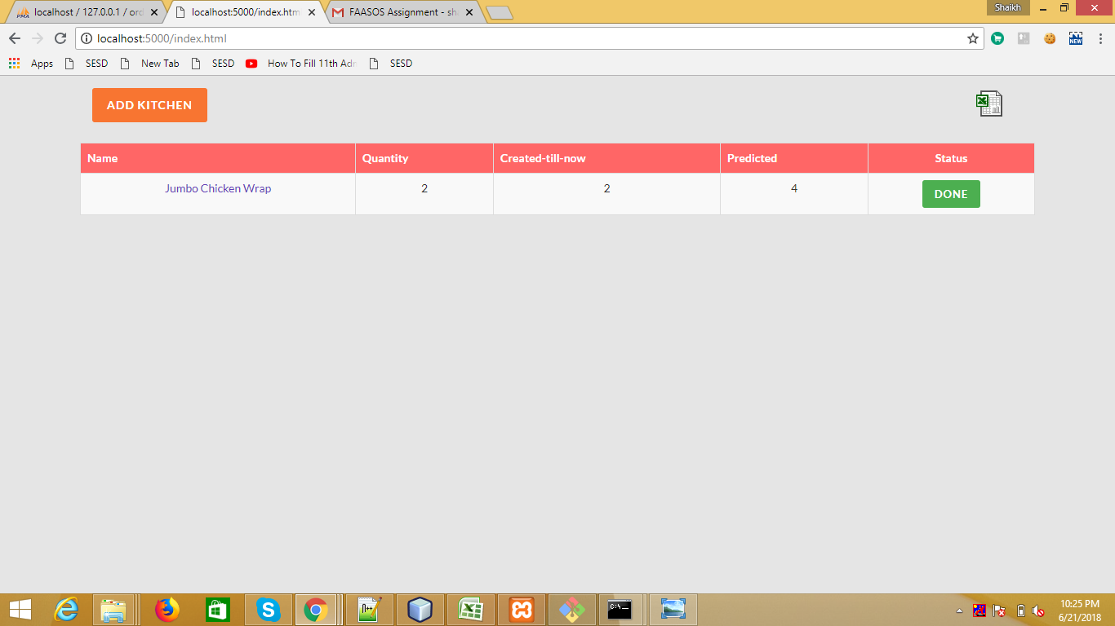

step 4
if predicted is less then Quantity * creted till now

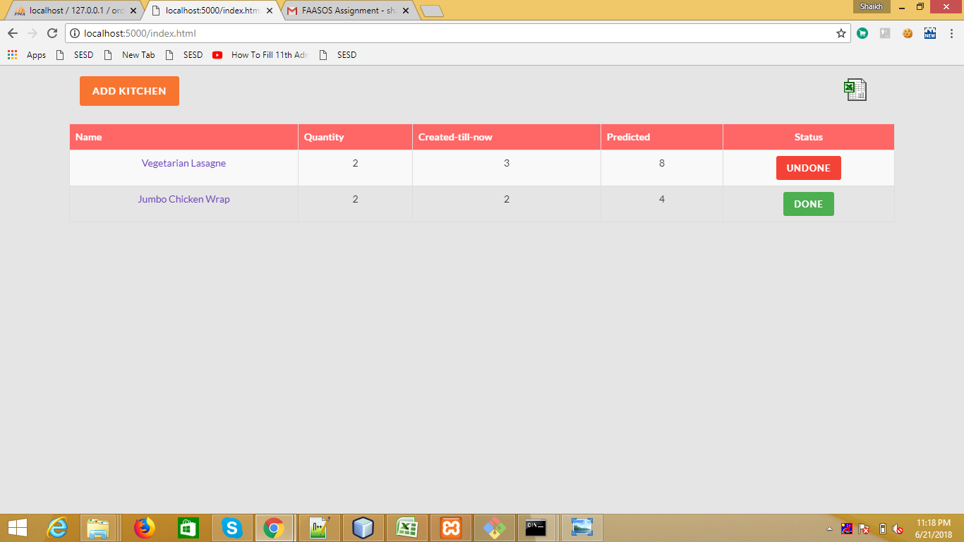

step5
you ca edit by clicking name

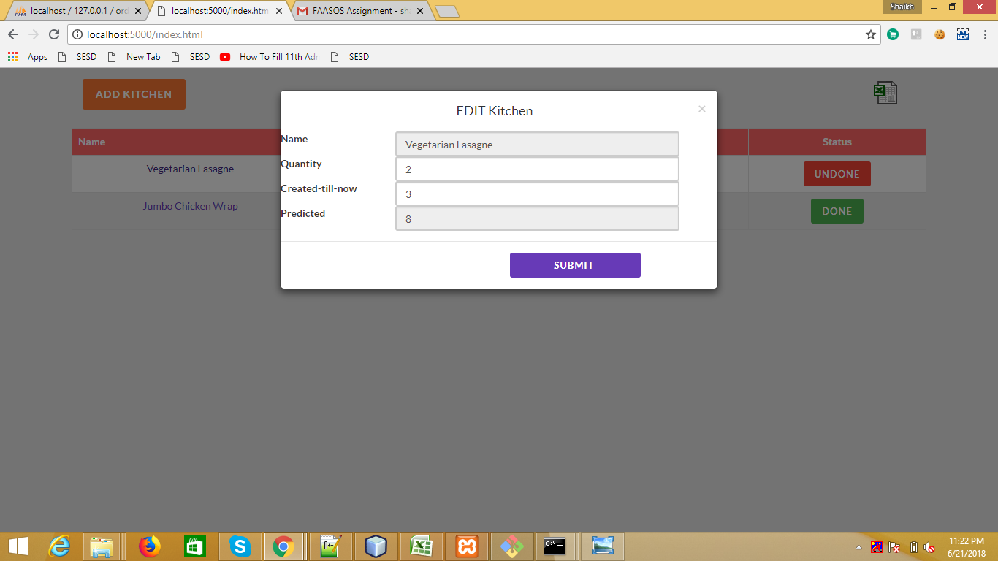

step 6
If you edit quantity * Created till now = predicted . Then status change to done
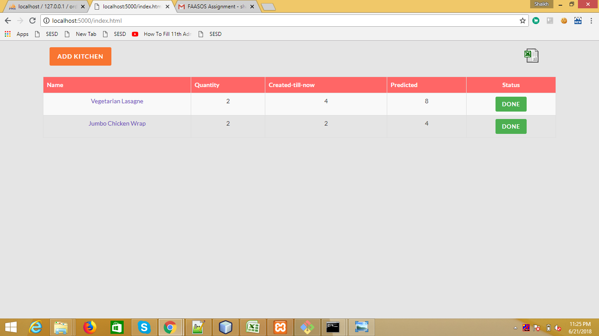

step 7
By Clicking Xlsx logo you can download report

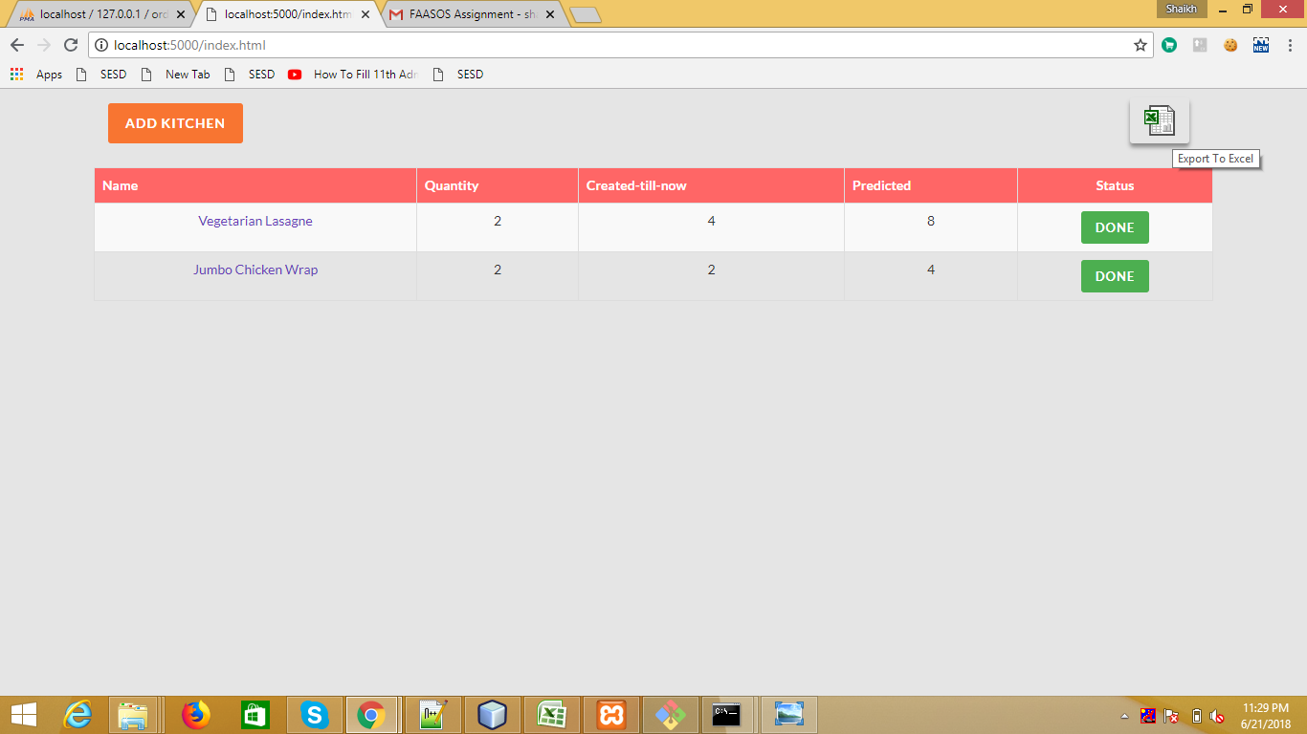

Step 8
Report Is look like this

