Instructions
How to use Bulk Edit in Supplier Center
Step 1: Identify the items you want to update

The productIDType and productID fields are required for every item you want to make changes to. List each productIDType/productID pair on a new row. The productIDType can be any one of the following:

GTIN (14 digits)
EAN (13 digits)
UPC (12 digits)
ISBN (10 or 13 digits; for books only)

Required
Fields
The productID column must be formatted as text. If you are copying and pasting Product IDs from a different Excel file (i.e. Item Report Download or an Uber Item Report), make sure the IDs are properly formatted, including all leading zeros, before pasting them in the Bulk Edit Template tab. Use the Paste Special option and then select Text to paste only the Product ID without any formatting from the previous file.

** Note: The Bulk Edit Spec does not validate any of the info you provide. If either the productID or productIDType are invalid or formatted incorrectly, none of the attribute changes in that row will be processed. **

Optional Fields
Step 2: Fill in the cells for the attributes you want to change
You can use the Bulk Edit Template tab to modify the majority of content attributes that exist in the Walmart Spec. This blank template includes the six most common attributes in the Walmart Spec, which are represented as top column headers in the file (Row 1). If you want to change another content attribute that exists in the Walmart Spec (i.e. modelNumber, servingSize, etc.), input that attribute key in the top column header in the next available column. The attribute key must match the Spec attibute name EXACTLY to be accepted by Supplier Center. To find the attribute keys, please refer to the Reference Guide (link is available in Supplier Center on the Bulk Edit page). Next, provide the new/updated values for each attribute in the cell that corresponds to the proper top column header and row for that productID. Leave the cell blank if you don't want to make a change to an attribute for a specific productID. Once you've filled in the attributes you want to change, save the file on your computer in .xlsx format.
** Note: The Bulk Edit Spec does not validate any of the info you provide. If you enter an attribute value that is invalid, that attribute change will notbe processed by Supplier Center. **

Step 3: Upload & submit your completed Spec
To upload the completed Bulk Edit Spec, log in to Supplier Center. While in All Suppliers view, under ITEMS & INVENTORY in the left navigation menu, click on Bulk Edit. You can drag and drop your completed file or click on Upload Bulk Edit Spec and select the file(s) from your computer. Once your file(s) have been successfully uploaded, the Submit button will turn blue. Click Submit to submit your Bulk Edit Spec(s). | 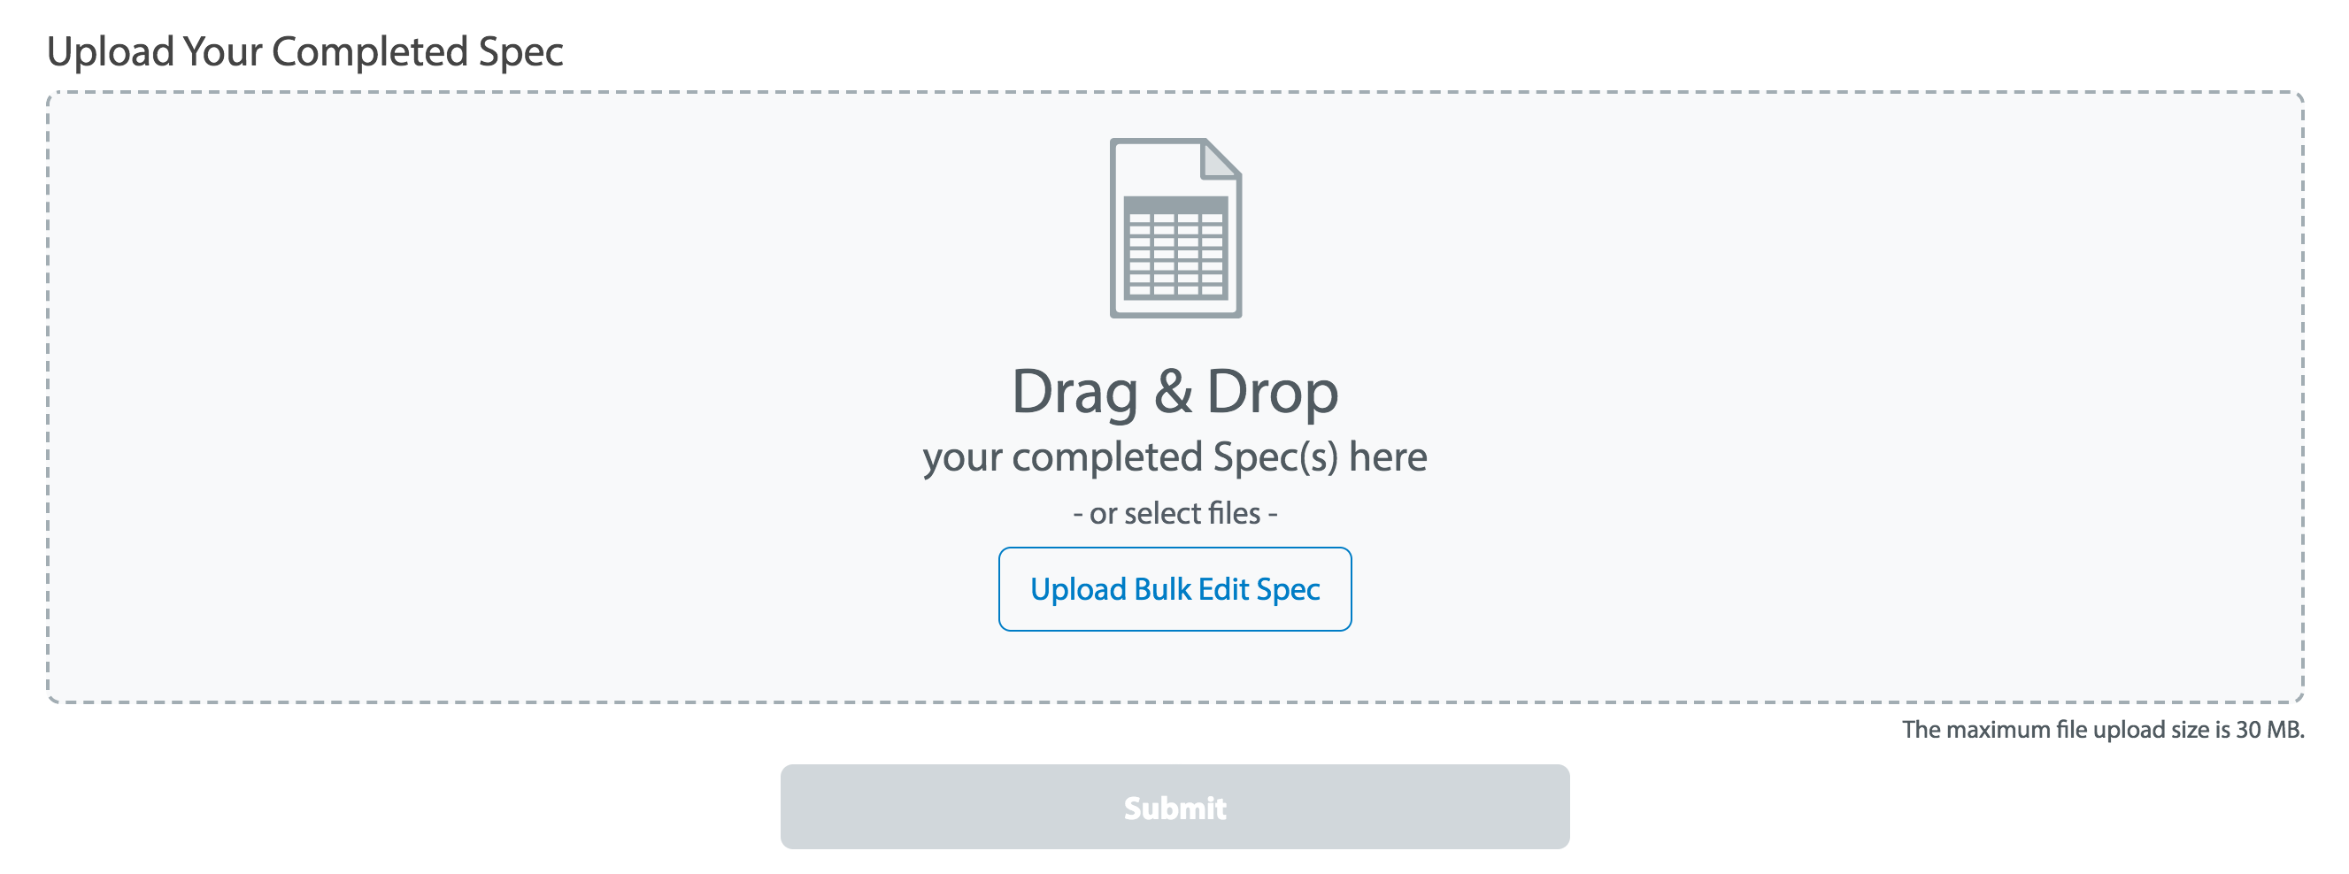
Step 4: Check the status of your feed & download any errors
After submitting your completed Bulk Edit Spec, click on the Feed Status page under FEED MANAGEMENT in the left navigation menu to check on the status of your Bulk Edit feed. In the grid header, you can click on the drop-down menu next to Viewing and select Bulk Edit to filter for Bulk Edit feeds. You must be in All Suppliers view to see the option to filter by Bulk Edit feeds. If any errors were encountered while processing your Bulk Edit Spec, you will see Download Errors (under the Error File column in the grid) next to the file(s) you uploaded. Click on Download Errors to download a CSV that contains the error that was encountered while processing your Bulk Edit Spec. Fix the errors in your Bulk Edit Spec file, then re-save the file in .xlsx format. Go back to Step 3 and load your corrected Bulk Edit Spec. | 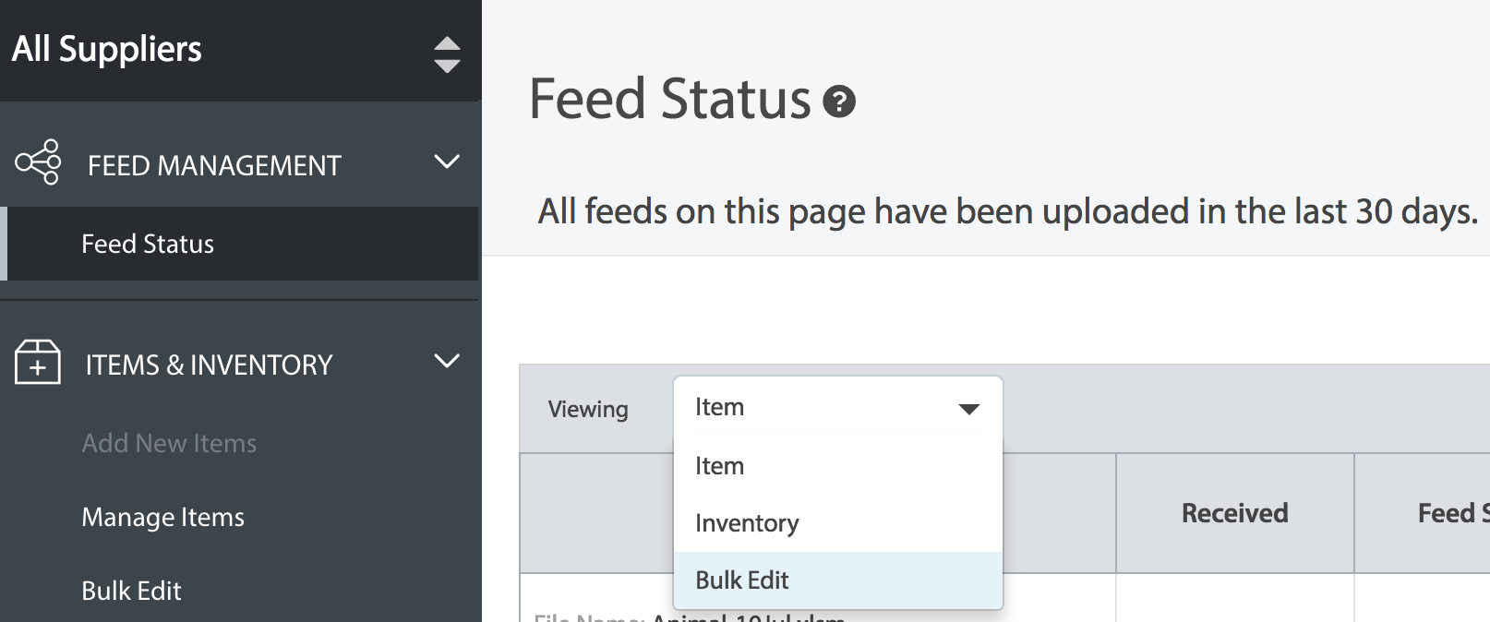

** Note: Do NOT change the name of the Instructions or Bulk Edit Template tabs. Supplier Center will not recognize the file and it willnot process. **

