Instructions
Below are the fields used in this spreadsheet. Required fields are used for all payments and invoices. Conditional fields are required under certain circumstances. Optional fields can be filled in at your discretion.
 | Field Name | Type | Description
Payment fields - one row per payment | Today's Date | Required | You can use the keyboard command control-shift-semicolon or the formula =today(). This is the date that this payment file is submitted - the same value for all payments in the batch. The format type of the cell must be "date"
 | Payer's name | Required | Your company's name or the name of the paying company, as agreed and recorded with Boost
 | Supplier name | Required | This is the supplier name. It is not used to match
 | Intercept email (or Merchant Key) | Required | It is the unique identifier of the supplier. It can be an Intercept email address but you can also put any other Merchant Key.
 | CUSTID | Optional | This is the TC identifier required to process into Sphere Commerce. It can be found in Sales Force using Intercept Email Address.
 | Payment Ref Num | Required | Payment reference number - whatever you require for tracking the payment
 | Card Number | Conditional | Single-use (SUA) full card number - required if this is a single-use card payment. For partial cards you can write six asterisks+numbers (e.g. i.e. ****** 9168764235). Either this field or the name of the token or Billing ID is required.
 | Expiration Date | Conditional | Expiration Date required if you input a Card Number.
 | Name of Token | Conditional | This is the name of the token as specified in the token vault - this is not the actual token value. Either this field or theCard Number or Billing ID is required.
 | Billing ID | Conditional | This is the actual token. Either this field or the name of the token or the card field is required.
 | Card Last 4 | Optional | Last 4 digits of card number
 | Clearing level | Optional | This is optional, in case you put any number, it must be "3" for now until TC 2 is launched.
 | Source short name | Conditional | Put here any of the sources listed in the note of the column "Source short name" or the feed related to the payment. If the source is an SSE email and the Source Link is provided, then this can be empty.
 | Transactions Type | Optional | Please write D for Debit or C for Credit. Right now only Debit (D).
 | Total Amount | Required | Total amount of the payment - the full amount to be charged to the card. This is the amount that Boost will process.
 | Source Link | Optional | This is the sourceID of the original email to link the payment to. If there are paired emails to include, separate the id by a semicolon wihtout spaces (e.g. mnl981bqp6ce4ttl5h7q96rt6f97o24e1m804f01;bnppo22nttoo03b9gs2nkknhlt7e156o97m7sg01)
 | Number of items | Required | The number of invoice lines for this payment - if the payment has 5 invoice line items, enter "5" here
Invoice Items - One or more per payment | Invoice Number | Conditional | The number of the individual line item - if there is no invoice number, enter a sequential number (e.g. 1, 2, 3…). You must enter an Invoice Number, an account number or both.
 | Account Number | Conditional | The account number. You must enter an Invoice Number, an account number or both.
 | Invoice Date | Optional | Date of invoice
 | PO Number | Optional | Optional purchase order or payment trace number
 | Invoice Amount | Optional | Gross value of the invoice (before discounts)
 | Invoice Discount | Optional | Optional discount to be applied to the invoice amount
 | Total Invoice Amount | Required | Amount of the invoice line item. Credits must be entered as negative amounts
 | Invoice Desc | Optional | Optional description or additional details about the invoice line item
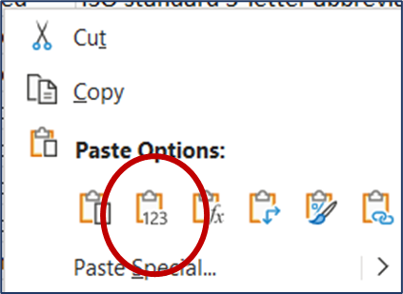
Note, if you copy and paste data from another source, please remember to "paste values" only - this will preserve the formatting and any formulas in this spreadsheet. To paste values only, right-click in the destination cell and select the option illustrated here:

Open the "Domestic Usage" tab to fill this file.

