Instructions
Below are the fields used in this spreadsheet. Required fields are used for all payments and invoices. Conditional fields are required under certain circumstances. Optional fields can be filled in at your discretion.
 | Field Name | Type | Description
Payment fields - one row per payment | Today's Date | Required | Date that this payment file is submitted - the same value for all payments in the batch. Format: MM/DD/YYYY
 | Payer's name | Required | Your company's name or the name of the paying company, as agreed and recorded with Boost
 | Merchant Number or Supplier ID | Required | The identifier for the supplier as agreed with Boost. This identifies the supplier at the payment gateway.
 | Additional Merchant Number | Optional | Additional identifier used for some payment systems. Example is Mastercard SITEID.
 | Supplier Name | Required | Supplier Name as onboard to the Boost platform
 | Intercept Email Address | Required | Intercept email address as provided by Boost
 | Country | Required | Country of supplier - choose from the list
 | Currency | Required | ISO standard 3-letter abbreviation for the currency (e.g. USD, CAD, EUR). Blank is assumed to be USD.
 | Total Amount | Required | Total amount of the payment - the full amount to be charged to the card. This is the amount that Boost will process.
 | Payment Ref Num | Required | Payment reference number - whatever you require for tracking the payment. If no other number then enter the first invoice number.
 | Card Number | Conditional | Single-use (SUA) full card number - required if this is a single-use card payment
 | Expiration | Conditional | Expiration Date of single-use card - required if this is a single-use card payment
 | CVV if required by country | Conditional | Card Verification Value if required by your country to process payments
 | Name of Token | Conditional | This is the name of the token as specified in the token vault - this is not the actual token value
 | Card Last 4 | Optional | Last 4 digits of card number - required for cards vaulted with a
 | Token Value | Conditional | Token value - required if neither a Card Number nor a Name of Token is provided
 | Payment Adjustment | Optional | Optional adjustment amount to be applied to the payment - can be positive or negative
 | Adjustment Desc | Optional | An optional text description of the adjustment
 | Tax1 Type | Optional | If a tax is applied to this payment, enter the type or name of the tax here
 | Tax1 Amount | Optional | If a tax is applied to this payment, enter the amount here
 | Tax2 Type | Optional | If a second tax is applied to this payment, enter the type or name of the tax here
 | Tax2 Amount | Optional | If a second tax is applied to this payment, enter the amount here
 | Number of items | Required | The number of invoice lines for this payment - if the payment has 5 invoice line items, enter "5" here
Invoice Items - One or more per payment | Invoice Number | Required | The number of the individual line item - if there is no invoice number, enter a sequential number (e.g. 1, 2, 3…)
 | Invoice Date | Optional | Date of invoice. Format: MM/DD/YYYY
 | Invoice Amount | Required | Amount of the invoice line item. Credits must be entered as negative amounts.
 | PO Number | Optional | Optional purchase order or payment trace number
 | Invoice Discount | Optional | Optional discount to be applied to the invoice amount
 | Invoice Desc | Optional | Description of the invoice item. If there is an associated account number for this item, enter it here.
 | Additional Desc | Optional | Additional description of the invoice line item

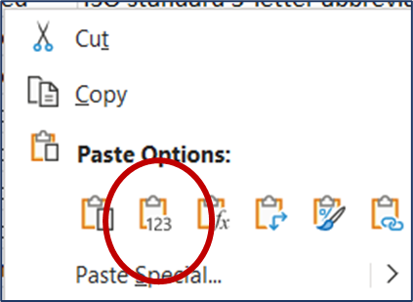
Note, if you copy and paste data from another source, please remember to "paste values" only - this will preserve the formatting and any formulas in this spreadsheet. To paste values only, right-click in the destination cell and select the option illustrated here:

