ISA_Formats
4 Core Formats That RISC-V supports

R-Type [Integer Register-Register Operations][Arithmetic & Logical Operations Done By ALU]

RV32I defines several arithmetic R-type operations. All operations read the rs1 and rs2 registers as source operands and write the result into register rd. The funct7 and funct3 fields select the type of operation.

I-Type [Integer Register-Immediate Operations][Arithmetic & Logical Operations But the 2nd operand is Constant]

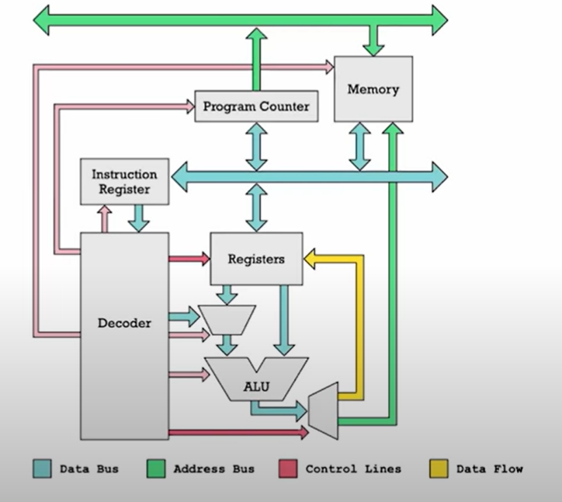
Most integer computational instructions operate on XLEN bits of values held in the integer register file. Integer computational instructions are either encoded as register-immediate operations using the I-type format or as register-register operations using the R-type format. The destination is register rd for both register-immediate and register-register instructions. No integer computational instructions cause arithmetic exceptions.

 |  | So the 2nd Operand can be a register or it can be a constant[ Immediate ] like in the case of the I-Type operations

There're 2 variations of the Immediate Operations [B-Type & J-Type][Control Transfer Instructions]

B-Type [Branch-Type Operations][Conditial Jump] | J-Type [Jump-Type Operations][Unconditional Jump]

S-Type [Store Type Operations]

Load and store instructions transfer a value between the registers and memory. Loads are encoded in the I-type format and stores are S-type. The effective address is obtained by adding register rs1 to the sign-extended 12-bit offset. Loads copy a value from memory to register rd. Stores copy the value in register rs2 to memory

U-Type [Upper Bits Type of Operations]

LUI (load upper immediate) is used to build 32-bit constants and uses the U-type format. LUI places the U-immediate value in the top 20 bits of the destination register rd, filling in the lowest 12 bits with zeros. AUIPC (add upper immediate to pc) is used to build pc-relative addresses and uses the U-type format. AUIPC forms a 32-bit offset from the 20-bit U-immediate, filling in the lowest 12 bits with zeros, adds this offset to the address of the AUIPC instruction, then places the result in register rd.

GreenCard
