ISA_Formats
4 Core Formats That RISC-V supports

R-Type [Integer Register-Register Operations][Arithmetic & Logical Operations Done By ALU]

RV32I defines several arithmetic R-type operations. All operations read the rs1 and rs2 registers as source operands and write the result into register rd. The funct7 and funct3 fields select the type of operation.

I-Type [Integer Register-Immediate Operations][Arithmetic & Logical Operations But the 2nd operand is Constant]

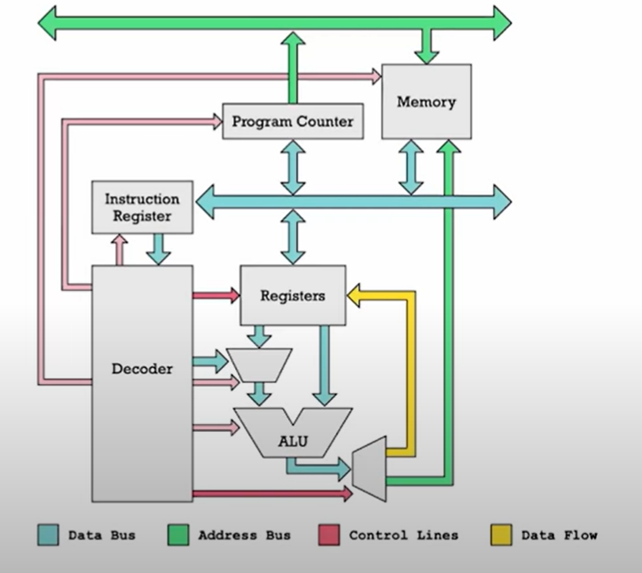
Most integer computational instructions operate on XLEN bits of values held in the integer register file. Integer computational instructions are either encoded as register-immediate operations using the I-type format or as register-register operations using the R-type format. The destination is register rd for both register-immediate and register-register instructions. No integer computational instructions cause arithmetic exceptions.

 |  | So the 2nd Operand can be a register or it can be a constant[ Immediate ] like in the case of the I-Type operations

There're 2 variations of the Immediate Operations [B-Type & J-Type][Control Transfer Instructions]

B-Type [Branch-Type Operations][Conditial Jump] | J-Type [Jump-Type Operations][Unconditional Jump]

S-Type [Store Type Operations]

Load and store instructions transfer a value between the registers and memory. Loads are encoded in the I-type format and stores are S-type. The effective address is obtained by adding register rs1 to the sign-extended 12-bit offset. Loads copy a value from memory to register rd. Stores copy the value in register rs2 to memory

U-Type [Upper Bits Type of Operations]

LUI (load upper immediate) is used to build 32-bit constants and uses the U-type format. LUI places the U-immediate value in the top 20 bits of the destination register rd, filling in the lowest 12 bits with zeros. AUIPC (add upper immediate to pc) is used to build pc-relative addresses and uses the U-type format. AUIPC forms a 32-bit offset from the 20-bit U-immediate, filling in the lowest 12 bits with zeros, adds this offset to the address of the AUIPC instruction, then places the result in register rd.

Standard_Extensions
Standard Extensions
RV32M Multiply Extension

RV32I defines several arithmetic R-type operations. All operations read the rs1 and rs2 registers as source operands and write the result into register rd. The funct7 and funct3 fields select the type of operation.

32 × 32 multiplication → 64 bit result
mul s3, s1, s2
s3 = lower 32 bits of result
mulh s4, s1, s2
s4 = upper 32 bits of result, treats operands as signed
{s4, s3} = s1 x s2
Example: s1 = 0x40000000 = 2³⁰; s2 = 0x80000000 = -2³¹
s1 x s2 = -2⁶¹ = 0xE0000000 00000000
s4 = 0xE0000000; s3 = 0x00000000
32-bit division → 32-bit quotient & remainder
div s3, s1, s2 # s3 = s1/s2
rem s4, s1, s2 # s4 = s1%s2
Example : s1 = 0x00000011 = 17; s2 = 0x00000003 = 3
s1 / s2 = 5
s1 % s2 = 2
s3 = 0x00000005; s4 = 0x00000002

Signed: mulh
Unsigned: mulhu, mulhsu
mulhu: treat both operands as unsigned
mulhsu: treat first operand as signed, second as unsigned
32 lsbs are identical whether signed/unsigned; use mul
Example: s1 = 0x80000000; s2 = 0xC0000000
Signed: div, rem
Unsigned: divu, remu

RV32A Atomic Extension

ISA_M-Extension
“M” Standard Extension for Integer Multiplication and Division


Type | Instruction | Description | Assembly | Operation | [31:25] | [24:20] | [19:15] | [14:12] | [11:7] | [6:0]
Register-Register Type [Operations are done inside ALU] |  |  |  |  | funct7 | Rs2[multiplier] | Rs1[multiplicand] | funct3 | Rd | OPCODE

R-Type [Multiply] | mul | multiply | mul rd, rs1, rs2 | rd = (rs1 * rs2)31:0 | 0000001 | xxxxx | xxxxx | 000 (0) | xxxxx | 0110011 (51)
 | mulh | multiply high signed signed | mulh rd, rs1, rs2 | rd = (rs1 * rs2)63:32 | 0000001 | xxxxx | xxxxx | 001 (1) | xxxxx
 | mulhsu | multiply high signed unsigned | mulhsu rd, rs1, rs2 | rd = (rs1 * rs2)63:32 | 0000001 | xxxxx | xxxxx | 010 (2) | xxxxx
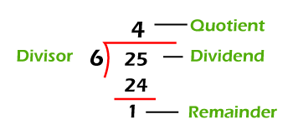
 | mulhu | multiply high unsigned unsigned | mulhu rd, rs1, rs2 | rd = (rs1 * rs2)63:32 | 0000001 | xxxxx | xxxxx | 011 (3) | xxxxx
Type | Instruction | Description | Assembly | Operation | funct7 | Rs2[divisor] | Rs1[dividend] | funct3 | Rd | OPCODE
R-Type [Division] | div | divide (signed) | div rd, rs1, rs2 | rd = rs1 / rs2 | 0000001 | xxxxx | xxxxx | 100 (4) | xxxxx | 0110011 (51)
 | divu | divide unsigned | divu rd, rs1, rs2 | rd = rs1 / rs2 | 0000001 | xxxxx | xxxxx | 101 (5) | xxxxx
 | rem | remainder (signed) | rem rd, rs1, rs2 | rd = rs1 % rs2 | 0000001 | xxxxx | xxxxx | 110 (6) | xxxxx
 | remu | remainder unsigned | remu rd, rs1, rs2 | rd = rs1 % rs2 | 0000001 | xxxxx | xxxxx | 111 (7) | xxxxx
32 × 32 multiplication → 64 bit result
mul s3, s1, s2
s3 = lower 32 bits of result
mulh s4, s1, s2
s4 = upper 32 bits of result, treats operands as signed
{s4, s3} = s1 x s2
Example: s1 = 0x40000000 = 2³⁰; s2 = 0x80000000 = -2³¹
s1 x s2 = -2⁶¹ = 0xE0000000 00000000
s4 = 0xE0000000; s3 = 0x00000000
32-bit division → 32-bit quotient & remainder
div s3, s1, s2 # s3 = s1/s2
rem s4, s1, s2 # s4 = s1%s2
Example : s1 = 0x00000011 = 17; s2 = 0x00000003 = 3
s1 / s2 = 5
s1 % s2 = 2
s3 = 0x00000005; s4 = 0x00000002

Signed: mulh
Unsigned: mulhu, mulhsu
mulhu: treat both operands as unsigned
mulhsu: treat first operand as signed, second as unsigned
32 lsbs are identical whether signed/unsigned; use mul
Example: s1 = 0x80000000; s2 = 0xC0000000
Signed: div, rem
Unsigned: divu, remu

GreenCard
