Sheet1
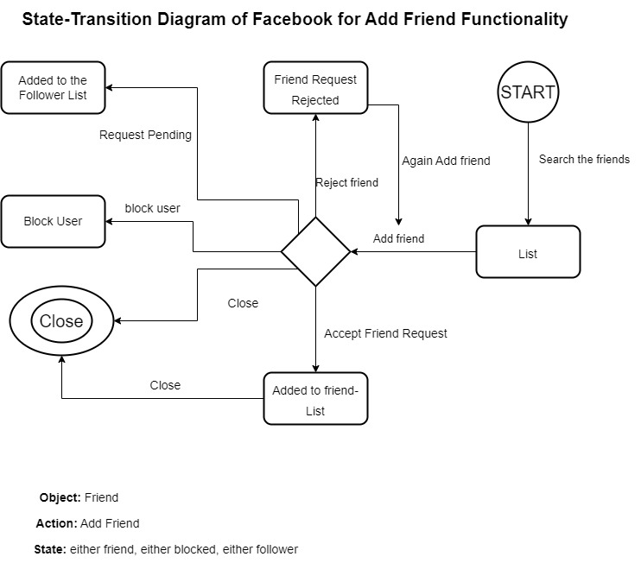

TC#ID | Module Name | Test Scenario | Test Case Title | Steps to reproduce | Test Data | Expected Result | Actual Result | Status
TC_Login_01 | Facebook-AddFriend | User Login Functionality | Verify login with valid username and valid passowrd | 1. Launch Browser 2. Open URL "https://m.facebook.com" 3. Provide valid username 4. Provide valid passowrd 5. Click on login button | cutecathere234@gmail.com / Ghost6735! | Login Sucessfully | Login Sucessfully
TC_Login_02 | Facebook-AddFriend | User Login Functionality | Verify login with valid username and invalid passowrd | 1. Launch Browser 2. Open URL "https://m.facebook.com" 3. Provide valid username 4. Provide invalid passowrd 5. Click on login button | cutecathere234@gmail.com / Ghost6735! | Invalid Credentials | Invalid Credentials
TC_Login_03 | Facebook-AddFriend | User Login Functionality | Verify login with invalid username and valid passowrd | 1. Launch Browser 2. Open URL "https://m.facebook.com" 3. Provide invalid username 4. Provide valid passowrd 5. Click on login button | cutecathere234@gmail.com / Ghost6735! | Invalid Credentials | Invalid Credentials
TC_Login_04 | Facebook-AddFriend | User Login Functionality | Verify login with invalid username and invalid passowrd | 1. Launch Browser 2. Open URL "https://m.facebook.com" 3. Provide invalid username 4. Provide invalid passowrd 5. Click on login button | cutecathere234@gmail.com / Ghost6735! | Invalid Credentials | Invalid Credentials
TC_Login_05 | Facebook-AddFriend | sent request | Verify user can send request | 1. Launch Browser 2. Open URL "https://m.facebook.com" 3. Provide valid username 4. Provide valid passoword 5. go to search bar to add friend 6. Click on Add friend to send request | cutecathere234@gmail.com / Ghost6735! | Friend Request sent successfully | Friend Request sent successfully | Pass
TC_Login_06 | Facebook-AddFriend | Accept Request | Verify user can add friend | 1. Launch Browser 2. Open URL "https://m.facebook.com" 3. Provide valid username 4. Provide valid passoword 5. go to request 6. Click on Accept button | cutecathere234@gmail.com / Ghost6735! | Request Accepted | Request Accepted | Pass
TC_Login_07 | Facebook-AddFriend | Reject request | Verify user can reject request | 1. Launch Browser 2. Open URL "https://m.facebook.com" 3. Provide valid username 4. Provide valid passoword 5. go to request 6. Click on Cancel button to reject request | cutecathere234@gmail.com / Ghost6735! | Request rejected | Request rejected | Pass
TC_Login_08 | Facebook-AddFriend | Block user | Verify user can block theother user sending request | 1. Launch Browser 2. Open URL "https://m.facebook.com" 3. Provide valid username 4. Provide valid passoword 5. go to request 6. Click on block button to block user | cutecathere234@gmail.com / Ghost6735! | User Blocked | User Blocked | Pass

Variable Identifier

No | Variable Identifiers | Valid | Invalid | Dataset
1 | Email | Aplhanumeric and special characters allowed , only lowercase alphabets, string | Email without using @ and. Email only contains special characters Email using other words or specaial characters after domain(.com/.net/.org/etc) only spaces UpperCase Alphabets | {cutecathere234@gmail.com}
2 | Passoword | Special character, alphanumeric, numeric | Empty Only Spaces | {Ghost6735!}

Boundary Values

No | Name | Limit | Boundary Values
1 | Email | 20-50 | 19,20,21,49,50,51
2 | Password | 8--14 | 7,8,9,13,14,15

Equivalance Partitioning

No | Name | Valid | Invalid
1 | Email | 20-50 | all Less than 20, all greater than 50
2 | Password | 8--14 | all Less than 8, all greater than 14

