Sheet1
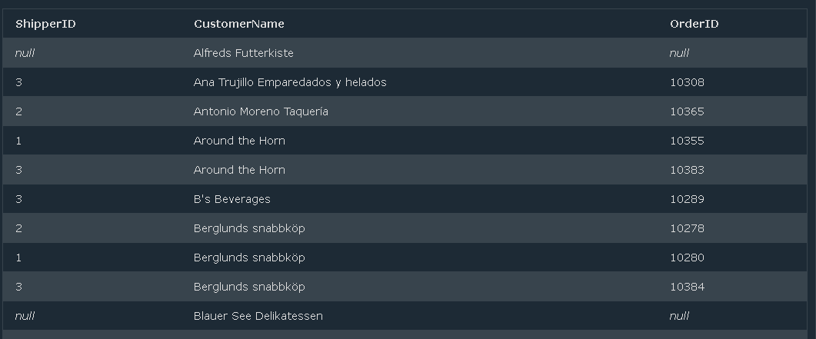
 | Task1:

Write an SQL query that selects records that have matching values in both tables

Suppose we have two tables named as customers and orders

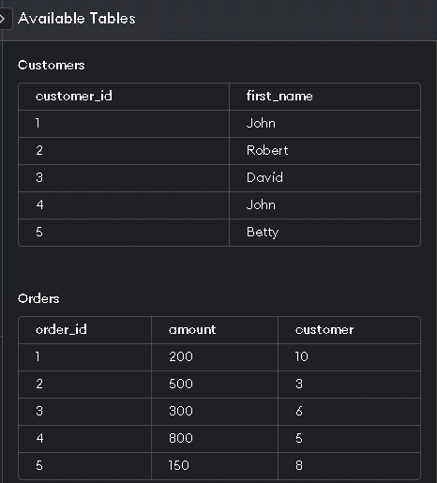

SQL Query

SELECT Customers.customer_id, Customers.first_name, Orders.amount, Orders.order_id
FROM Customers
INNER JOIN Orders ON Customers.customer_id=Order.customer_id;

OUTPUT

Only 3 and 5 are matching.

 | Task2:

Write an SQL query that selects all orders with customer information.

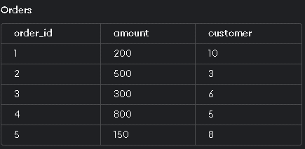
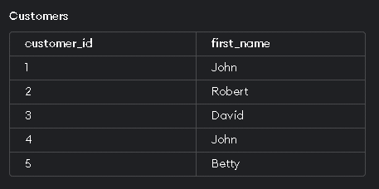

SQL QUERY
SELECT Orders.order_id,Orders.amount,orders.customer, Customers.customer_id, Customers.first_name
FROM Orders
LEFT JOIN Customers
ON Customers.customer_id = Orders.customer;

OUTPUT

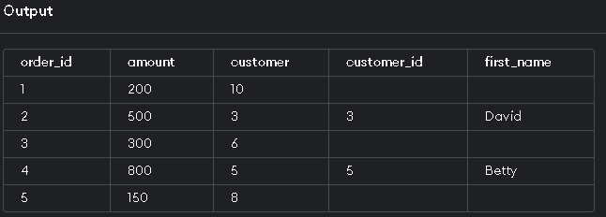

 | Task3:

Write an SQL Query that select all shipper ids, and any orders they might have.

Table: Order

Table: Customer


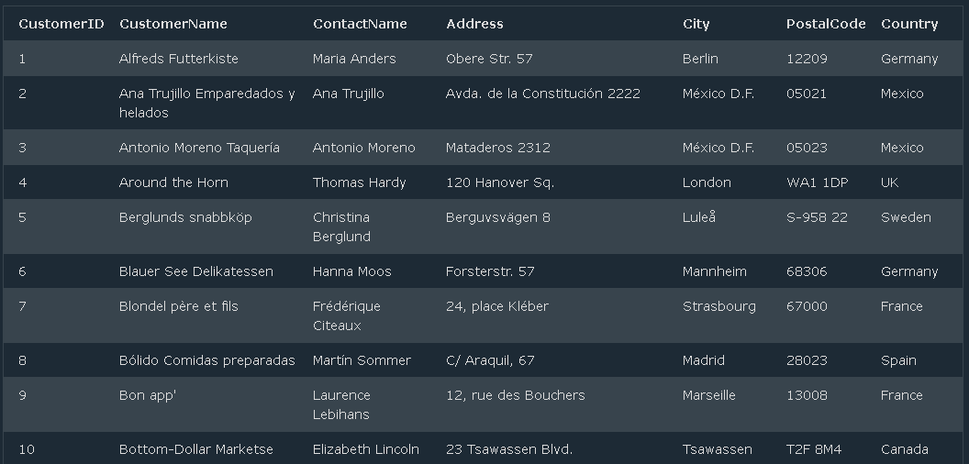

SQL QUERY

SELECT Orders.ShipperID,Customers.CustomerName, Orders.OrderID
FROM Customers
LEFT JOIN Orders
ON Customers.CustomerID=Orders.CustomerID
ORDER BY Customers.CustomerName;

OUTPUT

