10
10 .Text Box
The TextBox control is used to get the input from the user of the web application. An asp.net textbox has several properties, that we need to be aware of as a developer.

Properties of a TextBox control
1. TextMode Propertry - SingleLine, MultiLine and Password.
When you set the TextMode to MultiLine, use Rows property to control the number of lines to display for a MultiLine TextBox.
2. Text - Use this property to set or get the Text from the TextBox.
3. MaxLength - The maximum number of chatacters that a user can enter.
4. ReadOnly - Set this property to true if you don't want the user to change the text in the TextBox.
5. ToolTip - The tooltip is displayed when the mouse is over the control.
6. Columns - Use this property to specify the width of the TextBox in characters
7. Height - Set the height
8. Width - Set the width
9. AutoPostBack - By default, the TextChanged event of a TextBox control is cached in the viewstate, and is executed when the webform is submitted thru a postback by clicking the button control. If you want to change this behaviour, and post the webform immediately when the Text is changed, set AutoPostBack to true. Setting this property to true, will convert the cached event into a postback event.
Events of TextBox:
TextChanged - This event is fired, when the text is changed.
Methods of a TextBox:
Focus - Set input focus onto the control.

To view the properties of the TextBox, Right click on the control, and select Properties. In the properties window, you can also find the events supported by the control.

All these properties can be set at the design time, or at runtime using code

Single line

Multi Line

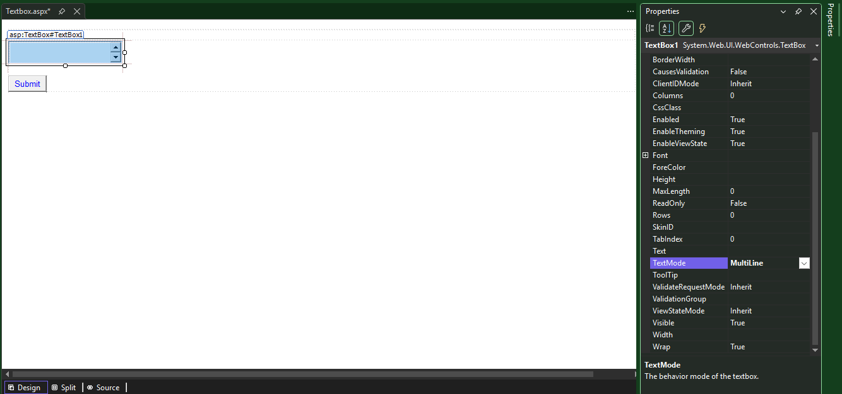

How can define no of row even multi line

Password mode encrypted the data

Define if any this type in text box return in response

using System;
using System.Collections.Generic;
using System.Linq;
using System.Web;
using System.Web.UI;
using System.Web.UI.WebControls;

namespace WebAppCoding._10_TextBox
{
public partial class Textbox : System.Web.UI.Page
{
protected void Page_Load(object sender, EventArgs e)
{
}
protected void TextBox1_TextChanged(object sender, EventArgs e)
{
}
protected void Button1_Click(object sender, EventArgs e)
{
Response.Write("You Have Entered: " + TextBox1.Text);
}
}
}

Tooltip

AFTER HOVER ON FIELD

Auto postback

If auto response true ---immediate response

Text Box Focus

Cursor blinking on second textbox

protected void Page_Load(object sender, EventArgs e)
{
TextBox1.Focus(); // Set focus to the TextBox when the page loads
TextBox2.Focus(); //only the last focus will work
}
<%@ Page Language="C#" AutoEventWireup="true" CodeBehind="Textbox.aspx.cs" Inherits="WebForm1.Textbox" %>

<!DOCTYPE html>

<html xmlns="http://www.w3.org/1999/xhtml">
<head runat="server">
<title></title>
</head>
<body>
<form id="form1" runat="server">
<div>
</div>
<asp:TextBox ID="TextBox1" runat="server" BackColor="Blue" Height="16px" OnTextChanged="TextBox1_TextChanged" Rows="1" ToolTip="First Name"></asp:TextBox>
<br />
<br />
<asp:TextBox ID="TextBox2" runat="server" BackColor="#CCFFFF" Height="16px" OnTextChanged="TextBox1_TextChanged" Rows="1" ToolTip="Middle Name"></asp:TextBox>
<br />
<br />
<asp:TextBox ID="TextBox3" runat="server" BackColor="#FF9933" Height="16px" OnTextChanged="TextBox1_TextChanged" Rows="1" ToolTip="Last Name"></asp:TextBox>
<p>
<asp:Button ID="Button1" runat="server" ForeColor="Blue" Text="Submit" OnClick="Button1_Click" />
</p>

</form>
</body>
</html>

11
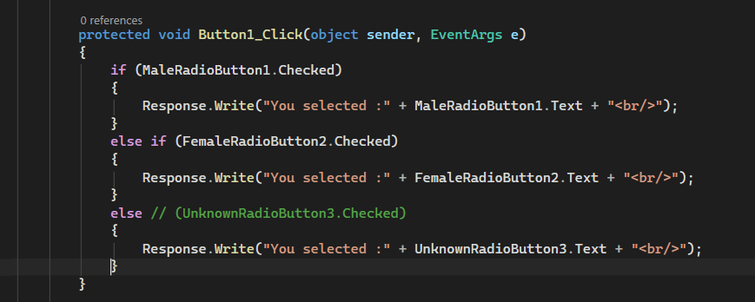
ASP.NET Radio Button Control - Part 11

Radio Button control is used, when you want the user to select only one option from the available choices. For example, the gender of a person. A person can be Male or Female. He cannot be both. So, if the user has first selected Male, and if tries to select Female, the initial Male selection he made should automatically get de-selected. Another example, would be when you want the user to select his or her favourite colour.

In short, if you want to provide the user with mutually exclusive options, then choose a Radio Button Control.

Important Properties of the Radio Button Control
Checked - This is a boolean property, that is used to check if the button is checked or not.
Text - This is string property used to get or set the text associated with the radio button control
TextAlign - right or left. On which side of the radio button the text should appear
AutoPostBack - Set this property to true, if you want the webform to be posted immediately when the checked status of the radio button changes.
Group Name - By default, the individual radio button selections, are not mutually exclusive. If you have a group of radio buttons, and if you want the selections among the group to be mutually exclusive, then use the same group name for all the radio button controls.
Events:
CheckedChanged - This event is fired when the checked status of the radio button control is changed.

<%@ Page Language="C#" AutoEventWireup="true" CodeBehind="Radiobutton.aspx.cs" Inherits="WebForm1.Radiobutton" %>
<!DOCTYPE html>
<html xmlns="http://www.w3.org/1999/xhtml">
<head runat="server">
<title></title>
</head>
<body>
<form id="form1" runat="server">
<div style="font-family: Arial">
<fieldset style="width:300px">
<legend>Gender</legend>
<asp:RadioButton ID="MaleRadioButton1" Text = “Male” runat="server" />
<asp:RadioButton ID="FemaleRadioButton2" Text = “Female” runat="server" />
<asp:RadioButton ID="UnknownRadioButton3" Text = “Unknown” runat="server" />
</fieldset>
</div>
</form>
</body>
</html>

<%@ Page Language="C#" AutoEventWireup="true" CodeBehind="Radiobutton.aspx.cs" Inherits="WebForm1.Radiobutton" %>
<!DOCTYPE html>
<html xmlns="http://www.w3.org/1999/xhtml">
<head runat="server">
<title></title>
</head>
<body style="height: 68px">
<form id="form1" runat="server">
<div style="font-family: Arial; height: 93px; width: 357px;">
<fieldset style="width:300px">
<legend style="font-style: italic; color: #FF0000; font-weight: bold;" >Gender</legend>
<asp:RadioButton ID="MaleRadioButton1" Text = "Male" runat="server" />
<asp:RadioButton ID="FemaleRadioButton2" Text = "Female" runat="server" />
<asp:RadioButton ID="UnknownRadioButton3" Text = "Unknown" runat="server" />
</fieldset><br />
<asp:Button ID="Button1" runat="server" Text="Submit" OnClick="Button1_Click" BackColor="#00CC99" Font-Bold="True" Font-Size="Large" />
</div>
</form>
</body>
</html>

Button Click Event

Radio Button Group

Now only one radio button

Another method to define grouping using html code

Improve code for performance

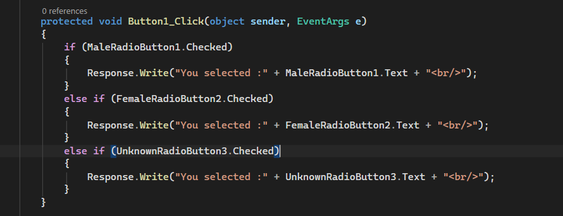

Or

13
ASP.NET Hyperlink control - Part 13

The ASP.NET Hyperlink control is used to create a link to another Web page.

Properties:
Text - The link text that will be shown to the user
Navigate URL - The URL of the page to which the user will be sent
ImageURL - The URL of the image, that will be displayed for the link. If you specify both the Text and ImageUrl, the image will be displayed instead of the text. If for some reason, the image is not unavailable, the text will be displayed.
Target - If target is not specified, the web page to which the hyperlink is linked, will be displayed in the same window. If you set the Target to _blank, the web page will be opened in a new window.
Methods:
Focus() - Call this method to Set the input focus when the page loads.
Events:
No HyperLink control specific events

Click on Navigate url and put value
Text = Github Link

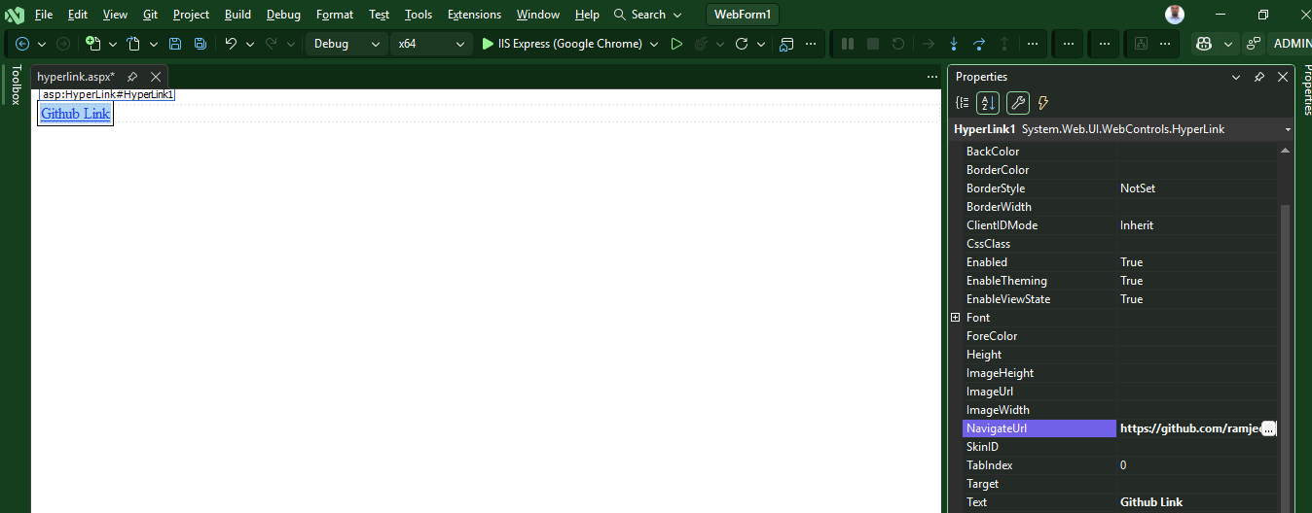

We can link all the web form inside the system after clicking navigateurl

The above link open in same tab let render one another tab

Focus on Hyperlink after page load

