namespace
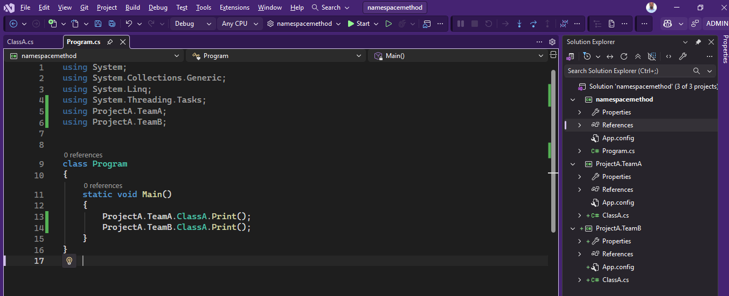
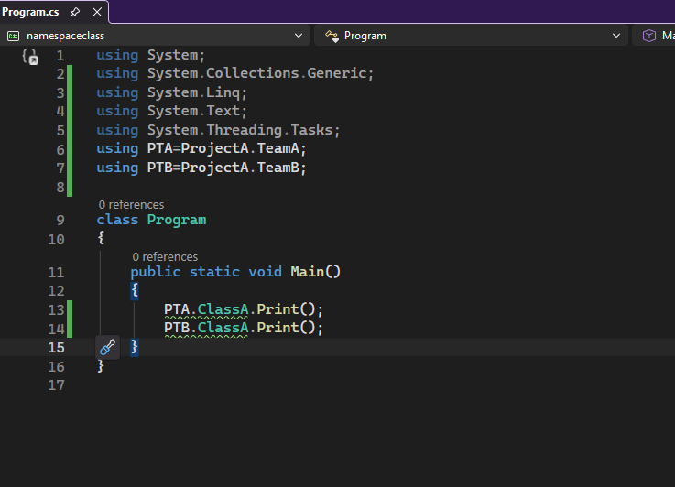
 | using System;

 | class Program
 | {
 | public static void Main()
Part 1 | {
 | Console.WriteLine("Namepsace definitions and use !");
 | }
 | }

 | namespace ProjectA
 | {
 | namespace TeamA
 | {
part2 | class ClassA
 | {
 | public static void Print()
 | {
 | Console.WriteLine("The is belongs to Project-A Team-A Print Method !");
 | }
 | }
 | }
 | }

 | namespace ProjectA
 | {
 | namespace TeamB
 | {
 | class ClassA
part3 | {
 | public static void Print()
 | {
 | Console.WriteLine("The is belongs to Project-A Team-B Print Method !");
 | }
 | }
 | }
 | }

 | Call the function

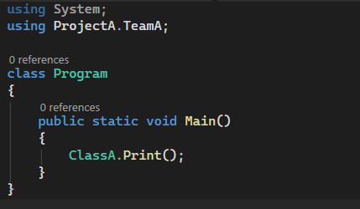

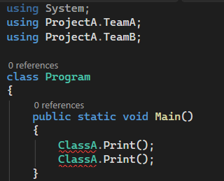
 | but if we use using ProjectA.TeamB;

 | then compiler didn't understand the code where the method called from
 | for this fully qualified name required

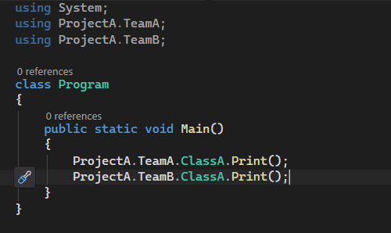

 |  |  | NO Issue if Fully qualified name assign

 | another way to assign namespace alias as below and call the method

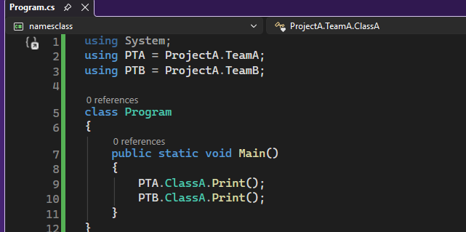
 | using System;
 | using PTA = ProjectA.TeamA;
 | using PTB = ProjectA.TeamB;

 | class Program
 | {
 | public static void Main()
 | {
 | PTA.ClassA.Print();
 | PTB.ClassA.Print();
 | }
 | }

 | If we build the solution the all program go to assembly which is vaiable in RTK---> Open in File Explorer ---> project ---> bin ---> debug -->.exe (containt the whole code)

 |  | The same namespace can rewrite in other way

 | RTK On Solution and add as new project

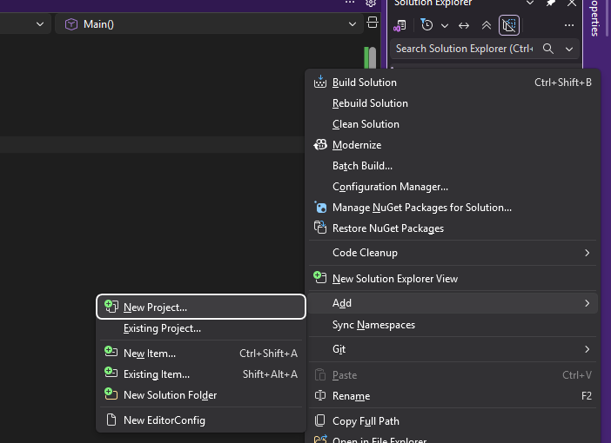

 | choose any class library

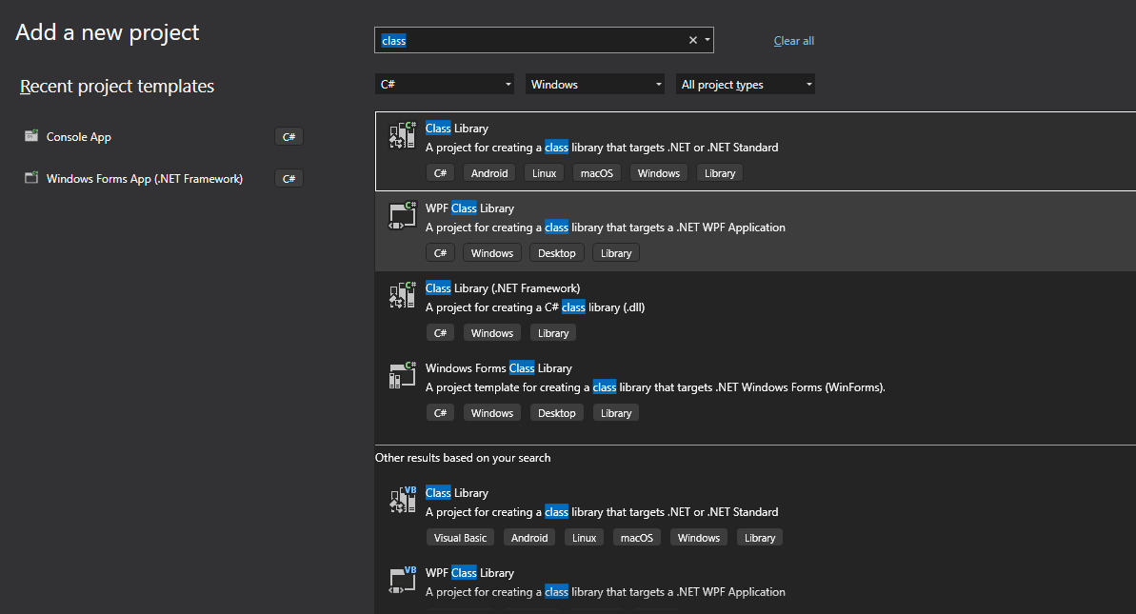

 | Choosen

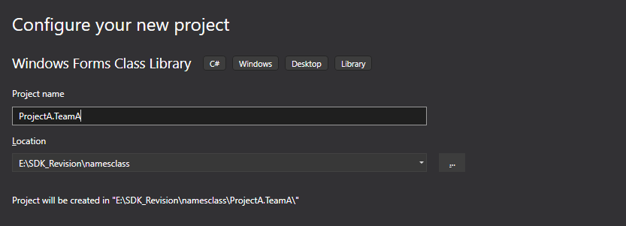

 | RENAME THE CLASS1 AS ClassA

do | Same for ProjectA.TeamB

 | The code of ProjectA.TeamA Class is

 | using System;
 | using System.Collections.Generic;
 | using System.Linq;
 | using System.Text;

 | namespace ProjectA.TeamA
 | {
 | public class ClassA
 | {
 | public static void Print()
 | {
 | Console.WriteLine("The is belongs to Project-A Team-A Print Method !");
 | }
 | }
 | }

 | TeamB Code is

 | using System;
 | using System.Collections.Generic;
 | using System.Linq;
 | using System.Text;

 | namespace ProjectA.TeamB
 | {
 | public class ClassA
 | {
 | public static void Print()
 | {
 | Console.WriteLine("The is belongs to Project-A Team-B Print Method !");
 | }
 | }
 | }

 | using System;

 | class Program
 | {
 | public static void Main()
 | {

 | }
 | }

 | after this rebuit the solution and we have .dll file

 | for exploring the dll file need Microsoft SDK Tool

 | C:\Program Files (x86)\Microsoft SDKs\Windows\v10.0A\bin\NETFX 4.8 Tools\ildasm.exe

 | It will showing the project information

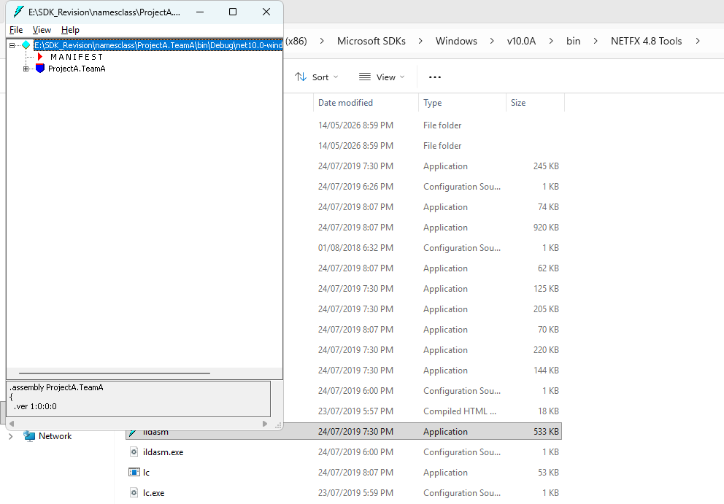

 | We want to both assembly ProjectA.TeamA and ProjectA.TeamB in our Main Project namesclass

 | then add references by click RTK on Project

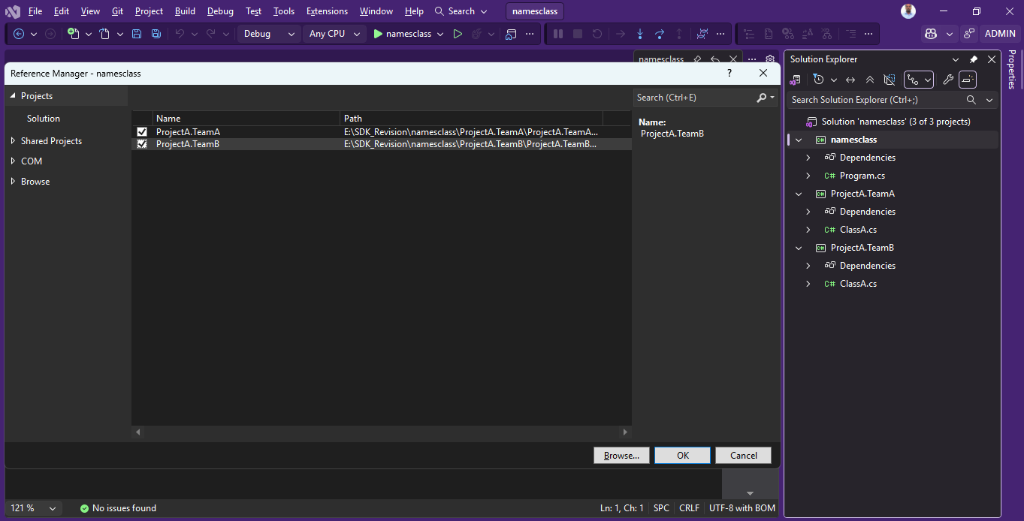

 | After adding ref call in main function

