1
How to activate data grid

RTK > CHOOSE ITEM >>

pick sql data source and data grid

click on right side of sql source a wizard will open

trusted certificate = trque added in webconfig file

<add name="DBCS" connectionString="Data Source=.;Initial Catalog=SBODemoIN;Integrated Security=SSPI;TrustServerCertificate=True" providerName="System.Data.SqlClient" />

bind the connection with data grid

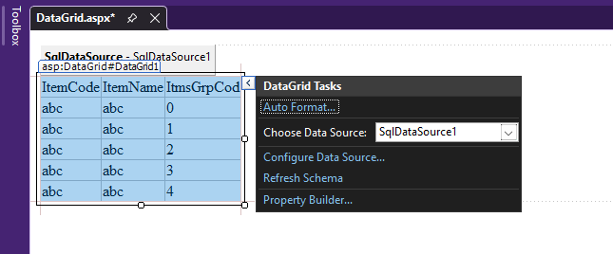

now take a grid vie and bind the connection

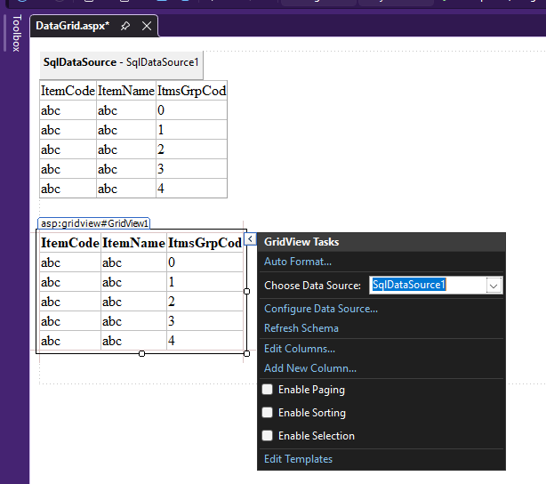

<%@ Page Language="C#" AutoEventWireup="true" CodeBehind="DataGrid.aspx.cs" Inherits="DataGrid._1_DataGrid.DataGrid" %>

<!DOCTYPE html>

<html xmlns="http://www.w3.org/1999/xhtml">
<head runat="server">
<title></title>
</head>
<body>
<form id="form1" runat="server">
<div>
<asp:SqlDataSource ID="SqlDataSource1" runat="server" ConnectionString="<%$ ConnectionStrings:SBODemoINConnectionString %>" SelectCommand="SELECT [ItmsGrpCod], [ItmsGrpNam], [Locked] FROM [OITB]"></asp:SqlDataSource>
</div>
<asp:DataGrid ID="DataGrid1" runat="server" DataSourceID="SqlDataSource1">
</asp:DataGrid>
<br />
<asp:GridView ID="GridView1" runat="server" AutoGenerateColumns="False" DataKeyNames="ItmsGrpCod" DataSourceID="SqlDataSource1">
<Columns>
<asp:BoundField DataField="ItmsGrpCod" HeaderText="ItmsGrpCod" ReadOnly="True" SortExpression="ItmsGrpCod" />
<asp:BoundField DataField="ItmsGrpNam" HeaderText="ItmsGrpNam" SortExpression="ItmsGrpNam" />
<asp:BoundField DataField="Locked" HeaderText="Locked" SortExpression="Locked" />
</Columns>
</asp:GridView>
<br />
</form>
</body>
</html>

