Sheet1
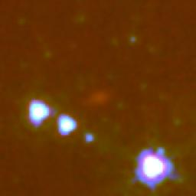
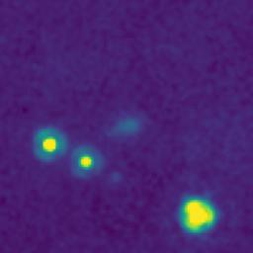
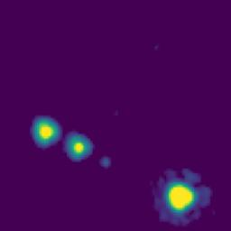
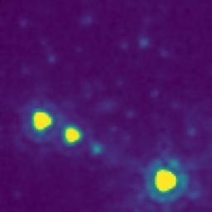
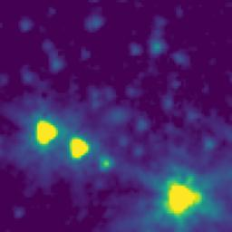
ID | RGB Image | 8-micron Filter | 5.8-micron Filter | 4.6-micron Filter | 3.5-micron Filter
102.9954854_1.9421403_10250_0145_1

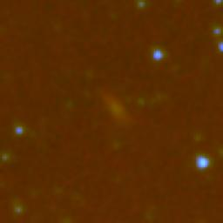
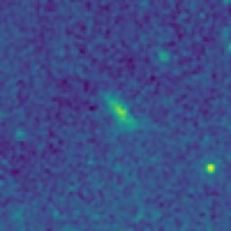



102.7406942_1.7674039_10250_0145_2

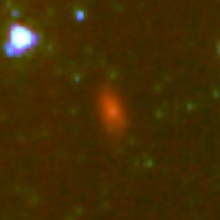
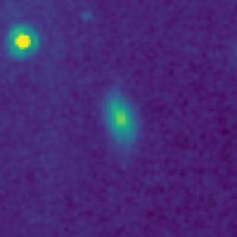
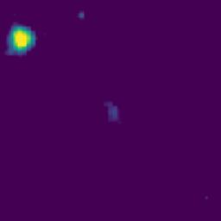
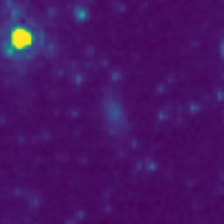
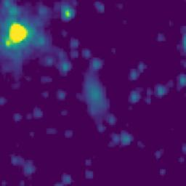
102.5944216_0.8427481_10250_0145_3

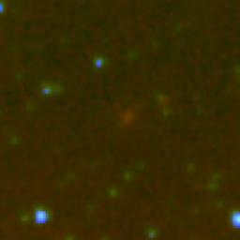
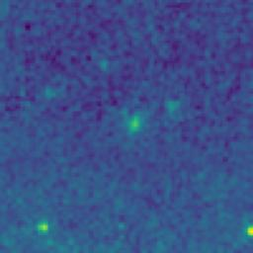



102.2779068_0.8257392_10250_0145_4

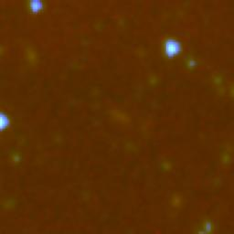
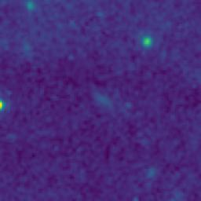


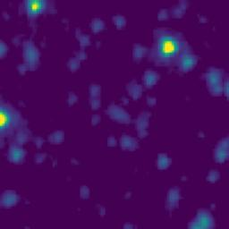
102.9364094_1.5518747_10250_0145_5

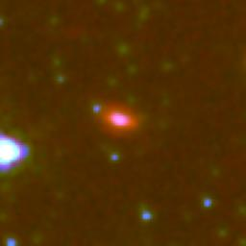
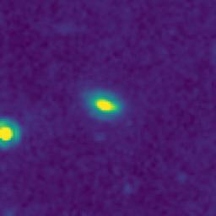

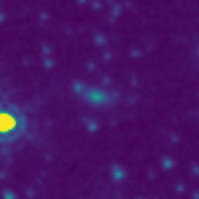
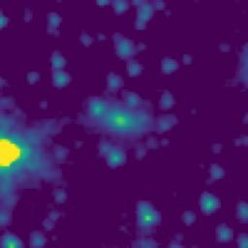
102.8576574_1.1937218_10250_0145_6

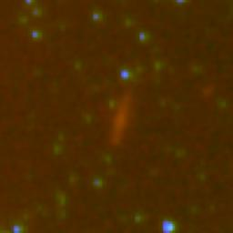
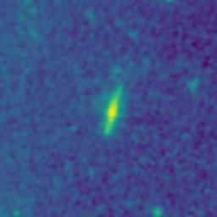

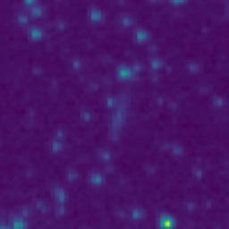

102.8251304_1.0525600_10250_0145_7

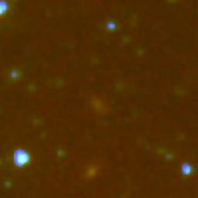
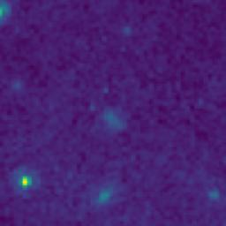

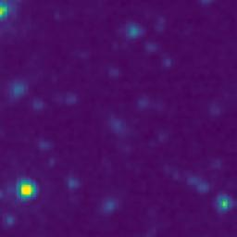
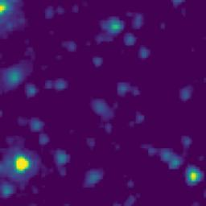
102.8266254_1.0168932_10250_0145_8

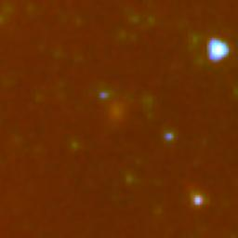
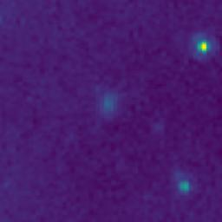

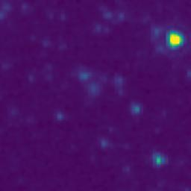
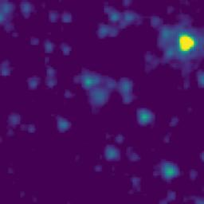
102.4707366_1.7642499_10250_0145_9

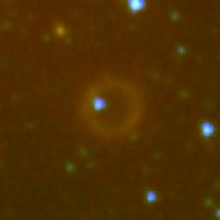
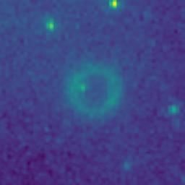
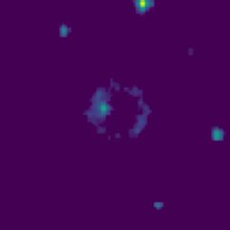
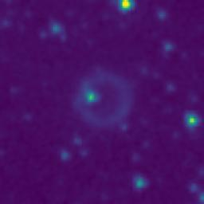
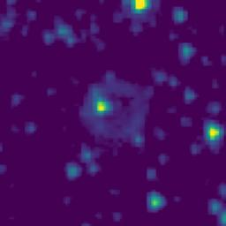
102.2258141_1.5722335_10250_0145_10

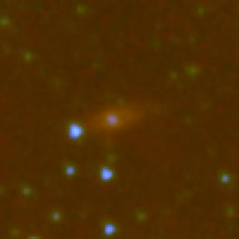
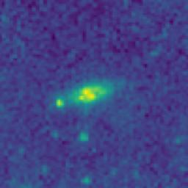

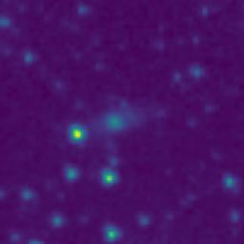
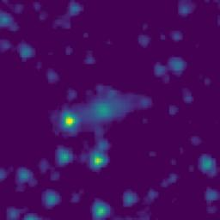
102.0526871_1.0432059_10250_0145_11

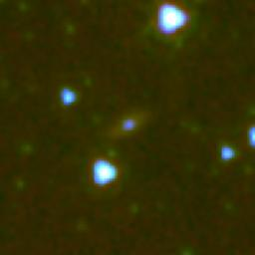
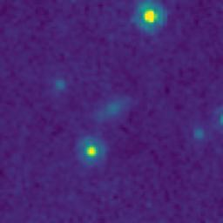
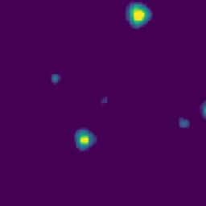
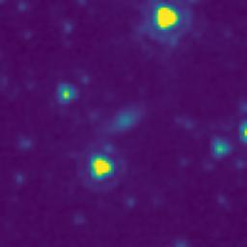
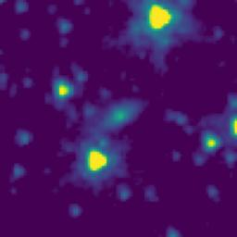
102.0071622_1.8940298_10250_0145_12

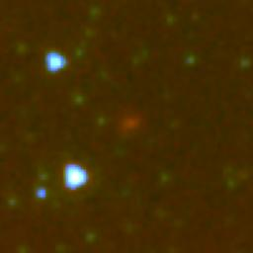
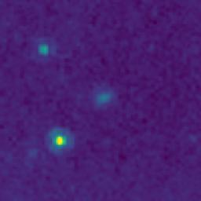
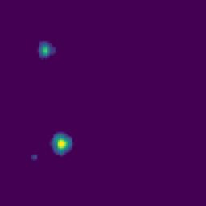
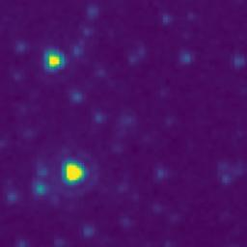

102.5416427_1.2029838_10250_0145_13






102.0787889_1.4117109_10250_0145_14






102.9492071_0.8625303_10250_0145_15






102.3485841_1.1289117_10250_0145_16






102.1616311_1.4767180_10250_0145_17






102.3565564_1.4696122_10250_0145_18






102.4031711_1.4793214_10250_0145_19






102.3819689_1.5126002_10250_0145_20






102.0699214_1.5778759_10250_0145_21






102.0270892_1.4955339_10250_0145_22






102.0117633_1.4361975_10250_0145_23






102.1000514_0.9060480_10250_0145_24






102.1439006_0.8267220_10250_0145_25






102.5520864_0.8577494_10250_0145_26






102.5829225_0.8804153_10250_0145_27






102.7554403_0.9342356_10250_0145_28






102.7477675_0.8850031_10250_0145_29






102.9662917_0.9277019_10250_0145_30






102.9956261_0.9205291_10250_0145_31






102.9306419_1.0325425_10250_0145_32






102.9199902_1.1213777_10250_0145_33






102.9691680_1.1335347_10250_0145_34






103.0037472_1.4616939_10250_0145_35






102.2271497_1.8256194_10250_0145_36






102.7378228_1.4178241_10250_0145_37






102.9986636_1.3927020_10250_0145_38






103.0065895_1.4078200_10250_0145_39






102.8803485_1.1923848_10250_0145_40






102.1910520_0.9547289_10250_0145_41






102.5745989_2.0419155_10250_0145_42






102.9131945_1.9168997_10250_0145_43






102.8678819_1.8804980_10250_0145_44






102.8289864_1.5867650_10250_0145_45






102.8073339_1.5894958_10250_0145_46






102.9157711_1.5664786_10250_0145_47






102.5969072_1.1554980_10250_0145_48






102.6528183_1.7361061_10250_0145_49






102.6694422_1.8088547_10250_0145_50






102.6614144_1.8635775_10250_0145_51






102.5044184_1.6081944_10250_0145_52






101.9686430_1.1811877_10250_0145_53






102.1580775_1.8670575_10250_0145_54






102.1996177_1.7223966_10250_0145_55






102.2226692_1.3842331_10250_0145_56






102.2167069_1.0682322_10250_0145_57






102.2991659_1.6730745_10250_0145_58






102.2916625_1.6765739_10250_0145_59






102.4505567_1.9490827_10250_0145_60






102.4313850_1.7725822_10250_0145_61






102.3185694_0.8984094_10250_0145_62






102.4737489_0.8304167_10250_0145_63






102.4897590_1.2131944_10250_0145_64






102.5734550_1.8575036_10250_0145_65






102.7498467_1.8517920_10250_0145_66






102.7394946_1.7230984_10250_0145_67






102.8307933_1.0211148_10250_0145_68






102.2164111_1.5672323_10250_0145_69






102.0585893_1.2755737_10250_0145_70






102.7350668_0.8872380_10250_0145_71






102.5938288_0.8412628_10250_0145_72






101.9800950_1.6433850_10250_0145_73

