Sheet1
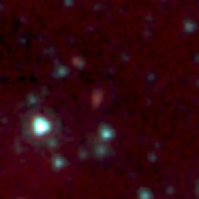
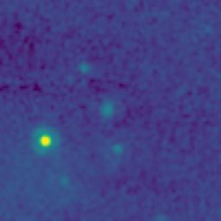
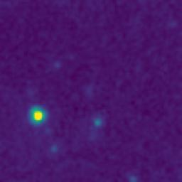
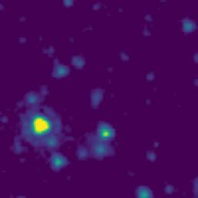
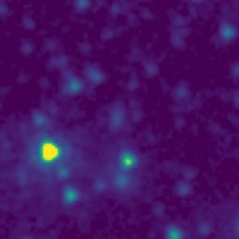
ID | RGB Image | 8-micron Filter | 5.8-micron Filter | 4.6-micron Filter | 3.5-micron Filter
105.0159292_0.7952697_10450_0020_1

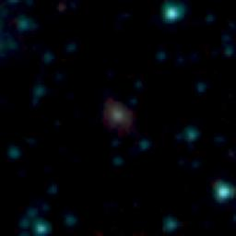
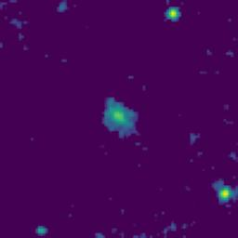
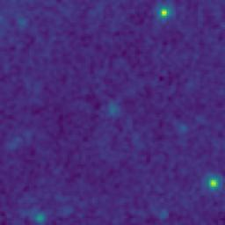
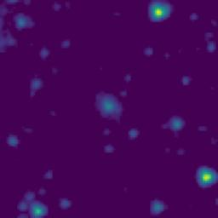
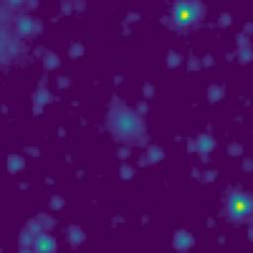
104.6947717_0.7566839_10450_0020_2

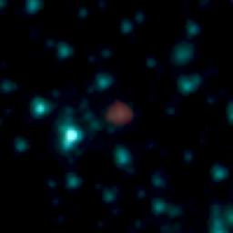
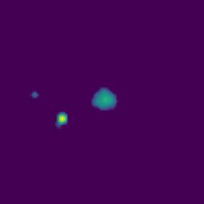
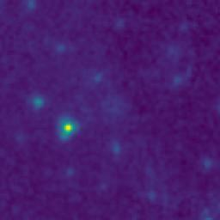
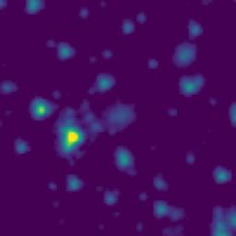
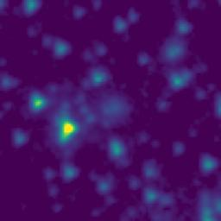
104.5701111_0.0984443_10450_0020_3

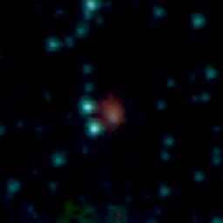
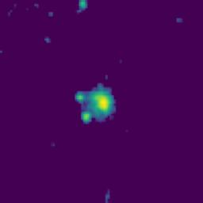
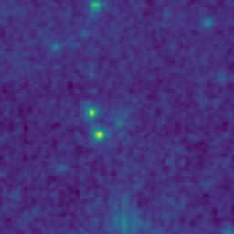
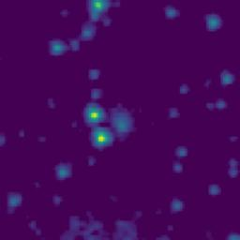
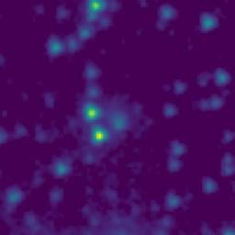
104.4674997_0.2492222_10450_0020_4

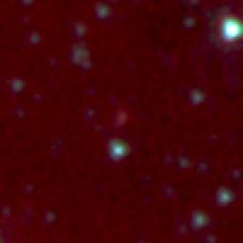
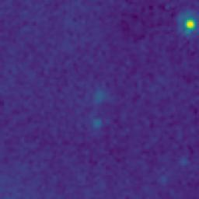
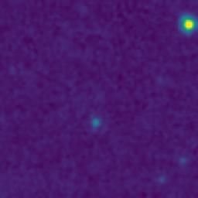
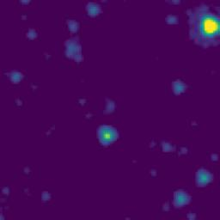
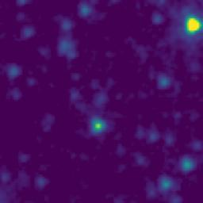
104.3846904_0.6916385_10450_0020_5

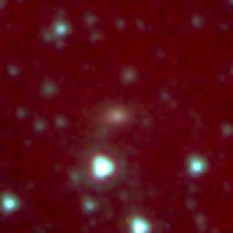
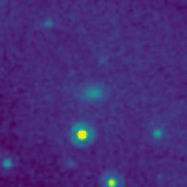
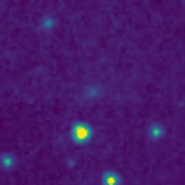
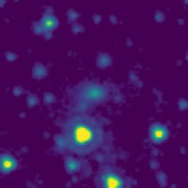
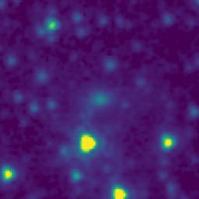
104.4405530_0.8108332_10450_0020_6

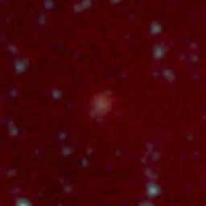
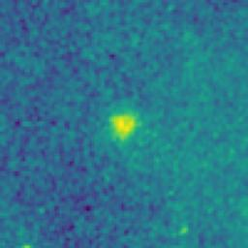
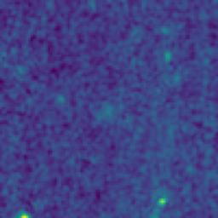
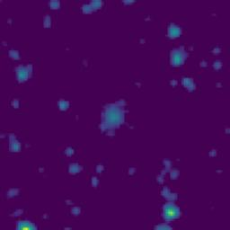
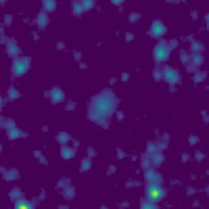
104.1850177_0.6258302_10450_0020_7

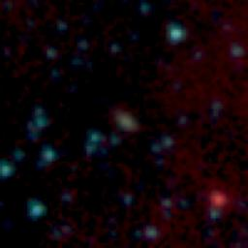
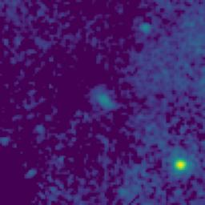
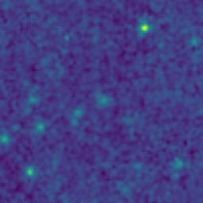
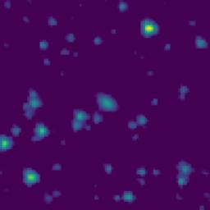
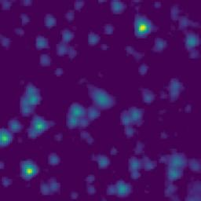
103.9988654_-0.0397020_10450_0020_8

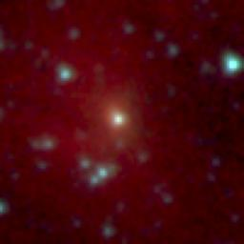
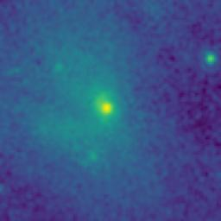
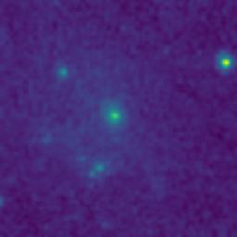
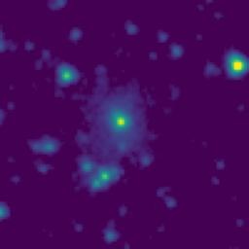
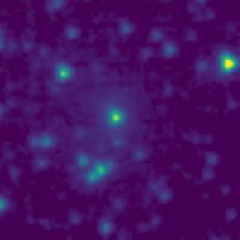
104.4524801_0.3732125_10450_0020_9

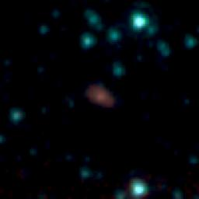
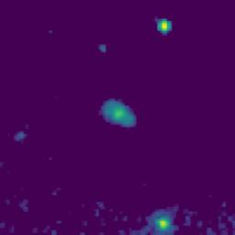
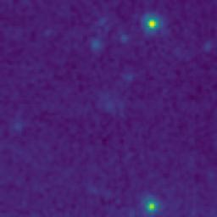
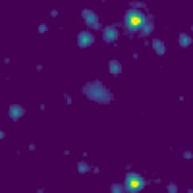
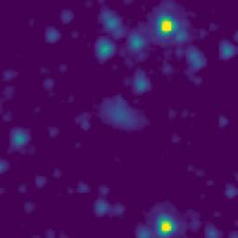
104.8387738_0.5063587_10450_0020_10






104.8589768_0.7195260_10450_0020_11






104.5917567_0.1213897_10450_0020_12






104.8668968_0.7641391_10450_0020_13






104.1134557_0.7980787_10450_0020_14






104.1217898_0.7844680_10450_0020_15






104.3785227_0.8009440_10450_0020_16






104.3535217_0.7688605_10450_0020_17






104.4725276_0.2392222_10450_0020_18






104.8214778_0.3813300_10450_0020_19






104.8696729_0.3761902_10450_0020_20






104.8570334_0.3541071_10450_0020_21






104.1757722_0.3834136_10450_0020_22






104.9569329_0.6824103_10450_0020_23






104.9822648_0.6055761_10450_0020_24






104.9740932_0.4434098_10450_0020_25






104.9659263_0.4385766_10450_0020_26






104.9789266_0.4424096_10450_0020_27






105.0184256_0.3872418_10450_0020_28






104.9182548_0.2935780_10450_0020_29






105.0224171_0.1087417_10450_0020_30






105.0130847_0.1464086_10450_0020_31






105.0089185_0.1582421_10450_0020_32






105.0228105_0.2524082_10450_0020_33






105.0244196_0.1934083_10450_0020_34






104.9322486_0.0522443_10450_0020_35






104.8772476_-0.0062544_10450_0020_36






104.8849172_0.1235787_10450_0020_37






104.8630331_0.3346627_10450_0020_38






104.8657539_0.2792459_10450_0020_39






104.8129205_0.2984137_10450_0020_40






104.7374200_0.3282484_10450_0020_41






104.6975857_0.2990822_10450_0020_42






104.7955929_0.6282474_10450_0020_43






104.7890929_0.6400807_10450_0020_44






104.7899265_0.6600808_10450_0020_45






104.6874177_0.1869157_10450_0020_46






104.6644177_0.1998000_10450_0020_47






104.6595335_0.1997492_10450_0020_48






104.7029187_0.2629154_10450_0020_49






104.6459181_0.2738651_10450_0020_50






104.5945827_-0.0330835_10450_0020_51






104.4700280_0.0778611_10450_0020_52






104.5769177_0.3520830_10450_0020_53






104.5035834_0.5612500_10450_0020_54






104.5083059_0.4965556_10450_0020_55






104.4985278_0.3832779_10450_0020_56






104.5094445_0.0406666_10450_0020_57






104.4685831_0.2140833_10450_0020_58






104.3204154_0.2224158_10450_0020_59






104.4449156_0.4022499_10450_0020_60






104.4322757_0.6509999_10450_0020_61






104.3719121_0.6922496_10450_0020_62






104.3539104_0.8024160_10450_0020_63






104.4802492_0.8394166_10450_0020_64






104.2956301_0.8109153_10450_0020_65






104.3057513_-0.0122511_10450_0020_66






104.1794181_0.0284135_10450_0020_67






104.1462404_0.5449128_10450_0020_68






104.0103966_0.7740759_10450_0020_69






104.0171973_0.7603762_10450_0020_70






103.9702849_0.4234535_10450_0020_71






104.1319197_-0.0312542_10450_0020_72






104.2755794_0.3927485_10450_0020_73






104.6497556_0.6989158_10450_0020_74






103.9876434_0.3126752_10450_0020_75

