Sheet1
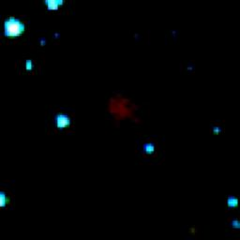
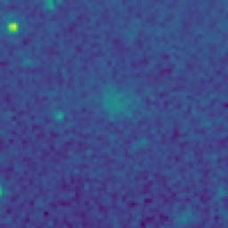
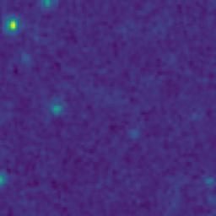
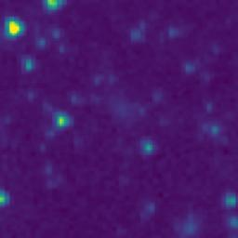
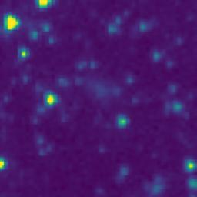
ID | RGB Image | 8-micron Filter | 5.8-micron Filter | 4.6-micron Filter | 3.5-micron Filter
101.8959563_2.2897525_10150_0270_1

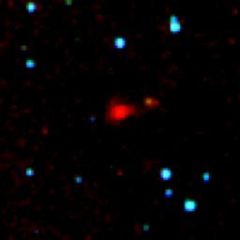
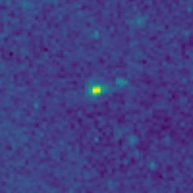
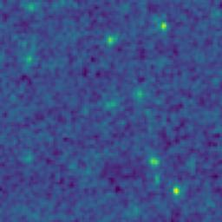
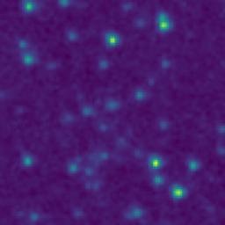
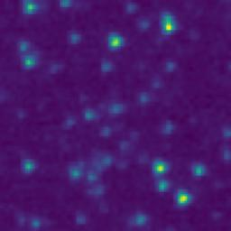
101.5164004_2.2108888_10150_0270_2

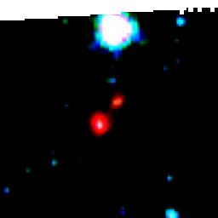
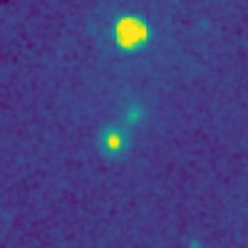
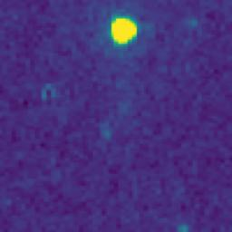
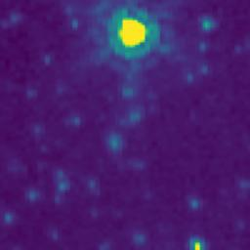
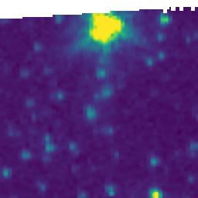
101.9214222_3.0975440_10150_0270_3

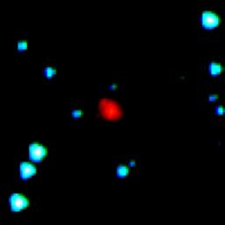
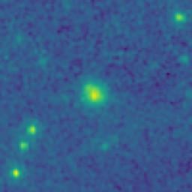
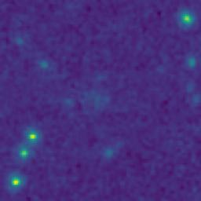
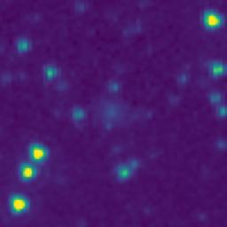
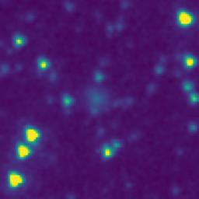
102.0294670_2.9753619_10150_0270_4

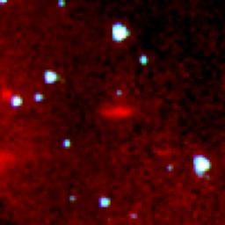
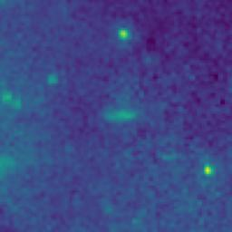
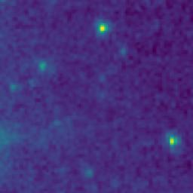
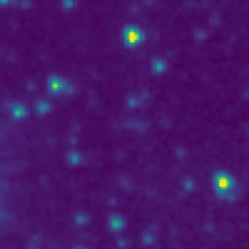
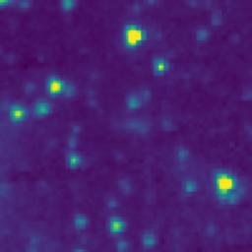
101.3184548_2.8876000_10150_0270_5

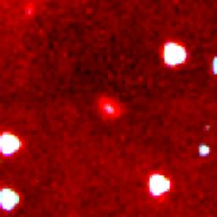
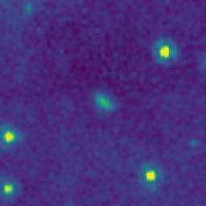
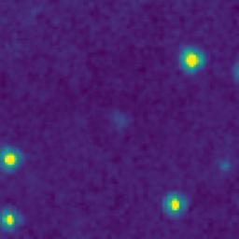
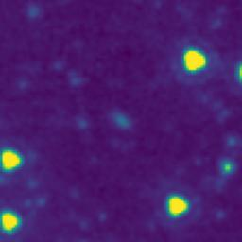
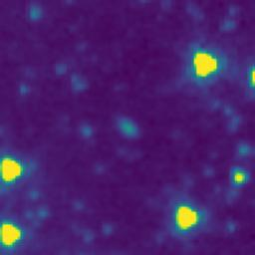
101.2881732_2.7488984_10150_0270_6

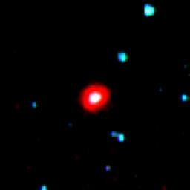
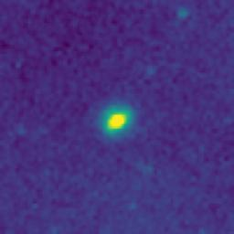
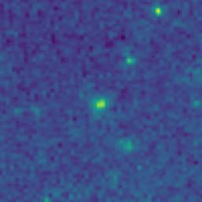
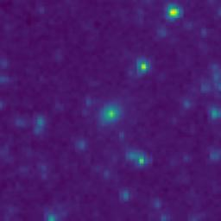
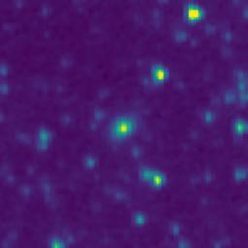
101.3385569_2.8037395_10150_0270_7

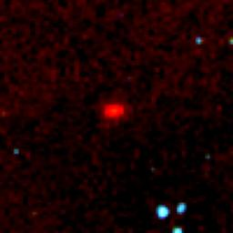
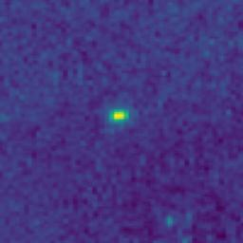
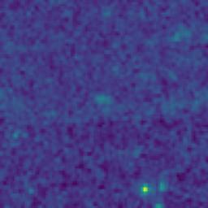
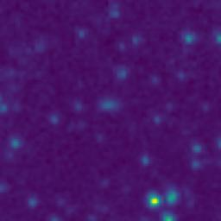
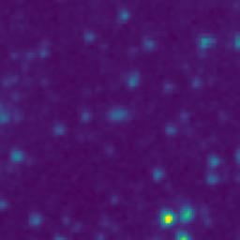
101.4871072_2.2408834_10150_0270_8

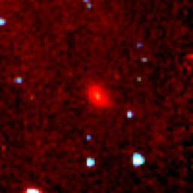
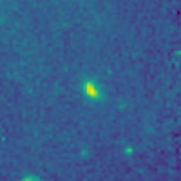
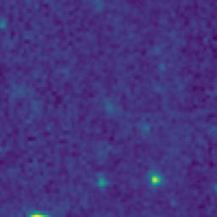
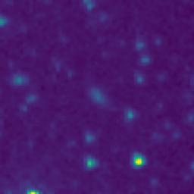
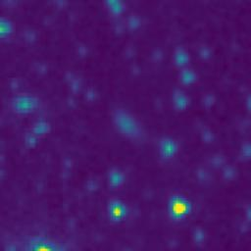
101.4650908_2.2569459_10150_0270_9

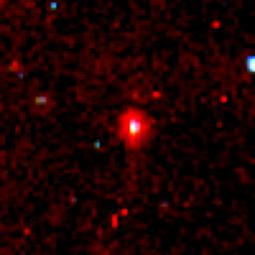
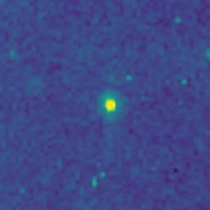
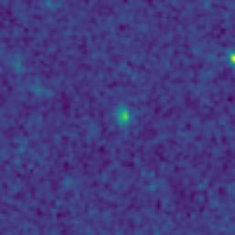
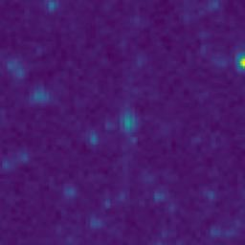
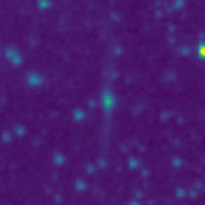
101.4471628_2.2637489_10150_0270_10






101.5779798_2.8545142_10150_0270_11






100.9992993_2.9361912_10150_0270_12




101.0177674_3.2457972_10150_0270_13






101.7508663_2.7223908_10150_0270_14






101.7205464_2.5503922_10150_0270_15






101.2694750_2.9408816_10150_0270_16






101.4613825_2.8667681_10150_0270_17






101.6316739_3.1260532_10150_0270_18



101.7809287_3.1650095_10150_0270_19






101.4309978_2.3688916_10150_0270_20






101.8623914_2.8355202_10150_0270_21






101.8926369_2.8564578_10150_0270_22






101.5869932_2.8851802_10150_0270_23






101.5257473_2.7957830_10150_0270_24






101.3489060_2.7769071_10150_0270_25






101.4571977_2.8392494_10150_0270_26






101.3237074_2.7939040_10150_0270_27






101.2065033_3.0625480_10150_0270_28






102.0380896_2.0966820_10150_0270_29






101.5978543_2.3024406_10150_0270_30






101.5198769_2.3082777_10150_0270_31






101.4391987_2.3761373_10150_0270_32






101.8698737_2.8526940_10150_0270_33






101.9133864_2.7320132_10150_0270_34






102.0388666_2.7414643_10150_0270_35






101.9837149_2.5186540_10150_0270_36






101.9672428_2.1988270_10150_0270_37






101.9561918_2.0836645_10150_0270_38






101.7574509_3.0867228_10150_0270_39






101.6549846_2.0755736_10150_0270_40






101.5732980_2.1469146_10150_0270_41






101.4762234_2.7105831_10150_0270_42



101.1889279_3.2613769_10150_0270_43



101.2346802_3.1977211_10150_0270_44






101.3333560_3.0085720_10150_0270_45






101.2432590_2.8860562_10150_0270_46






101.2112266_2.8523826_10150_0270_47






101.0469534_3.0411659_10150_0270_48






101.0169092_3.0473209_10150_0270_49






101.0568032_3.0330028_10150_0270_50






101.6899069_2.9827430_10150_0270_51

