Sheet1
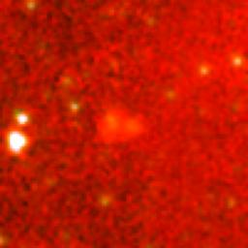
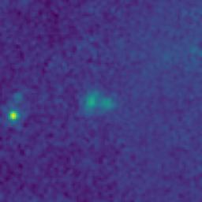
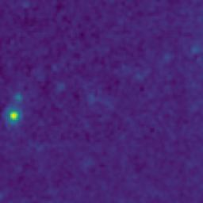
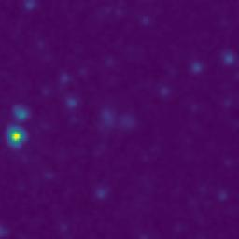
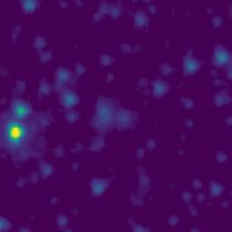
ID | RGB Image | 8-micron Filter | 5.8-micron Filter | 4.6-micron Filter | 3.5-micron Filter
103.9178183_2.5188450_10350_0270_1

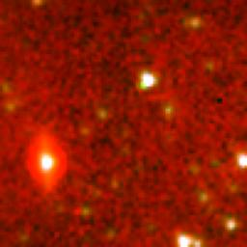
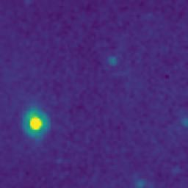
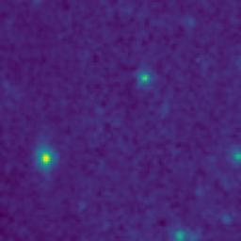
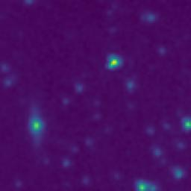
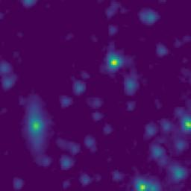
103.9082376_2.5638539_10350_0270_2

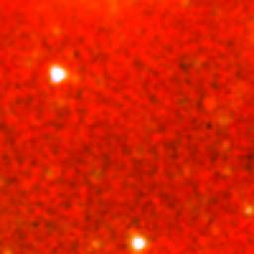
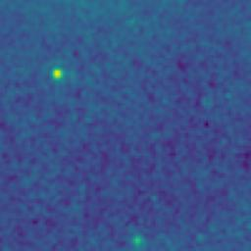
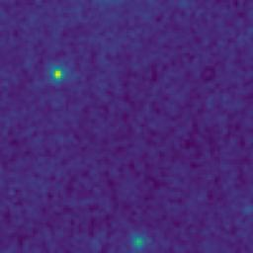
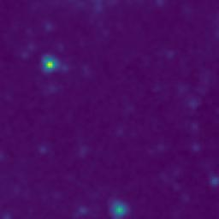
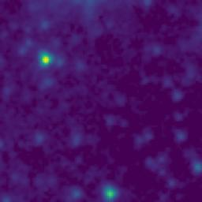
103.7385931_2.5746838_10350_0270_3

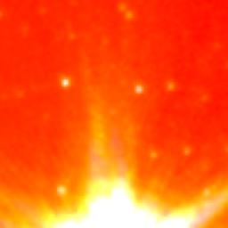
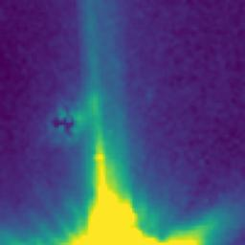
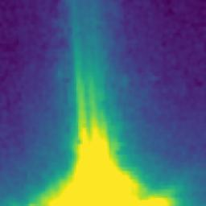
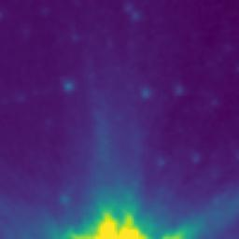
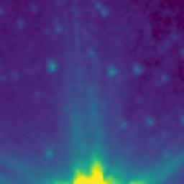
103.5859099_2.5762449_10350_0270_4

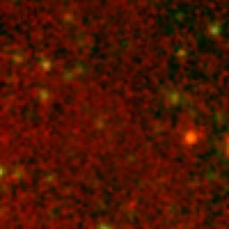
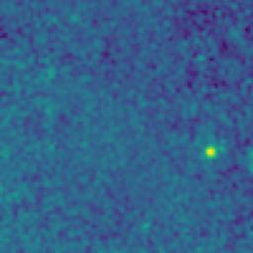
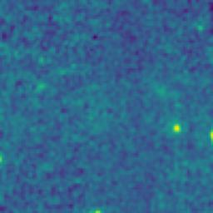
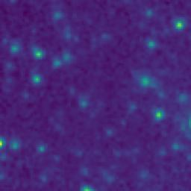
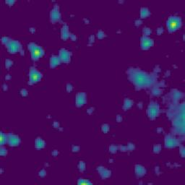
103.4285998_2.5747052_10350_0270_5

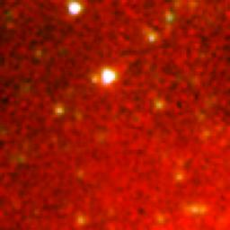
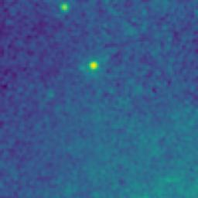
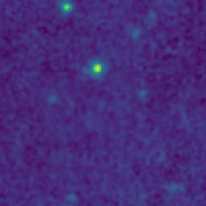
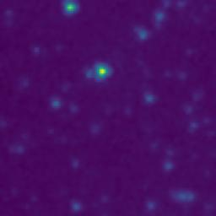
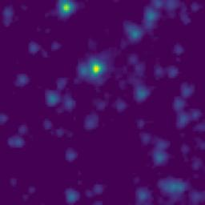
103.2620341_2.5854689_10350_0270_6

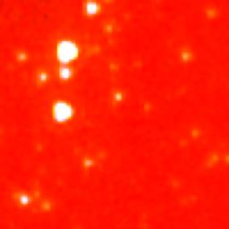
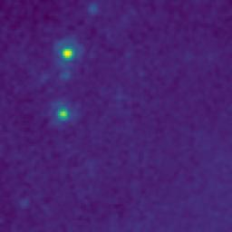
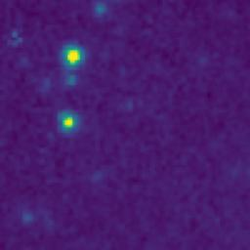
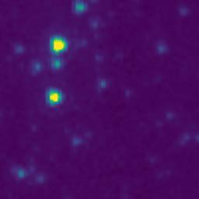
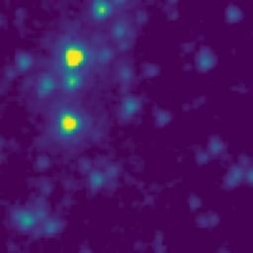
103.1108863_2.6023777_10350_0270_7

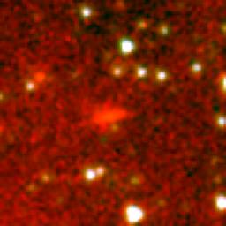
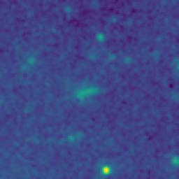
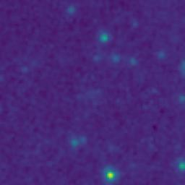
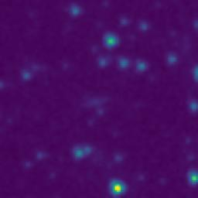
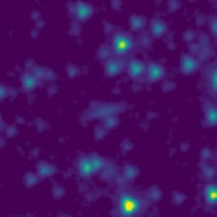
103.6343685_2.4225760_10350_0270_8

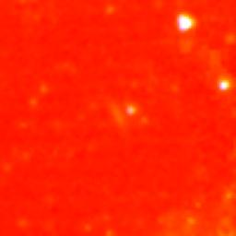
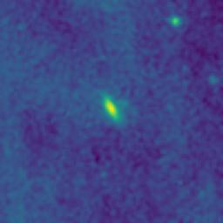
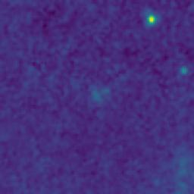
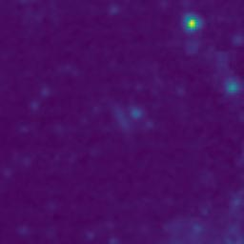
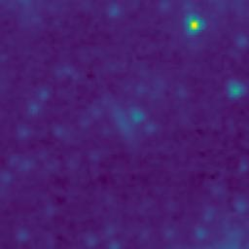
103.4809053_2.0820833_10350_0270_9

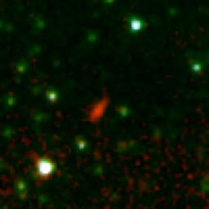
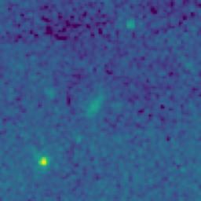
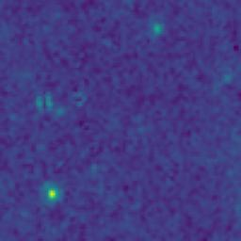
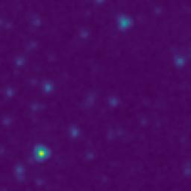
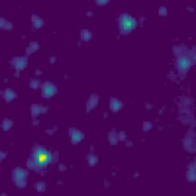
103.4600297_2.9820828_10350_0270_10




103.5343534_3.1002686_10350_0270_11






103.3787916_2.6050774_10350_0270_12






103.0767276_2.8510098_10350_0270_13






103.9538310_2.9069988_10350_0270_14






103.9964644_2.6917222_10350_0270_15






103.9177395_2.7750117_10350_0270_16






103.9869172_2.5999860_10350_0270_17






103.8564572_2.6253645_10350_0270_18






103.9136621_2.5613464_10350_0270_19






103.9626876_2.5001621_10350_0270_20






103.9507158_2.1566667_10350_0270_21






103.7960393_2.5383807_10350_0270_22






103.6980801_2.8651506_10350_0270_23






103.7218721_2.9328965_10350_0270_24






103.4396789_2.7805819_10350_0270_25






103.6031103_2.6512457_10350_0270_26






103.3899866_2.4187451_10350_0270_27






103.2901122_2.1483986_10350_0270_28






103.2739360_2.1422291_10350_0270_29






103.2697150_2.4148949_10350_0270_30






103.3000607_2.5014003_10350_0270_31






103.2311457_2.5755537_10350_0270_32






103.3177345_2.5650697_10350_0270_33






103.4018062_2.7179128_10350_0270_34






103.2863149_2.8777313_10350_0270_35






103.4480989_2.9357489_10350_0270_36






103.1514506_2.9762002_10350_0270_37






103.0159777_2.8716539_10350_0270_38






103.1264443_2.8876928_10350_0270_39






103.1362896_2.8895291_10350_0270_40






103.1095402_2.5225208_10350_0270_41






103.0947959_2.2126826_10350_0270_42






103.0761155_2.2138429_10350_0270_43






103.9184856_2.5188448_10350_0270_44






103.5658308_2.8410817_10350_0270_45






103.0069457_2.5116502_10350_0270_46






103.3983147_2.5689124_10350_0270_47



103.4548529_3.0685825_10350_0270_48






103.7052094_2.5907328_10350_0270_49






104.0303981_2.7289212_10350_0270_50






103.1031289_2.7425187_10350_0270_51






103.1213197_2.7318578_10350_0270_52






103.2342965_2.6625544_10350_0270_53






103.2294888_2.5240533_10350_0270_54






103.3729832_2.3090768_10350_0270_55

