Sheet1
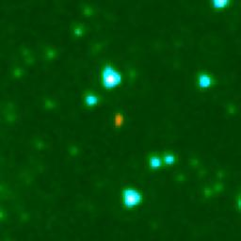
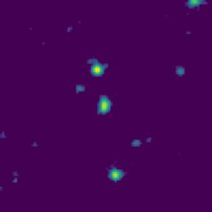
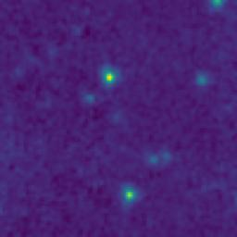
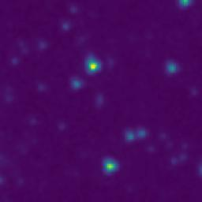
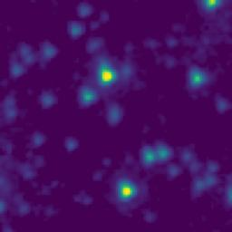
ID | RGB Image | 8-micron Filter | 5.8-micron Filter | 4.6-micron Filter | 3.5-micron Filter
104.8747710_1.9471803_10450_0145_1

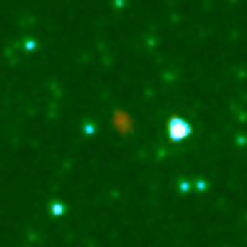
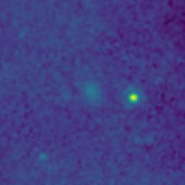
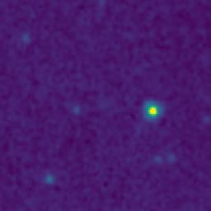
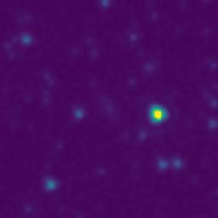
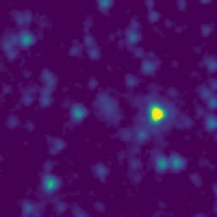
104.0695201_1.9894318_10450_0145_2

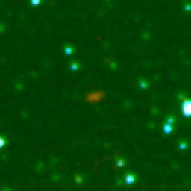
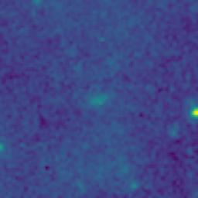
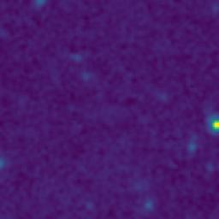
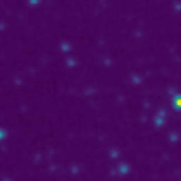
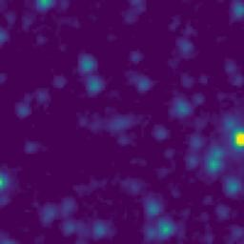
103.9853656_1.3372564_10450_0145_3

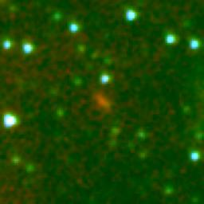
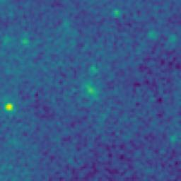
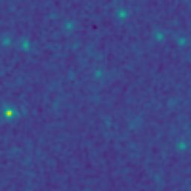
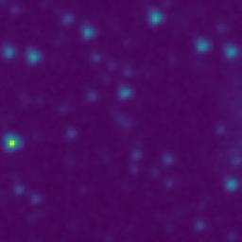
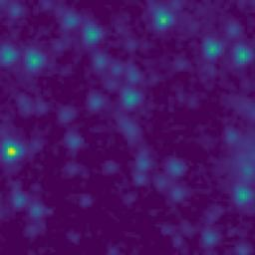
104.0930341_1.3333430_10450_0145_4

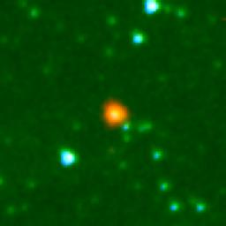
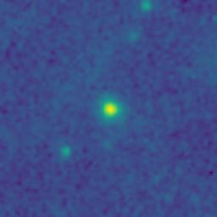
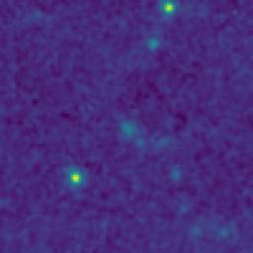
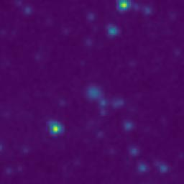
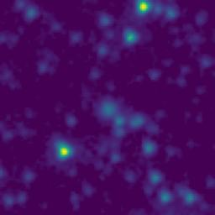
104.3578369_1.5539122_10450_0145_5

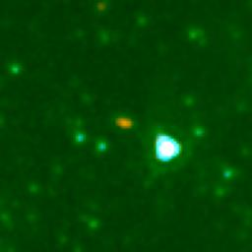
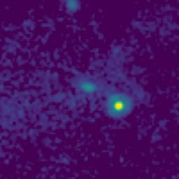
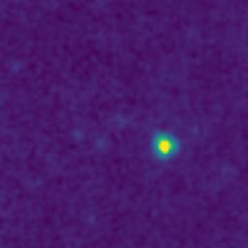
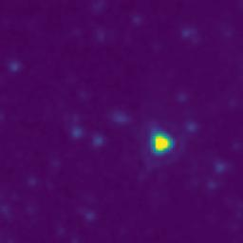
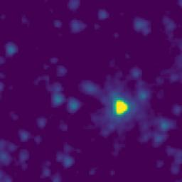
104.6244403_1.6596911_10450_0145_6

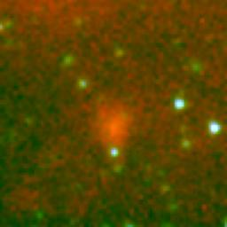
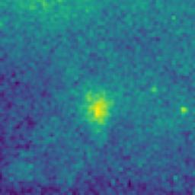
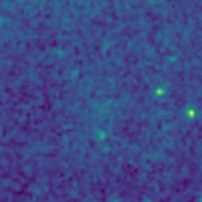
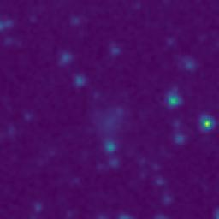
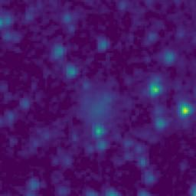
104.3659019_0.9739128_10450_0145_7

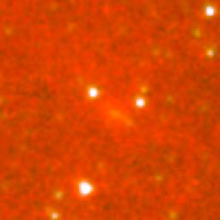
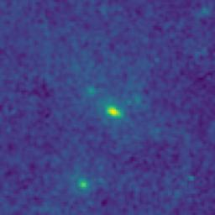
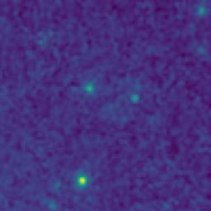
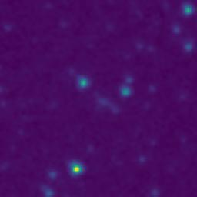
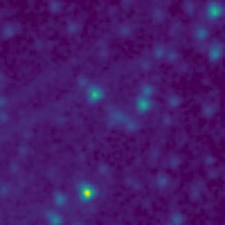
104.2161856_1.1324256_10450_0145_8

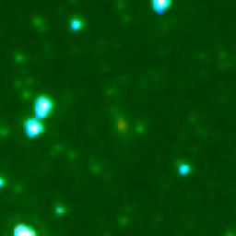

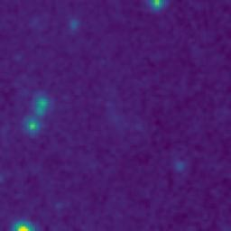
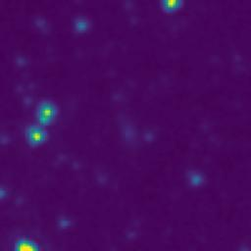
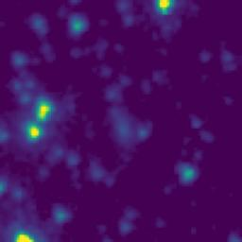
105.0365589_2.0288531_10450_0145_9

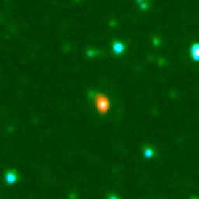
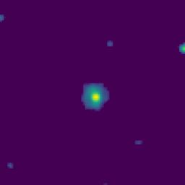
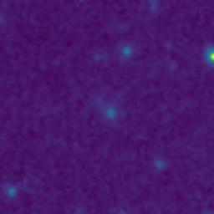
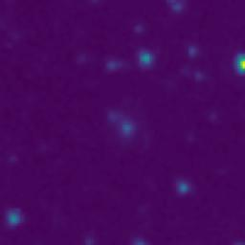
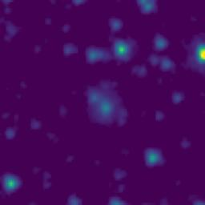
104.9765183_1.9998666_10450_0145_10

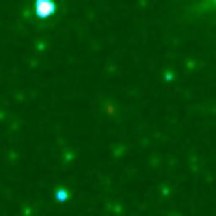




104.8948181_2.0712156_10450_0145_11






104.8901449_2.0492165_10450_0145_12






104.9016059_0.8520477_10450_0145_13






104.8807827_0.9197180_10450_0145_14






104.8337783_0.9170588_10450_0145_15






104.8584394_0.8683883_10450_0145_16






104.8214547_0.9927273_10450_0145_17






104.9369872_1.0902079_10450_0145_18






104.8347729_2.0068920_10450_0145_19






104.6550009_1.9552448_10450_0145_20






104.7263830_2.0560720_10450_0145_21






104.5689532_1.9242490_10450_0145_22






104.6087912_1.5819141_10450_0145_23






104.4674009_1.8224165_10450_0145_24






104.2169155_2.0667323_10450_0145_25






104.3458326_1.9602448_10450_0145_26






104.4275534_1.6589155_10450_0145_27






104.3508685_1.4560785_10450_0145_28






104.3868797_1.4644139_10450_0145_29






104.2955756_0.8105741_10450_0145_30






104.3535783_0.8032453_10450_0145_31






104.4812491_0.8385833_10450_0145_32






104.1915652_0.8582291_10450_0145_33






104.1885298_1.1142287_10450_0145_34






104.1504793_1.3987231_10450_0145_35






104.2034462_1.7720640_10450_0145_36






104.2295875_2.0857339_10450_0145_37






104.0218138_2.0010329_10450_0145_38






103.9745529_0.8565224_10450_0145_39






105.0081044_1.5616931_10450_0145_40






104.9910173_1.1888635_10450_0145_41






104.8345346_1.5230587_10450_0145_42






104.9237340_1.5302104_10450_0145_43






104.8010448_1.6888967_10450_0145_44






104.9501402_1.0110386_10450_0145_45






104.7592917_1.0889019_10450_0145_46






104.7788009_1.1385662_10450_0145_47






104.6986475_1.4562413_10450_0145_48






104.3500024_1.9460784_10450_0145_49






104.1667153_2.0932255_10450_0145_50






104.2124645_1.6608985_10450_0145_51






104.2784910_1.6692392_10450_0145_52






104.1470032_1.2387225_10450_0145_53






104.0075019_1.0991965_10450_0145_54






104.1965305_1.1192297_10450_0145_55






103.9944671_1.2456936_10450_0145_56






104.0943027_1.3608804_10450_0145_57






104.1032257_1.8147153_10450_0145_58






104.4409144_0.8107493_10450_0145_59






103.9550710_1.4688512_10450_0145_60

