Sheet1
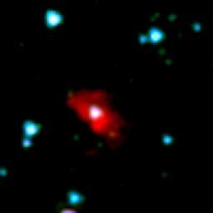
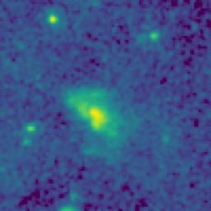
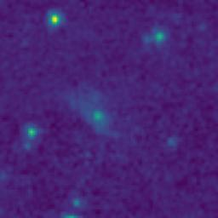
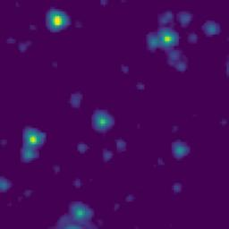
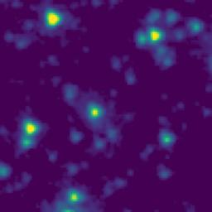
ID | RGB Image | 8-micron Filter | 5.8-micron Filter | 4.6-micron Filter | 3.5-micron Filter
104.6222320_2.8292439_10450_0270_1

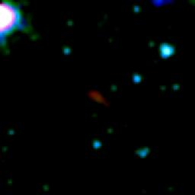
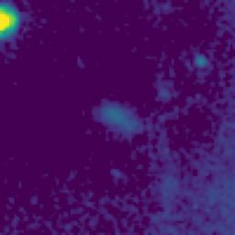
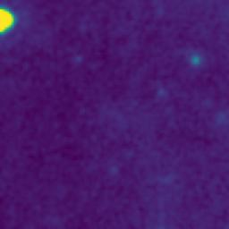
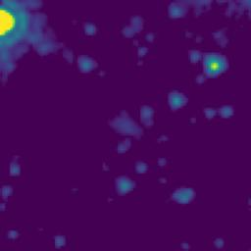
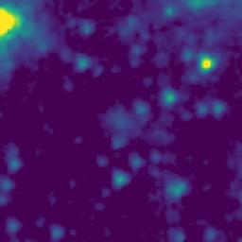
104.1658247_2.8978708_10450_0270_2

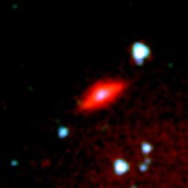
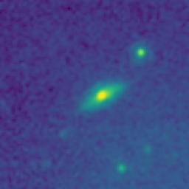
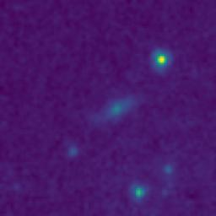
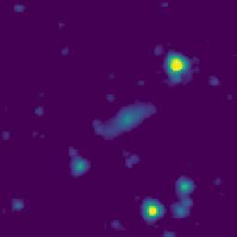
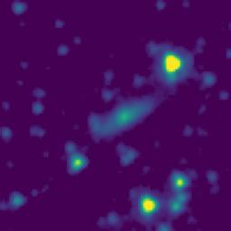
104.3341369_2.1779055_10450_0270_3

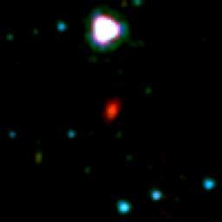
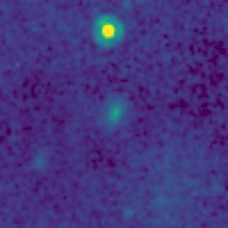
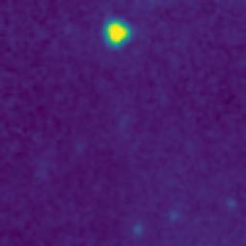
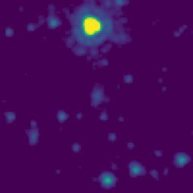
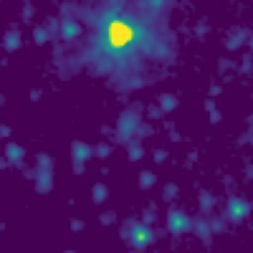
103.9965281_2.6911460_10450_0270_4

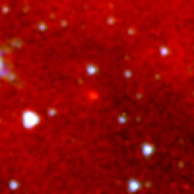
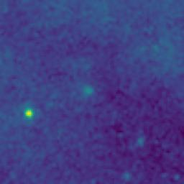
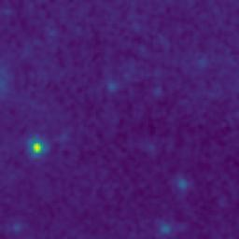
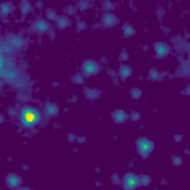
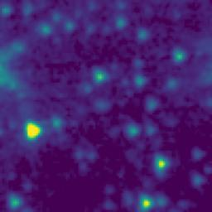
104.8796409_2.6021909_10450_0270_5

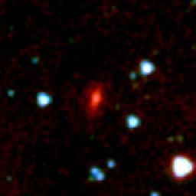
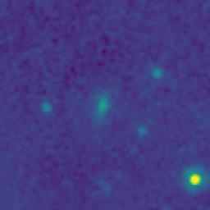
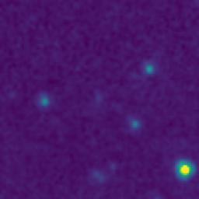
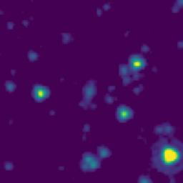
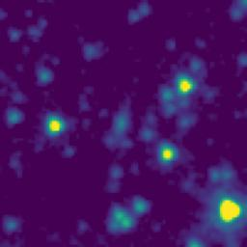
104.8264588_2.1278729_10450_0270_6

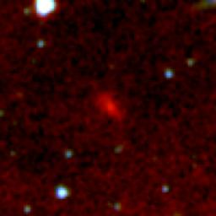
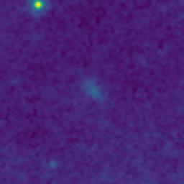
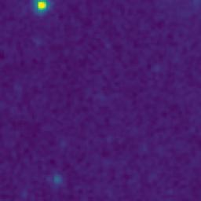
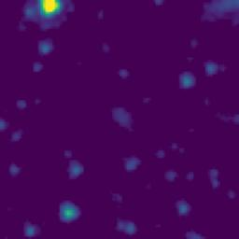
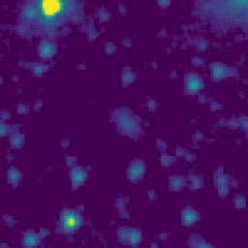
104.8949842_2.0710193_10450_0270_7

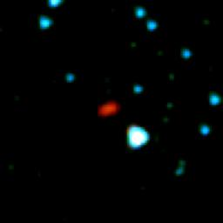
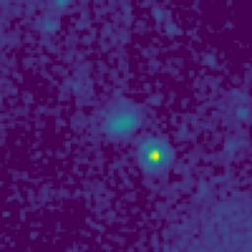
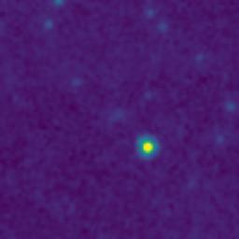
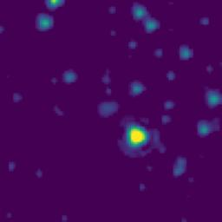
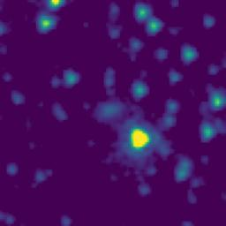
104.6527125_2.3787404_10450_0270_8

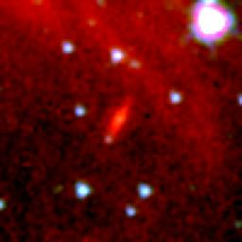
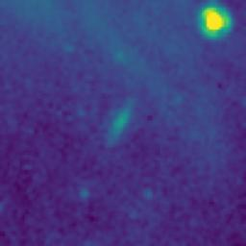
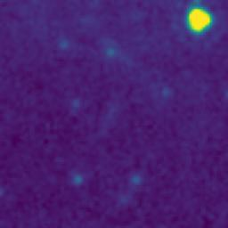
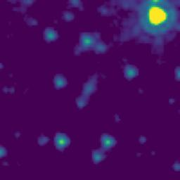
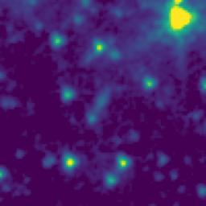
104.7985703_2.6545468_10450_0270_9


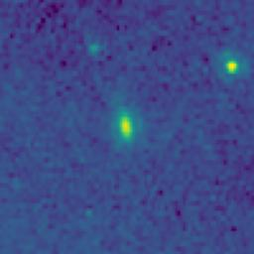
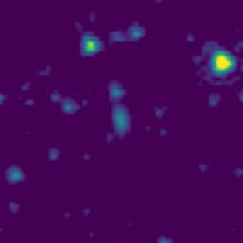
104.7331017_3.1850610_10450_0270_10

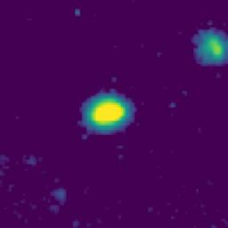
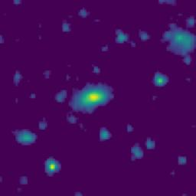
104.5526618_3.1630822_10450_0270_11

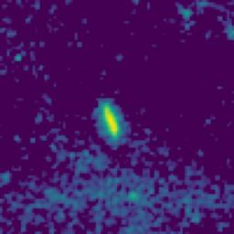

104.5763636_3.1599143_10450_0270_12






104.5523031_2.5830823_10450_0270_13






104.4763935_2.5459165_10450_0270_14






104.4291805_2.5429146_10450_0270_15






104.5482924_2.4185824_10450_0270_16






104.5124304_2.6905833_10450_0270_17



105.0090677_2.9053103_10450_0270_18

104.8796409_2.6021909_10450_0270_19






104.9138059_2.4936797_10450_0270_20






105.0049894_2.3278120_10450_0270_21

104.8264588_2.1278729_10450_0270_22






104.8276224_2.1137060_10450_0270_23

104.8949842_2.0710193_10450_0270_24






104.7359289_2.2720605_10450_0270_25






104.6527125_2.3787405_10450_0270_26






104.7526675_2.5572238_10450_0270_27






104.6680893_2.5989051_10450_0270_28

104.7985703_2.6545468_10450_0270_29



104.7577490_2.9178894_10450_0270_30






104.6649698_2.9700722_10450_0270_31

104.7331017_3.1850610_10450_0270_32

104.5526618_3.1630822_10450_0270_33

104.5763636_3.1599143_10450_0270_34






104.5897110_3.0805801_10450_0270_35






104.7505925_3.0120576_10450_0270_36






104.5374546_2.5830828_10450_0270_37






104.5523030_2.5830823_10450_0270_38

104.4763935_2.5459165_10450_0270_39






104.6325467_2.5427428_10450_0270_40






104.4291805_2.5429147_10450_0270_41

104.5482924_2.4185824_10450_0270_42






104.5748140_2.3909144_10450_0270_43






104.5933171_2.2244131_10450_0270_44






104.4195314_2.1349141_10450_0270_45






104.2831144_2.1103974_10450_0270_46






104.3661560_2.2035760_10450_0270_47






104.2541771_2.5352252_10450_0270_48






104.2439976_2.5487231_10450_0270_49






104.2925288_2.6467324_10450_0270_50






104.2598251_2.6575597_10450_0270_51






104.1995735_2.6041463_10450_0270_52






104.4129518_2.7224469_10450_0270_53






104.3504841_2.6990409_10450_0270_54






104.4224552_2.8363809_10450_0270_55






104.2462977_2.8789570_10450_0270_56






104.3419900_3.0943398_10450_0270_57






104.3660544_3.1262093_10450_0270_58






104.1355625_2.8653622_10450_0270_59






104.0893561_2.4177808_10450_0270_60






104.0849554_2.4085793_10450_0270_61






104.1313339_2.1728276_10450_0270_62






104.2174500_2.0671839_10450_0270_63






104.2294530_2.0855867_10450_0270_64






104.1060238_2.8713863_10450_0270_65






104.2463204_2.4506570_10450_0270_66






104.3425297_2.4074065_10450_0270_67






104.5339468_2.4300828_10450_0270_68






104.7057183_2.1477327_10450_0270_69






104.1012388_2.4006847_10450_0270_70






104.5115936_2.4249167_10450_0270_71






104.6106814_2.4279117_10450_0270_72






104.1662126_2.0932043_10450_0270_73






104.1877908_2.4892100_10450_0270_74






104.0308850_2.7283264_10450_0270_75






104.2366162_2.7373882_10450_0270_76






104.4990826_2.3614167_10450_0270_77






104.6071806_2.4532453_10450_0270_78






104.3720765_2.9994100_10450_0270_79






103.9867223_2.6001419_10450_0270_80






104.1206634_2.1618576_10450_0270_81






103.9507189_2.1566261_10450_0270_82






104.7858289_3.1040498_10450_0270_83






104.8285499_3.0770391_10450_0270_84






104.6455414_2.3924080_10450_0270_85






104.6177335_2.9010777_10450_0270_86






104.9874812_2.7583191_10450_0270_87






104.7870153_2.4742162_10450_0270_88

