Sheet1
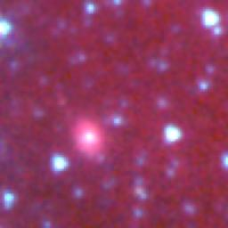
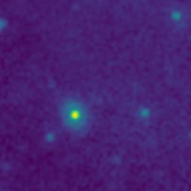
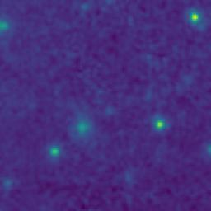
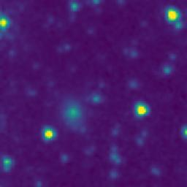
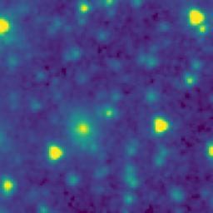
ID | RGB Image | 8-micron Filter | 5.8-micron Filter | 4.6-micron Filter | 3.5-micron Filter
105.4820825_0.8167500_10550_0020_1

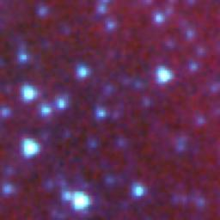
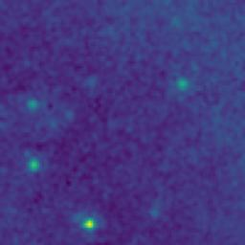
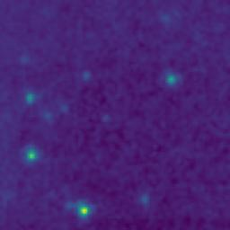
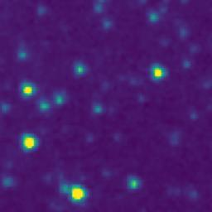
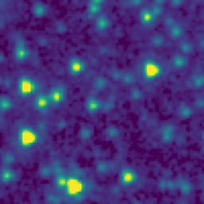
106.0296045_0.7570748_10550_0020_2

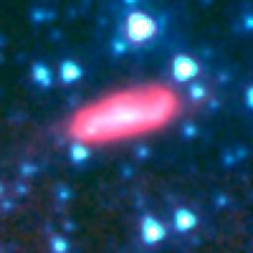
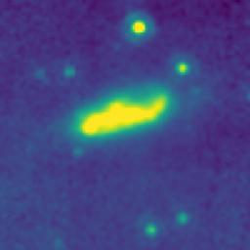
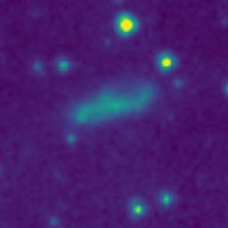
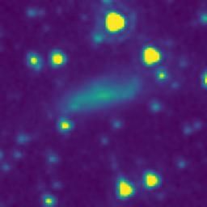
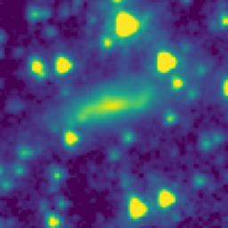
105.7059157_0.0210821_10550_0020_3

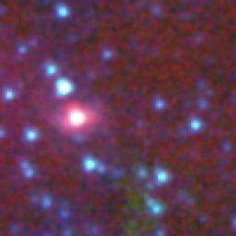
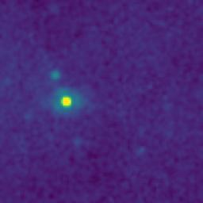
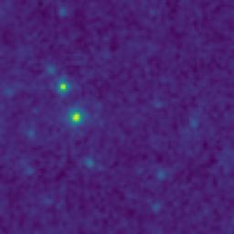
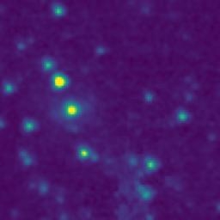
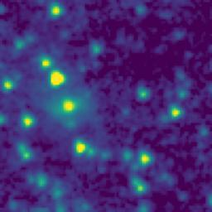
105.2960797_0.3884154_10550_0020_4

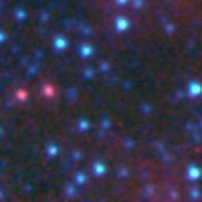
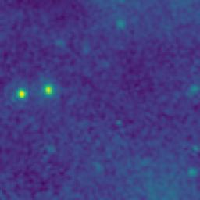
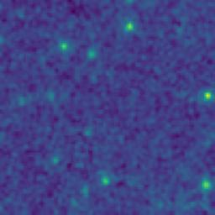
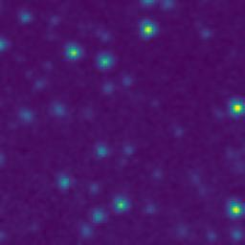
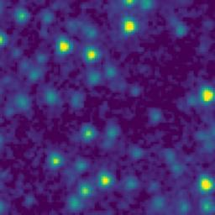
105.9819209_0.2432429_10550_0020_5

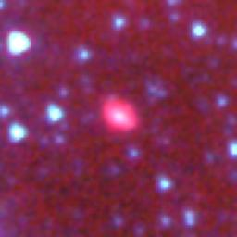
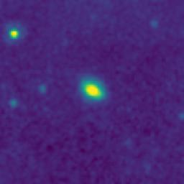
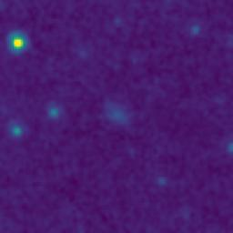
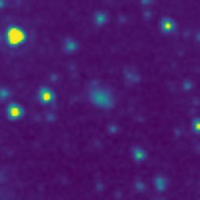
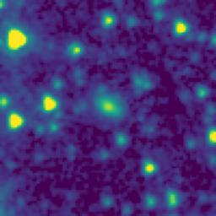
105.6047547_0.8384163_10550_0020_6

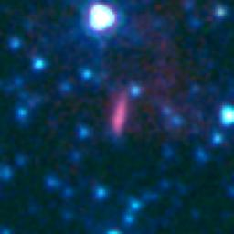
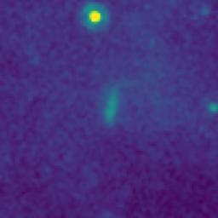
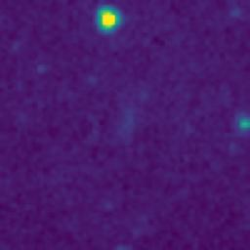
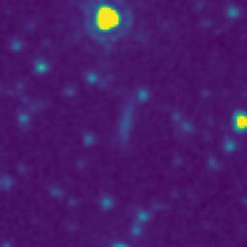
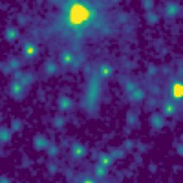
105.4984167_0.0687500_10550_0020_7

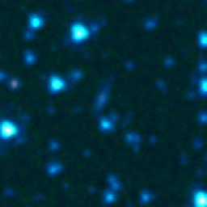
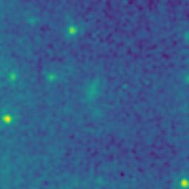
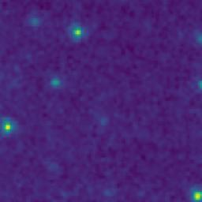
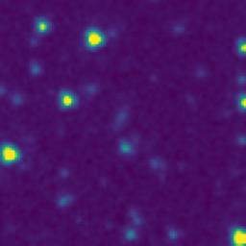
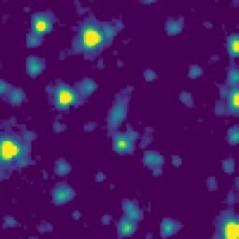
105.4277501_0.0794165_10550_0020_8

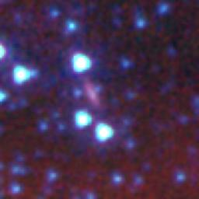
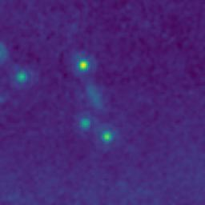
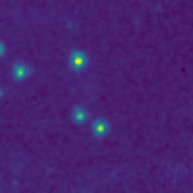
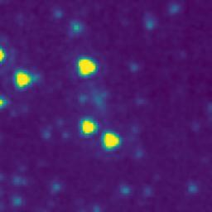
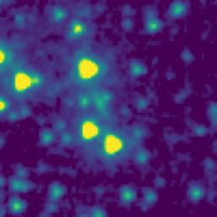
105.1981641_0.6386259_10550_0020_9

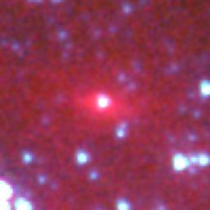
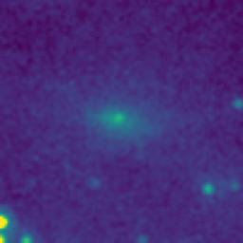
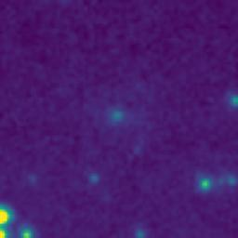
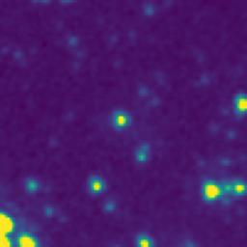
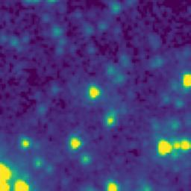
105.8322203_0.6107333_10550_0020_10






106.0287724_0.7960748_10550_0020_11






105.9339351_0.7960776_10550_0020_12






105.9727592_0.7402849_10550_0020_13






106.0419751_0.7472272_10550_0020_14






105.9338691_0.7516285_10550_0020_15






105.9273874_0.7560268_10550_0020_16






105.9929238_0.3392426_10550_0020_17






105.7062490_0.0222487_10550_0020_18






105.7364186_0.2367483_10550_0020_19






105.7977563_0.4487473_10550_0020_20






105.6057528_0.5339163_10550_0020_21






105.6185861_0.4862496_10550_0020_22






105.8562640_0.7430795_10550_0020_23

105.6047547_0.8384163_10550_0020_24






105.4839160_0.8152500_10550_0020_25






105.6207551_0.8000829_10550_0020_26






105.5130838_0.6707500_10550_0020_27






105.5319176_0.5567500_10550_0020_28






105.5240841_0.6047500_10550_0020_29






105.4732496_0.3519166_10550_0020_30






105.4365838_-0.0332501_10550_0020_31






105.3889170_0.0470830_10550_0020_32

105.4984167_0.0687500_10550_0020_33






105.4277499_0.1277498_10550_0020_34






105.3647485_0.2809161_10550_0020_35






105.2984131_0.3884154_10550_0020_36






105.3749015_0.4830706_10550_0020_37






105.2675763_0.5982484_10550_0020_38






105.2842428_0.6497486_10550_0020_39






105.3760782_0.7864162_10550_0020_40






105.4372473_0.8130832_10550_0020_41






105.2904077_0.8015820_10550_0020_42






105.1085860_-0.0124213_10550_0020_43






105.0619031_0.6087441_10550_0020_44






105.0612332_0.7272441_10550_0020_45






105.4472489_0.4460832_10550_0020_46






105.7475907_0.5892481_10550_0020_47






105.2143821_0.0171942_10550_0020_48






105.5711048_0.4856490_10550_0020_49

