Sheet1
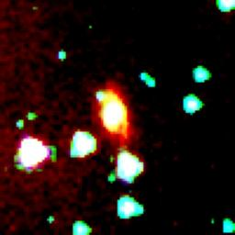
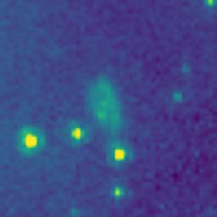
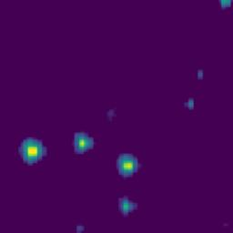
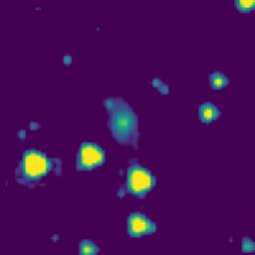
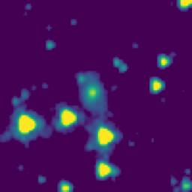
ID | RGB Image | 8-micron Filter | 5.8-micron Filter | 4.6-micron Filter | 3.5-micron Filter
102.9370469_0.6842495_10250_0020_1

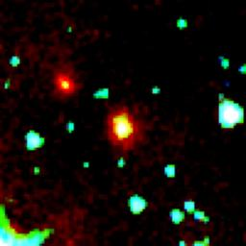
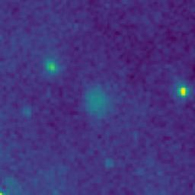

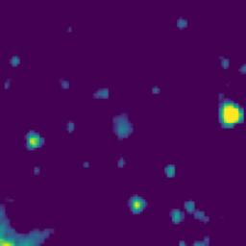
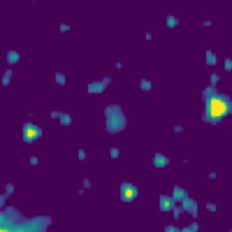
102.7656075_0.3486943_10250_0020_2

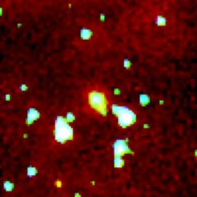
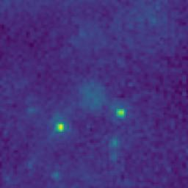
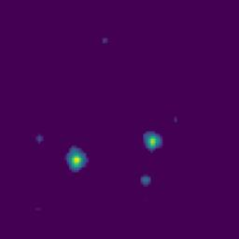
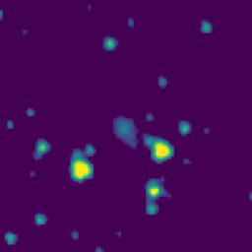
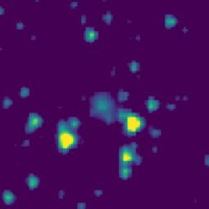
103.0281882_0.2962455_10250_0020_3

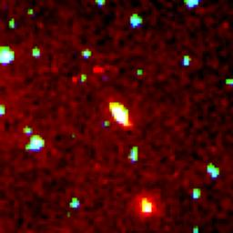
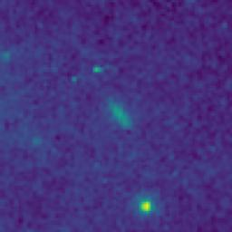


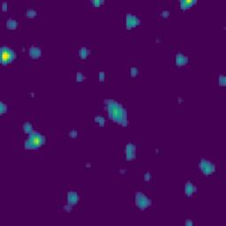
102.9800883_0.1782603_10250_0020_4

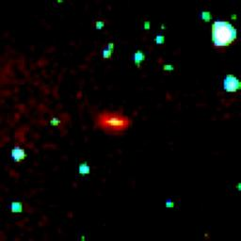
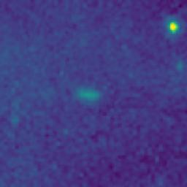

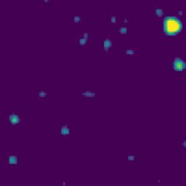
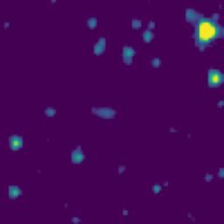
102.4223663_0.3171058_10250_0020_5

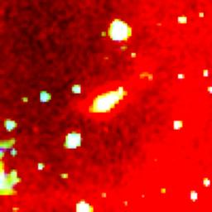
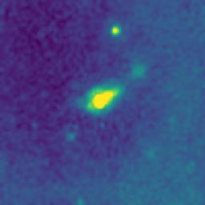

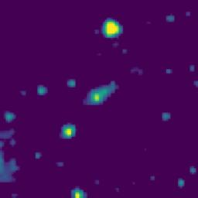
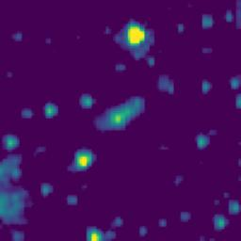
102.9840967_0.5525762_10250_0020_6

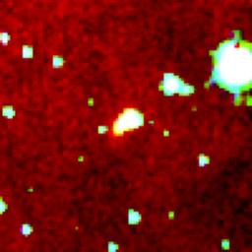
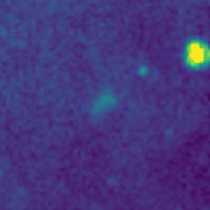
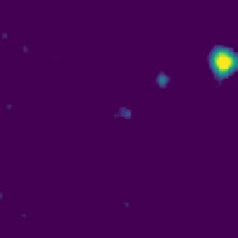
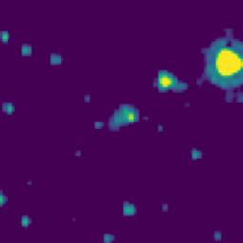
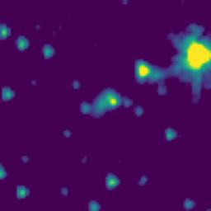
102.9580943_0.4942436_10250_0020_7

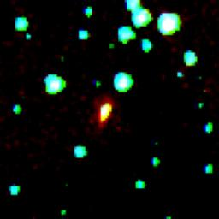
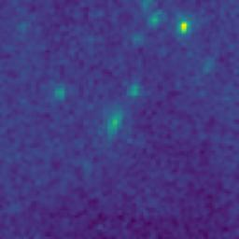

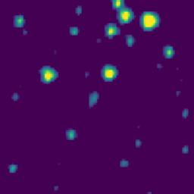
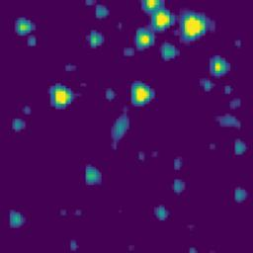
102.9099214_0.2915782_10250_0020_8

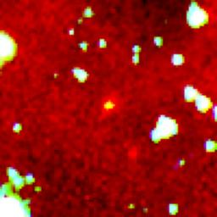
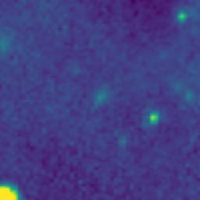

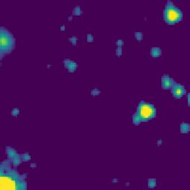
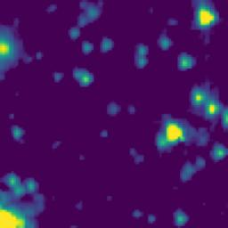
102.8749226_0.3580790_10250_0020_9

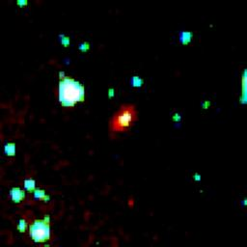
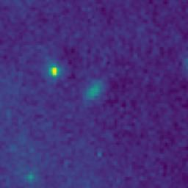

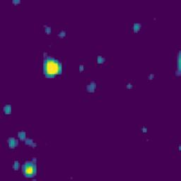
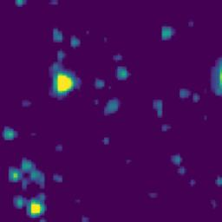
102.7549205_0.3472147_10250_0020_10

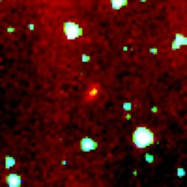
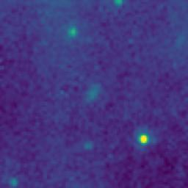
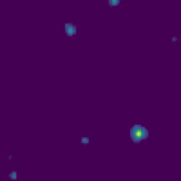
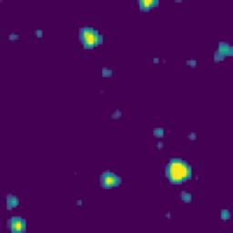
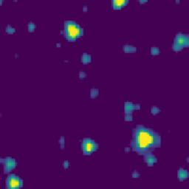
102.6302829_0.0458828_10250_0020_11

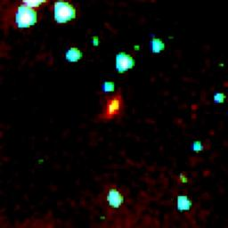
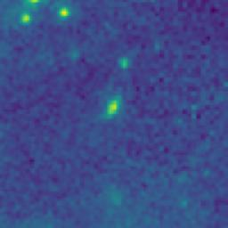
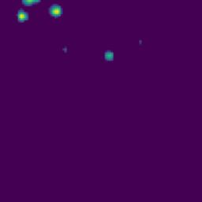


102.6207184_0.3326496_10250_0020_12






102.1178002_0.8076055_10250_0020_13






102.9531795_0.7753987_10250_0020_14






103.0139373_0.7594086_10250_0020_15






103.0082707_0.7677421_10250_0020_16






102.8464243_0.4612463_10250_0020_17






102.9887513_0.1452427_10250_0020_18






102.7357506_0.1450816_10250_0020_19






102.5944209_0.8429164_10250_0020_20






102.6284775_0.1977494_10250_0020_21






102.6088207_0.2618794_10250_0020_22






102.3072053_0.6480353_10250_0020_23






102.2902411_0.7899153_10250_0020_24






102.9406022_0.8079108_10250_0020_25






102.9851264_0.4775254_10250_0020_26






103.0079147_0.4893950_10250_0020_27






102.8132253_0.3116171_10250_0020_28






102.5757850_0.4734031_10250_0020_29






102.2203606_0.5847606_10250_0020_30






103.0078331_0.6238081_10250_0020_31






102.5090833_-0.0044167_10250_0020_32






103.0009314_0.5847422_10250_0020_33






102.8169608_0.3111770_10250_0020_34

102.8170056_0.3112443_10250_0020_35

