Sheet1
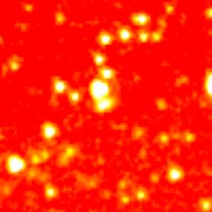
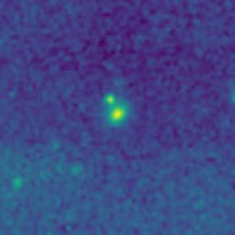

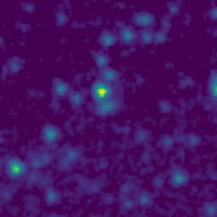
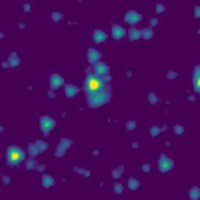
ID | RGB Image | 8-micron Filter | 5.8-micron Filter | 4.6-micron Filter | 3.5-micron Filter
102.6568729_2.3029066_10250_0270_1

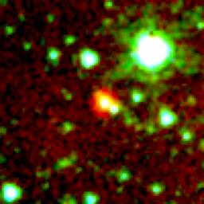
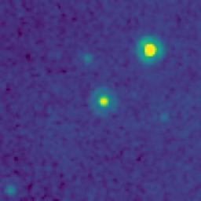
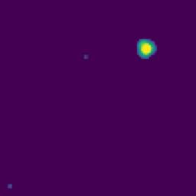
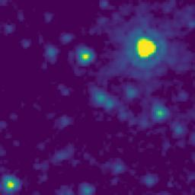
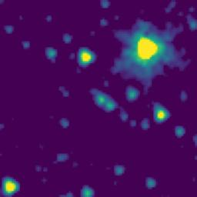
102.0841722_3.0398457_10250_0270_2

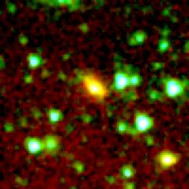
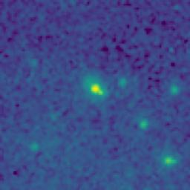

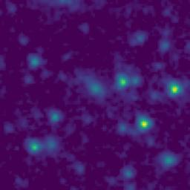
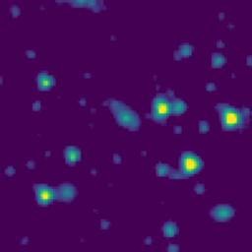
102.0832148_2.9978064_10250_0270_3

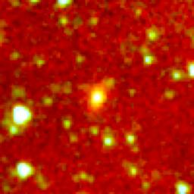
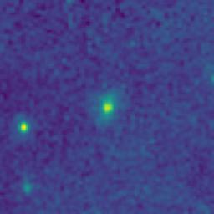

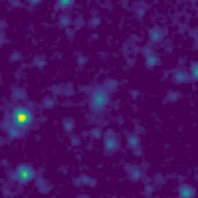
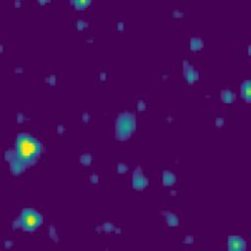
102.0388892_2.7411627_10250_0270_4

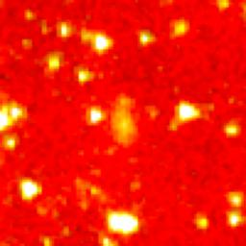
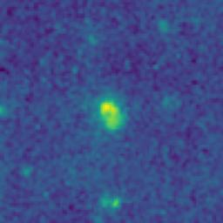

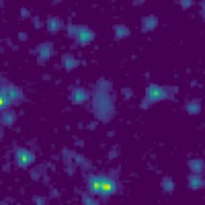
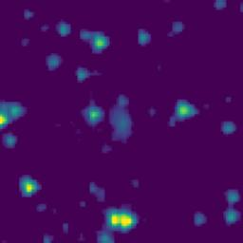
102.1304220_2.4290273_10250_0270_5

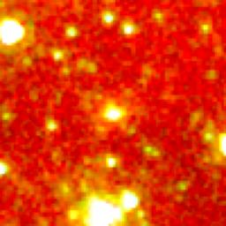
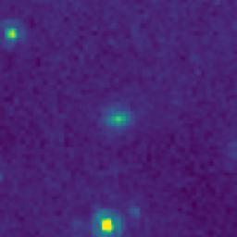
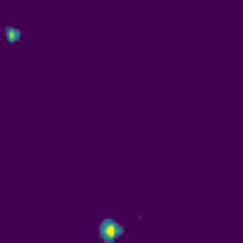
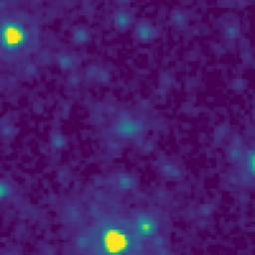
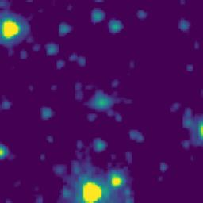
102.0757232_2.3823428_10250_0270_6

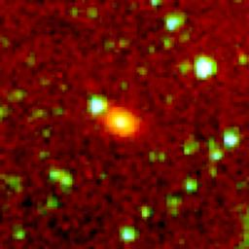
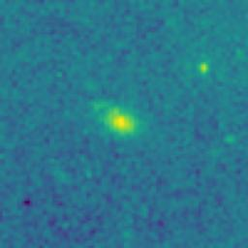

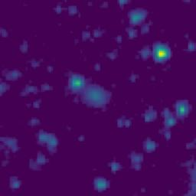
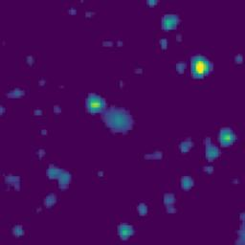
101.9672113_2.1989667_10250_0270_7

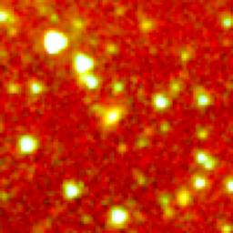
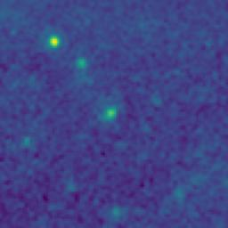

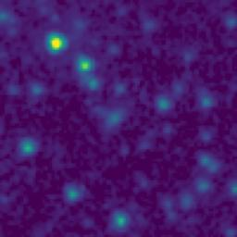
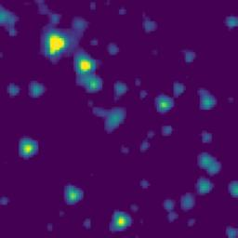
102.7483869_2.8360581_10250_0270_8

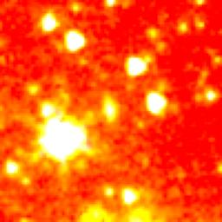
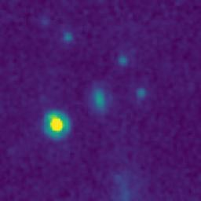
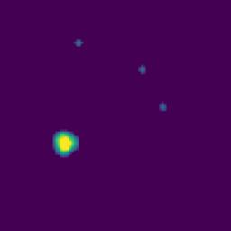
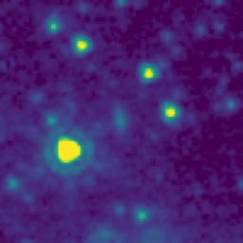
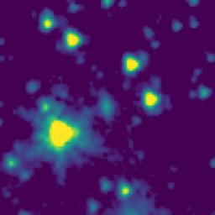
102.7559663_2.3773898_10250_0270_9

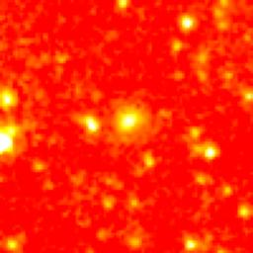
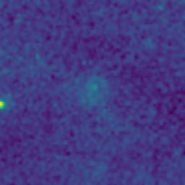

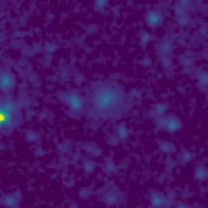
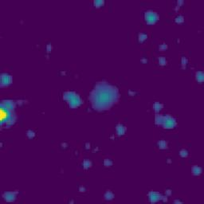
102.7416072_2.3088927_10250_0270_10

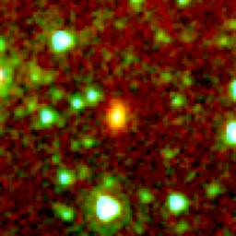
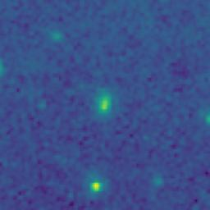

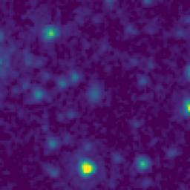
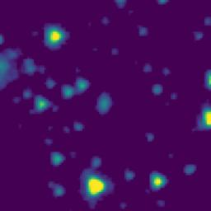
102.2719742_2.8207287_10250_0270_11

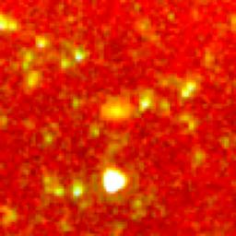
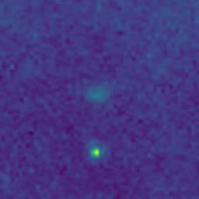

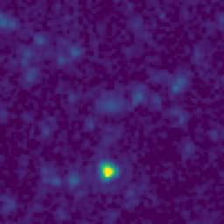

102.2559255_2.1358922_10250_0270_12






102.5345777_2.7457266_10250_0270_13






101.9924036_2.3719843_10250_0270_14






102.1823398_2.1759308_10250_0270_15






102.8540590_2.4111986_10250_0270_16






103.0051831_2.3924786_10250_0270_17






102.8400597_2.4575359_10250_0270_18






102.8507429_2.4811995_10250_0270_19






102.5744952_2.6314144_10250_0270_20






102.8094931_2.3052107_10250_0270_21




102.2716076_3.1187873_10250_0270_22





103.0162295_2.8721406_10250_0270_23






102.8838975_2.8731895_10250_0270_24






102.9399764_2.8970039_10250_0270_25






102.8164153_2.6258756_10250_0270_26






103.0067339_2.5111446_10250_0270_27






102.7911395_2.2805486_10250_0270_28






102.9419287_2.3001698_10250_0270_29






102.7255856_2.2605625_10250_0270_30





102.7334492_2.3873943_10250_0270_31






102.6619473_2.8319059_10250_0270_32






102.6728024_2.8917378_10250_0270_33






102.6108955_2.9450783_10250_0270_34






102.6062167_2.8764121_10250_0270_35






102.8099964_2.9703773_10250_0270_36






102.5040891_3.0614167_10250_0270_37






102.6401070_3.0019087_10250_0270_38






102.5755107_2.8637477_10250_0270_39






102.4775652_2.3349165_10250_0270_40






102.6506275_2.1542685_10250_0270_41






102.5626228_2.1172484_10250_0270_42






102.5140926_2.1497500_10250_0270_43






102.3789937_2.2504107_10250_0270_44






102.3584056_2.8769085_10250_0270_45




102.2789335_3.0912300_10250_0270_46






102.2370846_2.8860550_10250_0270_47






102.1718253_2.9238725_10250_0270_48






102.2224926_2.4777184_10250_0270_49






102.2695945_2.1705616_10250_0270_50






102.1833673_2.1797089_10250_0270_51





102.0869552_2.7086800_10250_0270_52






102.0296212_2.9756592_10250_0270_53






102.0381330_2.0968291_10250_0270_54



102.6217566_3.0810773_10250_0270_55






102.4868983_3.0562500_10250_0270_56






102.7760476_2.6608854_10250_0270_57

