Sheet1
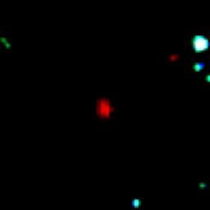
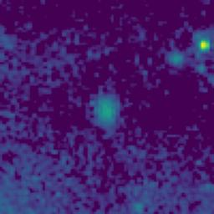


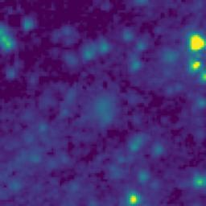
ID | RGB Image | 8-micron Filter | 5.8-micron Filter | 4.6-micron Filter | 3.5-micron Filter
105.9540031_1.9873711_10550_0145_1

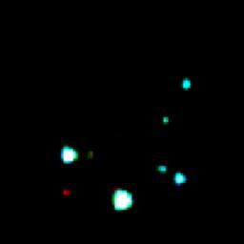

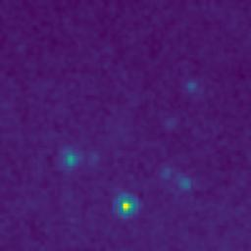
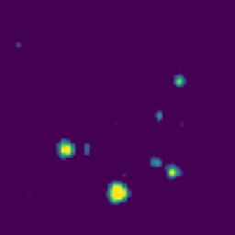
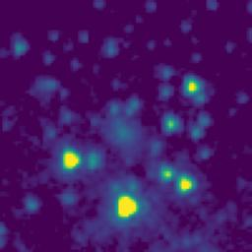
105.7752194_1.8444000_10550_0145_2


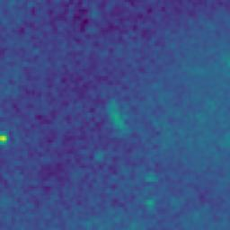
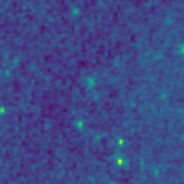

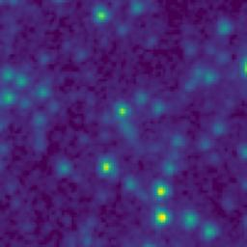
105.8380111_1.3577247_10550_0145_3

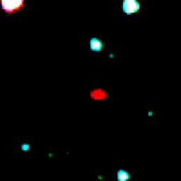

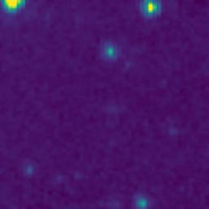

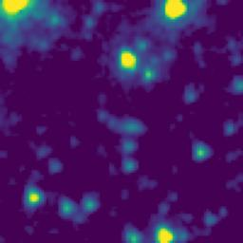
106.0203572_1.9163569_10550_0145_4

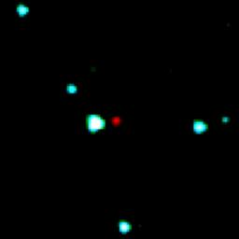
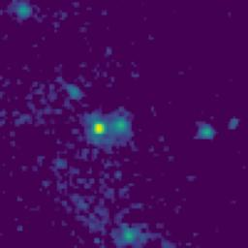
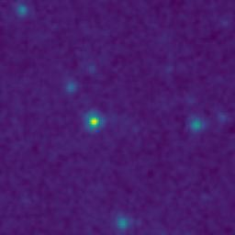
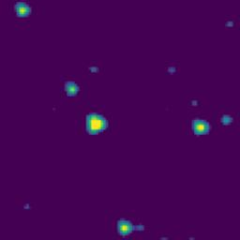
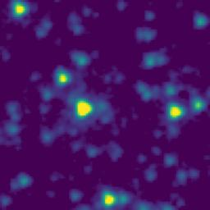
105.4925798_1.7862500_10550_0145_5

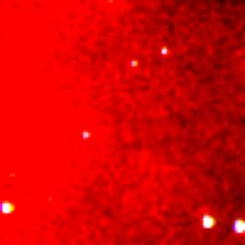
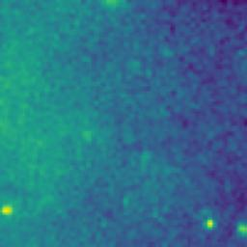
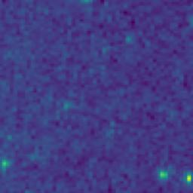

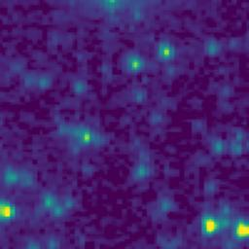
106.0249276_1.0354714_10550_0145_6

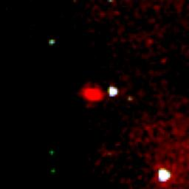
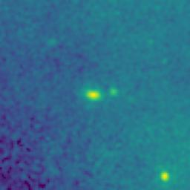
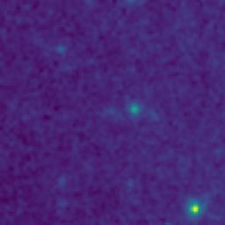
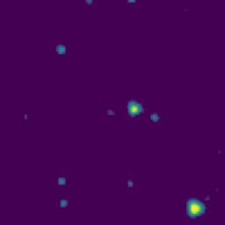
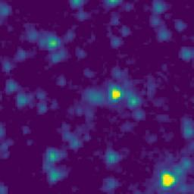
105.3902834_0.9991541_10550_0145_7

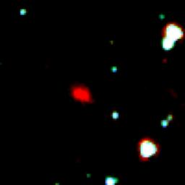
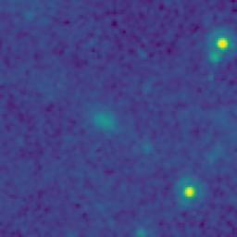
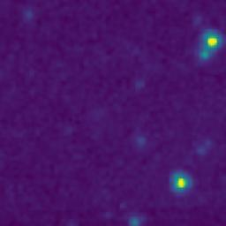
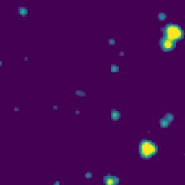
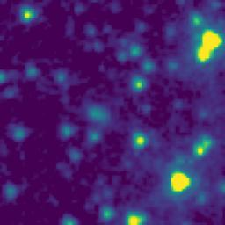
105.2071823_1.2588261_10550_0145_8

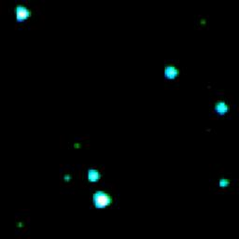

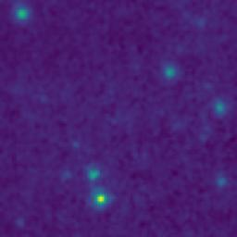
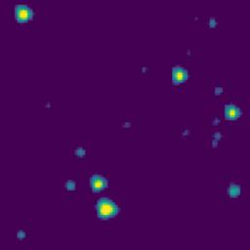
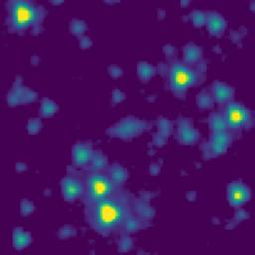
105.1965085_2.0789630_10550_0145_9

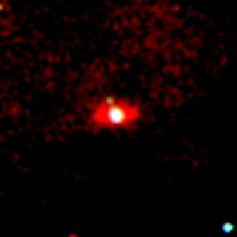
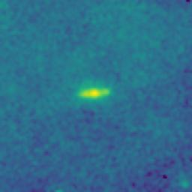
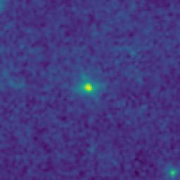
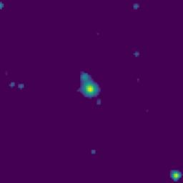
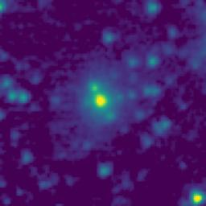
105.0641002_1.6416481_10550_0145_10

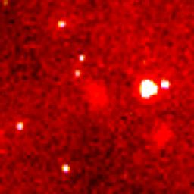
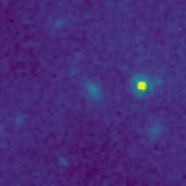
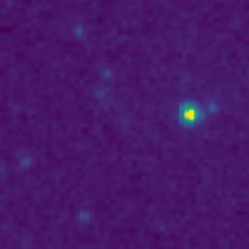
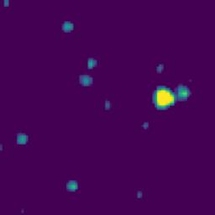
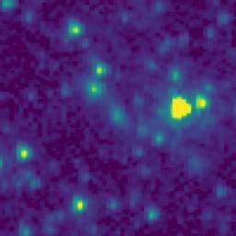
105.9942496_1.4866961_10550_0145_11

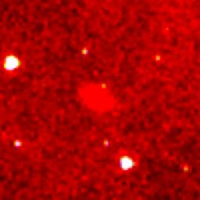
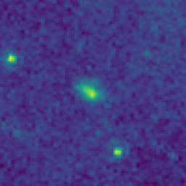
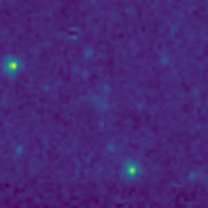
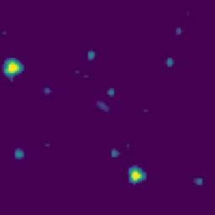

105.9348692_1.3457083_10550_0145_12






106.0366351_0.9435198_10550_0145_13






105.9429501_0.8957067_10550_0145_14






105.8490145_1.3598898_10550_0145_15






105.8573619_1.4342219_10550_0145_16






105.8237443_1.8508936_10550_0145_17






105.8507568_1.8450562_10550_0145_18






105.7810731_1.9850659_10550_0145_19






105.7480282_1.7427365_10550_0145_20






105.6483053_1.5699119_10550_0145_21






105.7137919_1.1690733_10550_0145_22






105.4370809_0.8132492_10550_0145_23






105.5169175_0.8409167_10550_0145_24






105.5160925_2.0115833_10550_0145_25






105.3887357_1.0152473_10550_0145_26






105.1843419_1.2615614_10550_0145_27






105.0830889_1.9804483_10550_0145_28






105.0363164_2.0283693_10550_0145_29






105.4854092_1.8880833_10550_0145_30






105.9729026_1.4557007_10550_0145_31






105.8778701_1.4447185_10550_0145_32






105.9099247_1.6898796_10550_0145_33






105.8557620_1.8622221_10550_0145_34






105.9622024_1.3080362_10550_0145_35






105.9743623_1.2608670_10550_0145_36






106.0048479_1.1640271_10550_0145_37






106.0241868_1.1718561_10550_0145_38






105.8660707_1.6777205_10550_0145_39






105.8065407_1.6408960_10550_0145_40






105.8048636_1.5688962_10550_0145_41






105.8445458_1.5735572_10550_0145_42






105.6846464_1.4980759_10550_0145_43






105.8940503_1.4928824_10550_0145_44






105.8043506_1.4735629_10550_0145_45






105.6434554_1.3357455_10550_0145_46






105.8284472_0.9353929_10550_0145_47






105.6045886_0.8384143_10550_0145_48






105.4835827_0.8149167_10550_0145_49






105.4955827_1.0355834_10550_0145_50






105.5022504_1.1400834_10550_0145_51






105.4472342_1.4049161_10550_0145_52






105.4337282_1.4690824_10550_0145_53






105.3811952_1.7685803_10550_0145_54






105.4122002_2.0085817_10550_0145_55






105.2126023_1.8887318_10550_0145_56






105.3089975_1.7419087_10550_0145_57






105.1638048_1.4785584_10550_0145_58






105.2573597_1.2567371_10550_0145_59






105.2080145_1.2583979_10550_0145_60






105.3445516_1.1869114_10550_0145_61






105.2693817_1.0679050_10550_0145_62






105.1196656_1.2273848_10550_0145_63






105.0744771_1.2900434_10550_0145_64






105.4207402_1.0037487_10550_0145_65

