Sheet1
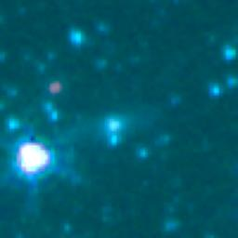
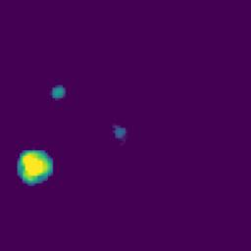
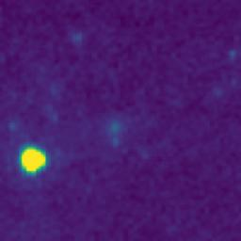
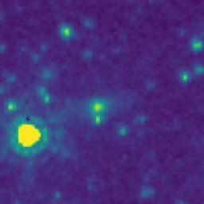

ID | RGB Image | 8-micron Filter | 5.8-micron Filter | 4.6-micron Filter | 3.5-micron Filter
101.0166378_3.0476406_10050_0270_1

