Sheet1
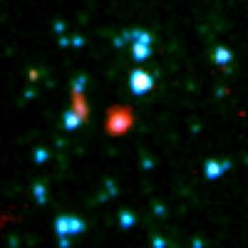
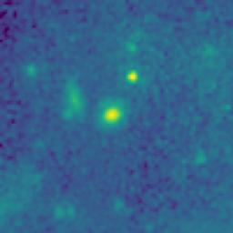

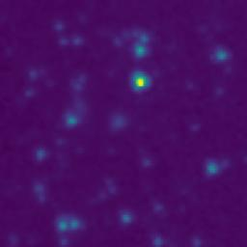
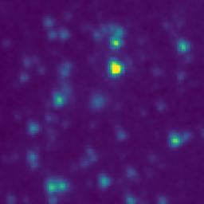
ID | RGB Image | 8-micron Filter | 5.8-micron Filter | 4.6-micron Filter | 3.5-micron Filter
103.7956050_1.4825481_10350_0145_1

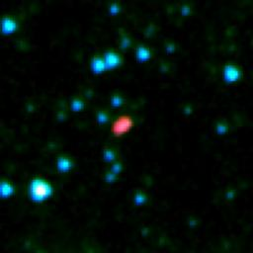
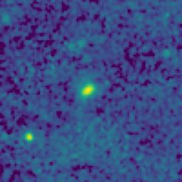


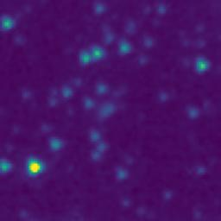
103.3369027_0.9174108_10350_0145_2

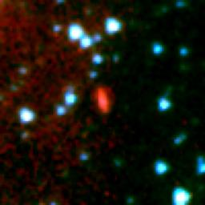
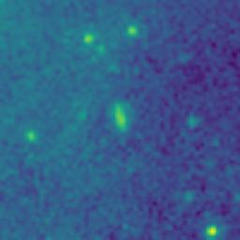
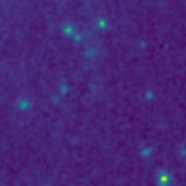
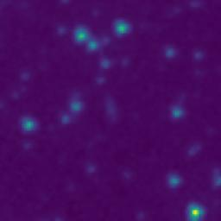
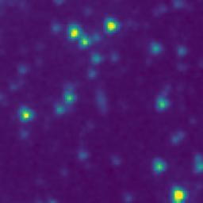
104.0186289_1.6515240_10350_0145_3


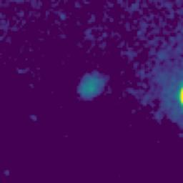
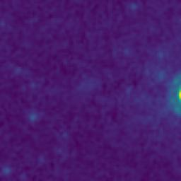
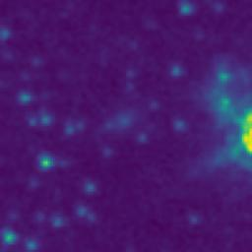
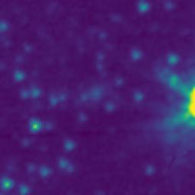
103.7587934_1.1047352_10350_0145_4

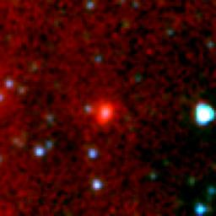
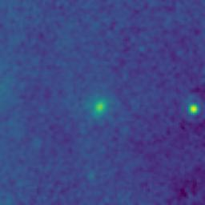
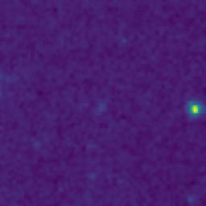
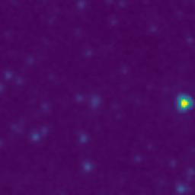
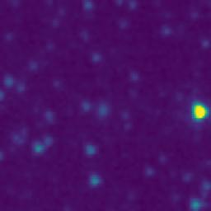
103.6357573_0.8474127_10350_0145_5

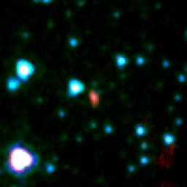
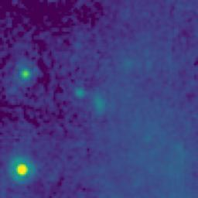
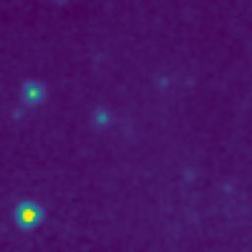
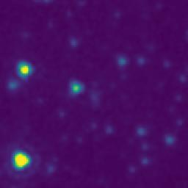
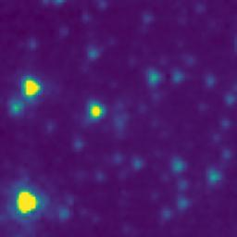
103.6306068_1.1315796_10350_0145_6

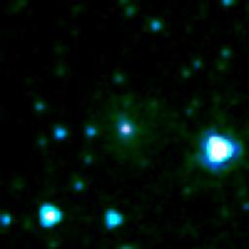
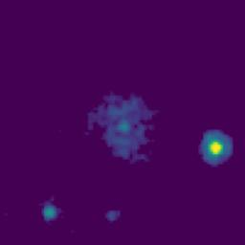
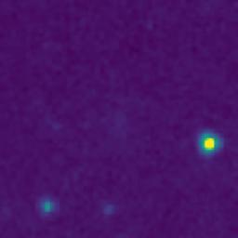
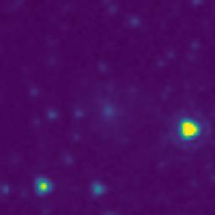
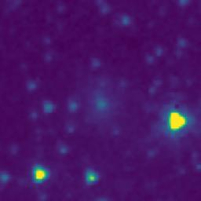
103.6247822_1.3094133_10350_0145_7

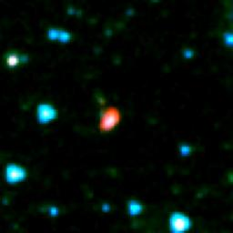
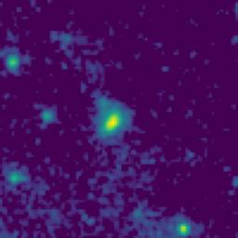
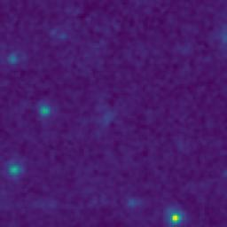
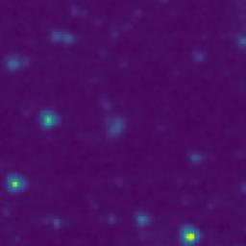
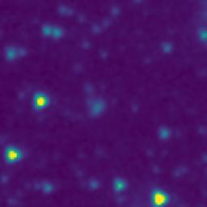
103.5912764_1.3790816_10350_0145_8

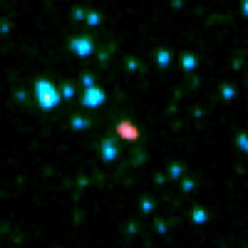
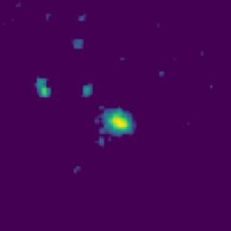
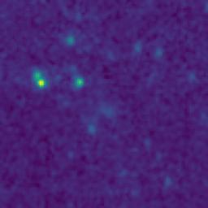
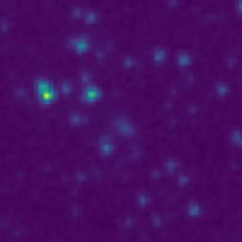
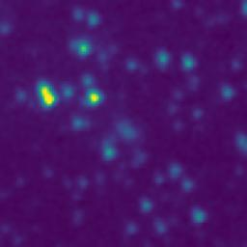
103.6549743_1.5665781_10350_0145_9

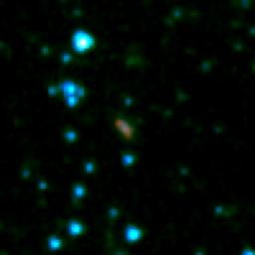
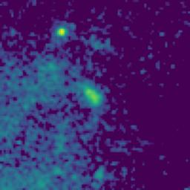
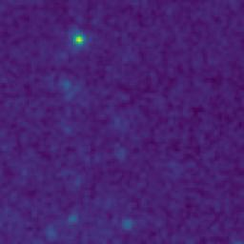
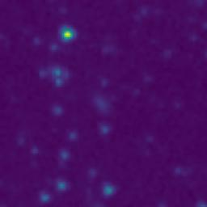
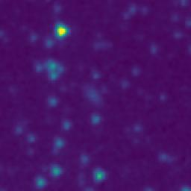
103.4767471_1.0099166_10350_0145_10

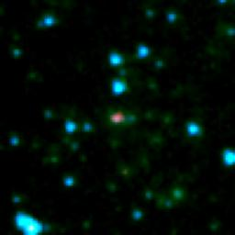
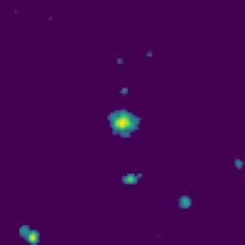
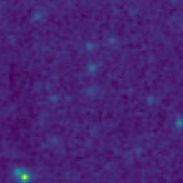

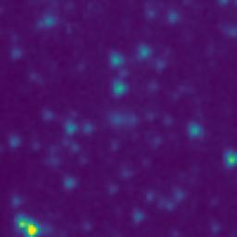
103.1529022_1.9063901_10350_0145_11






103.1091041_1.5703830_10350_0145_12






103.2196463_1.5628993_10350_0145_13






103.1376445_1.3845544_10350_0145_14






103.1103379_1.1827166_10350_0145_15






102.9691542_1.1336878_10350_0145_16






103.0042553_1.4621958_10350_0145_17






103.0197038_1.7285325_10350_0145_18






104.0076611_1.0716932_10350_0145_19






103.9124778_1.0607125_10350_0145_20






103.3968739_1.6637477_10350_0145_21






103.4142068_1.8640818_10350_0145_22






104.0217108_2.0013566_10350_0145_23






103.8875786_1.6712169_10350_0145_24






103.8847405_1.6498840_10350_0145_25






103.8842048_1.4408841_10350_0145_26






103.9555663_1.4687042_10350_0145_27






103.9855479_1.3370313_10350_0145_28






103.8591799_1.3335549_10350_0145_29






104.0076672_1.0988598_10350_0145_30






103.9744443_0.8568670_10350_0145_31






103.8003187_1.2430635_10350_0145_32






103.7460088_1.5727367_10350_0145_33






103.8026946_1.5572298_10350_0145_34






103.7625255_1.6635682_10350_0145_35






103.7130229_1.8537400_10350_0145_36






103.8417332_1.7182243_10350_0145_37






103.6578309_1.8860779_10350_0145_38






103.4608963_1.9039164_10350_0145_39






103.4185419_1.8769152_10350_0145_40






103.5651152_1.8315824_10350_0145_41






103.4664015_1.7495831_10350_0145_42






103.5821173_1.6620819_10350_0145_43






103.5714462_1.6609156_10350_0145_44






103.5285949_1.6390832_10350_0145_45






103.4392291_1.5044159_10350_0145_46






103.3775432_1.4679134_10350_0145_47






103.3313603_1.4820771_10350_0145_48






103.4454064_1.1497494_10350_0145_49






103.4652452_1.0365831_10350_0145_50






103.4970829_1.0829167_10350_0145_51






103.3797412_0.8912469_10350_0145_52






103.1751635_1.3278934_10350_0145_53






103.3476802_1.7622449_10350_0145_54






103.3315045_1.7842438_10350_0145_55






103.3268356_1.7850768_10350_0145_56






103.4218751_1.9304154_10350_0145_57






103.3208189_1.9604096_10350_0145_58






103.3059768_1.9687417_10350_0145_59






103.4670657_1.9394165_10350_0145_60






103.0820182_1.9807115_10350_0145_61






103.0791878_1.9563776_10350_0145_62






103.2012538_1.9595637_10350_0145_63






103.1922526_1.9322291_10350_0145_64






103.2122792_1.8070651_10350_0145_65






103.0837763_1.4887118_10350_0145_66






103.1689646_1.5368925_10350_0145_67






103.1188482_1.4013540_10350_0145_68






103.1046329_1.3959275_10350_0145_69






103.1281576_1.2878862_10350_0145_70






103.1290140_1.1482197_10350_0145_71






103.1743792_0.9857266_10350_0145_72






103.0653716_0.9595417_10350_0145_73






103.1672224_0.9127256_10350_0145_74






102.9663689_0.9276872_10350_0145_75






103.0078010_1.2568632_10350_0145_76






102.9922751_1.3563598_10350_0145_77






102.9987689_1.3925279_10350_0145_78






103.0566214_1.3818733_10350_0145_79






103.0450501_1.7197044_10350_0145_80






102.9953121_1.9420272_10350_0145_81






103.4045538_1.4252480_10350_0145_82






103.9940303_1.2456962_10350_0145_83






103.6956382_1.3602416_10350_0145_84






103.7148166_1.4265732_10350_0145_85






103.8147625_2.0137282_10350_0145_86






103.5506114_1.9822495_10350_0145_87






103.4809052_2.0822500_10350_0145_88






103.4260763_0.9389155_10350_0145_89






103.3485743_0.8602450_10350_0145_90






103.2025886_1.9535639_10350_0145_91






103.8771187_1.3460160_10350_0145_92

