Sheet1
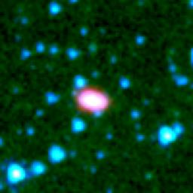
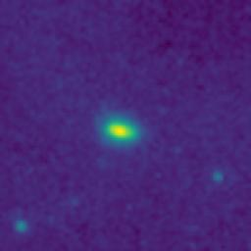
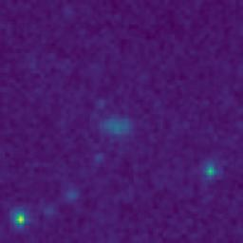
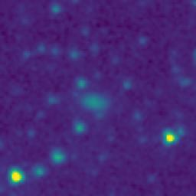
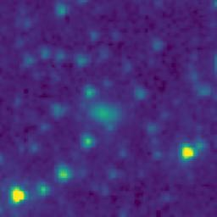
ID | RGB Image | 8-micron Filter | 5.8-micron Filter | 4.6-micron Filter | 3.5-micron Filter
105.8267855_2.9109609_10550_0270_1

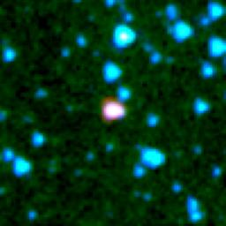
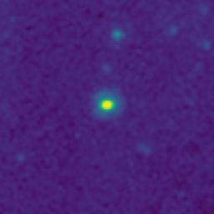
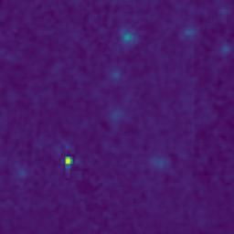
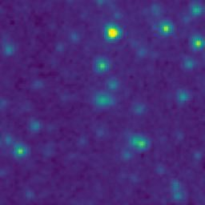
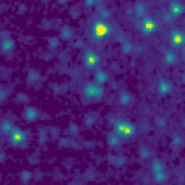
106.0303320_3.0668846_10550_0270_2

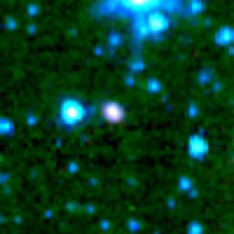
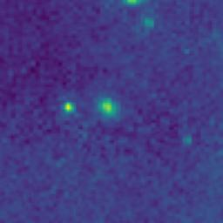
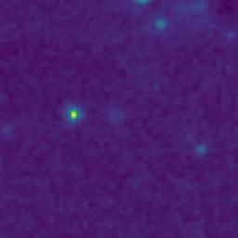
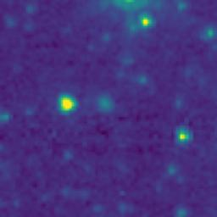
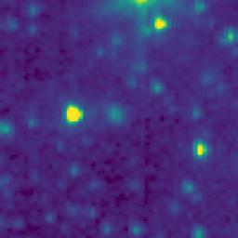
105.8576894_2.2775307_10550_0270_3

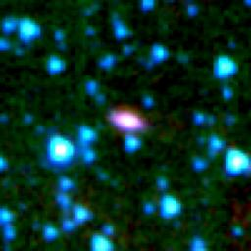
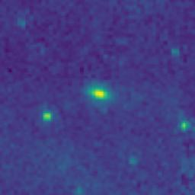
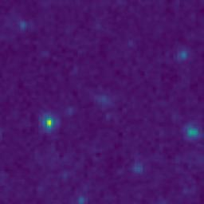
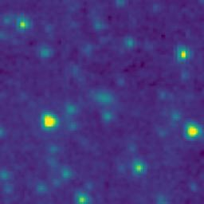
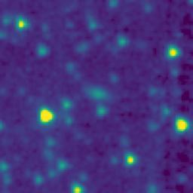
105.6412092_2.4337418_10550_0270_4

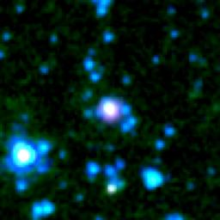
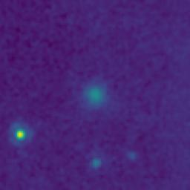
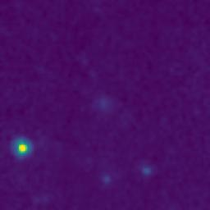
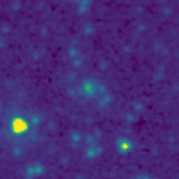
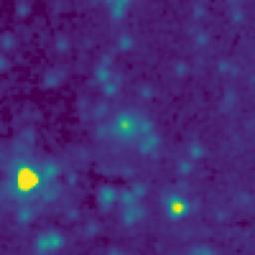
105.9261551_2.7441755_10550_0270_5

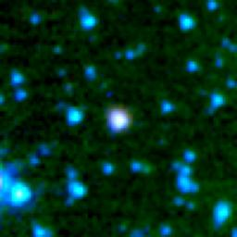
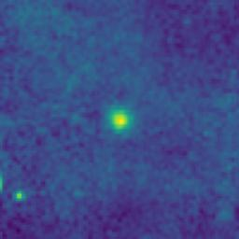
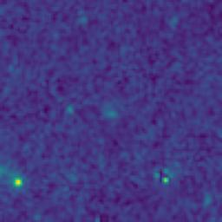
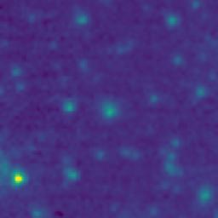
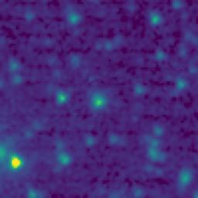
105.8464930_3.0805340_10550_0270_6

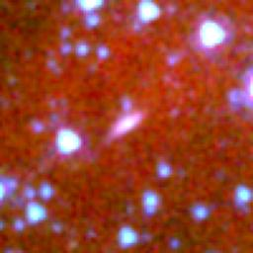
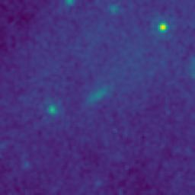
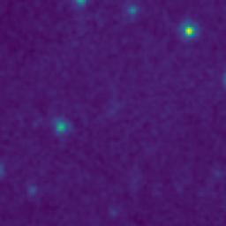
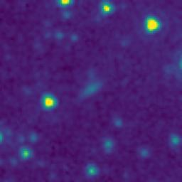
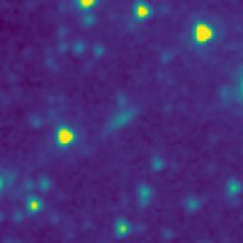
105.7875062_2.7862162_10550_0270_7

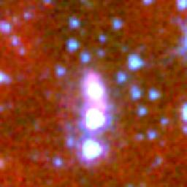
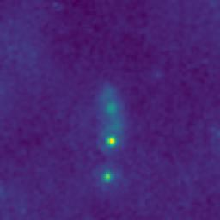
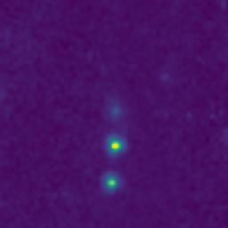
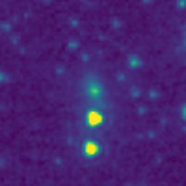
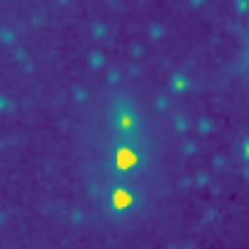
105.6078057_2.9197452_10550_0270_8

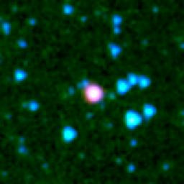
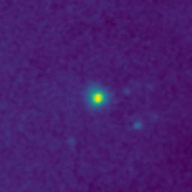
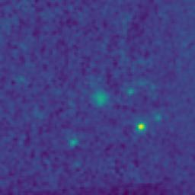
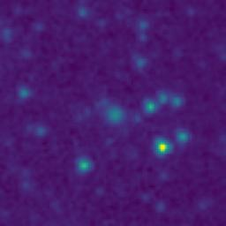
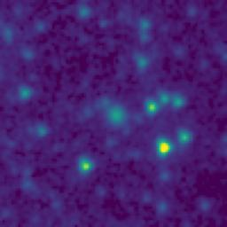
105.2969408_2.2038998_10550_0270_9

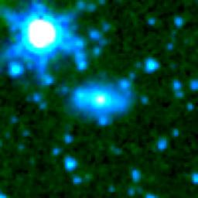
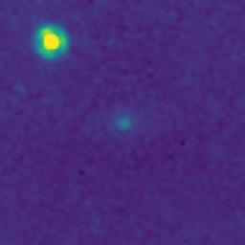
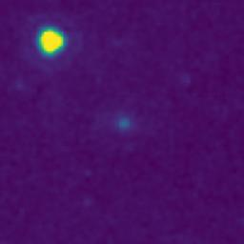
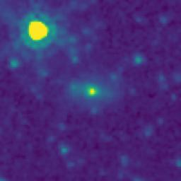
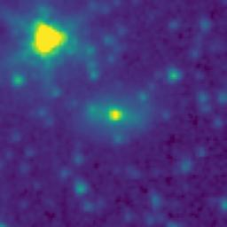
105.1933742_2.5101281_10550_0270_10






105.2372155_2.6670550_10550_0270_11






105.1585354_3.0048688_10550_0270_12






105.0882527_2.8189305_10550_0270_13






104.9874894_2.7589756_10550_0270_14






105.7102157_2.3468918_10550_0270_15






105.2796891_2.6065635_10550_0270_16






105.9637380_2.6992352_10550_0270_17






105.4919139_2.7742633_10550_0270_18






105.9142354_2.7751795_10550_0270_19






105.9053981_2.7941825_10550_0270_20






106.0350535_2.7974658_10550_0270_21






105.8270028_2.9103727_10550_0270_22






106.0194313_2.5546392_10550_0270_23






106.0037111_2.4628125_10550_0270_24






105.9361452_2.4518385_10550_0270_25






105.9281176_2.3938415_10550_0270_26






105.9463885_2.1811681_10550_0270_27






105.8052672_2.0828784_10550_0270_28






105.9389536_2.3758377_10550_0270_29






105.8779118_2.9431913_10550_0270_30






105.7677516_2.8713873_10550_0270_31






105.7734257_2.8725526_10550_0270_32






105.8165916_2.6622090_10550_0270_33






105.6034947_2.2665791_10550_0270_34






105.6358792_2.5059092_10550_0270_35






105.6582381_2.5394064_10550_0270_36






105.6440680_2.6279082_10550_0270_37






105.6587483_2.6140729_10550_0270_38






105.6175438_2.6662166_10550_0270_39






105.5921826_2.6612466_10550_0270_40






105.6033631_2.6817456_10550_0270_41






105.7417069_2.8098927_10550_0270_42






105.6948389_2.9447345_10550_0270_43






105.6794881_2.9629036_10550_0270_44






105.4730536_2.6855831_10550_0270_45






105.4308412_2.6752480_10550_0270_46






105.4975809_2.6209168_10550_0270_47






105.5397843_2.3980828_10550_0270_48






105.3230884_2.4609039_10550_0270_49






105.3766131_2.6990770_10550_0270_50






105.2698301_2.6878950_10550_0270_51






105.2806680_2.7282302_10550_0270_52






105.0519746_3.0023343_10550_0270_53






105.1394791_2.8263634_10550_0270_54






105.0126937_2.7383193_10550_0270_55






105.1733628_2.7920397_10550_0270_56






105.4420383_2.2944153_10550_0270_57






105.6639441_2.1962657_10550_0270_58

