article-TPAxSTEM-
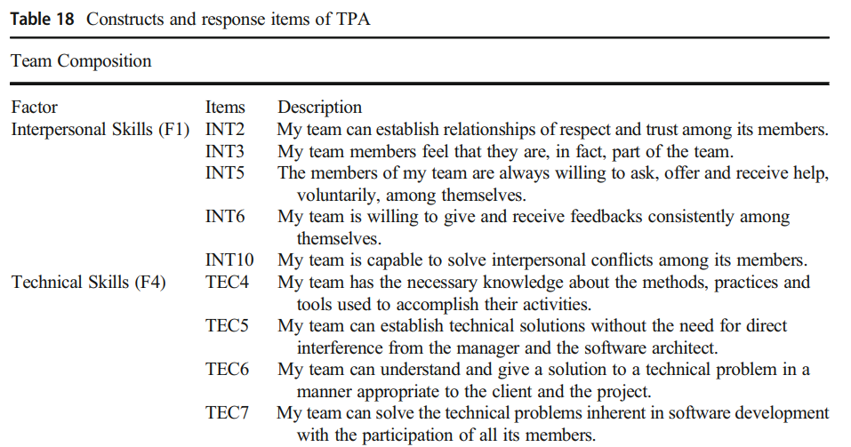
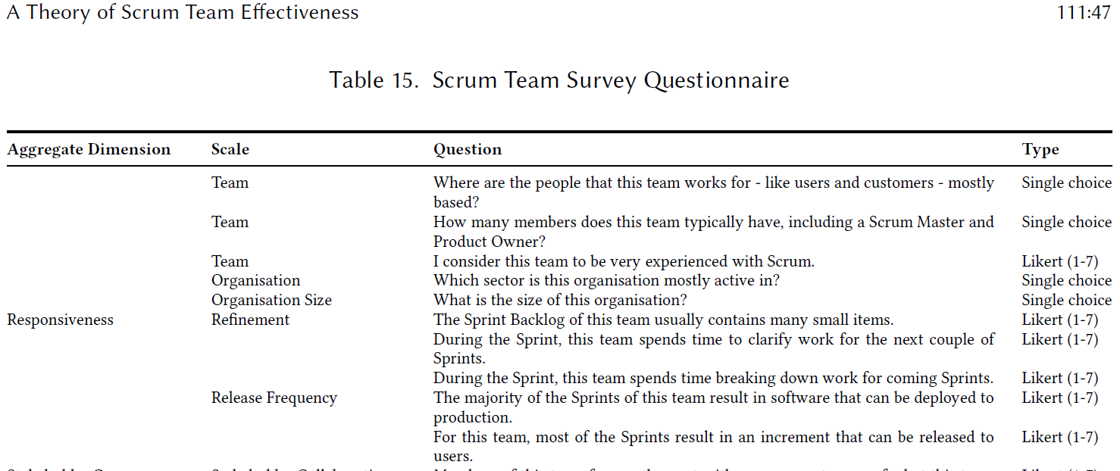

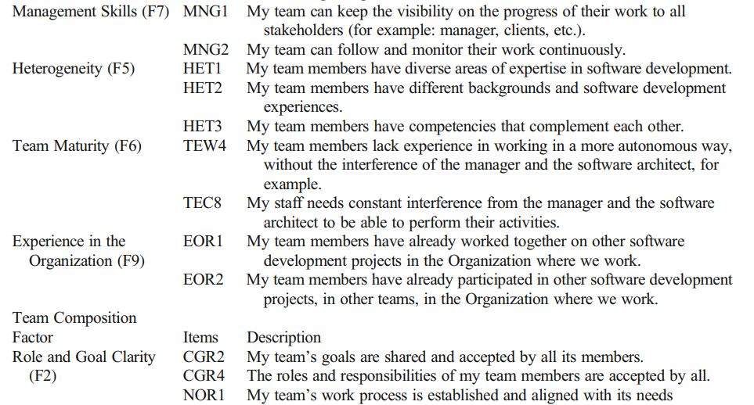

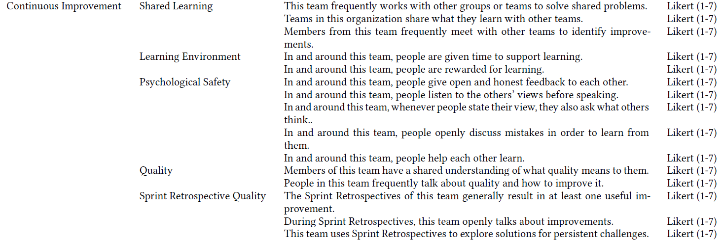

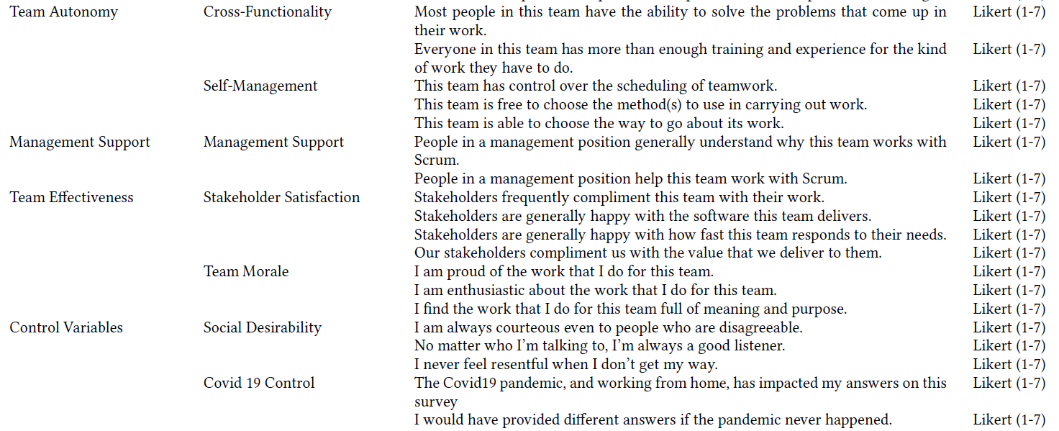

article-TWQ Hoelg
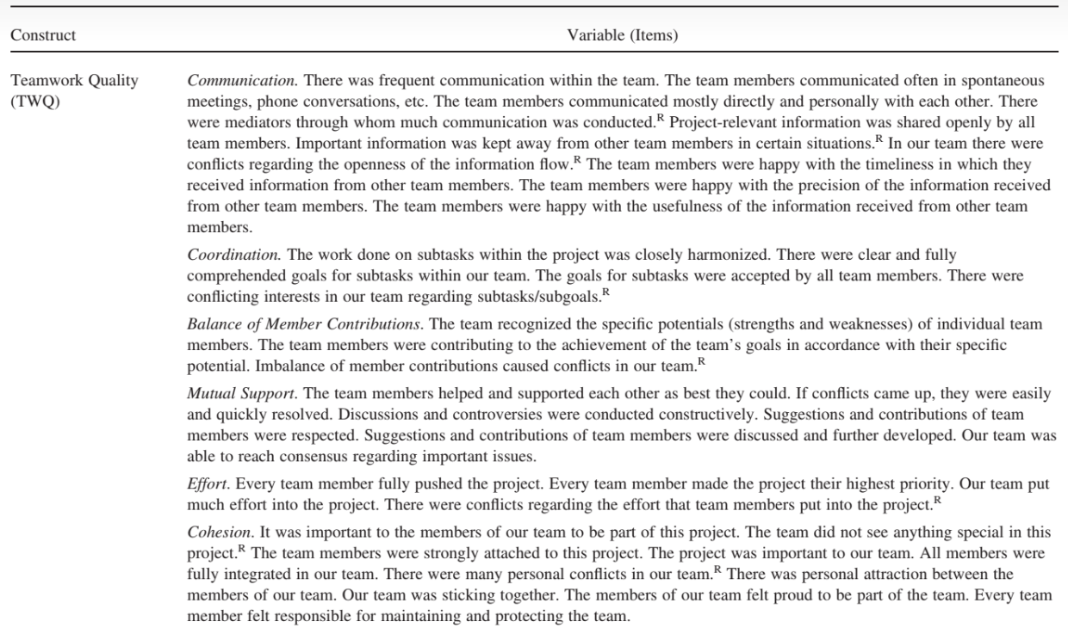

Instrument Teamwork Quality

Article - Teamwork Quality and the Success of Innovative Projects: A Theoretical Concept and Empirical Evidence

article-aTWQ
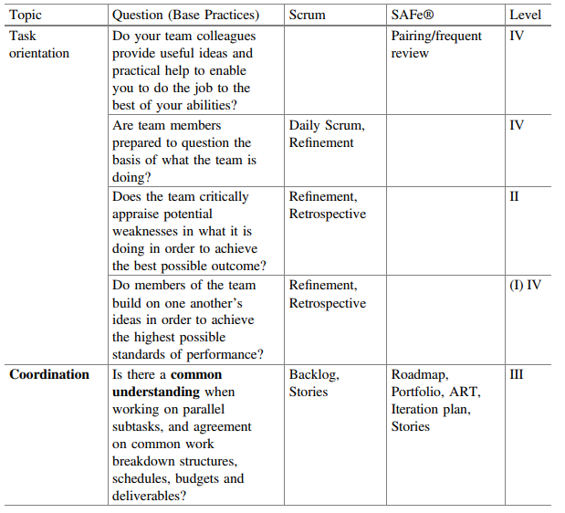
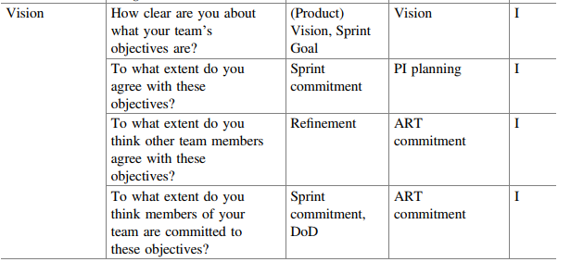
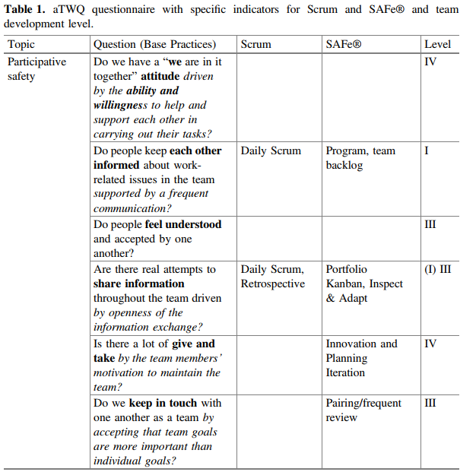
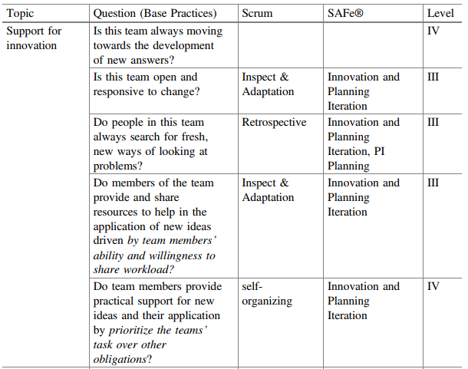

aTWQ questionnaire

Article - Evaluation of Agile Team Work Quality

article-TACT
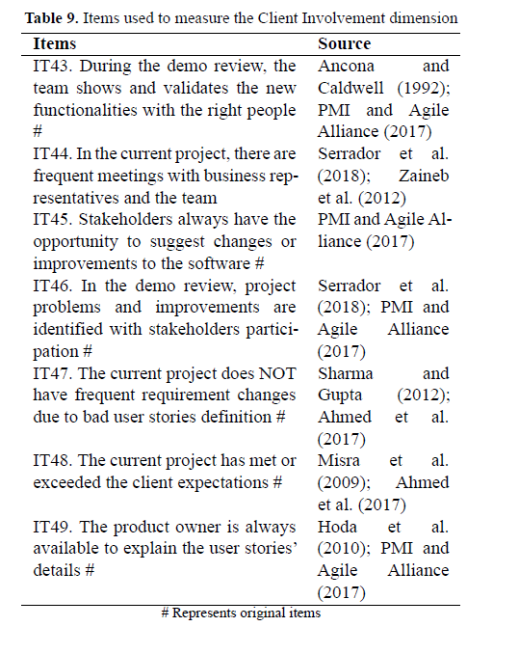
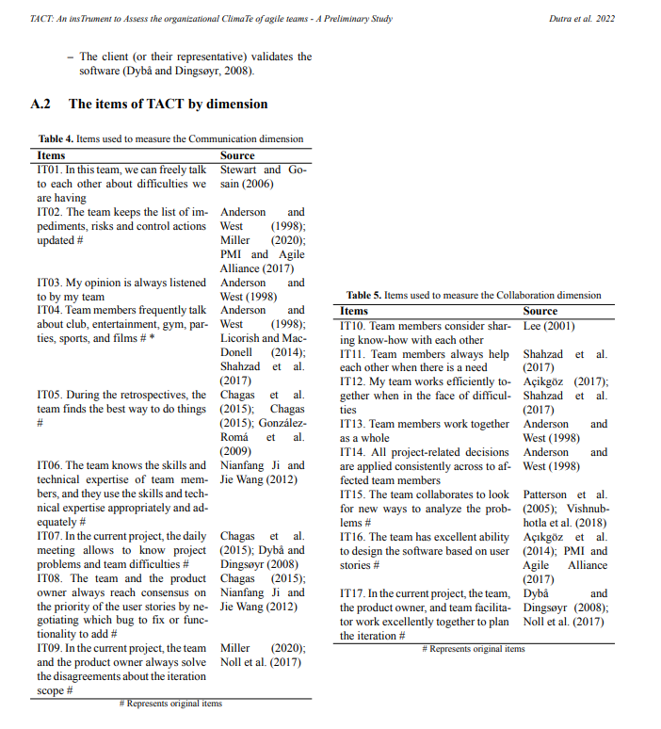

 | TACT: An insTrument to Assess the organizational ClimaTe of agile teams - A Preliminary Study

 | Article - TACT: An insTrument to Assess the organizational ClimaTe of agile teams - A Preliminary Study

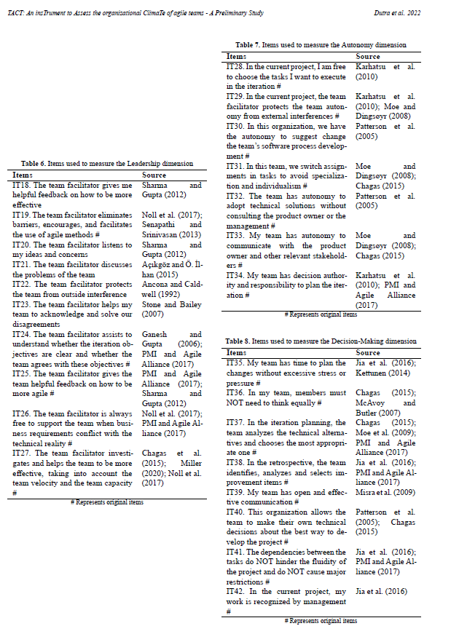

TACT: An insTrument to Assess the organizational ClimaTe of agile teams

Article - TACT: An insTrument to Assess the organizational ClimaTe of agile teams - A Preliminary Study

article-ATEM
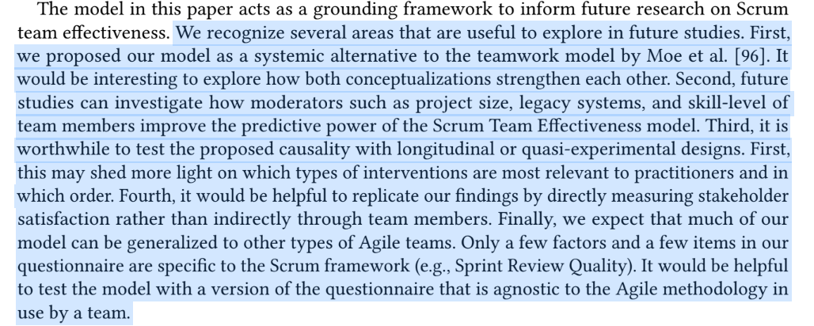
Instrument - A Theory of Scrum Team Effectiveness

Article - A Theory of Scrum Team Effectiveness

