Search String in Scopus
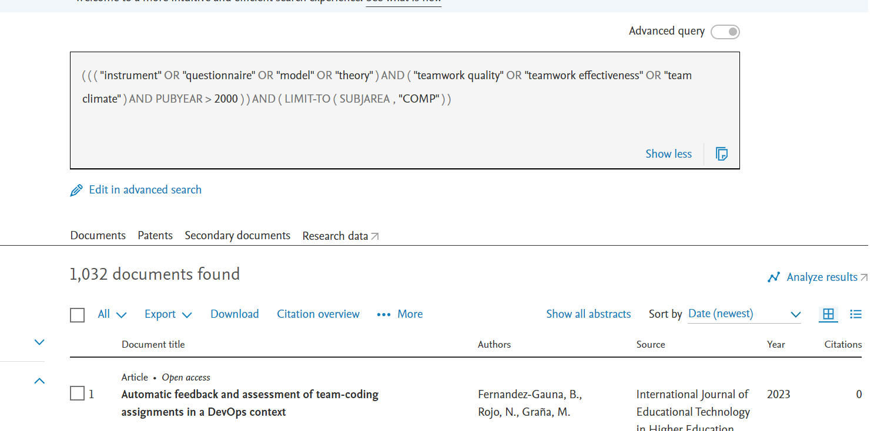
Extraction Time | 25/03/2023- 12/05/2023 | https://www.scopus.com/results/results.uri?sort=plf-f&src=s&sid=8ef48967ca0cb3f22c2189934a1c99b7&sot=a&sdt=a&cluster=scosubjabbr%2C%22COMP%22%2Ct&sl=154&s=%28%28%28+%22instrument%22+OR+%22questionnaire%22+OR+%22model%22+OR+%22theory%22+%29+AND+%28+%22teamwork+quality%22+OR+%22teamwork+effectiveness%22+OR+%22team+climate%22+%29+AND+PUBYEAR+%3E+2000%29%29&origin=searchadvanced&editSaveSearch=&txGid=caaae47d72631fc4822dbed267fc9fd4&sessionSearchId=8ef48967ca0cb3f22c2189934a1c99b7&limit=10

Study ID | Paper ID | Title | Assignee | Cited by

