Hoja 1
Remember to increase config xml + 0.0.1 before every push
Autofeed current tasks
Autofeed current tasks

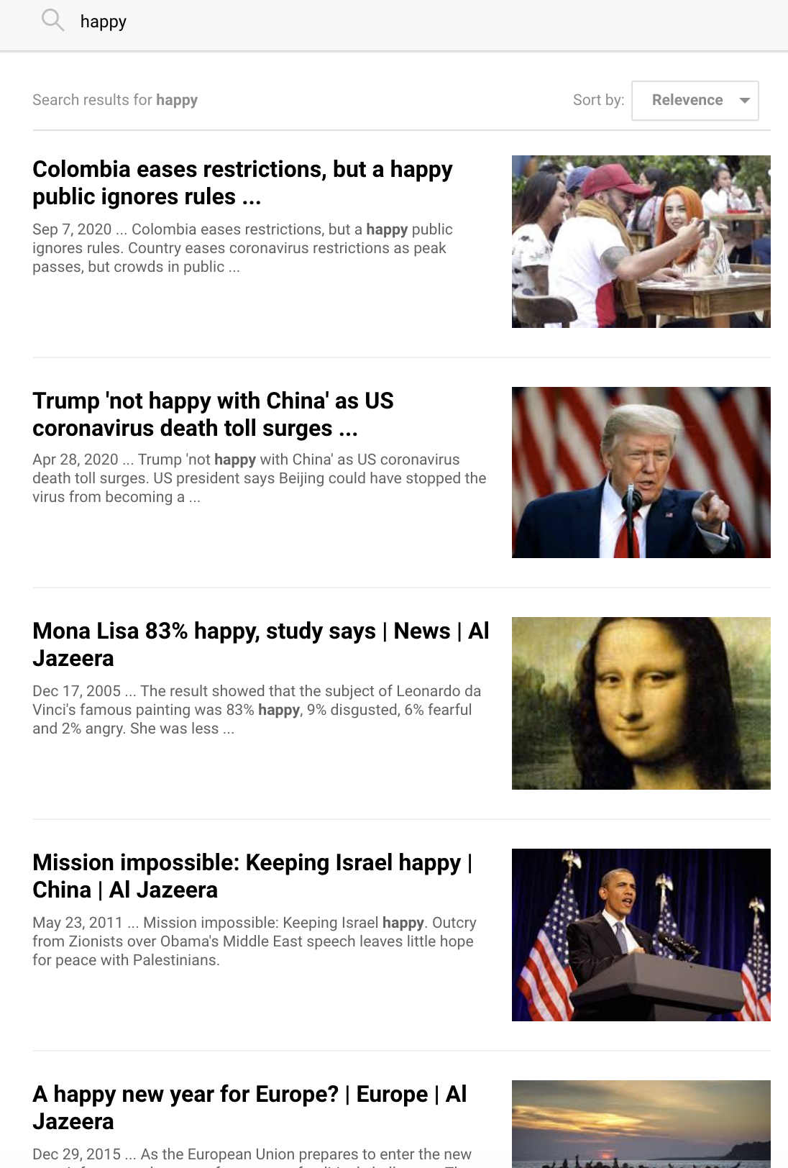
Aljazeera browser snapshot of my computer

Aljazeera scrapper:
Show me a snapshot of your browser showing a piece of new without Date in https://www.aljazeera.com/search/happy

2. Try to use moment.js to parse
But if moment.js doesn’t work.
Parse it manually with replace.


Pie de foto

Add stripe.js to make users be able to make payments, and save in database how much money
They have paid to us.
If you know another plugin is ok too, but I used stripe.js in the past and I think is the easier one to use.

