Sheet1
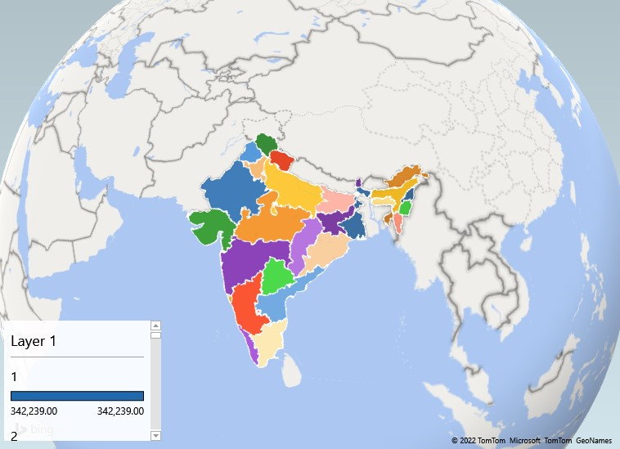
Rank | Largest State | Area (sq.km)
1 | Rajasthan | 342,239
2 | Madhya Pradesh | 308,245
3 | Maharashtra | 307,713
4 | Uttar Pradesh | 240,928
5 | Gujarat | 196,024
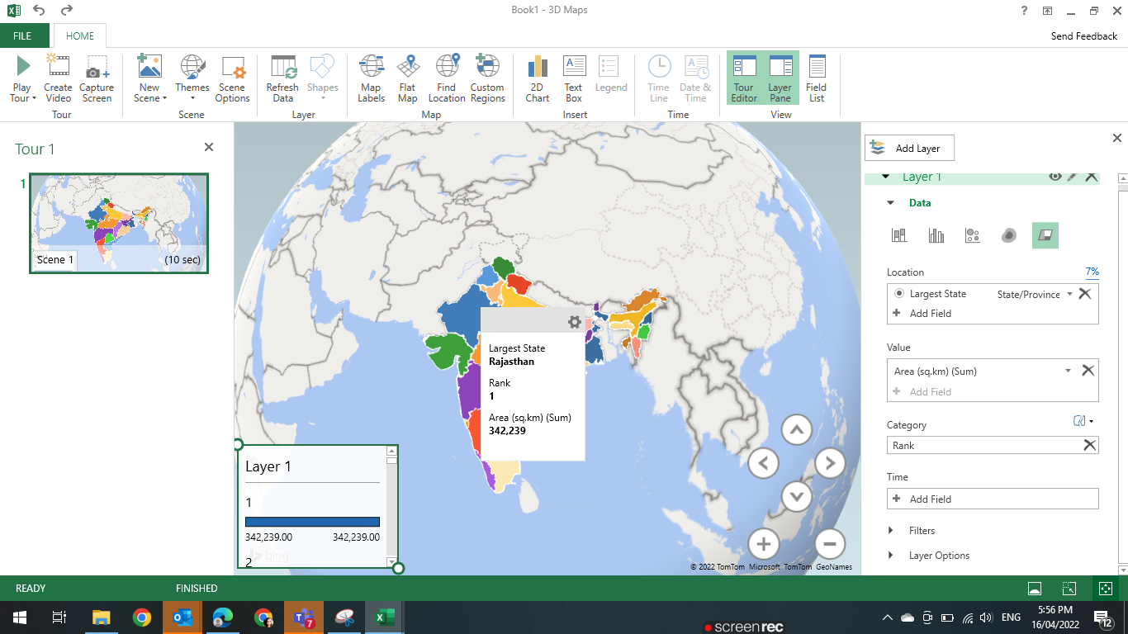
6 | Karnataka | 191,791
7 | Andhra Pradesh | 160,205
8 | Odisha | 155,707
9 | Chhattisgarh | 135,191
10 | Tamil Nadu | 130,058
11 | Telangana | 112,077
12 | Bihar | 94,164
13 | West Bengal | 88,752
14 | Arunachal Pradesh | 83,743
15 | Jharkhand | 79,714
16 | Assam | 78,438
17 | Himachal Pradesh | 55,673
18 | Uttarakhand | 53,483
19 | Punjab | 50,362
20 | Haryana | 44,212
21 | Kerala | 38,863
22 | Meghalaya | 22,429
23 | Manipur | 22,327
24 | Mizoram | 21,081
25 | Nagaland | 16,579
26 | Tripura | 10,486
27 | Sikkim | 7,096
28 | Goa | 3,702

