Report
Sales Document | Date | Customer | Article | Color | Quantity | Sales Value | The query was corrected as follows:
66874 | 7/2/20 | Erma | Men dress shirt (black) | Black | 370 | 9250.4 | 1. Table name was changed from Table1 to TArticle. In the Source step, replace Table1 with TArticle.
66860 | 7/2/20 | Erma | Women type T (black) simple | Black | 423 | 5076.4
66882 | 7/2/20 | Erma | Men type T simple (white) | White | 336 | 4032.43
66871 | 7/2/20 | Erma | Women type T (white) simple | White | 448 | 5376.4
66843 | 7/7/20 | Erma | Women type T (black) simple | Black | 163 | 1956.4
66848 | 7/7/20 | Erma | Laptop bag (red) | Red | 323 | 19380.4
66900 | 7/7/20 | Erma | Laptop bag (red) | Red | 274 | 16440.4
66861 | 7/12/20 | Erma | Smartphone case diamond |  | 405 | 10125.4
66834 | 7/12/20 | Erma | Smartphone case simple |  | 232 | 4640.4 | 2. Column Header "Document Date" in the Source sheet was changed to "Date".
66877 | 7/12/20 | Erma | Women type T (white) simple | White | 363 | 4356.4 | You can either change back the header in the Source sheet or update the query in 2 places.
66858 | 7/12/20 | Erma | Men type T (Brown) simple | Brown | 224 | 2912.4 | 2a)
66817 | 7/12/20 | Erma | Smartphone case diamond |  | 202 | 5050.4
66804 | 7/12/20 | Erma | Men dress shirt (gray) | Gray | 434 | 10850.4
66862 | 7/12/20 | Erma | Men dress shirt (black) | Black | 379 | 9475.17
66854 | 7/16/20 | Dellicia | Men type T (Brown) simple | Brown | 155 | 2015.01
66809 | 7/16/20 | Dellicia | Men type T simple (white) | White | 324 | 3888.4
66881 | 7/16/20 | Dellicia | Smartphone case simple |  | 265 | 5300.4
66870 | 7/16/20 | Dellicia | Men dress shirt (white) | White | 369 | 9225.4
66880 | 7/16/20 | Dellicia | Women dress (black) long | Black | 305 | 18910.05
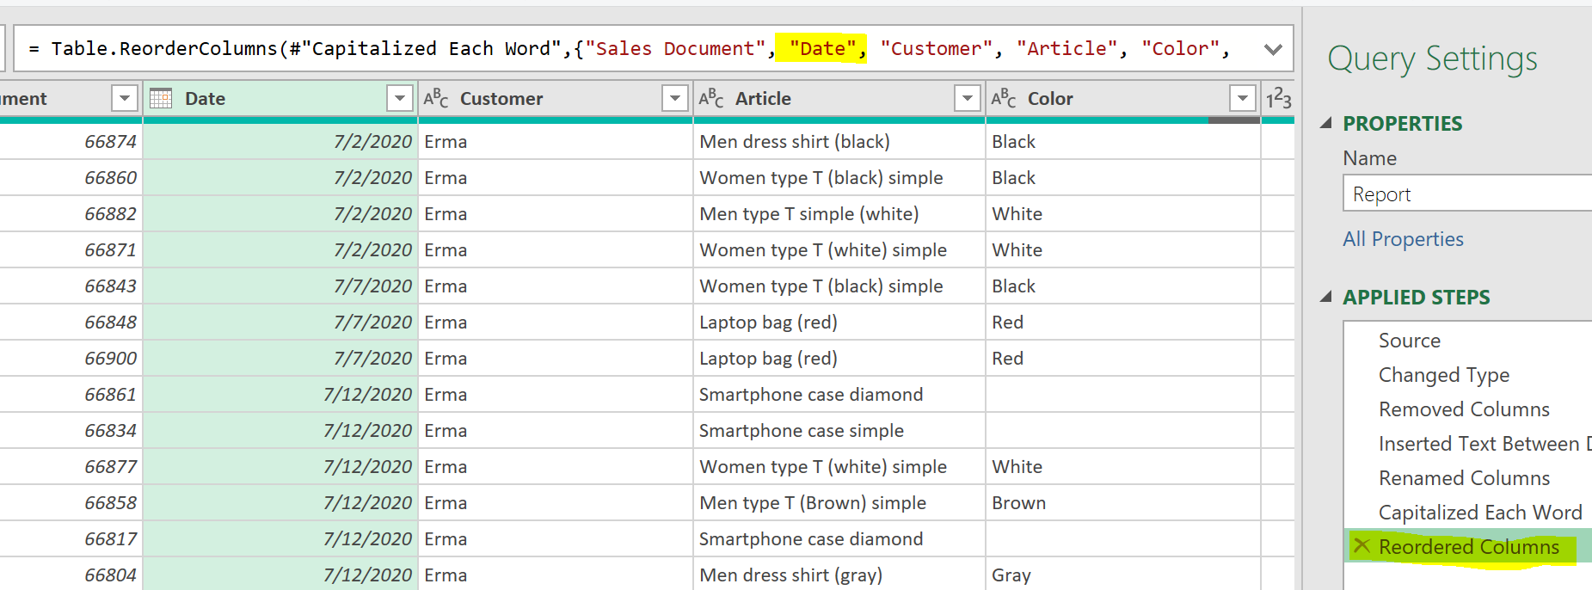
66818 | 7/16/20 | Dellicia | Women type T (black) simple | Black | 176 | 2112.12 | 2b)
66821 | 7/16/20 | Dellicia | Women type T (white) simple | White | 314 | 3768.4

