Purpose
What you learn
Looping in VBA - Controlling the Flow of Code

Link | Topic Covered | What you Learn

ForNext | For…Next Loops to run your code many times | ● Simple For…Next to conditionally add values ● Loop through text and extract text and numbers to separate cells ● Loop through text and extract text and numbers to separate cells
Do | Do Until….Do While Loop | ● Different methods to use the Do…Until Loop ● Use Do Loop to get proper input for input box
Find | Use the FIND Method for Quicker Search Results | Use Find method instead of looping for faster results.
Activity | Activity: Document all Comments in Workbook in one place | Loop through the workbook and document all comments in a new sheet - including the author, the content and the cell address.

Find
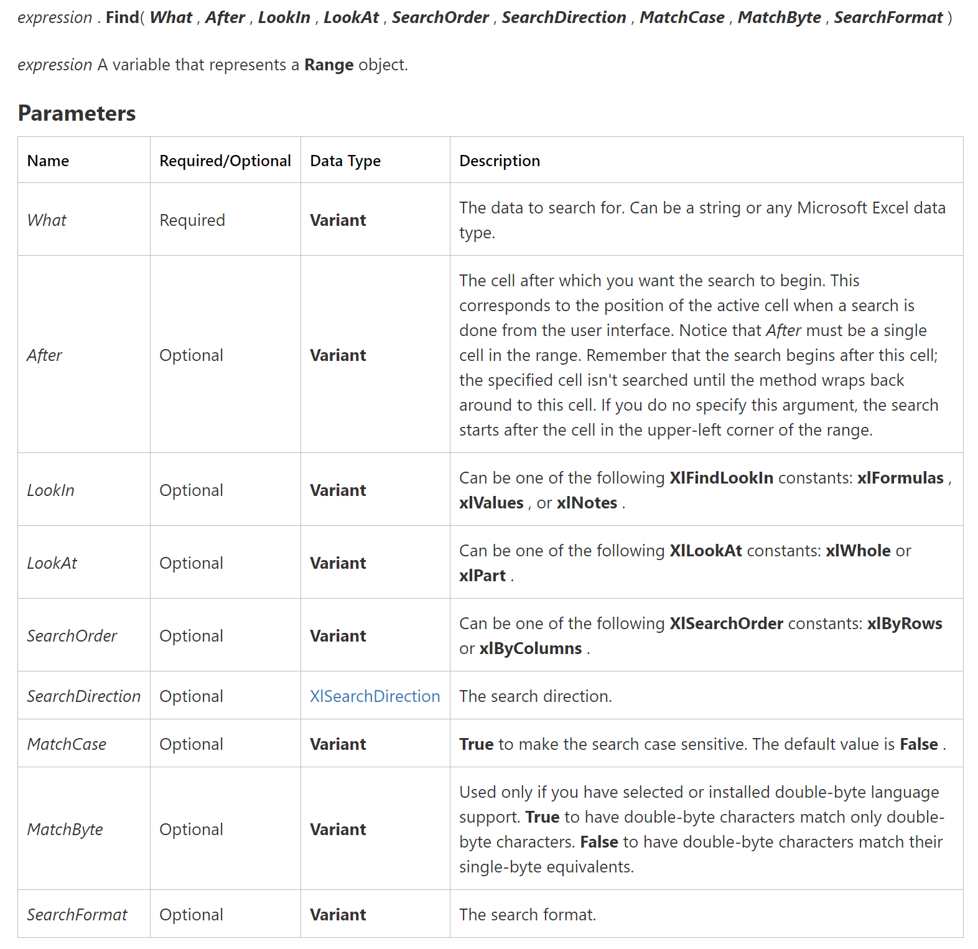
From MSDN.Microsoft.com
Use the FIND Method for Quicker Search Results
 |  | One Match: | Many Matches:
Find Article Code for this entity: | 1030SE6

Company ID | Sales Document | Document Date | Customer code | Article code | Quantity | Sales Value
AT1030 | 84030 | 2018-10-07 | 8050 | 120 | 130 | 6960
1030SE6 | 84030 | 2018-10-07 | 8050 | 104 | 500 | 5160
1030SE6 | 84030 | 2018-10-07 | 8050 | 105 | 130 | 1200
AT1030 | 84030 | 2018-10-07 | 8050 | 107 | 710 | 3450
SE1080 | 84031 | 2018-10-08 | 8040 | 104 | 890 | 10440
DE1030 | 84031 | 2018-10-08 | 8040 | 107 | 780 | 3800
DE1030 | 84031 | 2018-10-08 | 8040 | 110 | 520 | 30000
AT1030 | 88112 | 2018-10-11 | 8040 | 110 | 500 | 28800
SE1080 | 88112 | 2018-10-11 | 8040 | 119 | 660 | 39060
SE1080 | 88112 | 2018-10-11 | 8040 | 120 | 150 | 8700
1030SE6 | 88112 | 2018-10-11 | 8040 | 116 | 780 | 4560
AT1030 | 88112 | 2018-10-11 | 8040 | 111 | 610 | 11800
1030SE6 | 88112 | 2018-10-11 | 8040 | 110 | 540 | 31800

