Demographic Analysis
Females showed:
Higher Avg ROAS (2.62)
Higher Avg Conversion Rate (51.6%)
Especially responsive to Social Media and Influencer Marketing.
Males
performed better with Paid Ads, with lower CPA and decent ROAS.
Recommendations:
-Allocate more budget to female-oriented campaigns on Social Media.
-For male audiences, prioritize Paid Ads for better cost-efficiency.
Personalize creatives based on gender preferences across channels.
Age Analysis |  |  |  |  |  |  |  |  |  |  | Gender Analysis
Age_Group | Total Clicks | Total Impressions | Total Conversions | Total Ad Spend | Total Revenue_Generated | Average of Conersion_Rate | Average of CPA | Average of ROAS |  |  | Gender | Total Clicks | Total Impressions | Total Conversions | Total Ad Spend | Total Revenue_Generated | Average of Conersion_Rate | Average of CPA | Average of ROAS
18-24 | 14419690.3 | 28518869.7 | 7356435.8 | $2,795,783.95 | $7,326,300.42 | 0.51016600544 | $0.38 | $2.62 |  |  | Female | 34844515 | 70529592.1 | 17975386.1 | $7,201,221.04 | $18,883,528.64 | 0.51587419426 | $0.40 | $2.62
25-34 | 14702214.1 | 29750662.1 | 7393822.6 | $3,008,643.95 | $7,736,461.54 | 0.50290538212 | $0.41 | $2.57 |  |  | Male | 38165409.4 | 74818651.5 | 18737984.6 | $7,583,700.80 | $19,580,873.37 | 0.49096773478 | $0.40 | $2.58
35-44 | 14460841.3 | 27218634.4 | 7420453.3 | $2,736,464.48 | $7,134,612.65 | 0.5131411891 | $0.37 | $2.61
45-54 | 15418609.8 | 30357449.4 | 7807588.8 | $3,025,127.58 | $7,831,814.68 | 0.50637436846 | $0.39 | $2.59 |  |  | Gender X Channel Analysis
55+ | 14008568.9 | 29502628 | 6735070.2 | $3,218,901.89 | $8,435,212.72 | 0.48078217326 | $0.48 | $2.62 |  |  | Gender | Marketing_Channel | Total Clicks | Total Impressions | Total Conversions | Total Ad Spend | Total Revenue_Generated | Average of Conersion_Rate | Average of CPA | Average of ROAS
 |  |  |  |  |  |  |  |  |  |  | Female |  | 34844515 | 70529592.1 | 17975386.1 | $7,201,221.04 | $18,883,528.64 | 0.51587419426 | $0.40 | $2.62
Age X Chanels Analysis |  |  |  |  |  |  |  |  |  |  |  | Email | 8317142 | 16736123.3 | 3822142 | $1,826,920.63 | $4,844,207.68 | 0.45954992713 | $0.48 | $2.65
Age_Group | Marketing_Channel | Total Clicks | Total Impressions | Total Conversions | Total Ad Spend | Total Revenue_Generated | Average of Conersion_Rate | Average of CPA | Average of ROAS |  |  | Influencer Marketing | 8565904 | 16847906.7 | 4555311.3 | $1,782,455.74 | $4,704,629.69 | 0.53179574508 | $0.39 | $2.64
18-24 |  | 14419690.3 | 28518869.7 | 7356435.8 | $2,795,783.95 | $7,326,300.42 | 0.51016600544 | $0.38 | $2.62 |  |  | Paid Ads | 9057836.8 | 18190696.6 | 4625007 | $1,897,955.40 | $4,936,047.81 | 0.51060833863 | $0.41 | $2.60
 | Email | 3207753.8 | 6340107.6 | 1682156.6 | $640,007.55 | $1,710,398.37 | 0.52440327559 | $0.38 | $2.67 |  |  | Social Media | 8903632.2 | 18754865.5 | 4972925.8 | $1,693,889.28 | $4,398,643.47 | 0.55852776578 | $0.34 | $2.60
 | Influencer Marketing | 3971732.7 | 7449244.5 | 2076272.4 | $761,547.92 | $1,960,945.17 | 0.52276237019 | $0.37 | $2.57
 | Paid Ads | 3062043.3 | 5880440.2 | 1625328.2 | $600,169.85 | $1,662,034.40 | 0.53079856839 | $0.37 | $2.77 |  | Male |  | 38165409.4 | 74818651.5 | 18737984.6 | $7,583,700.80 | $19,580,873.37 | 0.49096773478 | $0.40 | $2.58
 | Social Media | 4178160.5 | 8849077.4 | 1972678.6 | $794,058.63 | $1,992,922.48 | 0.47214045511 | $0.40 | $2.51 |  |  | Email | 8791901 | 18388018.4 | 4453460.4 | $1,872,315.20 | $4,840,893.58 | 0.50654123608 | $0.42 | $2.59
 |  |  |  |  |  |  |  |  |  |  |  | Influencer Marketing | 9587939.4 | 18361451.5 | 4702329.7 | $1,882,882.07 | $4,873,526.24 | 0.49044215903 | $0.40 | $2.59
25-34 |  | 14702214.1 | 29750662.1 | 7393822.6 | $3,008,643.95 | $7,736,461.54 | 0.50290538212 | $0.41 | $2.57 |  |  | Paid Ads | 10079274.8 | 18975016.1 | 5113483 | $1,779,004.77 | $4,663,565.86 | 0.50732647948 | $0.35 | $2.62
 | Email | 3788902.2 | 7368250.4 | 1780684.1 | $742,865.31 | $2,001,946.44 | 0.46997362455 | $0.42 | $2.69 |  |  | Social Media | 9706294.2 | 19094165.5 | 4468711.5 | $2,049,498.76 | $5,202,887.68 | 0.46039316426 | $0.46 | $2.54
 | Influencer Marketing | 3778270.8 | 7607381.5 | 1920501.8 | $766,775.89 | $1,941,123.67 | 0.50830178716 | $0.40 | $2.53
 | Paid Ads | 3682353.3 | 7767908.1 | 1796155.6 | $804,511.76 | $2,015,879.52 | 0.48777383745 | $0.45 | $2.51
 | Social Media | 3452687.8 | 7007122.1 | 1896481.1 | $694,490.99 | $1,777,511.91 | 0.54927674028 | $0.37 | $2.56

35-44 |  | 14460841.3 | 27218634.4 | 7420453.3 | $2,736,464.48 | $7,134,612.65 | 0.5131411891 | $0.37 | $2.61
 | Email | 3446328.1 | 7012919.2 | 1783134.6 | $728,680.80 | $1,852,513.62 | 0.51740128864 | $0.41 | $2.54 |  | Location Analysis
 | Influencer Marketing | 3400331.2 | 6294629.8 | 1745475.2 | $671,090.19 | $1,768,309.51 | 0.51332505492 | $0.38 | $2.63 |  | Location | Sum of Clicks | Total Impressions | Total Conversions | Total Ad Spend | Total Revenue_Generated | Average of Conersion_Rate | Average of CPA | Average of ROAS
 | Paid Ads | 3940578 | 7195288.6 | 2141006.2 | $685,098.52 | $1,798,635.13 | 0.54332288309 | $0.32 | $2.63 |  | Alba Iulia | 14518296.1 | 28455127.7 | 7355299 | $2,809,268.83 | $7,211,942.81 | 0.50662274342 | $0.38 | $2.57
 | Social Media | 3673604 | 6715796.8 | 1750837.3 | $651,594.97 | $1,715,154.40 | 0.47659935584 | $0.37 | $2.63 |  | Brăila | 16300177.9 | 32781904.5 | 8399922.5 | $3,299,936.16 | $8,580,989.60 | 0.51532704438 | $0.39 | $2.60
 |  |  |  |  |  |  |  |  |  |  | Deva | 13450495.8 | 27086011.6 | 6829497.1 | $2,689,643.25 | $7,188,649.22 | 0.50775058418 | $0.39 | $2.67
45-54 |  | 15418609.8 | 30357449.4 | 7807588.8 | $3,025,127.58 | $7,831,814.67 | 0.50637436846 | $0.39 | $2.59 |  | Mediaș | 14476660.8 | 28464413.5 | 6920589 | $2,971,392.58 | $7,576,173.67 | 0.47805147165 | $0.43 | $2.55
 | Email | 3346617.4 | 7019003.4 | 1640967.9 | $784,969.16 | $1,997,152.16 | 0.49033627208 | $0.48 | $2.54 |  | Pitești | 14264293.8 | 28560786.3 | 7208063.1 | $3,014,681.02 | $7,906,646.71 | 0.50532211416 | $0.42 | $2.62
 | Influencer Marketing | 3801784 | 7035344.9 | 1907599.7 | $746,207.00 | $1,990,458.70 | 0.50176435589 | $0.39 | $2.67
 | Paid Ads | 4593307.1 | 8632485.1 | 2310435.8 | $755,365.00 | $1,900,210.73 | 0.50300050698 | $0.33 | $2.52 |  | Location X Channel Analysis
Brăila and Pitești achieved the highest ROAS (2.71) for Paid Ads.
Deva performed best with Influencer Marketing, achieving the highest ROAS overall (2.76).
Mediaș underperformed in most channels, particularly in Paid Ads (ROAS = 2.31), with lower conversion efficiency.
Recommendations:
-Prioritize Paid Ads campaigns in Brăila and Pitești.
-Focus Influencer Marketing efforts on Deva.
-Re-evaluate or shift spend away from underperforming channels in Mediaș.
 | Social Media | 3676901.3 | 7670616 | 1948585.4 | $738,586.41 | $1,943,993.08 | 0.52995314288 | $0.38 | $2.63 |  | Location | Marketing_Channel | Sum of Clicks | Total Impressions | Total Conversions | Total Ad Spend | Total Revenue_Generated | Average of Conersion_Rate | Average of CPA | Average of ROAS
 |  |  |  |  |  |  |  |  |  |  | Alba Iulia |  | 14518296.1 | 28455127.7 | 7355299 | $2,809,268.83 | $7,211,942.81 | 0.50662274342 | $0.38 | $2.57
55+ |  | 14008568.9 | 29502628 | 6735070.2 | $3,218,901.89 | $8,435,212.72 | 0.48078217326 | $0.48 | $2.62 |  |  | Email | 3001575.4 | 6258214.5 | 1479568.4 | $612,178.20 | $1,626,738.82 | 0.49293061237 | $0.41 | $2.66
 | Email | 3319441.5 | 7383861.1 | 1388659.2 | $802,713.01 | $2,123,090.67 | 0.41834121794 | $0.58 | $2.64 |  |  | Influencer Marketing | 3340852.2 | 6562662.3 | 1756228.4 | $696,487.87 | $1,736,247.14 | 0.52568275843 | $0.40 | $2.49
 | Influencer Marketing | 3201724.7 | 6822757.5 | 1607791.9 | $719,716.81 | $1,917,318.88 | 0.50216431788 | $0.45 | $2.66 |  |  | Paid Ads | 3586885.3 | 7044320.4 | 1882746.7 | $656,133.12 | $1,764,501.06 | 0.52489738102 | $0.35 | $2.69
 | Paid Ads | 3858829.9 | 7689590.7 | 1865564.2 | $831,815.03 | $2,222,853.89 | 0.48345333905 | $0.45 | $2.67 |  |  | Social Media | 4588983.2 | 8589930.5 | 2236755.5 | $844,469.65 | $2,084,455.79 | 0.48741854187 | $0.38 | $2.47
 | Social Media | 3628572.8 | 7606418.7 | 1873054.9 | $864,657.04 | $2,171,949.29 | 0.51619603719 | $0.46 | $2.51
 |  |  |  |  |  |  |  |  |  |  | Brăila |  | 16300177.9 | 32781904.5 | 8399922.5 | $3,299,936.16 | $8,580,989.60 | 0.51532704438 | $0.39 | $2.60
 |  |  |  |  |  |  |  |  |  |  |  | Email | 3947787.4 | 7941838.5 | 2035191 | $850,932.85 | $2,176,703.23 | 0.51552700128 | $0.42 | $2.56
-The age group 35–44 achieved the best overall performance:
Lowest CPA (Cost per Acquisition): $0.32
Highest Conversion Rate: 54.3%
-Strong ROAS across all channels, especially with Paid Ads.
-The age group 18–24 showed high ROAS with Paid Ads as well.
-The 55+ group responded best to Influencer Marketing, though with higher CPA.
Recommendations:
-Focus marketing efforts on the 35–44 age group with Paid Ads.
-Target younger users (18–24) using Paid Ads campaigns.
-Use Influencer Marketing for reaching older audiences (55+).
 |  |  |  |  |  |  |  |  |  |  |  | Influencer Marketing | 4447730 | 8735394.5 | 2209414.3 | $861,797.93 | $2,180,505.74 | 0.49675099433 | $0.39 | $2.53
 |  |  |  |  |  |  |  |  |  |  |  | Paid Ads | 4512298.5 | 8489683.3 | 2491598.8 | $903,991.28 | $2,445,352.09 | 0.55217951561 | $0.36 | $2.71
 |  |  |  |  |  |  |  |  |  |  |  | Social Media | 3392362 | 7614988.2 | 1663718.4 | $683,214.10 | $1,778,428.54 | 0.49043067927 | $0.41 | $2.60

 |  |  |  |  |  |  |  |  |  |  | Deva |  | 13450495.8 | 27086011.6 | 6829497.1 | $2,689,643.25 | $7,188,649.22 | 0.50775058418 | $0.39 | $2.67
 |  |  |  |  |  |  |  |  |  |  |  | Email | 3309204.5 | 6366486 | 1585586.6 | $772,066.80 | $2,062,020.64 | 0.47914433816 | $0.49 | $2.67
 |  |  |  |  |  |  |  |  |  |  |  | Influencer Marketing | 3238546 | 6863952 | 1501791.1 | $619,747.75 | $1,713,408.39 | 0.46372387485 | $0.41 | $2.76
 |  |  |  |  |  |  |  |  |  |  |  | Paid Ads | 3507236.8 | 6468023.7 | 1946787.4 | $646,480.53 | $1,705,452.65 | 0.55507726196 | $0.33 | $2.64
 |  |  |  |  |  |  |  |  |  |  |  | Social Media | 3395508.5 | 7387549.9 | 1795332 | $651,348.18 | $1,707,767.54 | 0.52873730106 | $0.36 | $2.62

 |  |  |  |  |  |  |  |  |  |  | Mediaș |  | 14476660.8 | 28464413.5 | 6920589 | $2,971,392.58 | $7,576,173.67 | 0.47805147165 | $0.43 | $2.55
 |  |  |  |  |  |  |  |  |  |  |  | Email | 3302206.8 | 6663454.7 | 1738042.5 | $720,525.07 | $1,932,826.97 | 0.52632757585 | $0.41 | $2.68
 |  |  |  |  |  |  |  |  |  |  |  | Influencer Marketing | 3267705.5 | 6292637.5 | 1783645 | $758,447.24 | $2,018,880.79 | 0.54584019276 | $0.43 | $2.66
 |  |  |  |  |  |  |  |  |  |  |  | Paid Ads | 4104929.7 | 8110200.9 | 1692370.4 | $752,217.11 | $1,737,523.34 | 0.41227755983 | $0.44 | $2.31
 |  |  |  |  |  |  |  |  |  |  |  | Social Media | 3801818.8 | 7398120.4 | 1706531.1 | $740,203.16 | $1,886,942.56 | 0.44887228713 | $0.43 | $2.55

 |  |  |  |  |  |  |  |  |  |  | Pitești |  | 14264293.8 | 28560786.3 | 7208063.1 | $3,014,681.02 | $7,906,646.71 | 0.50532211416 | $0.42 | $2.62
 |  |  |  |  |  |  |  |  |  |  |  | Email | 3548268.9 | 7894148 | 1437213.9 | $743,532.91 | $1,886,811.60 | 0.40504650028 | $0.52 | $2.54
 |  |  |  |  |  |  |  |  |  |  |  | Influencer Marketing | 3859009.7 | 6754711.9 | 2006562.2 | $728,857.03 | $1,929,113.87 | 0.51996816696 | $0.36 | $2.65
 |  |  |  |  |  |  |  |  |  |  |  | Paid Ads | 3425761.3 | 7053484.4 | 1724986.7 | $718,138.14 | $1,946,784.53 | 0.50353382765 | $0.42 | $2.71
 |  |  |  |  |  |  |  |  |  |  |  | Social Media | 3431253.9 | 6858442 | 2039300.3 | $824,152.94 | $2,143,936.71 | 0.59433092375 | $0.40 | $2.60

Age_Group | Total Conversions | Total Revenue_Generated |  |  | Gender |  |  |  | Location | Total Conversions | Total Revenue_Generated
18-24 | 7356435.8 | $7,326,300.42 |  | Values | Female | Male |  |  | Alba Iulia | 7355299 | $7,211,942.81
25-34 | 7393822.6 | $7,736,461.54 |  | Total Conversions | 17975386.1 | 18737984.6 |  |  | Brăila | 8399922.5 | $8,580,989.60
35-44 | 7420453.3 | $7,134,612.65 |  | Total Revenue_Generated | $18,883,528.64 | $19,580,873.37 |  |  | Deva | 6829497.1 | $7,188,649.22
45-54 | 7807588.8 | $7,831,814.68 |  |  |  |  |  |  | Mediaș | 6920589 | $7,576,173.67
55+ | 6735070.2 | $8,435,212.72 |  |  |  |  |  |  | Pitești | 7208063.1 | $7,906,646.71

Time-Based Analysis
Monthly Analysis
February 2023 achieved the highest ROAS across all months (2.71), indicating the best return on investment.
July 2023 followed very closely (2.70 ROAS), but showed stronger overall engagement (higher CTR and better Conversion Rate).
January 2023 had the lowest CPA (0.33) and an impressive Conversion Rate (55.94%), making it extremely cost-efficient.
August 2023 also stood out with a strong Conversion Rate (52.77%) and low CPA (0.37).
March 2023 had good ROAS (2.69) but the highest CPA (0.49) among all months, signaling less cost efficiency despite high returns.
Recommendations:
-Prioritize major campaigns in February, July, and August based on peak ROAS and strong cost efficiency.
-Optimize campaigns in March to lower the CPA while maintaining high ROAS — possible focus on targeting refinement or offer improvement.
-Use January performance benchmarks for cost control strategies — it shows the best cost per acquisition.
- Monitor CTR closely to maintain high ad engagement across all months.
YearMonth | Total_Spend | Revenue_Generated | Conversions | Clicks | Impressions | ROAS | CPA | Conversion_Rate | CTR
2022-10 | $422,915.47 | $1,037,414.74 | 1131617.7 | 1949043.6 | 4193579.8 | 2.45 | $0.37 | 58.06% | 46.48%
2022-11 | $1,555,107.63 | $4,000,629.03 | 4173242.1 | 8156972.1 | 15690502.2 | 2.57 | $0.37 | 51.16% | 51.99%
2022-12 | $1,505,437.91 | $3,880,835.04 | 3498194.6 | 7172114.7 | 14243091.9 | 2.58 | $0.43 | 48.77% | 50.36%
2023-01 | $1,463,689.36 | $3,759,964.20 | 4475477.2 | 8000630.2 | 15348041.2 | 2.57 | $0.33 | 55.94% | 52.13%
2023-02 | $1,348,783.77 | $3,649,241.07 | 3499899.8 | 7442722.4 | 13882888.7 | 2.71 | $0.39 | 47.02% | 53.61%
2023-03 | $1,540,206.01 | $4,137,169.38 | 3133189.0 | 6587579.1 | 13166063.8 | 2.69 | $0.49 | 47.56% | 50.03%
2023-04 | $1,435,370.37 | $3,626,483.12 | 3374060.1 | 7004578.8 | 13954014.1 | 2.53 | $0.43 | 48.17% | 50.20%
2023-05 | $1,537,376.97 | $3,894,663.40 | 3655624.0 | 7261542.0 | 15425935.2 | 2.53 | $0.42 | 50.34% | 47.07%
2023-06 | $1,493,815.46 | $3,952,029.93 | 3633995.8 | 7443267.6 | 15698793.3 | 2.65 | $0.41 | 48.82% | 47.41%
2023-07 | $1,513,957.53 | $4,084,841.63 | 3551612.6 | 7090027.3 | 14049226.9 | 2.70 | $0.43 | 50.09% | 50.47%
2023-08 | $968,261.37 | $2,441,130.48 | 2586457.8 | 4901446.6 | 9696106.5 | 2.52 | $0.37 | 52.77% | 50.55%

Week | Total_Spend | Revenue_Generated | Conversions | Clicks | Impressions | ROAS | CPA | Conversion_Rate | CTR
2022-10-24/2022-10-30 | $368,611.37 | $925,400.93 | 980374 | 1690685.5 | 3647654.8 | 2.5105056457 | 0.37599056381 | 0.57986775187 | 0.46349931468
2022-10-31/2022-11-06 | $396,107.14 | $939,005.24 | 1238572.6 | 2337028.8 | 4306949.5 | 2.3705839584 | 0.31980938622 | 0.5299774654 | 0.54261811057
2022-11-07/2022-11-13 | $420,938.92 | $1,106,280.63 | 994665.2 | 2187928.2 | 4284126.5 | 2.6281262971 | 0.42319658414 | 0.45461510117 | 0.51070578798
2022-11-14/2022-11-20 | $320,889.47 | $900,378.83 | 903451.5 | 1741650.1 | 2977870.8 | 2.8058846718 | 0.35518172918 | 0.51873306814 | 0.58486422581
2022-11-21/2022-11-27 | $331,305.92 | $840,565.12 | 711668.7 | 1366775.8 | 3160846.3 | 2.5371267772 | 0.46553391768 | 0.52069161599 | 0.43240818132
2022-11-28/2022-12-04 | $295,800.44 | $695,205.40 | 982134.3 | 1647295.7 | 3071674.2 | 2.3502514457 | 0.30118124884 | 0.59621007934 | 0.53628594465
2022-12-05/2022-12-11 | $316,139.88 | $804,467.34 | 644910.7 | 1410040.9 | 3014999.5 | 2.5446563392 | 0.49020721008 | 0.4573702082 | 0.46767533461
2022-12-12/2022-12-18 | $336,107.45 | $875,259.67 | 694567.4 | 1573212.3 | 3247066.2 | 2.6041067439 | 0.48390904612 | 0.44149629392 | 0.48450268738
2022-12-19/2022-12-25 | $412,062.10 | $1,035,480.44 | 868602.2 | 1753606.8 | 3620215 | 2.5129232535 | 0.47439679752 | 0.49532323894 | 0.48439299876
2022-12-26/2023-01-01 | $343,422.87 | $964,525.41 | 893423.3 | 1766874.3 | 3343601.4 | 2.8085648675 | 0.38438987656 | 0.50565187348 | 0.52843448983
2023-01-02/2023-01-08 | $313,654.81 | $829,030.11 | 774149.2 | 1760616.1 | 3417125.1 | 2.6431289637 | 0.405160668 | 0.43970357876 | 0.51523314145
2023-01-09/2023-01-15 | $286,225.71 | $677,001.11 | 816628.4 | 1479768.5 | 2841072 | 2.3652701175 | 0.35049688206 | 0.55186226765 | 0.52084864446
Weekly Analysis
Week 2023-01-16 to 2023-01-22 delivered the highest Conversion Rate (62.32%) with an extremely low CPA (0.25), making it the most efficient week.
Week 2023-01-30 to 2023-02-05 achieved the highest ROAS (2.89), showing outstanding return on ad spend.
Week 2023-07-03 to 2023-07-09 also posted a very strong ROAS (2.87) and good engagement metrics.
Weeks in mid-August 2023 (Aug 7–13 and Aug 14–20) demonstrated high CTR levels (around 54–55%), indicating strong audience interaction even at a lower spend.
March 2023 weeks showed a noticeable rise in CPA and weaker conversion rates, suggesting performance inefficiency during that period.
Recommendations:
- Capitalize on early-year momentum (January–February) where ROAS and conversion efficiency were outstanding.
- Increase budget during July and mid-August, periods that showed strong user engagement (CTR) and stable ROAS.
- Review and optimize campaigns during March to address rising CPA and lower conversion rates.
- Implement weekly tracking and optimization, especially after identifying strong weekly patterns to maximize gains.
2023-01-16/2023-01-22 | $372,812.81 | $962,683.42 | 1461840.7 | 2345656.3 | 4348570.3 | 2.5822166098 | 0.25502970741 | 0.62321180644 | 0.53940861897
2023-01-23/2023-01-29 | $371,592.54 | $970,083.12 | 1178446.9 | 1997641.8 | 3569772.4 | 2.6106097489 | 0.31532396071 | 0.58991902352 | 0.55959920582
2023-01-30/2023-02-05 | $293,419.59 | $847,890.46 | 676584.5 | 1500233.8 | 3308465 | 2.8896858909 | 0.43367767515 | 0.45098603964 | 0.45345312705
2023-02-06/2023-02-12 | $346,366.00 | $963,894.75 | 868605.1 | 1907840.4 | 3525196.5 | 2.7828792777 | 0.39876118043 | 0.45528184643 | 0.54120115006
2023-02-13/2023-02-19 | $320,072.22 | $810,542.23 | 957545.2 | 1953956.2 | 3124883.4 | 2.5323729613 | 0.33426329848 | 0.49005458771 | 0.62528931479
2023-02-20/2023-02-26 | $365,453.82 | $963,827.15 | 751796 | 1561258.5 | 3451472.7 | 2.6373431818 | 0.48610769943 | 0.4815320461 | 0.45234560308
2023-02-27/2023-03-05 | $289,287.99 | $777,838.99 | 783443.7 | 1458917.5 | 2855896.8 | 2.6888049539 | 0.36925179435 | 0.53700342891 | 0.51084391425
2023-03-06/2023-03-12 | $339,126.75 | $912,655.20 | 573208.2 | 1152984.9 | 2458724.4 | 2.6911919813 | 0.59162927886 | 0.49715152384 | 0.46893620936
2023-03-13/2023-03-19 | $324,537.90 | $863,704.30 | 783200.1 | 1603758 | 2922846.2 | 2.6613357279 | 0.41437417845 | 0.48835304329 | 0.54869736218
2023-03-20/2023-03-26 | $412,997.99 | $1,093,691.30 | 919558.1 | 1922172.2 | 3706962.7 | 2.6481758349 | 0.44912658591 | 0.47839527593 | 0.51853022422
2023-03-27/2023-04-02 | $377,470.06 | $1,012,684.84 | 684916.2 | 1655264.9 | 3238952 | 2.6828216265 | 0.55111860546 | 0.41378041666 | 0.51104953084
2023-04-03/2023-04-09 | $361,853.18 | $896,897.67 | 739265.1 | 1862931 | 3788006.1 | 2.4786231368 | 0.48947689266 | 0.39682902909 | 0.4917972545
2023-04-10/2023-04-16 | $274,350.56 | $691,806.95 | 608971 | 1395706.2 | 2856465.2 | 2.5216167158 | 0.4505149769 | 0.4363174714 | 0.48861305925
2023-04-17/2023-04-23 | $335,130.21 | $913,760.68 | 1095573.6 | 1834221 | 3632119.5 | 2.7265840698 | 0.30589474409 | 0.59729639994 | 0.50500017965
2023-04-24/2023-04-30 | $345,772.83 | $817,175.28 | 699578.6 | 1445615.2 | 2756647.2 | 2.3633299481 | 0.49425872804 | 0.48393140858 | 0.52441066815
2023-05-01/2023-05-07 | $307,681.56 | $792,510.99 | 866079.2 | 1585142.9 | 3206802.6 | 2.5757506638 | 0.35525799604 | 0.54637294846 | 0.49430635362
2023-05-08/2023-05-14 | $361,031.15 | $952,626.89 | 800107.1 | 1670591.4 | 3756500.5 | 2.6386279605 | 0.45122852928 | 0.47893644131 | 0.44472013247
2023-05-15/2023-05-21 | $447,166.69 | $1,118,789.52 | 1131623.5 | 2200299.6 | 4072670.1 | 2.5019518415 | 0.39515500429 | 0.51430427929 | 0.54025971807
2023-05-22/2023-05-28 | $322,714.29 | $812,294.35 | 682161.2 | 1453219 | 3294924.9 | 2.5170696578 | 0.47307629194 | 0.46941390114 | 0.44104768518
2023-05-29/2023-06-04 | $321,831.47 | $786,670.59 | 782289.5 | 1526716.6 | 3381469.6 | 2.4443556768 | 0.41139689718 | 0.51239994377 | 0.45149499496
2023-06-05/2023-06-11 | $319,794.69 | $794,478.00 | 736565.2 | 1482166.8 | 3368706.7 | 2.4843376995 | 0.43417023639 | 0.49695162515 | 0.43998095768
2023-06-12/2023-06-18 | $349,624.41 | $987,807.57 | 933750.7 | 1778697.6 | 3815306.7 | 2.8253392871 | 0.37443014072 | 0.52496315281 | 0.46620042368
2023-06-19/2023-06-25 | $337,209.42 | $880,827.01 | 760748.3 | 1713810.1 | 3494589.9 | 2.6121067662 | 0.44326016765 | 0.44389299608 | 0.49041808883
2023-06-26/2023-07-02 | $372,157.35 | $1,025,279.98 | 764935.9 | 1663103.6 | 3687222.4 | 2.7549636827 | 0.48652095947 | 0.45994482845 | 0.45104510105
2023-07-03/2023-07-09 | $290,796.49 | $836,283.44 | 630141 | 1396129.6 | 2658688.1 | 2.8758375123 | 0.46147843895 | 0.45134849945 | 0.52511973857
2023-07-10/2023-07-16 | $350,391.80 | $935,662.50 | 1087050.5 | 2052382.2 | 3987224.5 | 2.6703321405 | 0.3223325908 | 0.5296530539 | 0.51473956382
2023-07-17/2023-07-23 | $352,583.16 | $903,934.79 | 578741.4 | 1315057.2 | 2796945.6 | 2.5637491734 | 0.60922401611 | 0.44008838551 | 0.47017618076
2023-07-24/2023-07-30 | $355,781.63 | $960,171.21 | 916521.8 | 1664637.7 | 3141396 | 2.6987655698 | 0.38818675999 | 0.55058334916 | 0.5299038071
2023-07-31/2023-08-06 | $276,043.20 | $690,472.89 | 751192.8 | 1455333.1 | 3189689.7 | 2.5013218674 | 0.36747316934 | 0.51616554313 | 0.45626165454
2023-08-07/2023-08-13 | $405,521.24 | $1,038,041.46 | 1025074.6 | 1943623.5 | 3730844.2 | 2.5597708755 | 0.39560168499 | 0.52740389278 | 0.5209607788
2023-08-14/2023-08-20 | $343,082.79 | $856,814.28 | 980707.5 | 1795372.6 | 3287080.4 | 2.497398026 | 0.34983192134 | 0.54624176619 | 0.546190656

Dashboard1
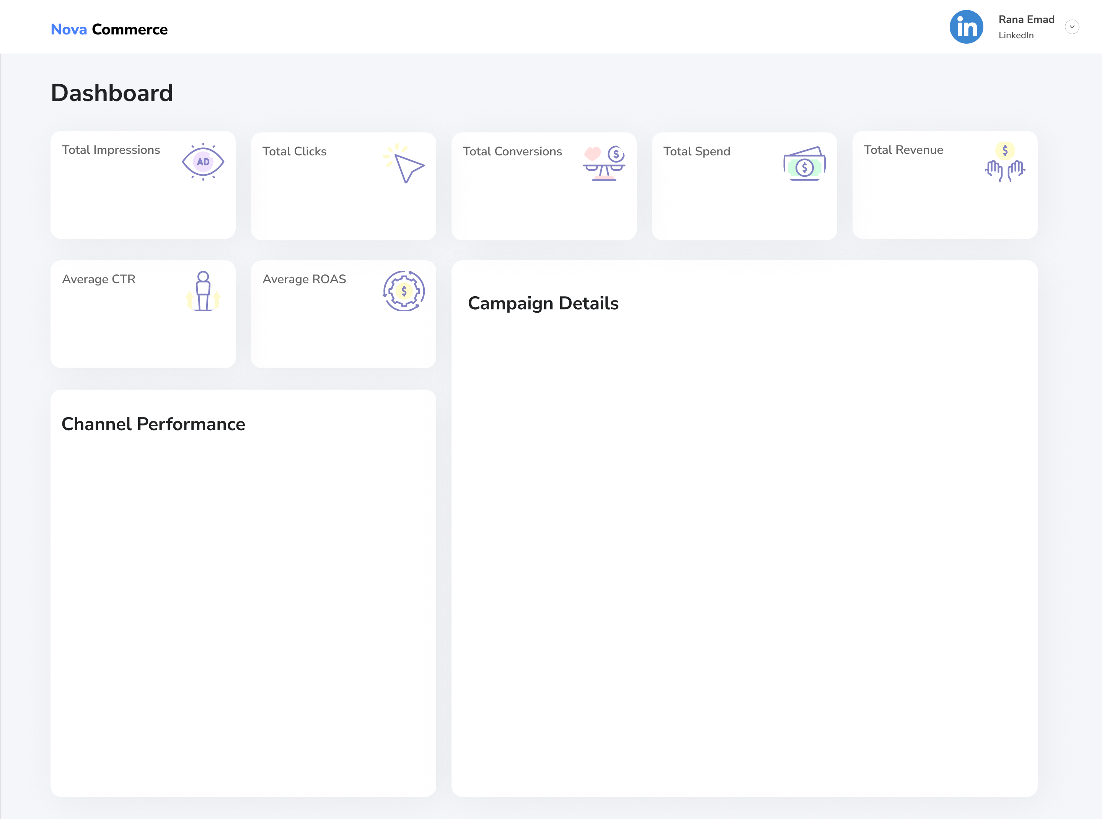

145.3M
73M
36.7 M
$14,8M
$38,5M

50.2%
$2.6
ROAS
 | Total
Bundle Bonanza | $2.52
Customer Appreciation Week | $2.53
Exclusive Access | $2.70
Fresh Finds | $2.58
Shop Smart | $2.71
Trending Now | $2.57

 | Total Ad Spend | Total Conversions | Total Impressions
Email | $3,699,235.82 | 8275602.4 | 35124141.7
Influencer Marketing | $3,665,337.81 | 9257641 | 35209358.2
Paid Ads | $3,676,960.17 | 9738490 | 37165712.7
Social Media | $3,743,388.03 | 9441637.3 | 37849031

Conversion Rate
 | Total
Bundle Bonanza | 49%
Customer Appreciation Week | 49%
Exclusive Access | 50%
Fresh Finds | 51%
Shop Smart | 54%
Trending Now | 49%

CTR
 | Total
Bundle Bonanza | 48%
Customer Appreciation Week | 50%
Exclusive Access | 52%
Fresh Finds | 51%
Shop Smart | 49%
Trending Now | 51%

Dashboard2
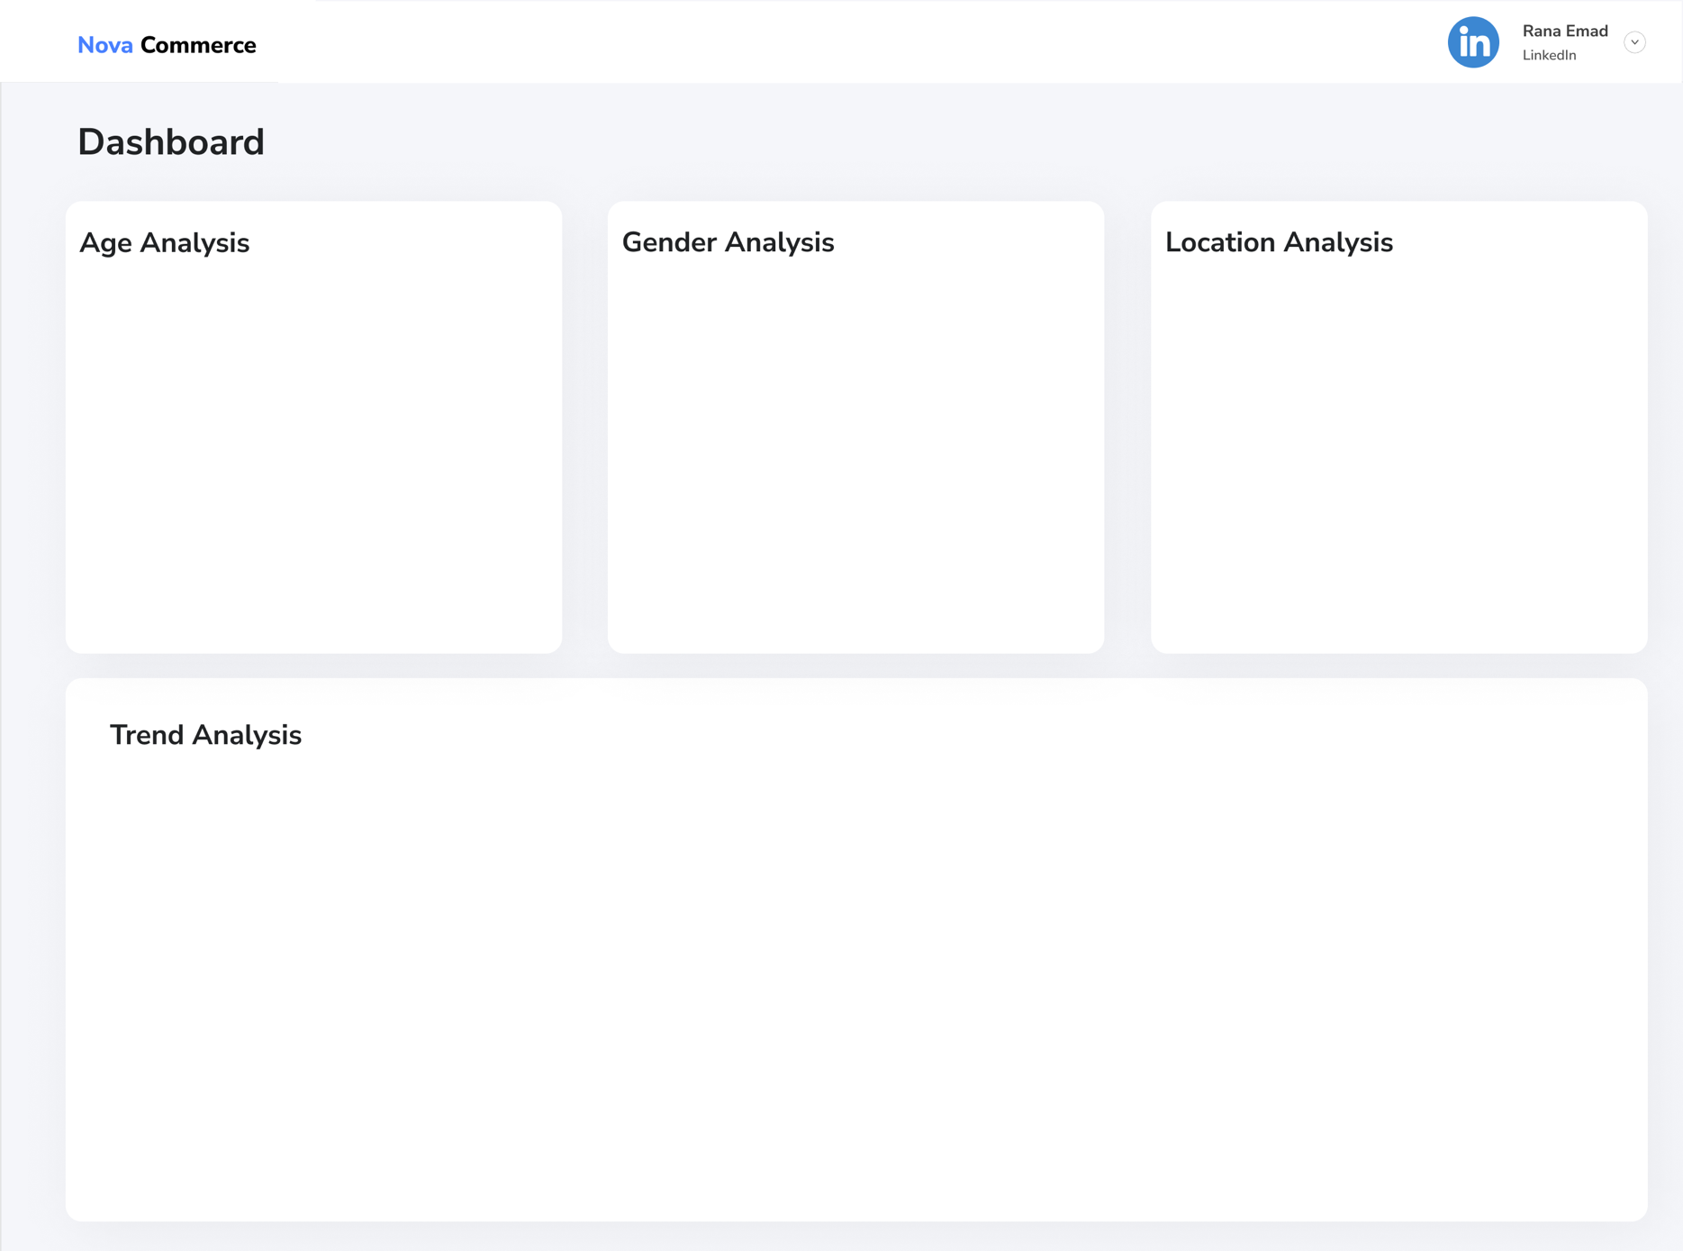
\

 | Total Conversions | Total Revenue_Generated
18-24 | 7356435.8 | $7,326,300.42
25-34 | 7393822.6 | $7,736,461.54
35-44 | 7420453.3 | $7,134,612.65
45-54 | 7807588.8 | $7,831,814.68
55+ | 6735070.2 | $8,435,212.72
 | Female | Male
Total Conversions | 17975386.1 | 18737984.6
Total Revenue_Generated | 18883528.64 | 19580873.37
 | Total Conversions | Total Revenue_Generated
Alba Iulia | 7355299 | $7,211,942.81
Brăila | 8399922.5 | $8,580,989.60
Deva | 6829497.1 | $7,188,649.22
Mediaș | 6920589 | $7,576,173.67
Pitești | 7208063.1 | $7,906,646.71

 | Conversions | Clicks | Impressions
2022-10 | 1131617.7 | 1949043.6 | 4193579.8
2022-11 | 4173242.1 | 8156972.1 | 15690502.2
2022-12 | 3498194.6 | 7172114.7 | 14243091.9
2023-01 | 4475477.2 | 8000630.2 | 15348041.2
2023-02 | 3499899.8 | 7442722.4 | 13882888.7
2023-03 | 3133189.0 | 6587579.1 | 13166063.8
2023-04 | 3374060.1 | 7004578.8 | 13954014.1
2023-05 | 3655624.0 | 7261542.0 | 15425935.2
2023-06 | 3633995.8 | 7443267.6 | 15698793.3
2023-07 | 3551612.6 | 7090027.3 | 14049226.9
2023-08 | 2586457.8 | 4901446.6 | 9696106.5

