notes
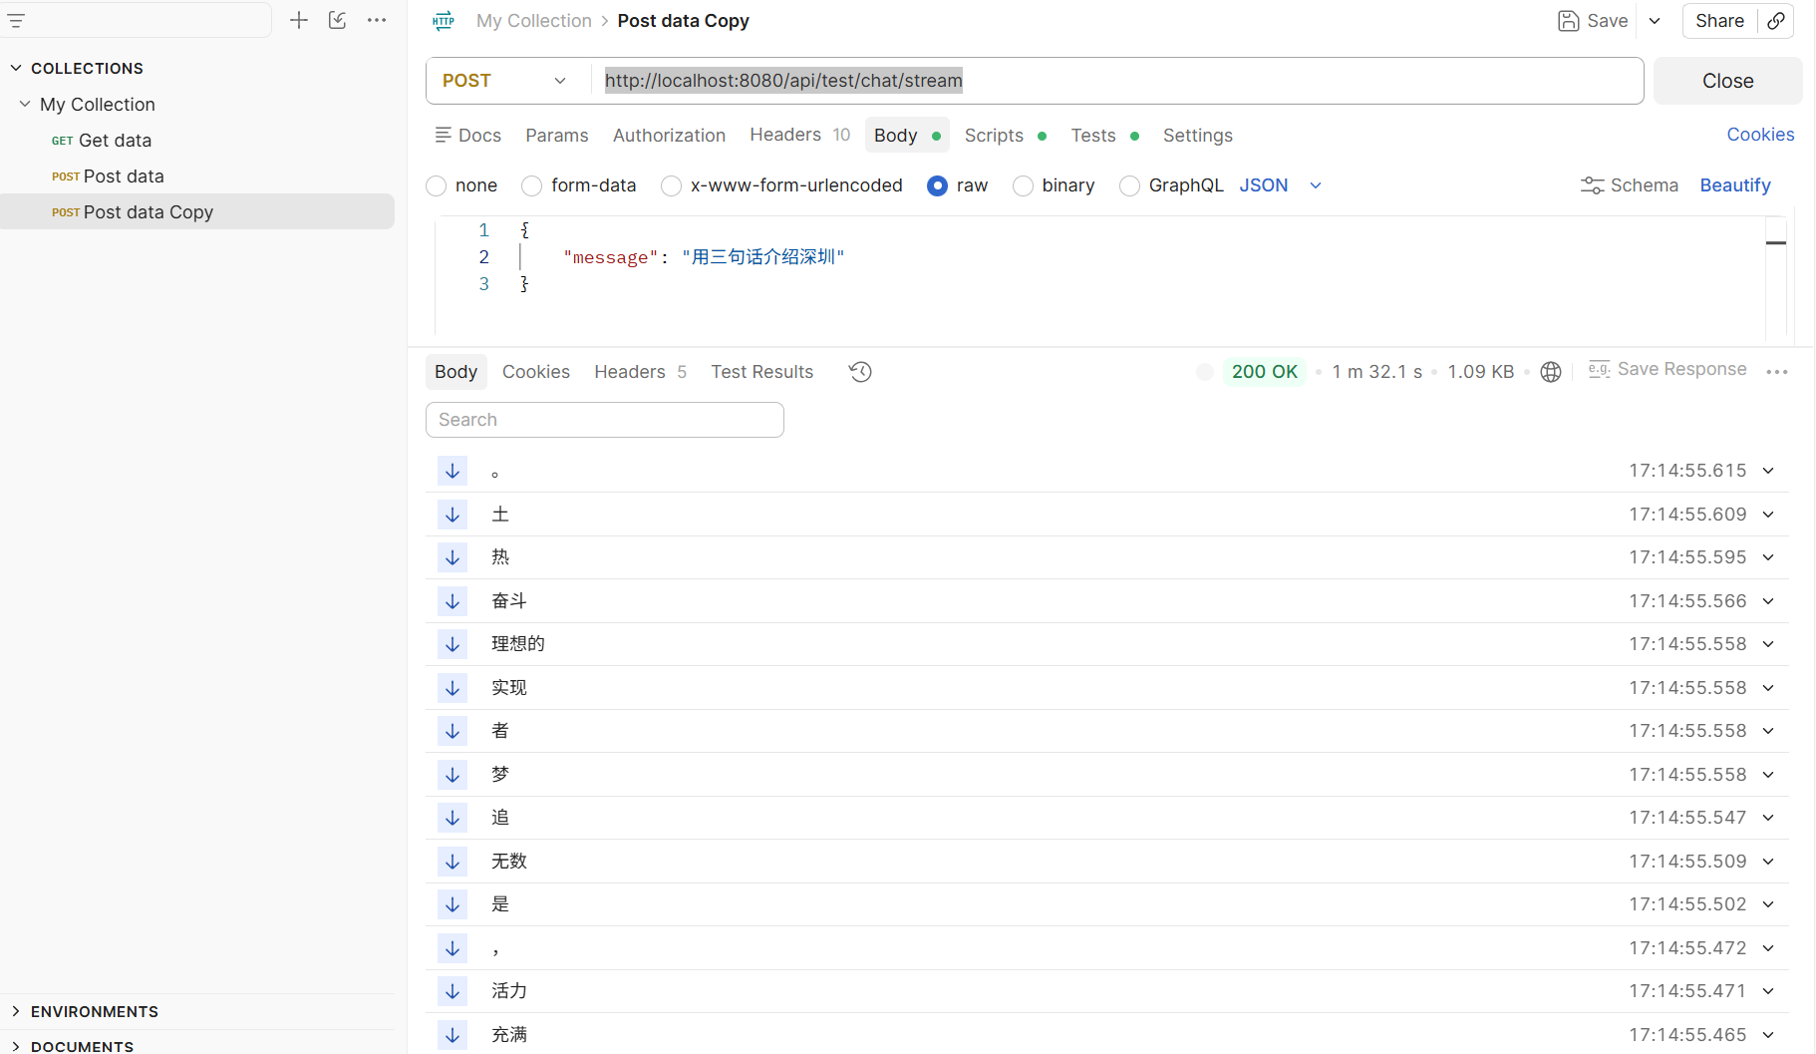
1.生成ssh key, add to github
 | PS C:\Users\杨圣> ssh-keygen -t ed25519 -C "526884815@qq.com" Generating public/private ed25519 key pair. Enter file in which to save the key (C:\Users\杨圣/.ssh/id_ed25519): Created directory 'C:\\Users\\\346\235\250\345\234\243/.ssh'. Enter passphrase (empty for no passphrase): Enter same passphrase again: Your identification has been saved in C:\Users\杨圣/.ssh/id_ed25519 Your public key has been saved in C:\Users\杨圣/.ssh/id_ed25519.pub The key fingerprint is: SHA256:VN/S8N++UHFEyp6RAF+6UUVY7zPFpYAzXbJG6TFELv4 526884815@qq.com The key's randomart image is: +--[ED25519 256]--+ | o*Oo+*B| | .+==#.*o| | . .+XoX.=| | . . o.= ==| | S . . o++| | . ..o| | E. .| | . .| | . | +----[SHA256]-----+ PS C:\Users\杨圣>

2 | 使用docker 启动 pgvector 容器(postgresql db + 安装vector 扩展)， 用作rag 的embedding 数据库

 | #1. 启动postgresql db PS D:\workspace\github\rag\rag_demo\src\main\docker>docker compose up -d
 | #2. 查看 pgvectoer 容器名字 PS D:\workspace\github\rag\rag_demo\src\main\docker> docker ps CONTAINER ID IMAGE COMMAND CREATED STATUS PORTS NAMES 14c511256a4d pgvector/pgvector:0.8.6-pg16 "docker-entrypoint.s…" 19 minutes ago Up 19 minutes (healthy) 0.0.0.0:5432->5432/tcp, [::]:5432->5432/tcp rag-postgres
 | #3.验证 pgvector 扩展是否生效 PS D:\workspace\github\rag\rag_demo\src\main\docker> docker exec rag-postgres psql -U postgres -d rag_db -c "\dx" List of installed extensions Name | Version | Schema | Description ---------+---------+------------+------------------------------------------------------ plpgsql | 1.0 | pg_catalog | PL/pgSQL procedural language vector | 0.8.6 | public | vector data type and ivfflat and hnsw access methods (2 rows)
 | #4. 查询 vector table created PS D:\workspace\github\rag\rag_demo\src\main\docker> docker exec rag-postgres psql -U postgres -d rag_db -c "\dt" List of relations Schema | Name | Type | Owner --------+------------------+-------+---------- public | knowledge_vector | table | postgres (1 row)

3 | 测试 deepseek API call success (non-stream)
 | http://localhost:8080/api/test/chat
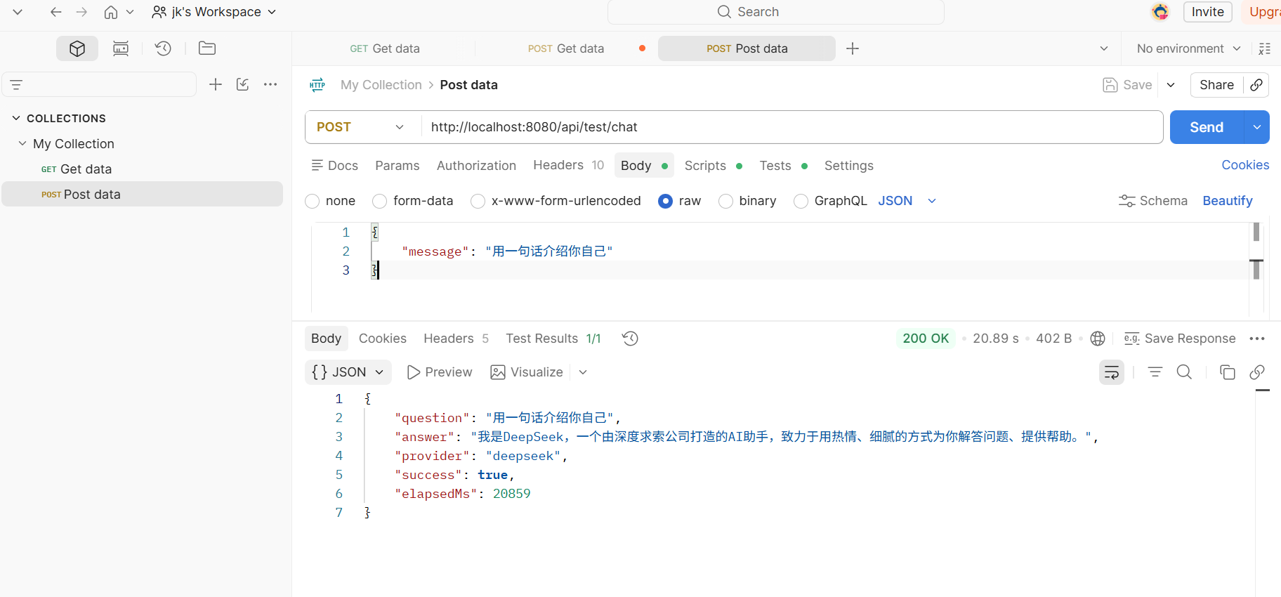

4 | 测试 deepseek api call (stream)
 | http://localhost:8080/api/test/chat/stream

