Sheet1
Test Cases for Siya Ramen Website

User Registration – Users can create an account

ID | Action | Expected Output | Actual Output | Test Result | Comments
TC-001 | Navigate to registration page | Registration form should be displayed | 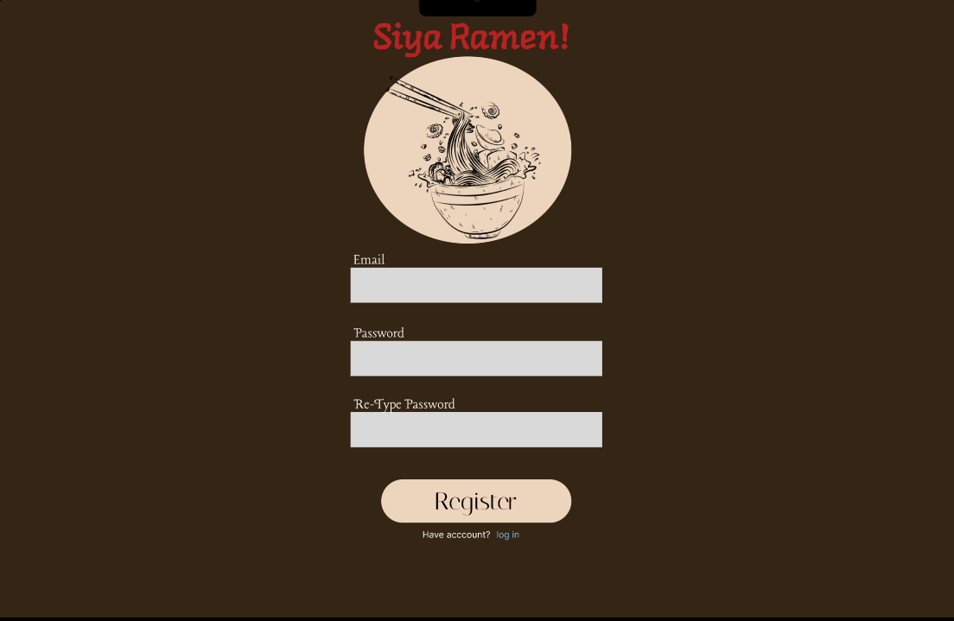
TC-002 | Try Register after registering | User should be able to log in successfully | 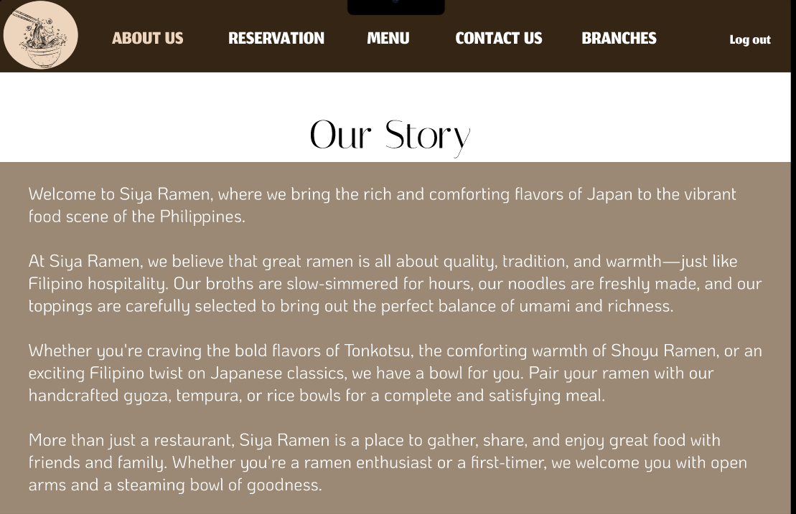

User Login & Logout

ID | Action | Expected Output | Actual Output | Test Result | Comments
TC-003 | Navigate to login page | Login form should be displayed | 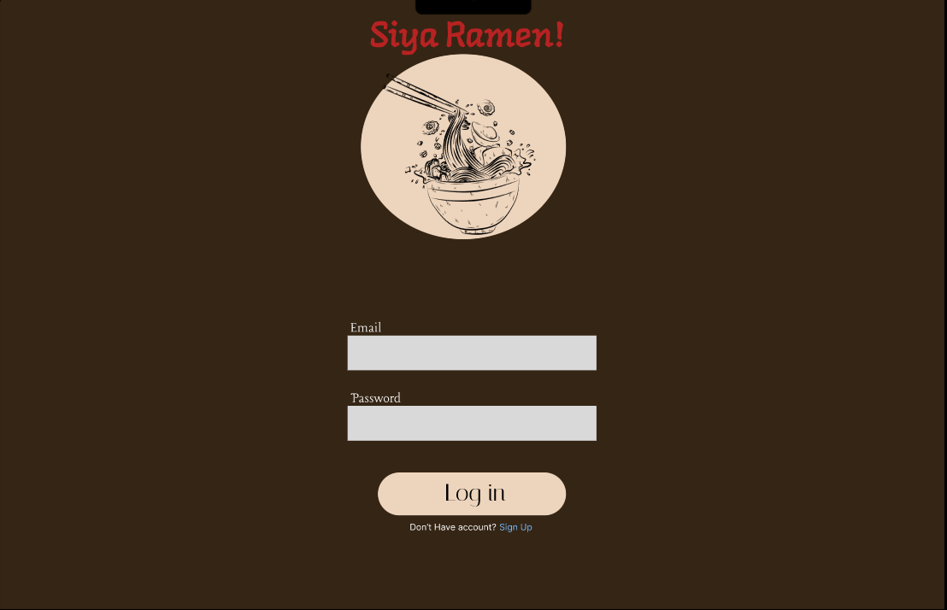
TC-004 | Enter valid email and password | User should be logged in successfully | 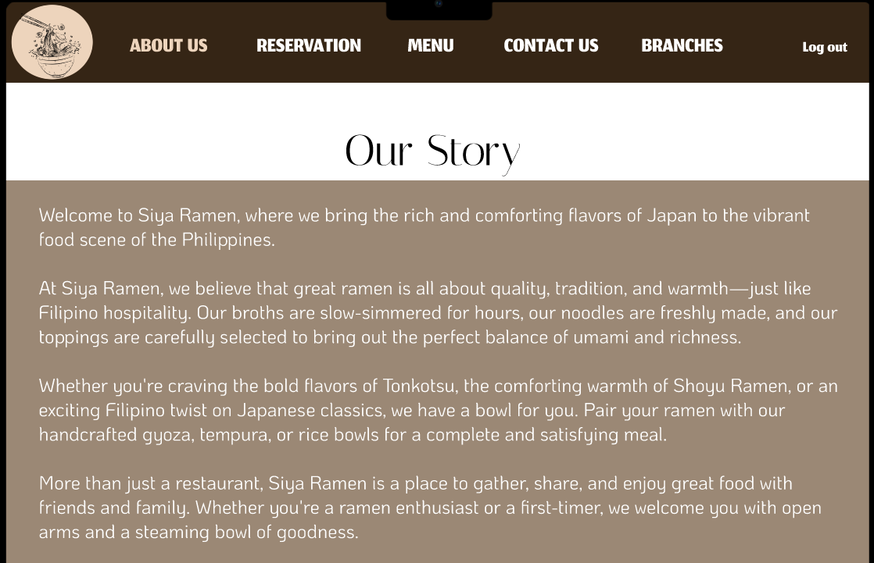
TC-005 | Click "Logout" button | User should be logged out successfully | 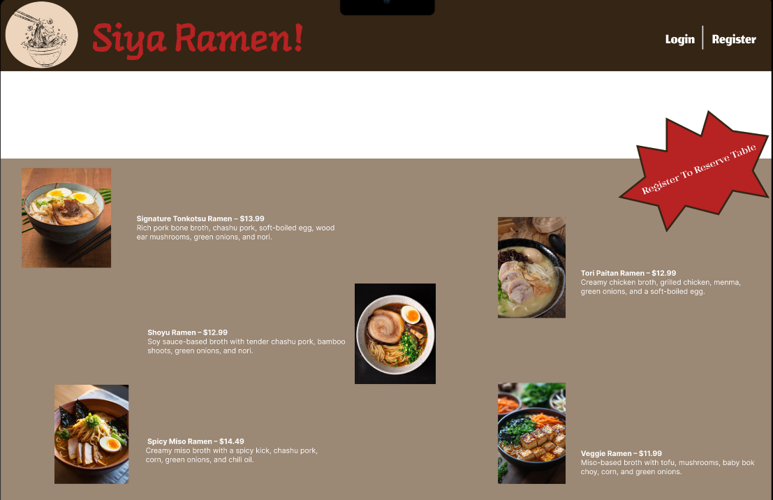
User Login

ID | Action | Expected Output | Actual Output | Test Result | Comments
TC-006 | Log in as a regular user | Redirected to user dashboard | 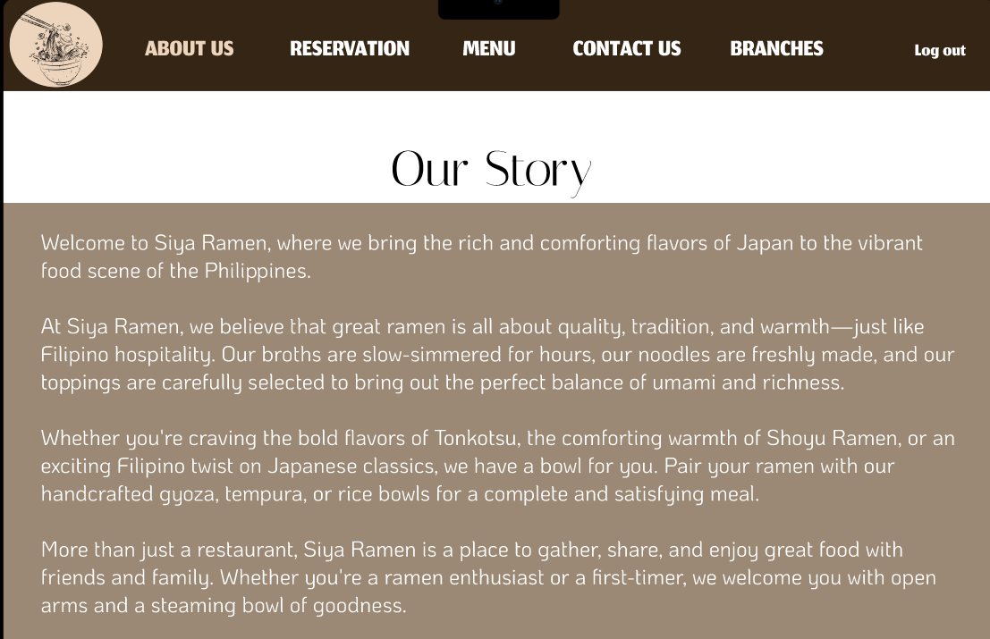

Reservation System

ID | Action | Expected Output | Actual Output | Test Result | Comments
TC-007 | User can reserve table in table category | User can reserve a table before user can have confirmation email. | 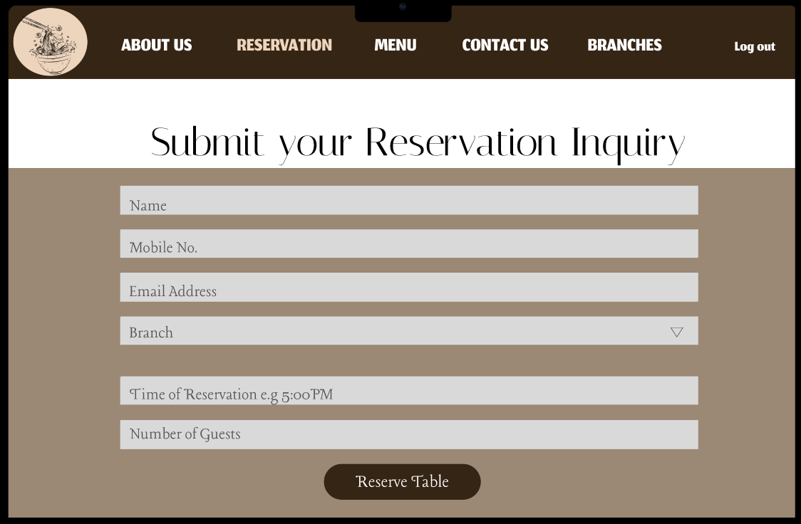
TC-008 | Reservation confirmation | User receives confirmation via pop-up and email | 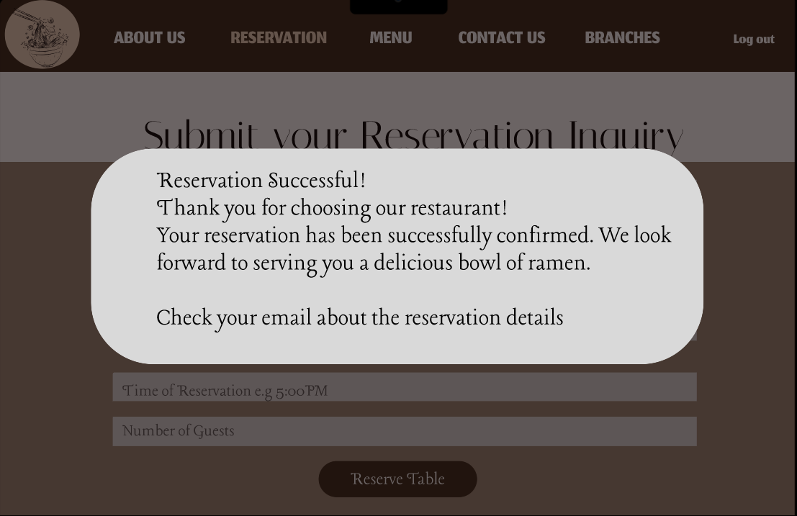
TC-09 | Modify or cancel reservation by navigating to the contact us category | User should be able to update or cancel reservation | 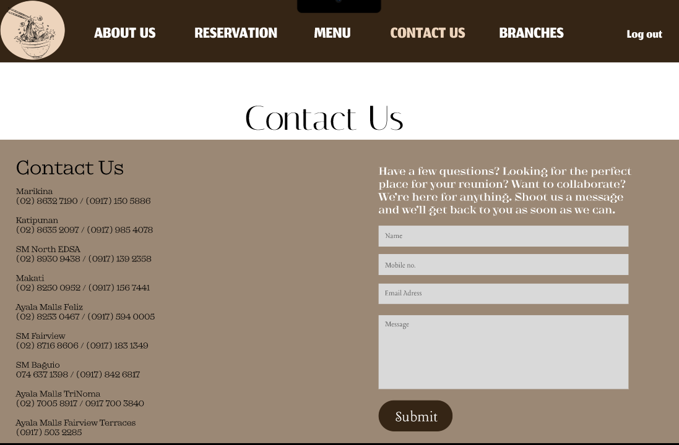

Menu & Ordering

ID | Action | Expected Output | Actual Output | Test Result | Comments
TC-010 | View categorized menu | Menu items displayed correctly | 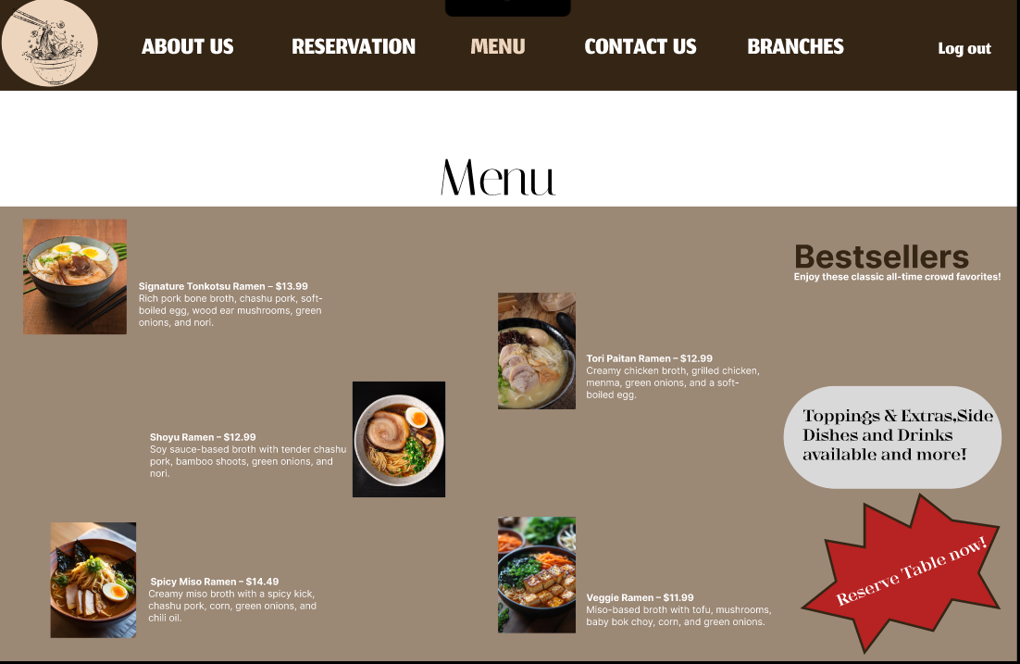
TC-011 | Check other side dishes,drinks and more! | side dishes,drinks and more displayed | 

Contact & Customer Support

ID | Action | Expected Output | Actual Output | Test Result | Comments
TC-012 | Submit inquiry via Contact Us form | Confirmation message displayed | 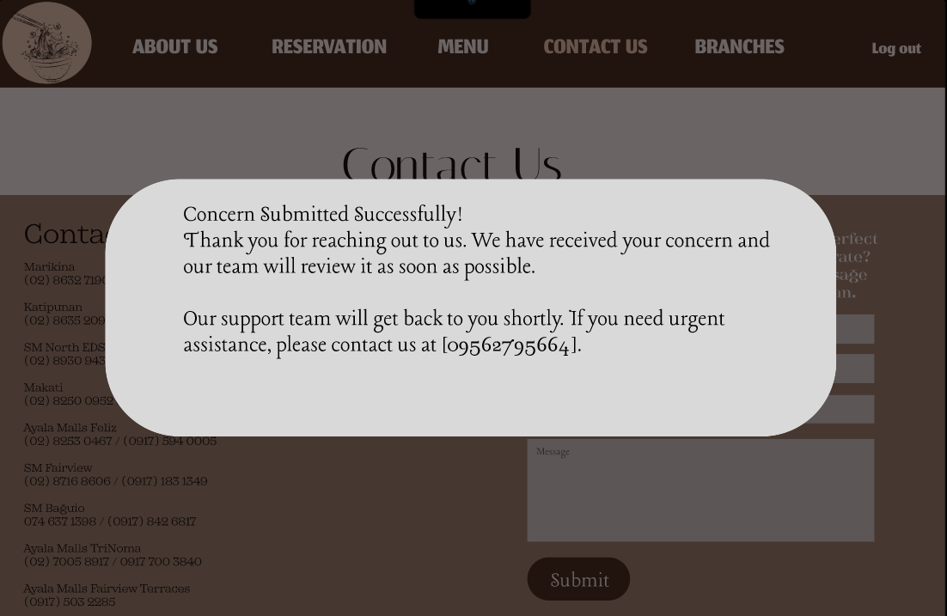

Website Navigation & UI/UX

ID | Action | Expected Output | Actual Output | Test Result | Comments
TC-013 | Navigate through Homepage, About Us, Branches | Pages load correctly | 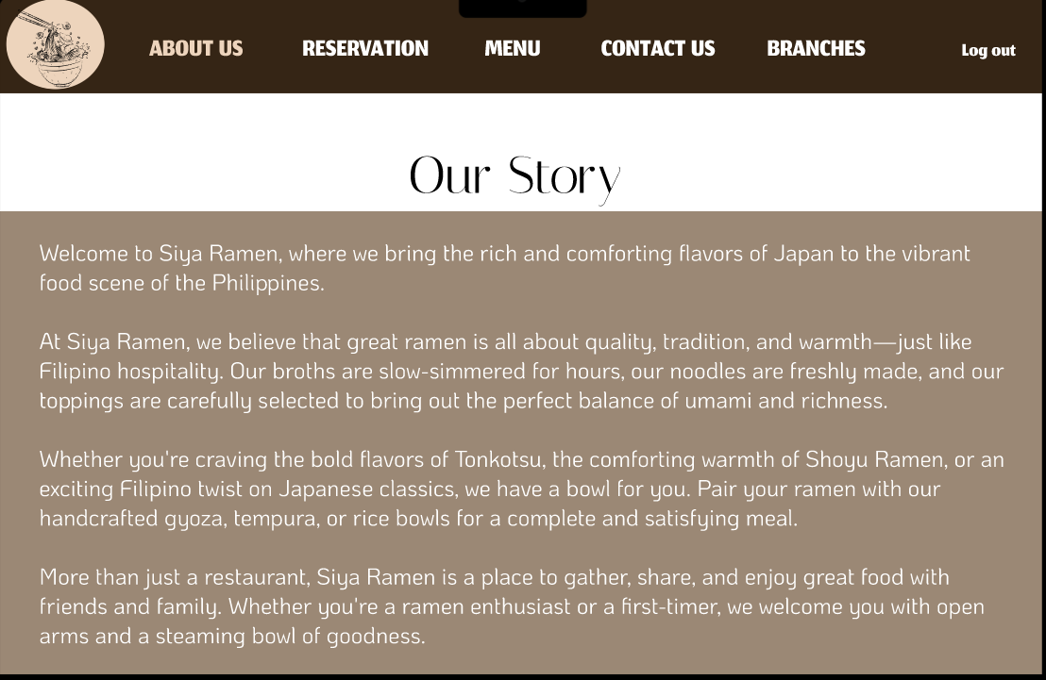
TC-014 | Check the adresses of the brances in Branches category | Branches should display correctly | 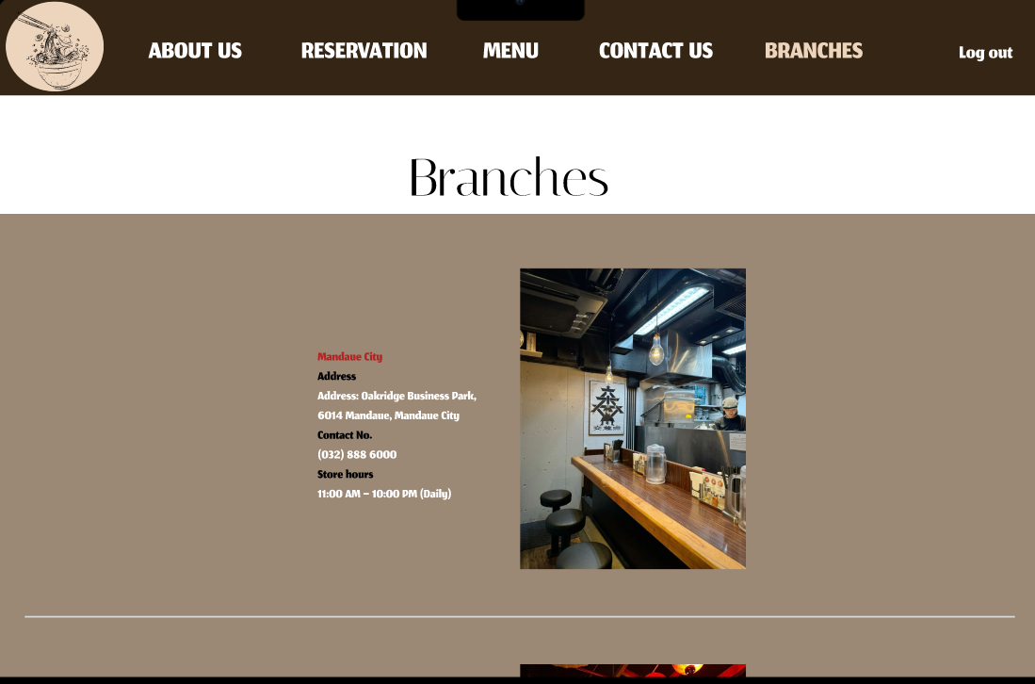

Notifications & Alerts

ID | Action | Expected Output | Actual Output | Test Result | Comments
TC-015 | Make a reservation | Pop-up notification should appear | 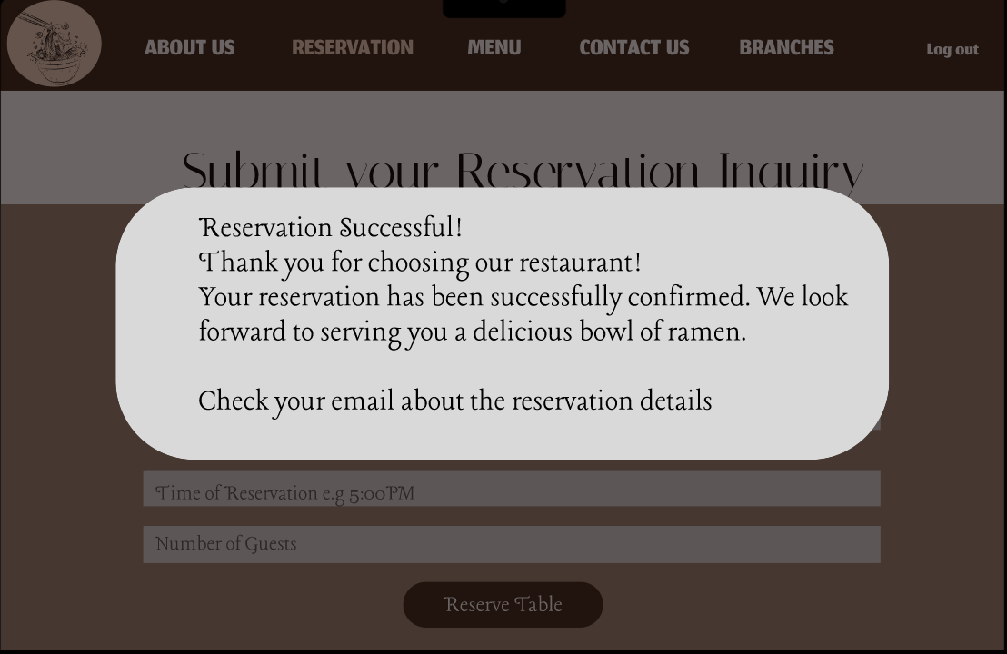

Testing & Deployment

ID | Action | Expected Output | Actual Output | Test Result | Comments
TC-016 | Final deployment on live server | Website should be accessible online | 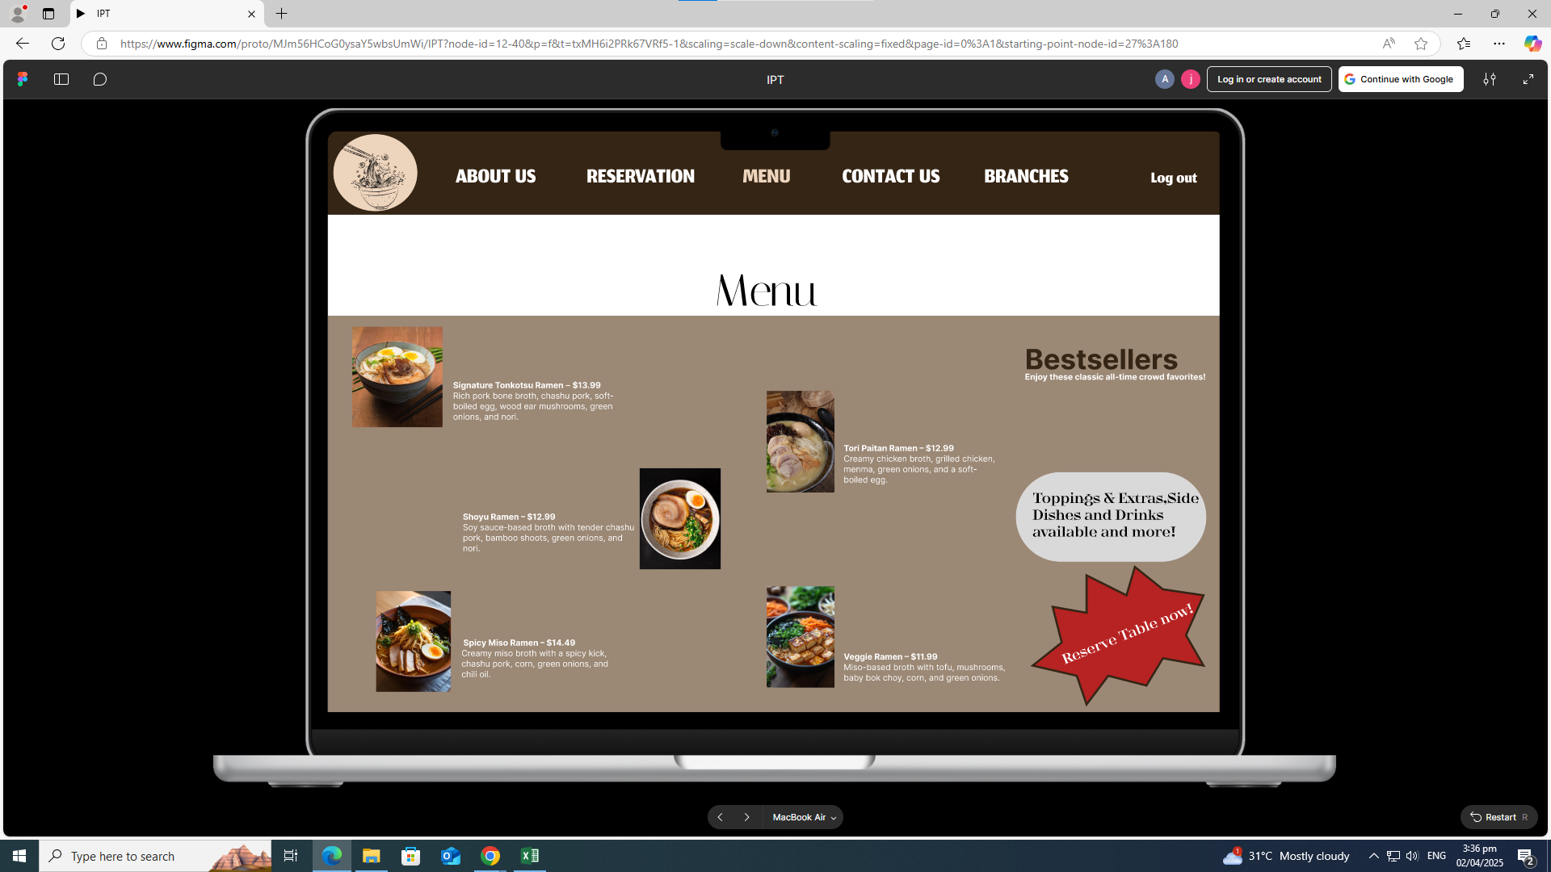

figma | IPT

MEMBERS:
RANDOLF DEBALUCOS
JHONPAUL PATATAG

