LAD-20040017
Bill of Material
Project Name: |  |  |  |  | Product Name: |  |  |  |  |  | Product Version: |  | 01
AS/AC Number: |  |  |  |  | Product Number: | NA |  |  |  |  | Customer Version: |  | 01
Customer: |  |  |  |  | Customer Number: | STU-20040017 |  |  |  |  | Issue Date: |  | 2023-11-27
Level |  |  |  | Part Number | Part Name | Ver. | Typ | St | Material | Supplier | Qty | Unit | Comments
1 | 2 | 3 | 4
1 |  |  |  | 7009492800 | Formbended PA tube 6x1,5 | 00 | F | N |  |  | 1283 | MM | 折弯：18；划线：6处
1 |  |  |  | 7008872900 | Double clip for tube OD6 weld stud M6 | 00 | I | C |  |  | 1 | PC
1 |  |  |  | 5203041500 | SV203 in line connector NG6-NG6 | 00 | I | C |  |  | 1 | PC
1 |  |  |  | 5099114200 | Protective Cap | 00 | I | C |  |  | 1 | PC
1 |  |  |  | 7005941300 | Label | 00 | I | C |  |  | 1 | PC
1 |  |  |  | 869499990030 | Thermal transfer ribbon | 00 | I | C |  |  | 1 | PC | Not shown,L=80mm
1 |  |  |  | 869499990032 | Color tape | 00 | I | C |  |  | 2 | PC | Green;L=50mm(Total length approx.100mm)

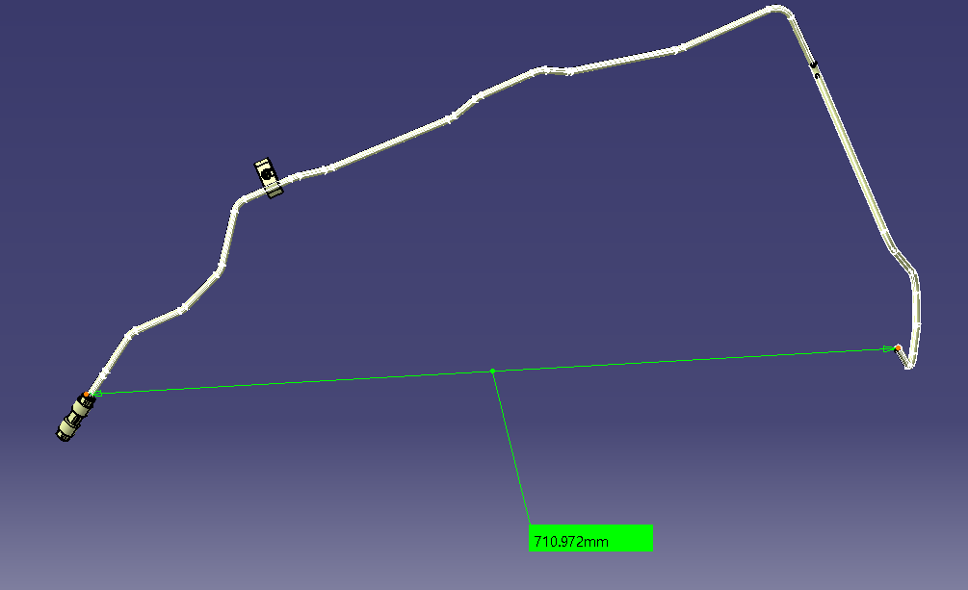

 |  |  |  |  |  |  |  |  | STU-20040017

LAD-20040018
Bill of Material
Project Name: |  |  |  |  | Product Name: |  |  |  |  |  | Product Version: |  | 01
AS/AC Number: |  |  |  |  | Product Number: | NA |  |  |  |  | Customer Version: |  | 01
Customer: |  |  |  |  | Customer Number: | STU-20040018 |  |  |  |  | Issue Date: |  | 2023-11-27
Level |  |  |  | Part Number | Part Name | Ver. | Typ | St | Material | Supplier | Qty | Unit | Comments
1 | 2 | 3 | 4
1 |  |  |  | 7009492800 | Formbended PA tube 6x1.5 | 00 | F | N |  |  | 5548 | MM | Black；折弯：49；划线：8处
1 |  |  |  | 7007104800 | Cable tie firtree | 00 | I | C |  |  | 3 | PC
1 |  |  |  | 100001243781-00 | Single clip firtree OD6 High | 00 | I | C |  |  | 1 | PC
1 |  |  |  | 100001185844 | Single clip for tube OD6 weld stud T5/M6 | 00 | I | C |  |  | 1 | PC
1 |  |  |  | 5099114200 | Protective cap | 00 | I | C |  |  | 2 | PC
1 |  |  |  | 7005941300 | Label | 00 | I | C |  |  | 1 | PC
1 |  |  |  | 869499990030 | Thermal transfer ribbon | 00 | I | C |  |  | 1 | PC
1 |  |  |  | 869499990033 | color tape | 00 | I | C |  |  | 2 | PC | Yellow;L=50mm(Total length approx.100mm)

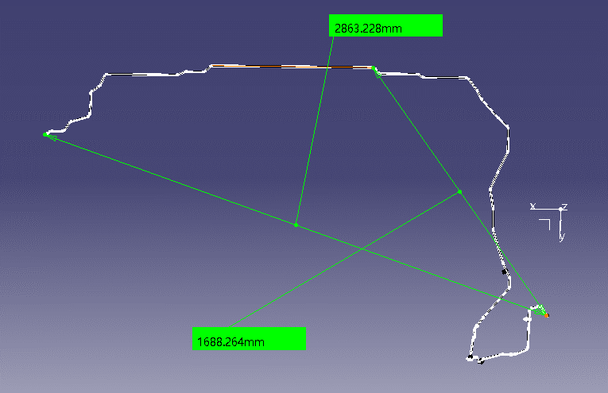

 |  |  |  |  |  |  |  |  |  | STU-20040018

LAD-20040019
Bill of Material
Project Name: |  |  |  |  | Product Name: |  |  |  |  |  | Product Version: |  | 01
AS/AC Number: |  |  |  |  | Product Number: | NA |  |  |  |  | Customer Version: |  | 01
Customer: |  |  |  |  | Customer Number: | STU-20040019 |  |  |  |  | Issue Date: |  | 2023-11-27
Level |  |  |  | Part Number | Part Name | Ver. | Typ | St | Material | Supplier | Qty | Unit | Comments
1 | 2 | 3 | 4
1 |  |  |  | 7009492800 | Formbended PA tube 6x1,5 | 00 | F | N |  |  | 1252 | MM | 折弯：18；划线：6处
1 |  |  |  | 5203041500 | SV203 in line connector NG6-NG6 | 00 | I | C |  |  | 1 | PC
1 |  |  |  | 5099114200 | Protective Cap | 00 | I | C |  |  | 1 | PC
1 |  |  |  | 7005941300 | Label | 00 | I | C |  |  | 1 | PC
1 |  |  |  | 869499990030 | Thermal transfer ribbon | 00 | I | C |  |  | 1 | PC
1 |  |  |  | 869499990033 | color tape | 00 | I | C |  |  | 2 | PC | Yellow;L=50mm(Total length approx.100mm)

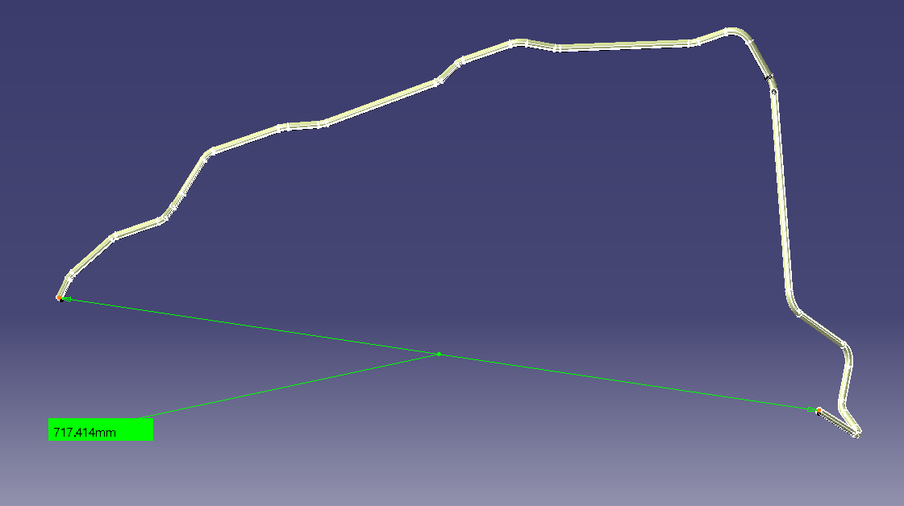

 |  |  |  |  |  |  |  |  |  | STU-20040019

LAD-20040020
Bill of Material
Project Name: |  |  |  |  | Product Name: |  |  |  |  |  | Product Version: |  | 01
AS/AC Number: |  |  |  |  | Product Number: | NA |  |  |  |  | Customer Version: |  | 01
Customer: |  |  |  |  | Customer Number: | STU-20040020 |  |  |  |  | Issue Date: |  | 2023-11-27
Level |  |  |  | Part Number | Part Name | Ver. | Typ | St | Material | Supplier | Qty | Unit | Comments
1 | 2 | 3 | 4
1 |  |  |  | 7009492800 | Formbended PA tube 6x1,5 | 00 | F | N |  |  | 975 | MM | 折弯;12;划线：5
1 |  |  |  | 7010806600 | Four clip for tube OD6 weld stud | 00 | I | C |  |  | 3 | PC
1 |  |  |  | 5099114200 | Protective Cap | 00 | I | C |  |  | 2 | PC
1 |  |  |  | 7005941300 | Label | 00 | I | C |  |  | 1 | PC
1 |  |  |  | 869499990030 | Thermal transfer ribbon | 00 | I | C |  |  | 1 | PC | Not shown,L=80mm
1 |  |  |  | 869499990031 | color tape | 00 | I | C |  |  | 2 | PC | Blue;L=50mm(Total length approx.100mm)

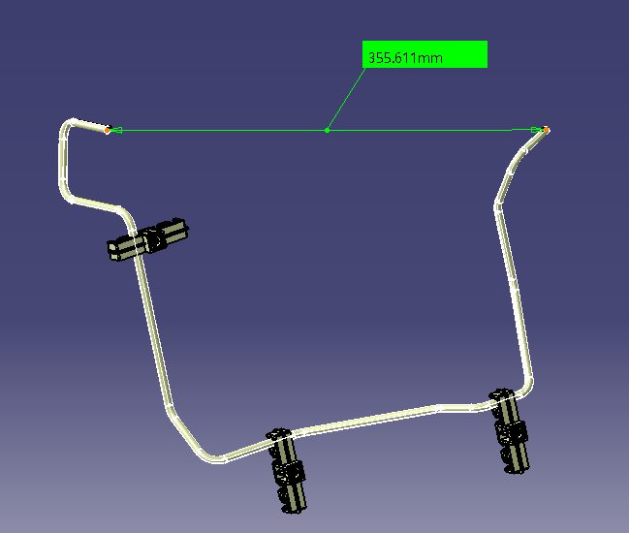

 |  |  |  |  |  |  |  |  |  |  |  |  | STU-20040020

LAD-20040022
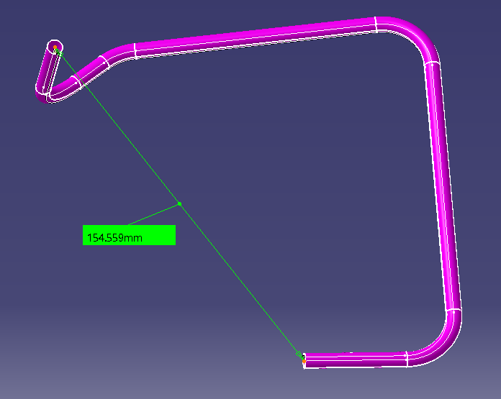
Bill of Material
Project Name: |  |  |  |  | Product Name: |  |  |  |  |  | Product Version: |  | 01
AS/AC Number: |  |  |  |  | Product Number: |  |  |  |  |  | Customer Version: |  | 01
Customer: |  |  |  |  | Customer Number: | STU-20040022 |  |  |  |  | Issue Date: |  | 2023-11-27
Level |  |  |  | Part Number | Part Name | Ver. | Typ | St | Material | Supplier | Qty | Unit | Comments
1 | 2 | 3 | 4
1 |  |  |  | 7009492800 | Formbended PA tube 6x1,5 | 00 | F | N |  |  | 395 | MM | 折弯：4；划线：2处
1 |  |  |  | 5099114200 | Protective cap | 00 | I | C |  |  | 2 | PC
1 |  |  |  | 7005941300 | Label | 00 | I | C |  |  | 1 | PC
1 |  |  |  | 869499990030 | Thermal transfer ribbon | 00 | I | C |  |  | 1 | PC | Not shown,L=80mm
1 |  |  |  | 7001156300 | color tape | 00 | I | C |  |  | 2 | PC | Violet;L=50mm(Total length approx.100mm)

