HS Old Data
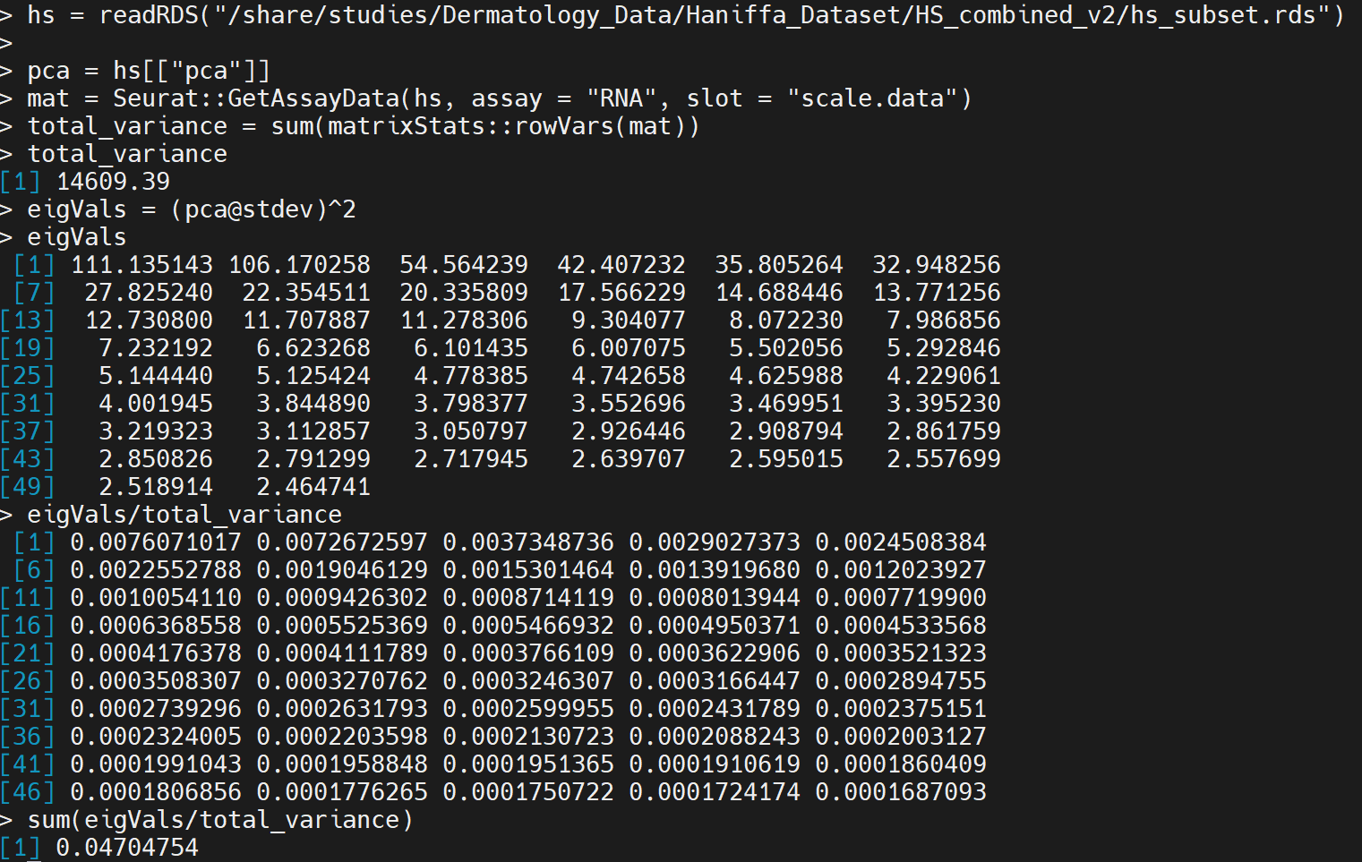
Scanpy
Flavor | Batch on GSM | Genes | Regress MT | PCA_50 Var Ratio
seurat | TRUE | 3000 | FALSE | 0.492
seurat | TRUE | 3000 | TRUE | 0.306

Seurat | 4.70%

