DASHBOARD ANALYTIC PLAN
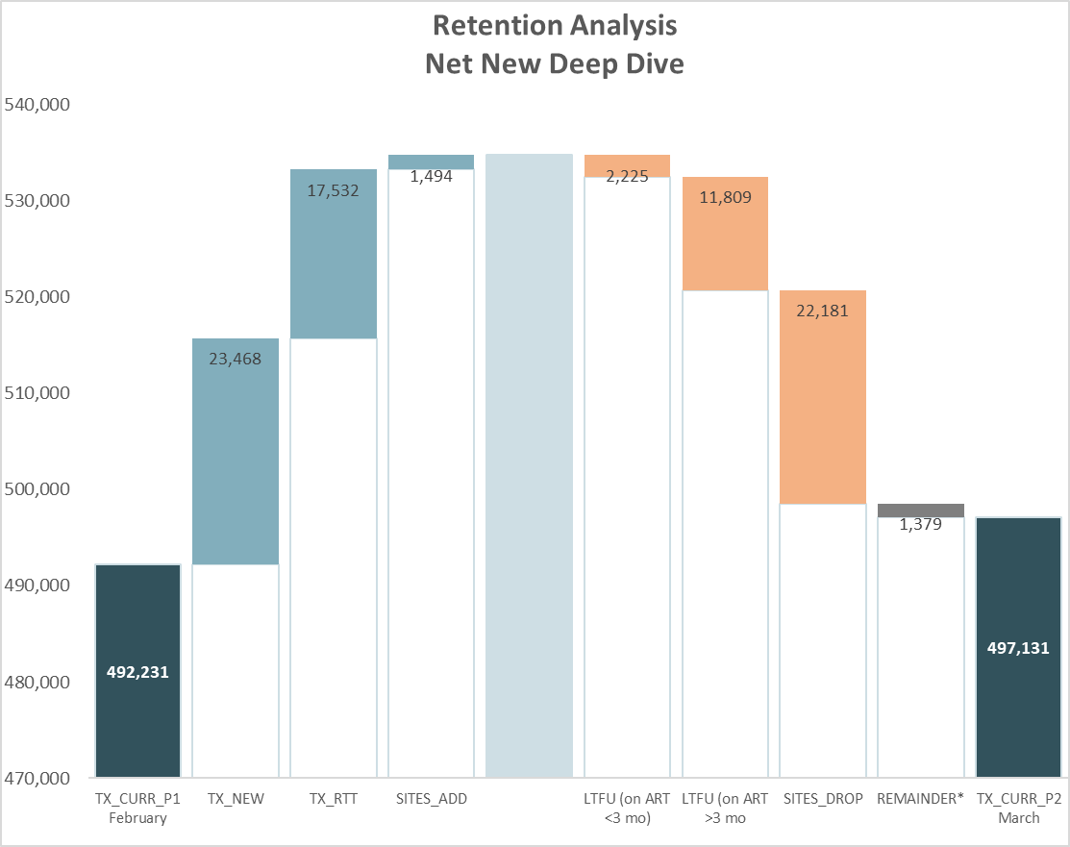
Structured DATA SET by site |  |  |  |  |  | VISUALIZATION ANALYTIC PLAN
Indicator List | Reporting Period | Meta Data | Age/Sex Disags | Standard Disag | Other Disag | Waterfall Graph |  | Example:
TX_CURR | DATA_PULL | STATE, LGA, FACILITY_NAME, FACILITY_UID, IMPLEMENTING_PARTNER | AGE, SEX |  |  | Number of patients by site
TX_NEW | DATA_PULL | STATE, LGA, FACILITY_NAME, FACILITY_UID, IMPLEMENTING_PARTNER | AGE, SEX |  |  |  | TX_NEW
TOTAL_INACTIVE | DATA_PULL | STATE, LGA, FACILITY_NAME, FACILITY_UID, IMPLEMENTING_PARTNER | AGE, SEX | ART_TIME, INACTIVE_QTR, INACTIVE_MONTH, INACTIVE_TIME |  |  | RETURNED
LOST_IN_TX (Data Quality) | DATA_PULL | STATE, LGA, FACILITY_NAME, FACILITY_UID, IMPLEMENTING_PARTNER | AGE, SEX | ART_TIME, INACTIVE_QTR, INACTIVE_MONTH, INACTIVE_TIME | LOST_IN_TX_REASON [ERRORS: DATA ENTRY; NDR UPLOAD; DUPLICATE FILE; OTHER] |  | SITES_ADD
LTFU | DATA_PULL | STATE, LGA, FACILITY_NAME, FACILITY_UID, IMPLEMENTING_PARTNER | AGE, SEX | ART_TIME, INACTIVE_QTR, INACTIVE_MONTH, INACTIVE_TIME |  |  | LTFU (on ART <3 mo)
TRACK_ATTEMPTED_Y | DATA_PULL | STATE, LGA, FACILITY_NAME, FACILITY_UID, IMPLEMENTING_PARTNER | AGE, SEX | ART_TIME, INACTIVE_QTR, INACTIVE_MONTH, INACTIVE_TIME |  |  | LTFU (on ART >3 mo)
TRACK_ATTEMPTED_N | DATA_PULL | STATE, LGA, FACILITY_NAME, FACILITY_UID, IMPLEMENTING_PARTNER | AGE, SEX | ART_TIME, INACTIVE_QTR, INACTIVE_MONTH, INACTIVE_TIME |  |  | Lost in Care (Data Quality)
REACHED_Y | DATA_PULL | STATE, LGA, FACILITY_NAME, FACILITY_UID, IMPLEMENTING_PARTNER | AGE, SEX | ART_TIME, INACTIVE_QTR, INACTIVE_MONTH, INACTIVE_TIME |  |  | Died
REACHED_N | DATA_PULL | STATE, LGA, FACILITY_NAME, FACILITY_UID, IMPLEMENTING_PARTNER | AGE, SEX | ART_TIME, INACTIVE_QTR, INACTIVE_MONTH, INACTIVE_TIME |  |  | Transferred out
NOT_REACHED | DATA_PULL | STATE, LGA, FACILITY_NAME, FACILITY_UID, IMPLEMENTING_PARTNER | AGE, SEX | ART_TIME, INACTIVE_QTR, INACTIVE_MONTH, INACTIVE_TIME | NOT_REACHED_REASON [NO CONTACT INFO, INCORRECT CONTACT INFO, OTHER] |  | Refused Return
REACHED_RETURN | DATA_PULL | STATE, LGA, FACILITY_NAME, FACILITY_UID, IMPLEMENTING_PARTNER | AGE, SEX | ART_TIME, INACTIVE_QTR, INACTIVE_MONTH, INACTIVE_TIME |  |  | SITES_DROP
DEAD | DATA_PULL | STATE, LGA, FACILITY_NAME, FACILITY_UID, IMPLEMENTING_PARTNER | AGE, SEX | ART_TIME, INACTIVE_QTR, INACTIVE_MONTH, INACTIVE_TIME |  |  | Remainder
TRANSFERRED_OUT | DATA_PULL | STATE, LGA, FACILITY_NAME, FACILITY_UID, IMPLEMENTING_PARTNER | AGE, SEX | ART_TIME, INACTIVE_QTR, INACTIVE_MONTH, INACTIVE_TIME
REACHED_REFUSE_RETURN | DATA_PULL | STATE, LGA, FACILITY_NAME, FACILITY_UID, IMPLEMENTING_PARTNER | AGE, SEX | ART_TIME, INACTIVE_QTR, INACTIVE_MONTH, INACTIVE_TIME |  | Retention Cascade |  | Example | Inactive patients | 1000
Retention Tracking Cascade
RETURN_VALIDATE | DATA_PULL | STATE, LGA, FACILITY_NAME, FACILITY_UID, IMPLEMENTING_PARTNER | AGE, SEX | ART_TIME, INACTIVE_QTR, INACTIVE_MONTH, INACTIVE_TIME |  |  | Total Inactive patients |  | Reached | 800
SITES_ADD | DATA_PULL | STATE, LGA, FACILITY_NAME, FACILITY_UID, IMPLEMENTING_PARTNER | AGE, SEX |  |  |  | Total Reached |  | Returned | 400
SITES_DROP | DATA_PULL | STATE, LGA, FACILITY_NAME, FACILITY_UID, IMPLEMENTING_PARTNER | AGE, SEX |  |  |  | Total Returned |  | Not returned | 400
REMAINDER | DATA_PULL | STATE, LGA, FACILITY_NAME, FACILITY_UID, IMPLEMENTING_PARTNER | AGE, SEX |  |  |  | Total not returned

Reason why patients have not returned
 |  |  |  |  |  | Reason Not Returned |  | Example | Died | 35
 |  |  |  |  |  |  | Total Died |  | Refused | 50
 |  |  |  |  |  |  | Total Refused |  | Transferred | 100
 |  |  |  |  |  |  | Total Transferred |  | LTFU | 180
 |  |  |  |  |  |  | Total Unable to Reach |  | Unable to Reach | 35

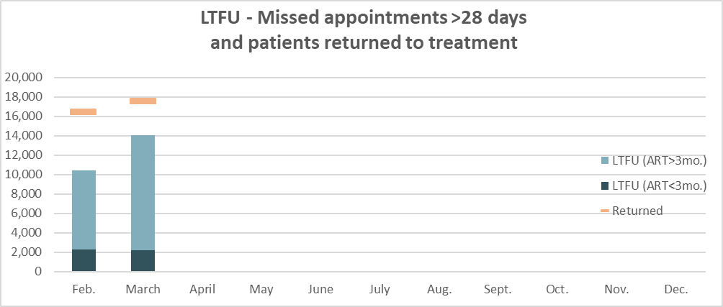
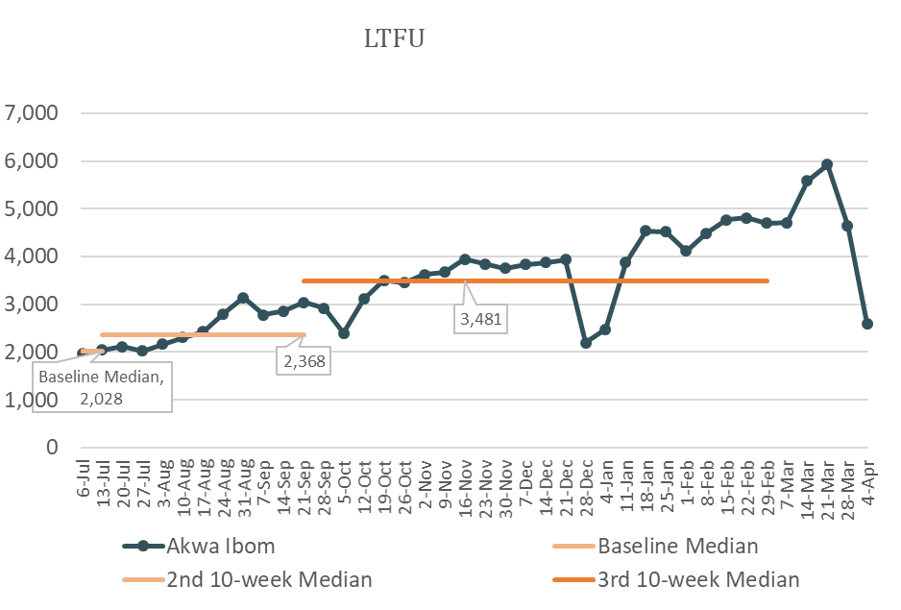
 |  |  |  |  |  | Time Trends by each key indicator (will be added after we have a couple data points)
 |  |  |  |  |  |  | Total Inactive Patients
 |  |  |  |  |  |  | Total LTFU
 |  |  |  |  |  |  | Total Deaths
 |  |  |  |  |  |  | Total Unable to Reach
 |  |  |  |  |  |  | Total Transfers

