Bugs
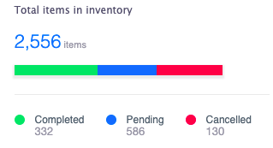
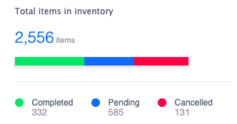
S.No | Bug ID | Bug Type | Priority | Description | Steps | Expected Result | Actual Result | Screenshots
1 | PIZZA-ORD-001 | Functional / UX | Medium | Link redirection for the menu icons displayed on the right nav of header not working | 1. Navigate to http://localhost:4200/dashboard 2. Verify and Click on each of the Icon links - Chat, Alert, Help | 1. Each link should open a specific window/section. 2. Only icons should be displayed | 1. No redirection configured for the links 2. Only icons should be displayed for the help. "Help" text should be removed.
2 | PIZZA-ORD-002 | Functional | Medium | Inconsistent currency displayed on Dashboard - Total Sales and New order page | 1. Navigate to http://localhost:4200/dashboard 2. Verify the currency displayed for Total Sales 3. Verify the currency displayed in New order page | Currency should be displayed as "GBP | Currency displayed as "USD"
3 | PIZZA-ORD-003 | UX | High | Complete page Background color not set to #15335c | 1. Navigate to http://localhost:4200/dashboard 2. Verify the background color of the complete page displayed | Background color of the complete page should be #15335c | Background color of #15335c is applied only to the height of 653px but should be 100%
4 | PIZZA-ORD-004 | Functional | High | Field level validation not applied for Basic information | 1. Navigate to http://localhost:4200/dashboard 2. Click on new order 3. Enter only special character for each of the field - name, email address, address, contact 4. Select pizza size : Large 5. Place order | Error should be applied for the each of the fields : Name - Min character validation, allowed special characters, etc Email - email format validation Address - Min character validation, allowed special characters Contact - Min and Max character validation, should restrict alphabers/special characters, allowed contact number format. | Order successfully saved by entering only '%" as value for basic information fields | 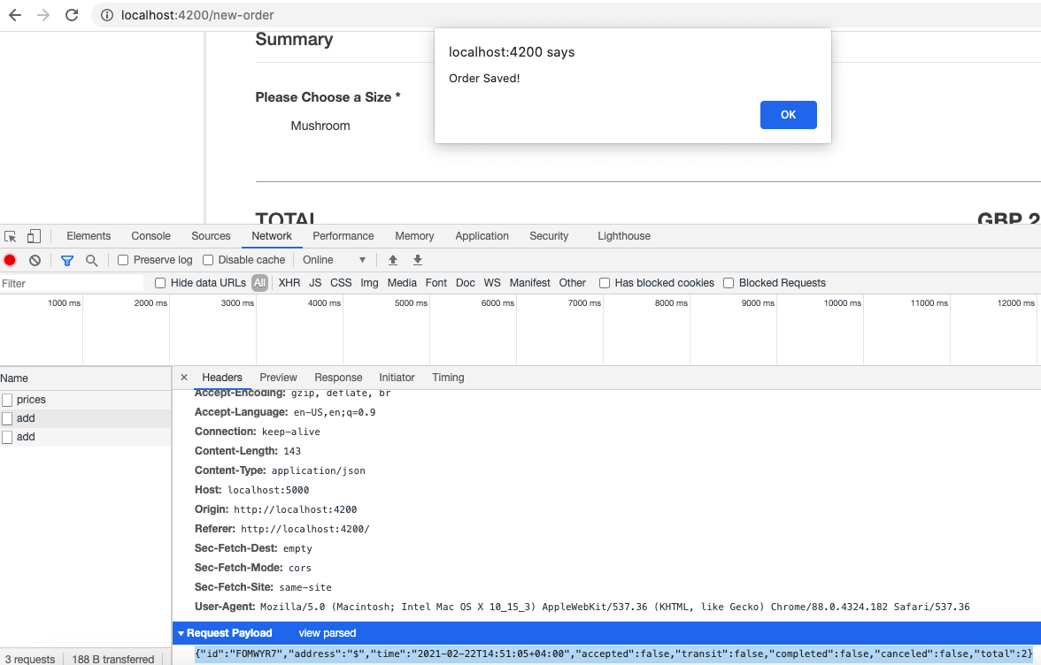
5 | PIZZA-ORD-005 | Functional | High | Pizza order can be placed by selecting only toppings but not the pizza size | 1. Navigate to http://localhost:4200/dashboard 2. Click on new order 3. Enter all the basic information - name, email address, address, contact 4. Select pizza toppings : Mushroom, Olive, Onion 5. Place order | Error should be displayed as "Please Choose a Size" | Order successfully saved.
6 | PIZZA-ORD-006 | UX | Medium | Additional Issues with new order page | 1. Navigate to http://localhost:4200/dashboard 2. Click on new order 3. Click Add Pizza 4. Click collapse option in the pizza block 5. Click Add pizza again. 6. Select Pizza 3 size as Large 7. Select toppings - Mushroom, Olive 8. Click on Add Pizza for n times | 1. User should be able to expand/collapse the pizza block 2. Pizza 3 price should be displayed on Summary block with no blank space. 3. Toppings price in Summary block should be displayed with currency prefix GBP. 4. Max limit should be set for "Add Pizza" after which it should be disabled. | 1. Unable to expand/collapse Pizza block 2. Blank space displayed below Summary header and Pizza 3 price. 3. No currency prefix displayed for toppings price. 4. Able to Add pizza for 30+ times could be performance impact.
7 | PIZZA-ORD-007 | Functional | High | Delivery stats displayed in Dashboard vs Order status page discrepancy | 1. Navigate to http://localhost:4200/dashboard 2. Verify the delivery status count displayed for Total Orders, Completed, Pending | 1. Count should be matching in Dashboard and Status page | Dashboard : Total Orders: 150, Completed - 120, Pending - 30 Status Page: Completed - 331, Pending - 584, Cancelled - 130
8 | PIZZA-ORD-008 | Functional | High | Status page - new orders are display is not in sorted order and ordered time is not converted to hours | 1. Navigate to http://localhost:4200/dashboard 2. Place a new order | Status page should display latest order as first row of the table and the ordered time will be displayed in hours after 60 seconds | New orders are displayed as last row of the table Ordered time displayed as 1007 minutes ago
9 | PIZZA-ORD-009 | UX | High | UX Issues - Dashboard page | 1. Navigate to http://localhost:4200/dashboard 2. Verify the Title and label of Delivery Status, Total Orders, Total Sales 3. Verify report section - labels, value, progress bar display for Ontime delivery, Late deliveries, Performance | 1. Font size, Font weight, Case should be consistent with all Titles and labels on the Dashboard page 2. label, value, progress bar - font size, font color should be consistent with all the labels. | 1. Font size, Font weight, case of Delivery Status, Total Orders, Total Sales not in consistent with Order history and Report 2. % value font size, font color not in consistent with Ontime delivery and late deliveries. Progress bar missing as well. | 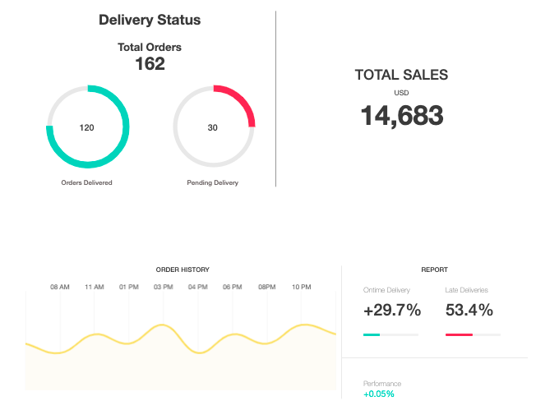
10 | PIZZA-ORD-010 | Functional / Integration | Very High | Basic information name, email, contact num, pizza size, toppings are not sent to backend while the order is getting created. | 1. Navigate to http://localhost:4200/dashboard 2. Place a new order 3. Verify the network request on the details sent | 1. All the basic information and pizza information should be sent to the service call for order creation. | 1. Only the user entered address information is sent in the service request. Payload: {"id":"FOMWYR7","address":"$","time":"2021-02-22T14:51:05+04:00","accepted":false,"transit":false,"completed":false,"canceled":false,"total":2}

