Sheet1
Brand | Product-Name | Shade Name | Shade Color | Type | R | G | B | H | S | L | Undertone
Somethinc | Copy Paste Tinted Sunscreen SPF 40 PA++++ | C01 Perle | #f0d0c3 | Tinted Sunscreen | 240 | 208 | 195 | 17 | 60 | 85 | cool | 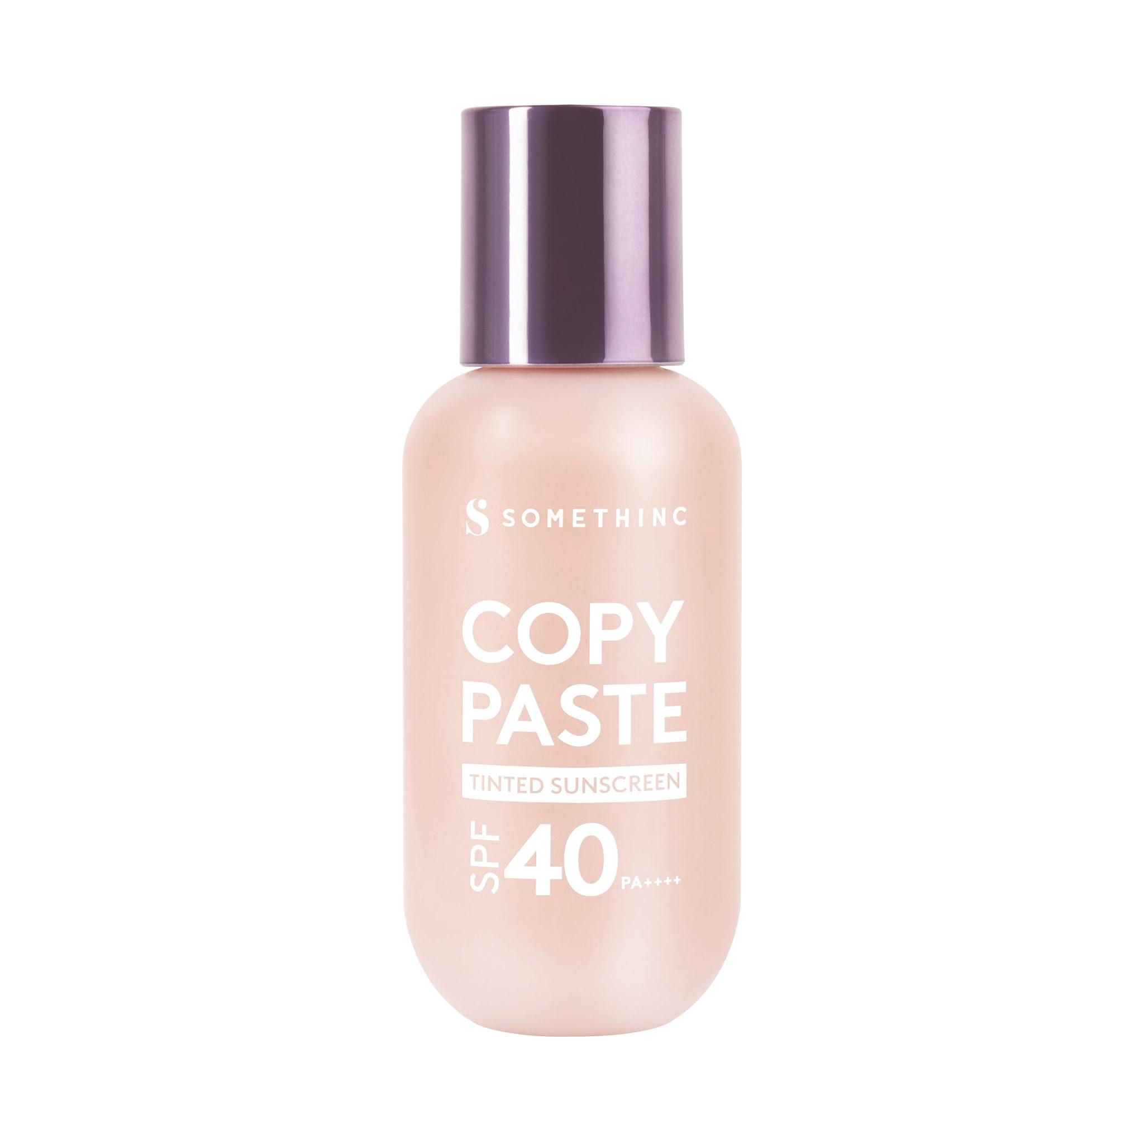
Somethinc | Copy Paste Tinted Sunscreen SPF 40 PA++++ | C0.15 Butter | #e7c7b0 | Tinted Sunscreen | 231 | 199 | 176 | 25 | 53 | 80 | cool | 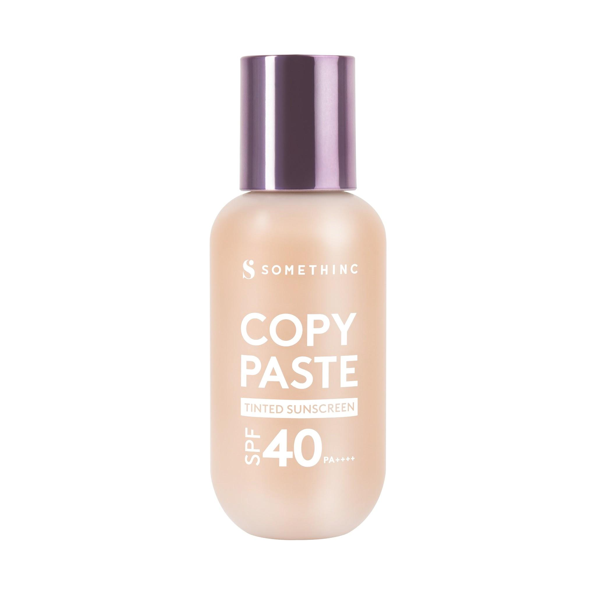
Somethinc | Copy Paste Tinted Sunscreen SPF 40 PA++++ | C02 Serene | #e5bca6 | Tinted Sunscreen | 229 | 188 | 166 | 21 | 55 | 77 | cool | 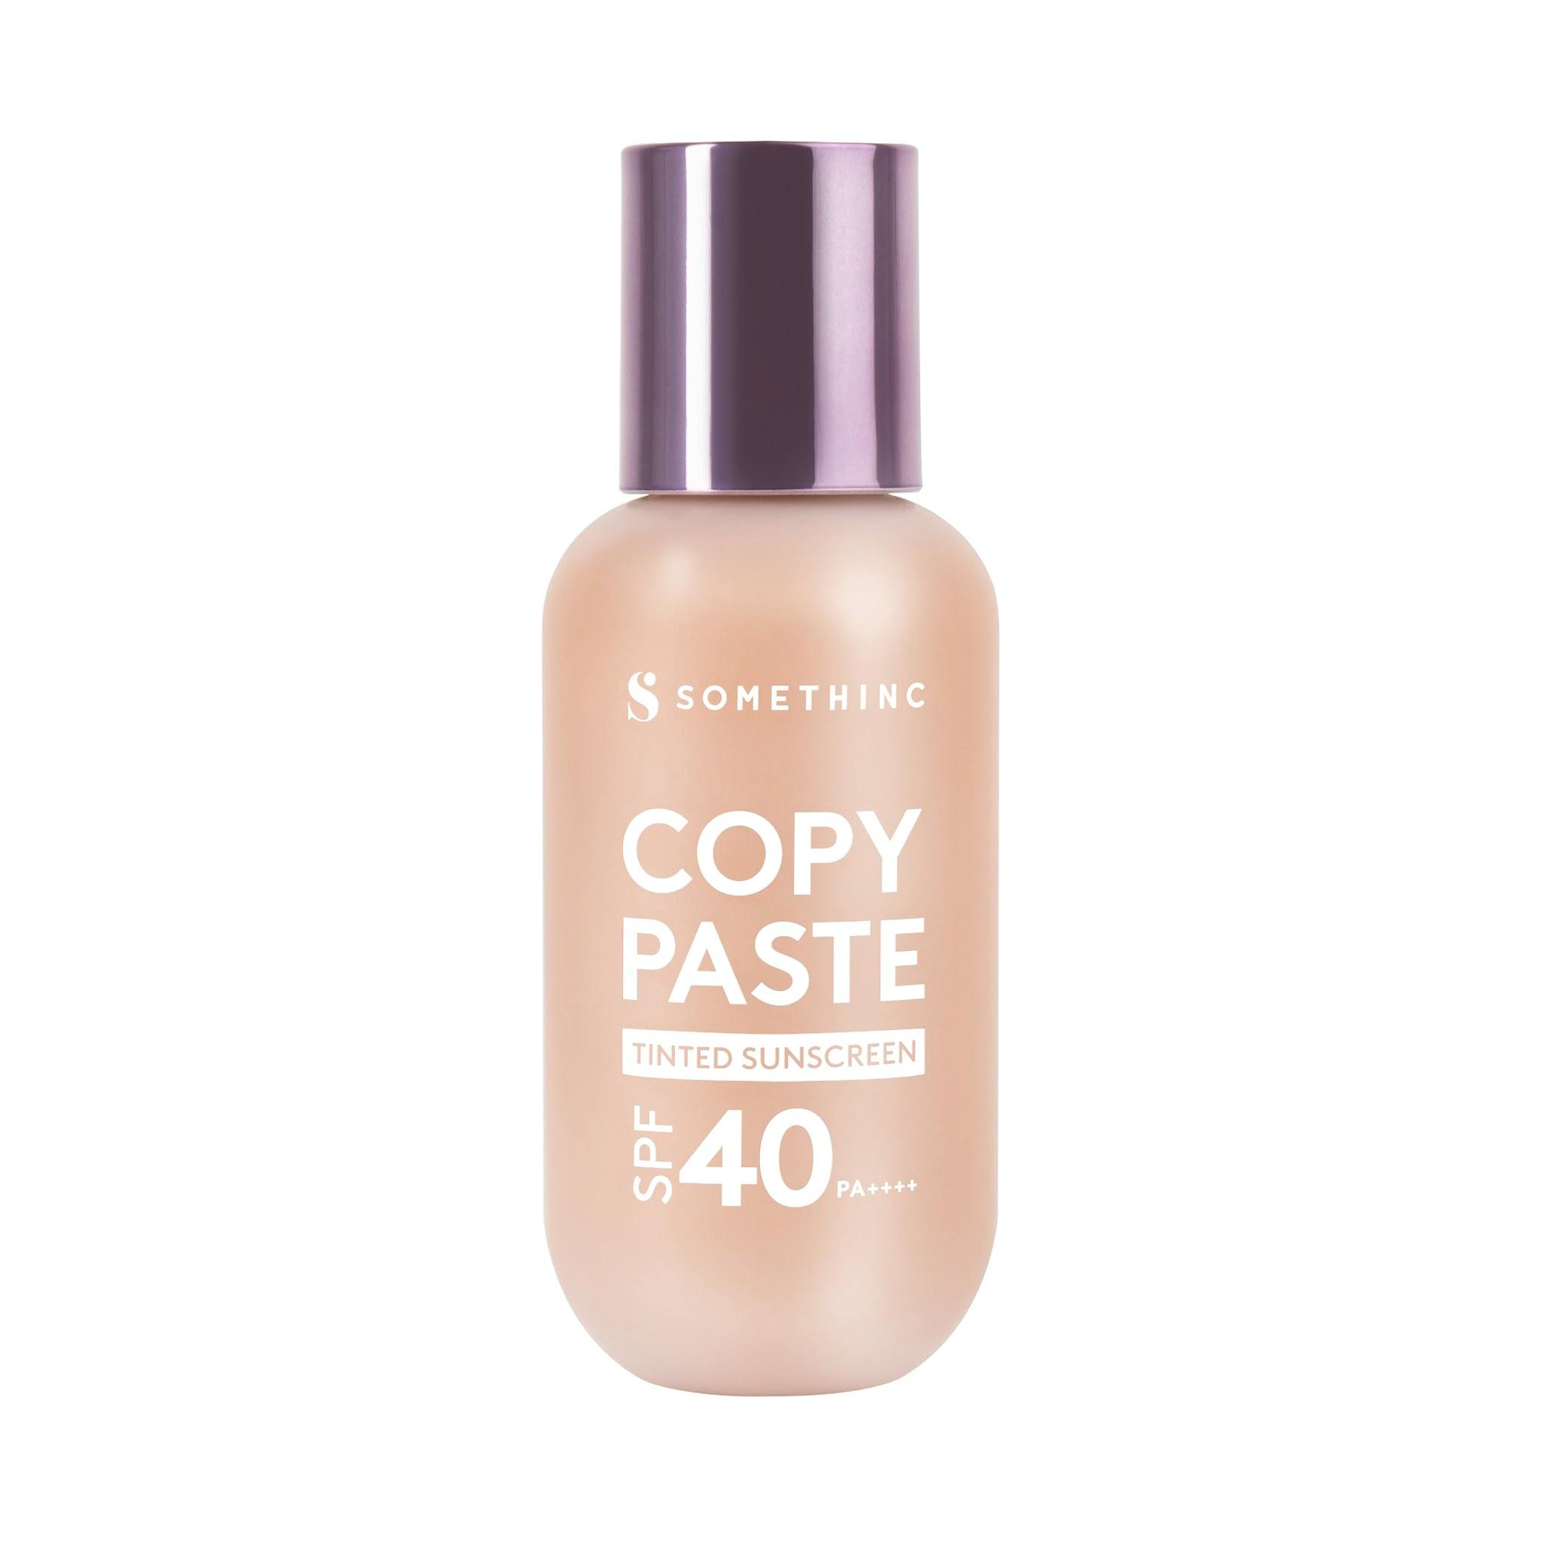
Somethinc | Copy Paste Tinted Sunscreen SPF 40 PA++++ | C03 eclair | #e6bd9d | Tinted Sunscreen | 230 | 189 | 157 | 26 | 59 | 76 | cool | 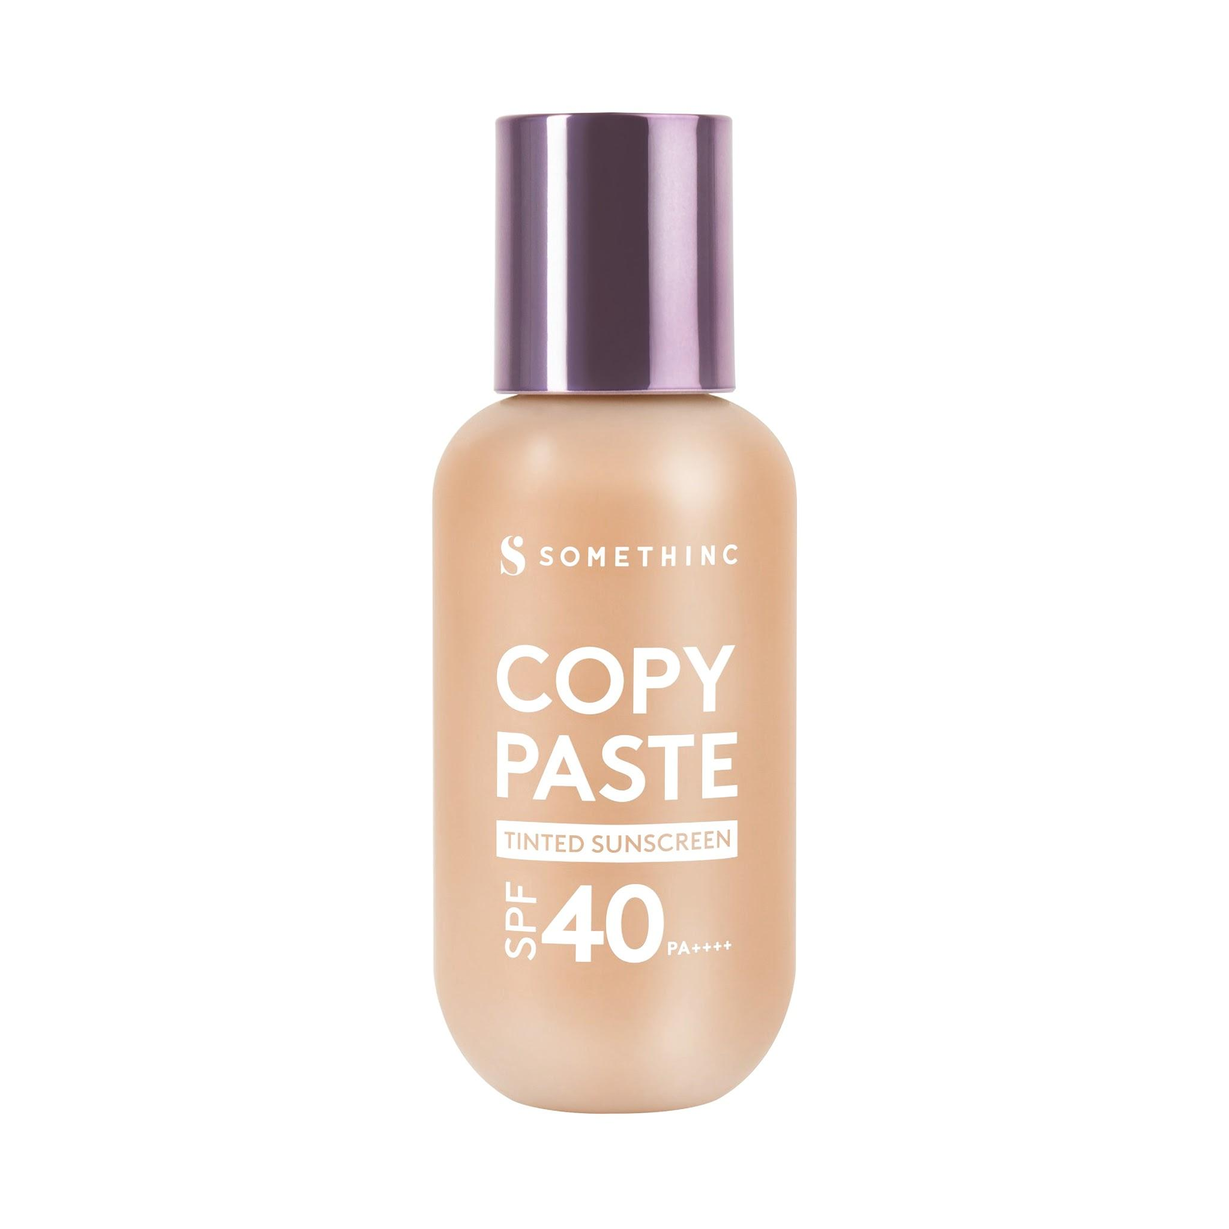
Somethinc | Copy Paste Tinted Sunscreen SPF 40 PA++++ | N01 Nina | #e8c2ad | Tinted Sunscreen | 232 | 194 | 173 | 21 | 56 | 79 | neutral | 
Somethinc | Copy Paste Tinted Sunscreen SPF 40 PA++++ | N02 Charlotte | #e5b891 | Tinted Sunscreen | 229 | 184 | 145 | 28 | 62 | 73 | neutral | 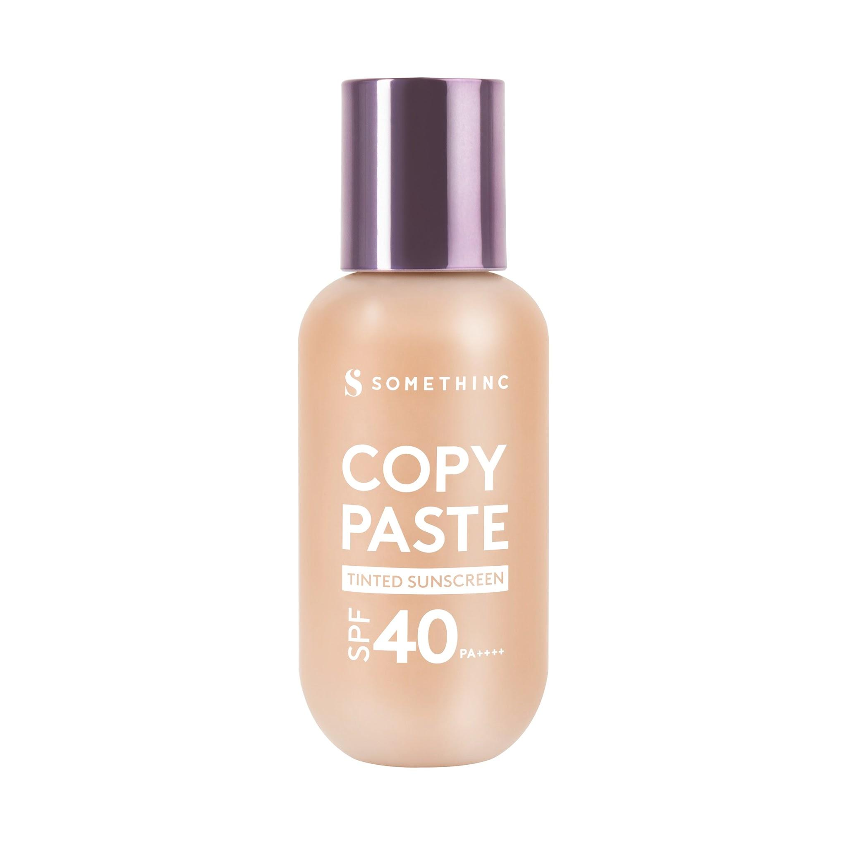
Somethinc | Copy Paste Tinted Sunscreen SPF 40 PA++++ | N2.5 Linen | #dcaf88 | Tinted Sunscreen | 220 | 175 | 136 | 28 | 55 | 70 | neutral | 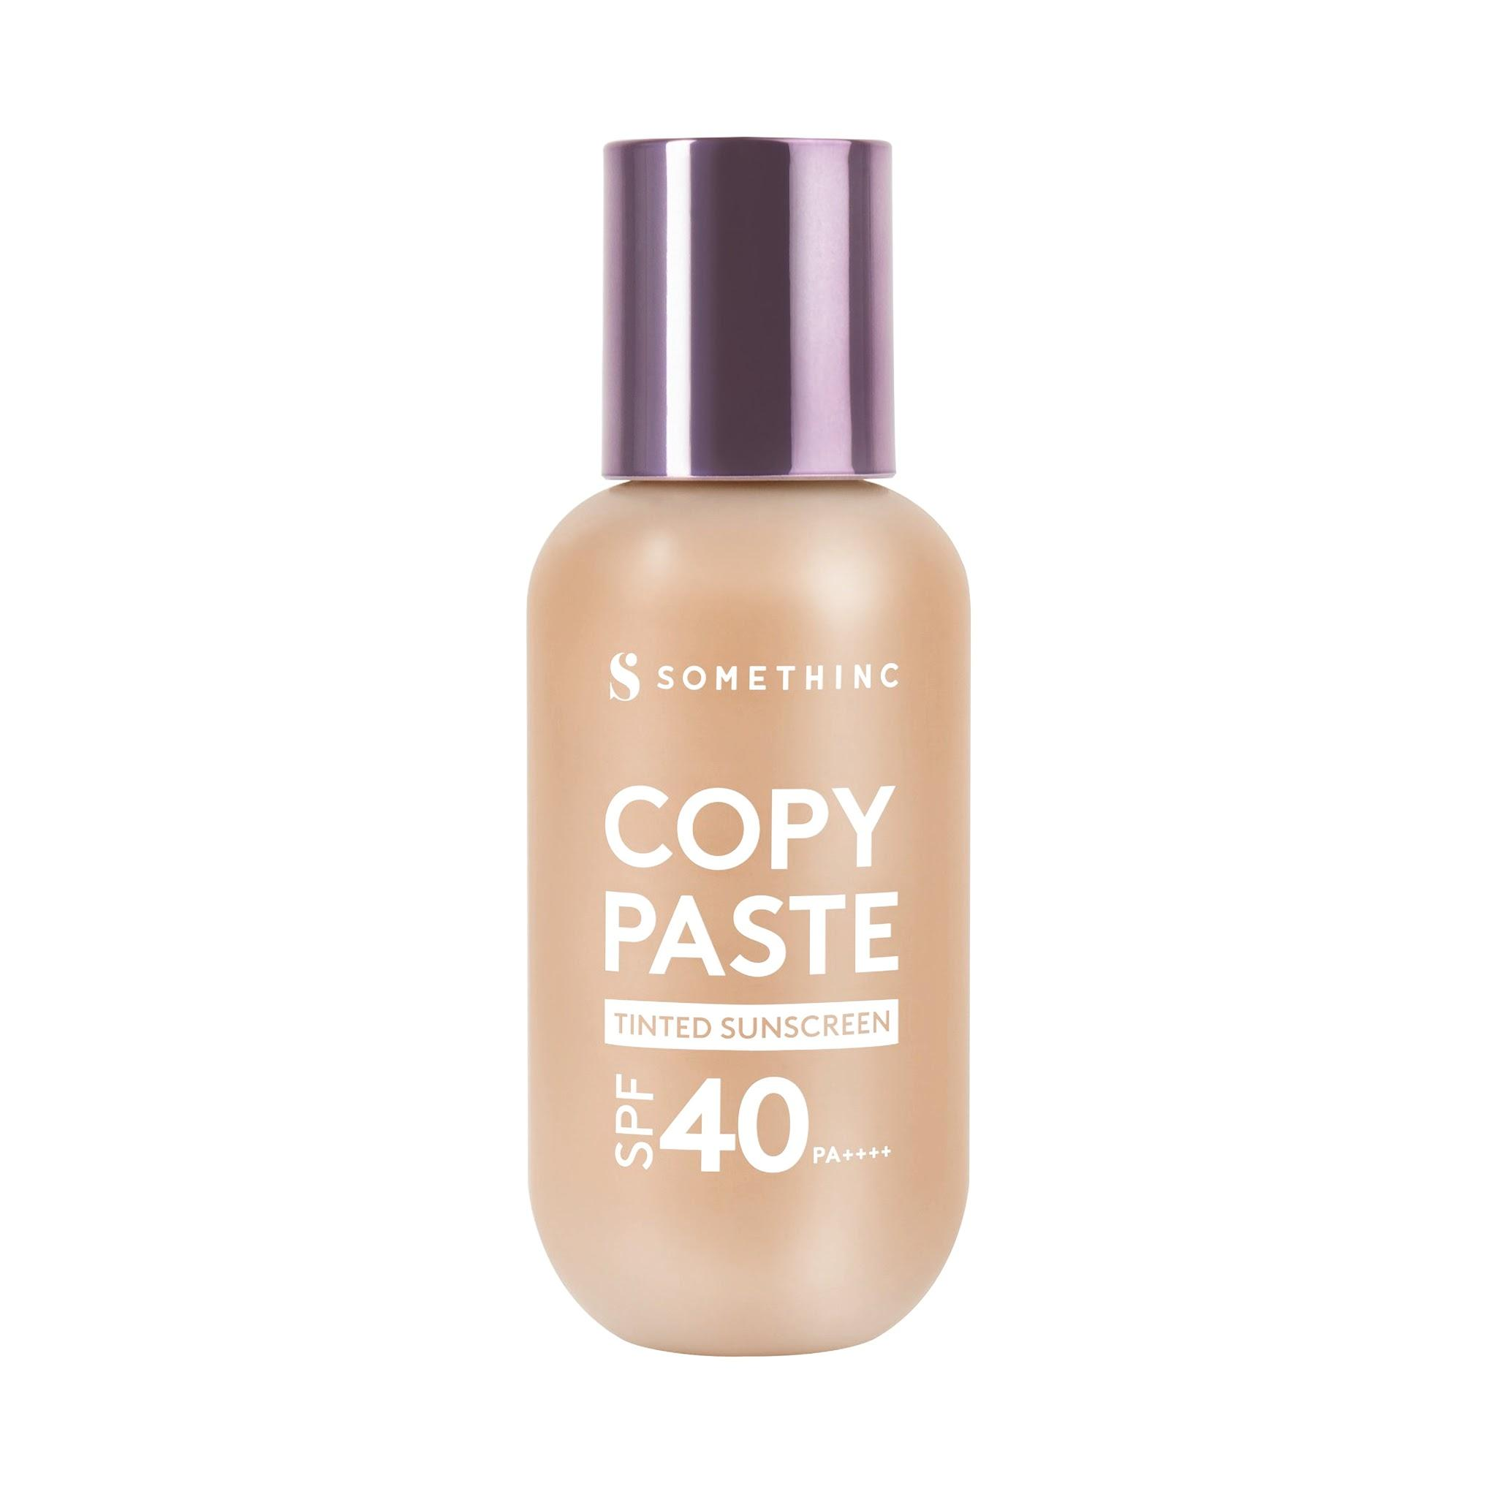
Somethinc | Copy Paste Tinted Sunscreen SPF 40 PA++++ | N03 Alter | #dda67d | Tinted Sunscreen | 221 | 166 | 125 | 26 | 59 | 68 | neutral | 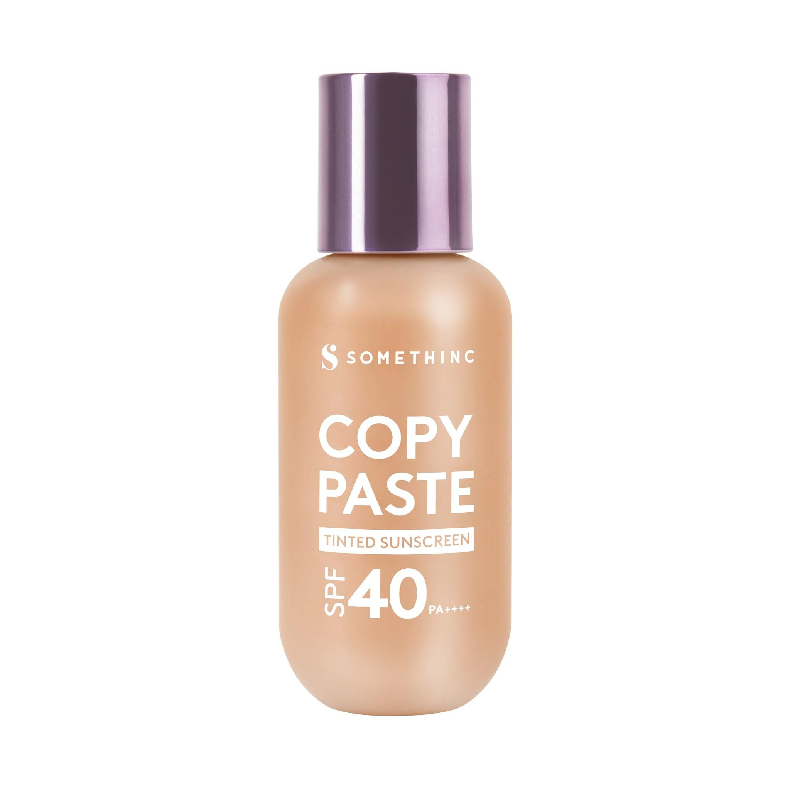
Somethinc | Copy Paste Tinted Sunscreen SPF 40 PA++++ | W01 Bijoux | #ebc6a9 | Tinted Sunscreen | 235 | 198 | 169 | 26 | 62 | 79 | warm | 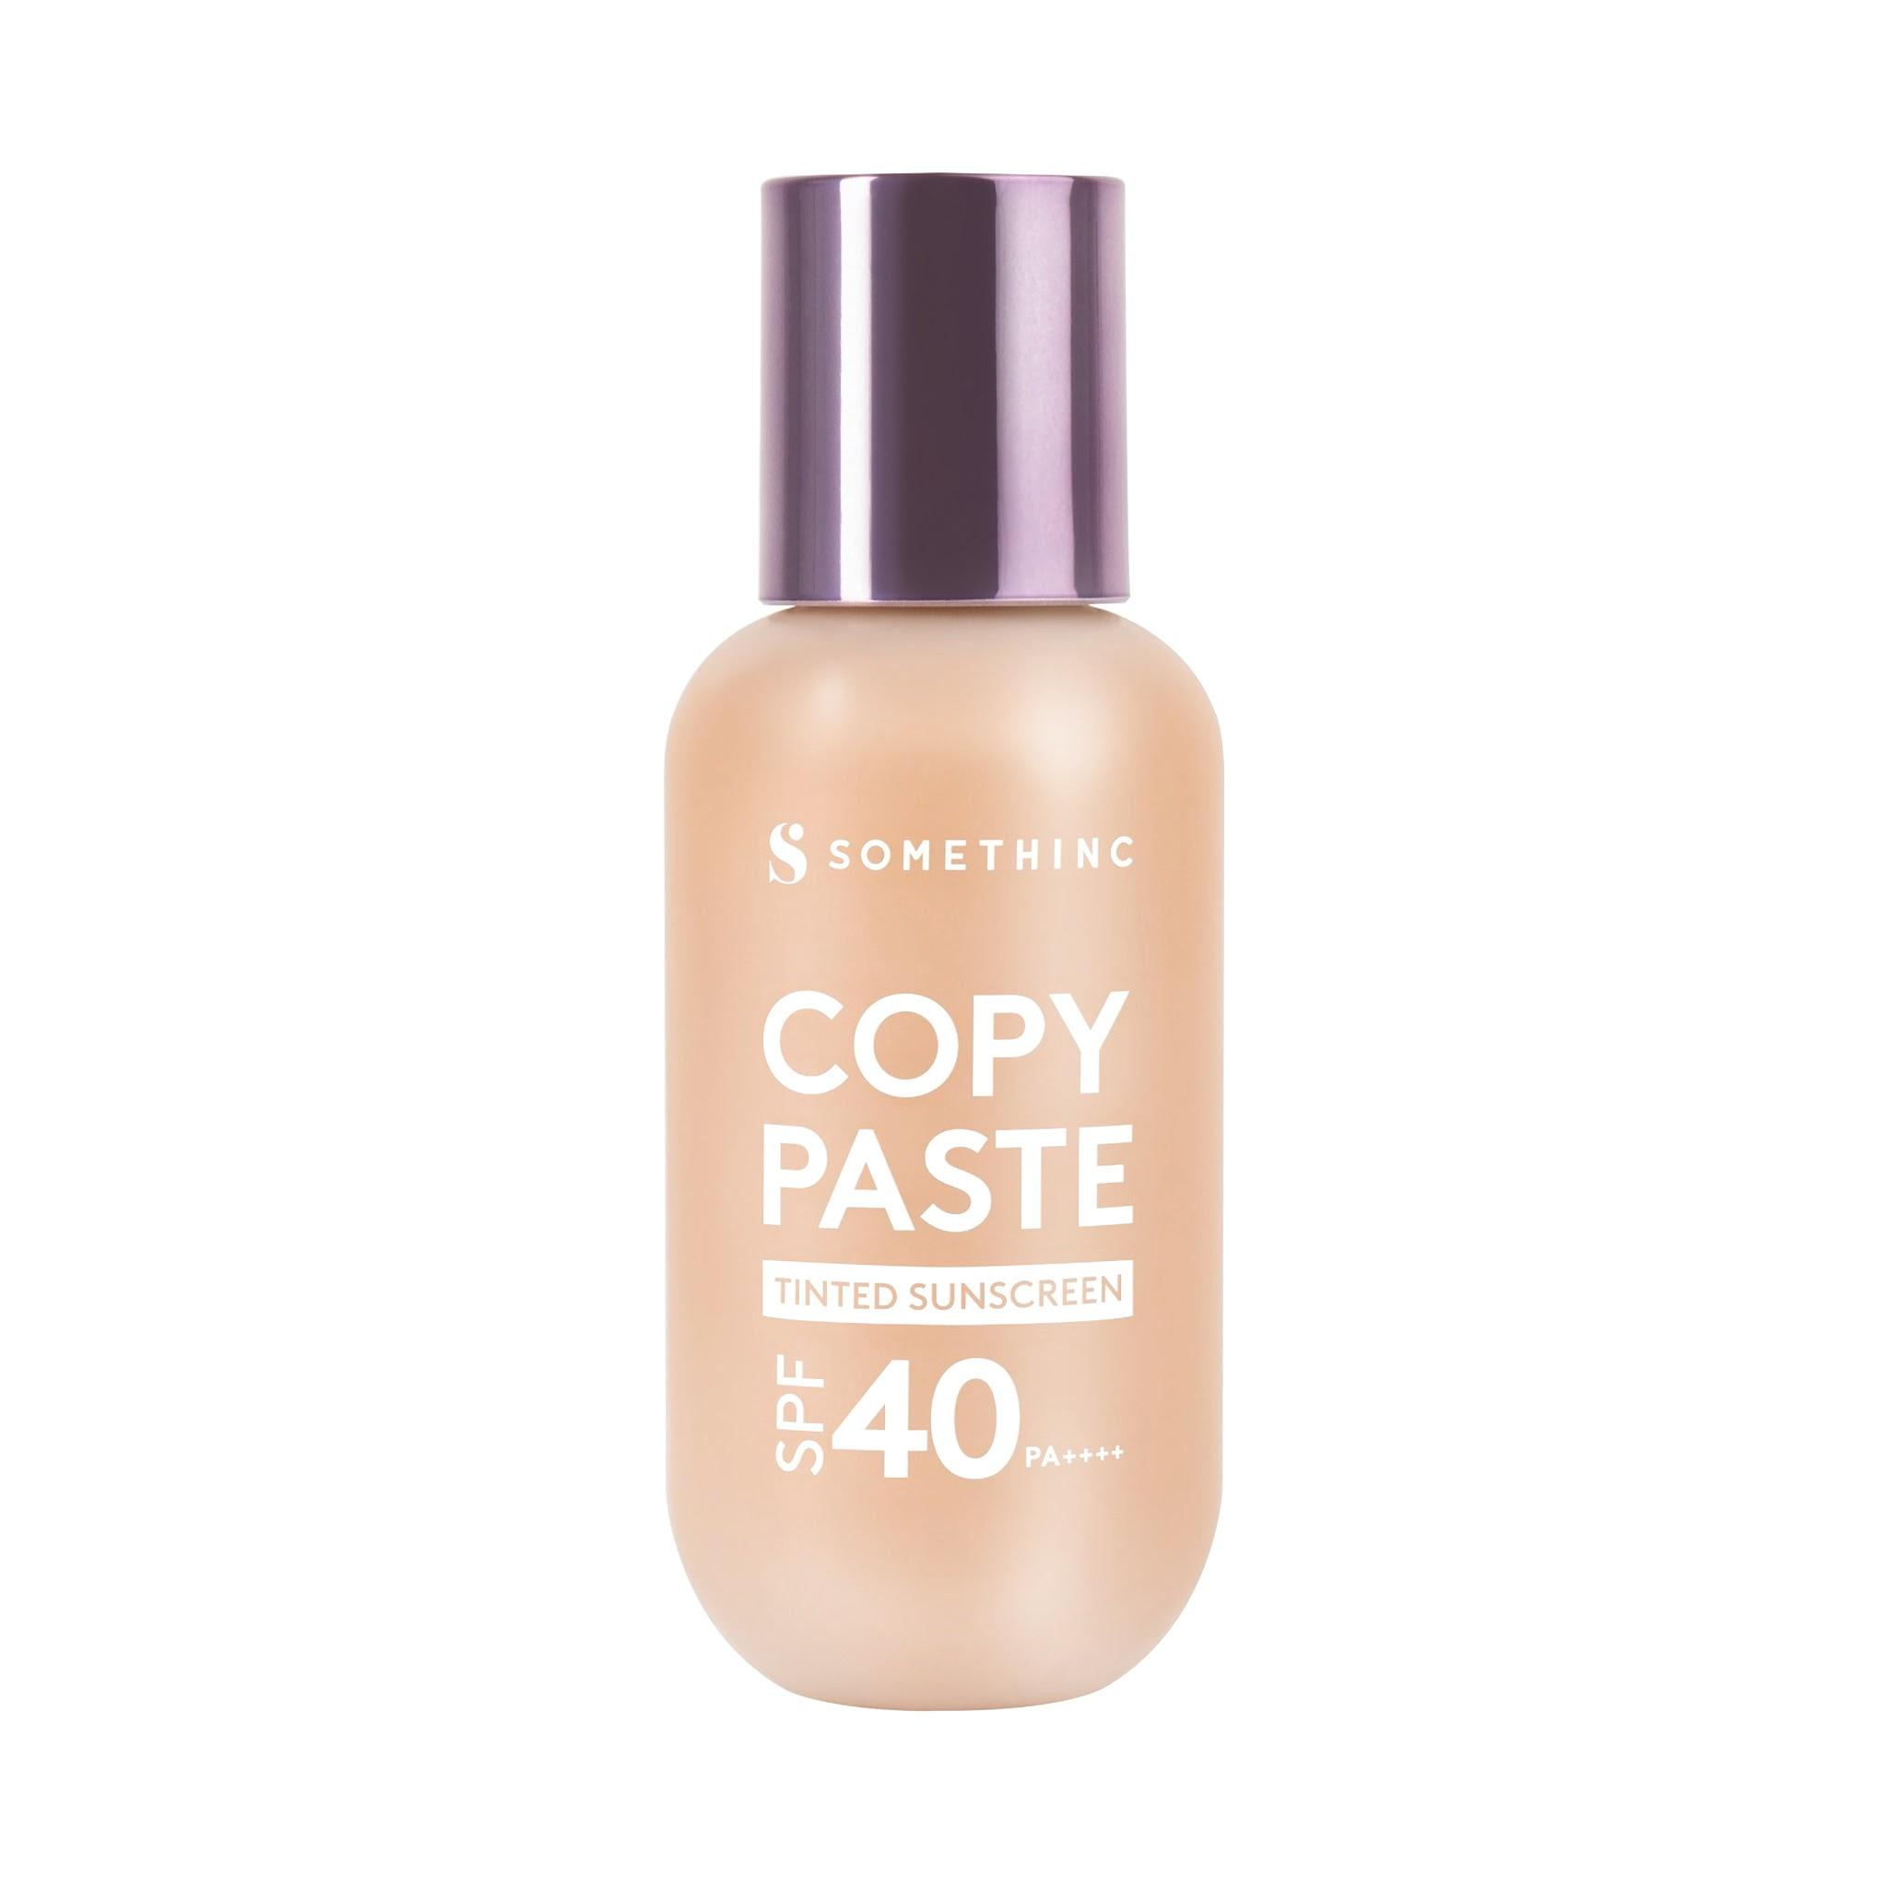
Somethinc | Copy Paste Tinted Sunscreen SPF 40 PA++++ | W02 Coco | #c8a178 | Tinted Sunscreen | 200 | 161 | 120 | 31 | 42 | 63 | warm | 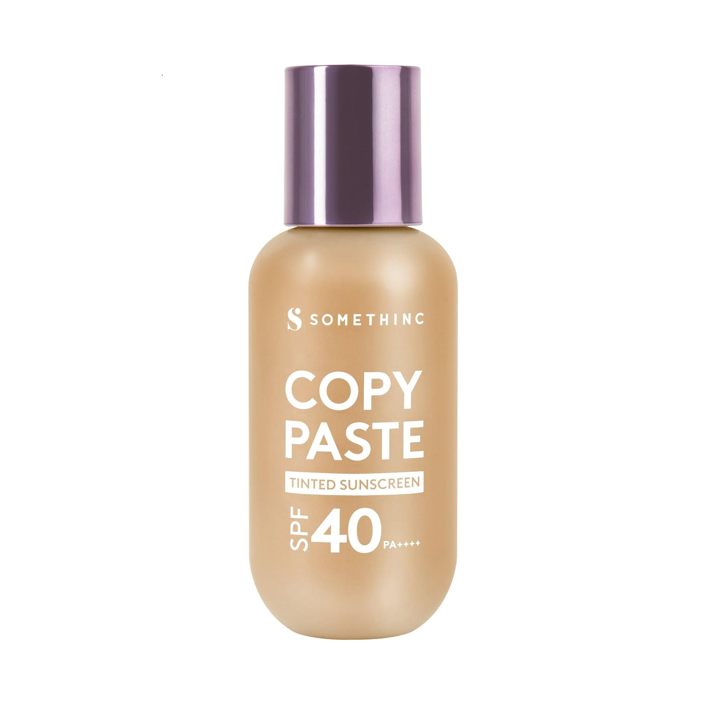
Somethinc | Copy Paste Tinted Sunscreen SPF 40 PA++++ | W03 Goddes | #d9a880 | Tinted Sunscreen | 217 | 168 | 128 | 27 | 54 | 68 | warm | 
Somethinc | Copy Paste Tinted Sunscreen SPF 40 PA++++ | W04 Tiffany | #c58b5d | Tinted Sunscreen | 197 | 139 | 93 | 27 | 47 | 57 | warm | 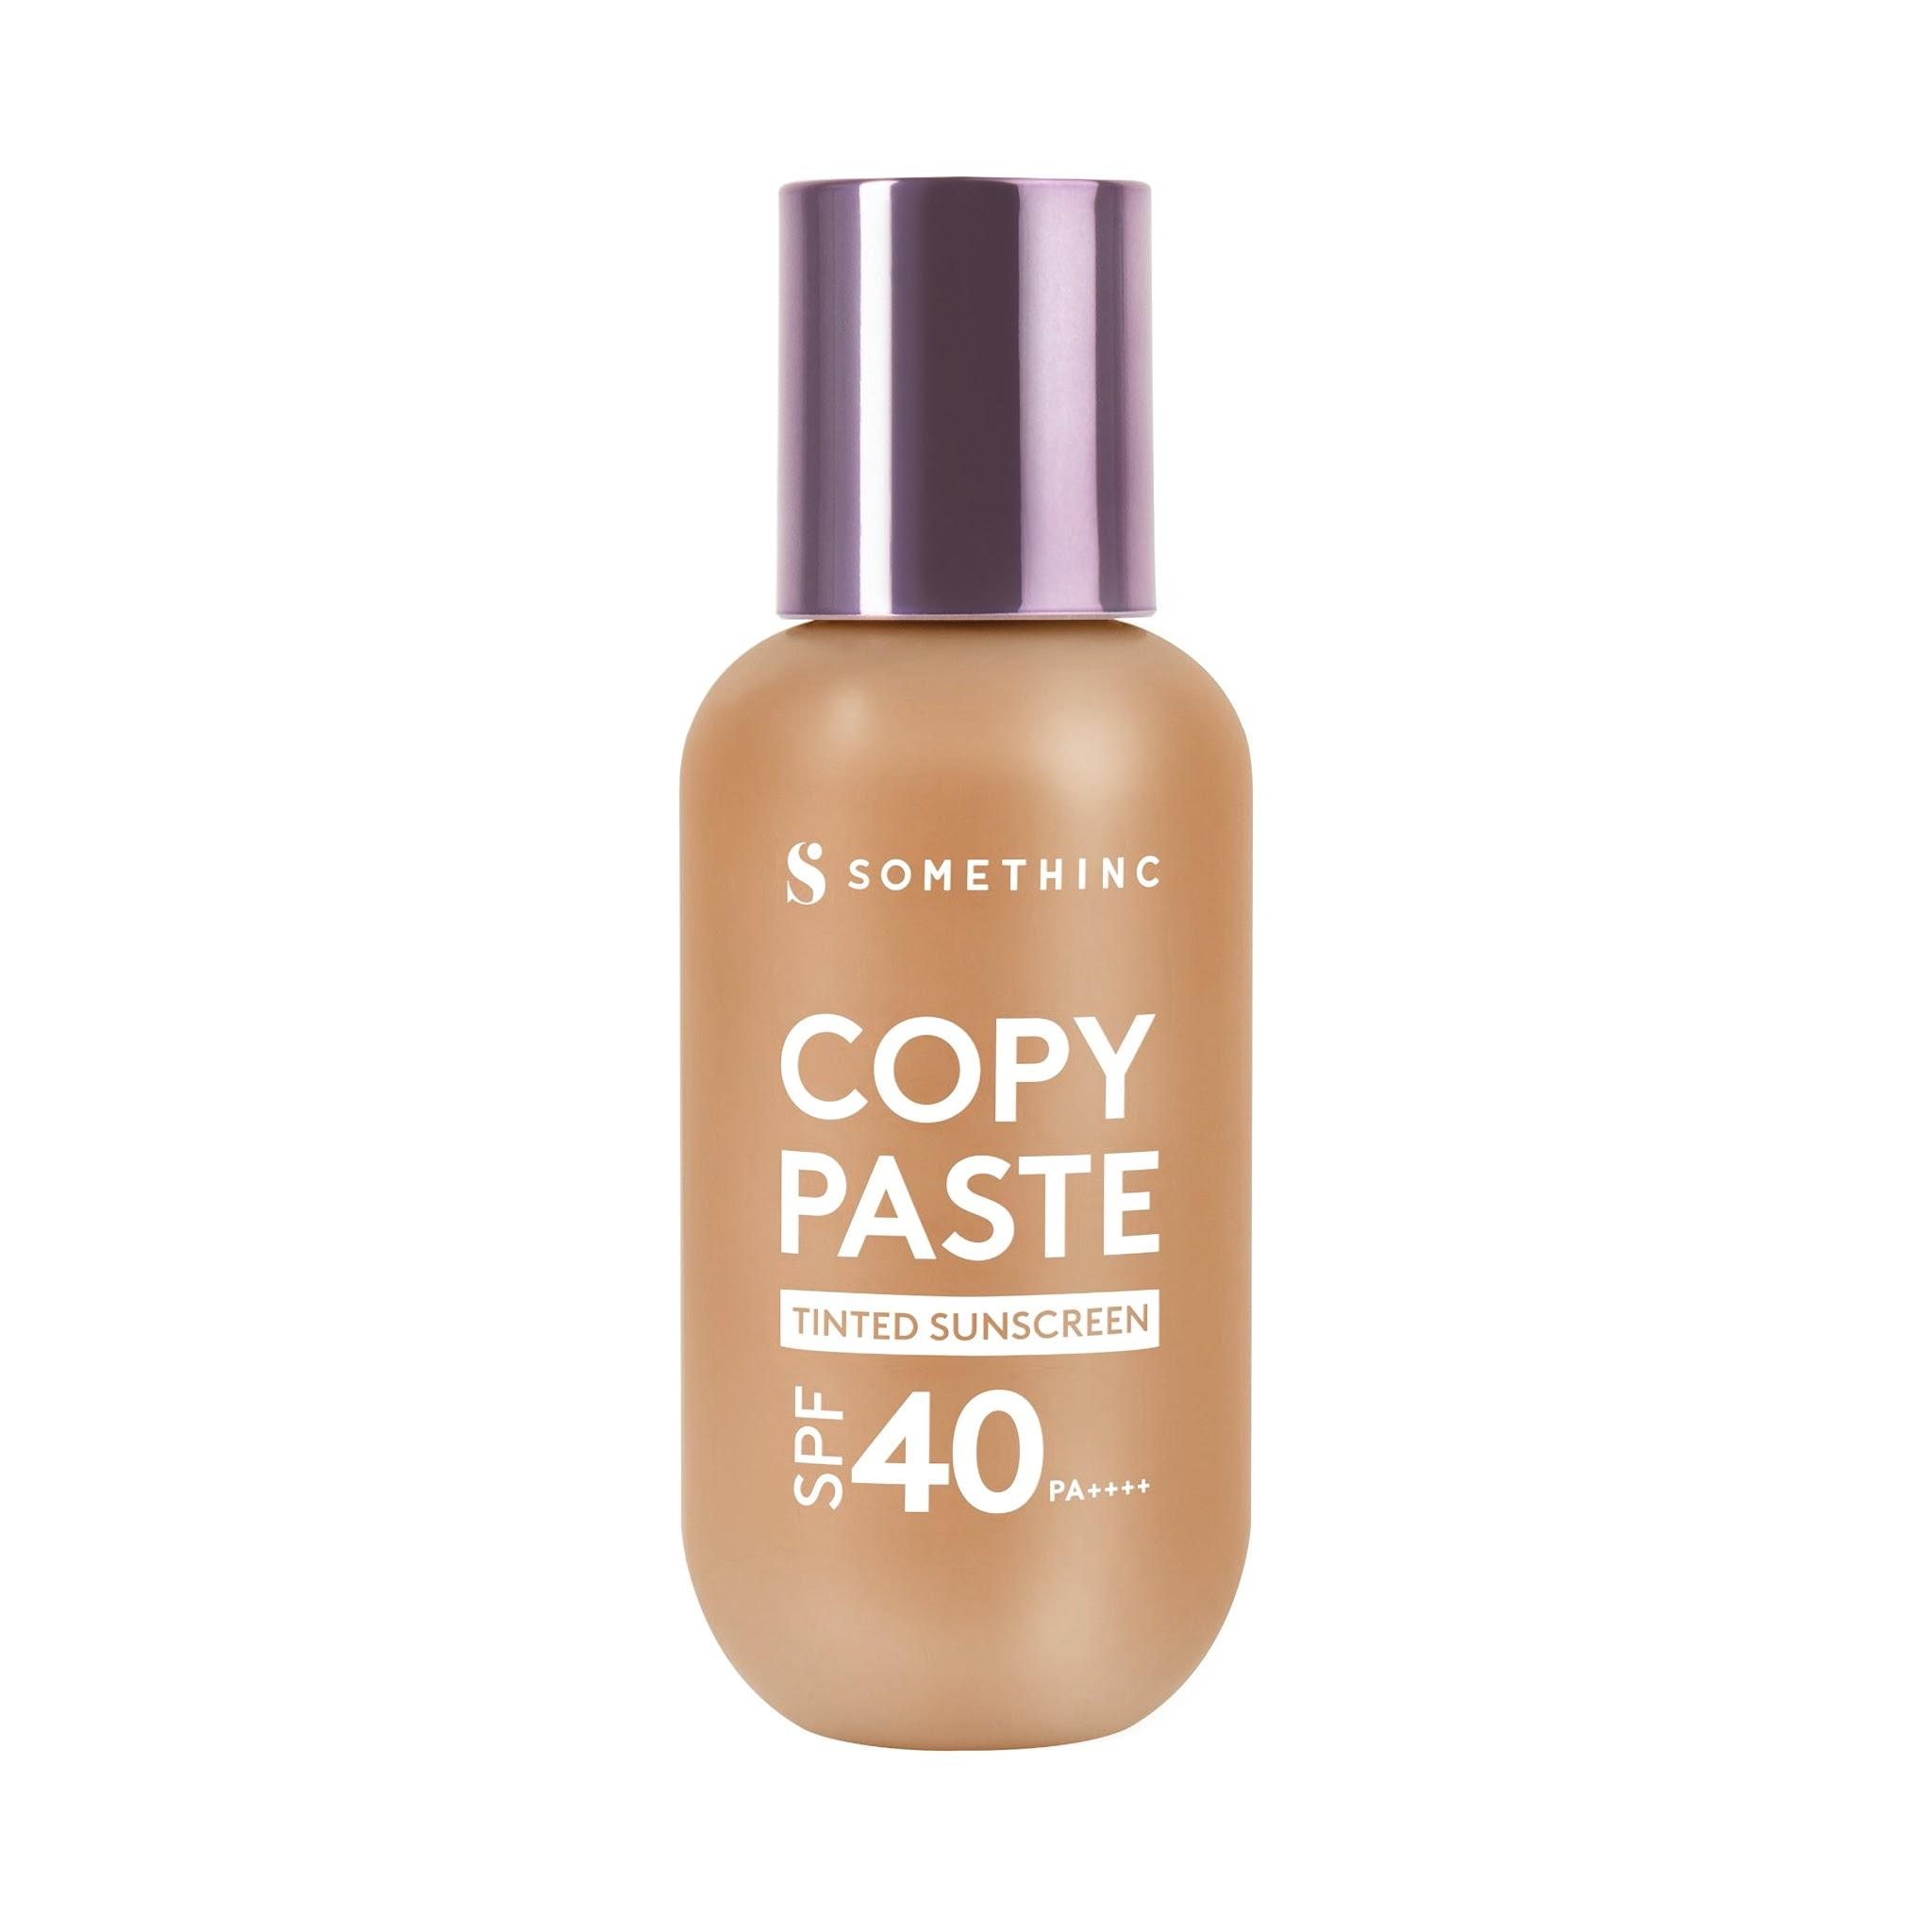
Somethinc | Copy Paste Breathable Mesh Cushion SPF 33 PA++ | Perle | #eccac0 | Cushion | 236 | 202 | 192 | 14 | 54 | 84 | cool | 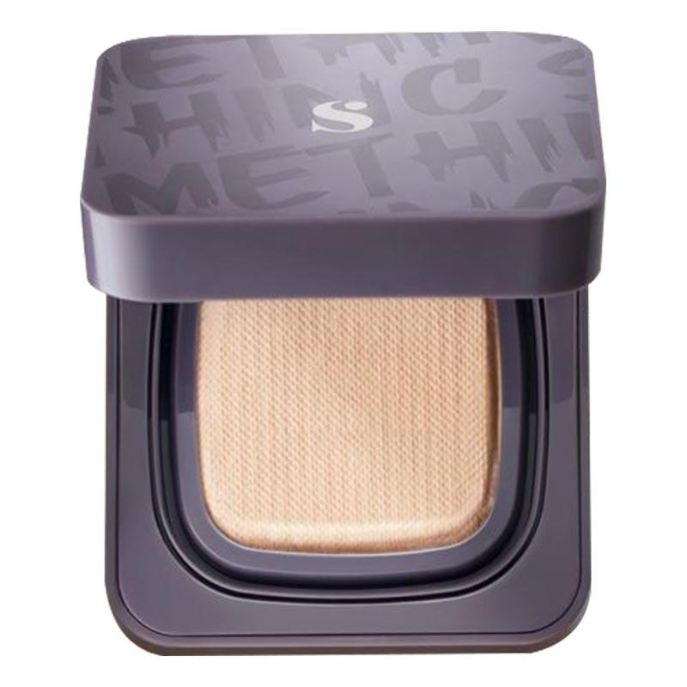
Somethinc | Copy Paste Breathable Mesh Cushion SPF 33 PA++ | Butter | #eac7b3 | Cushion | 234 | 199 | 179 | 22 | 57 | 81 | cool | 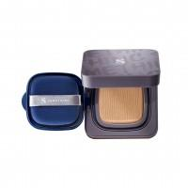
Somethinc | Copy Paste Breathable Mesh Cushion SPF 33 PA++ | Serene | #deb194 | Cushion | 222 | 177 | 148 | 24 | 53 | 73 | cool | 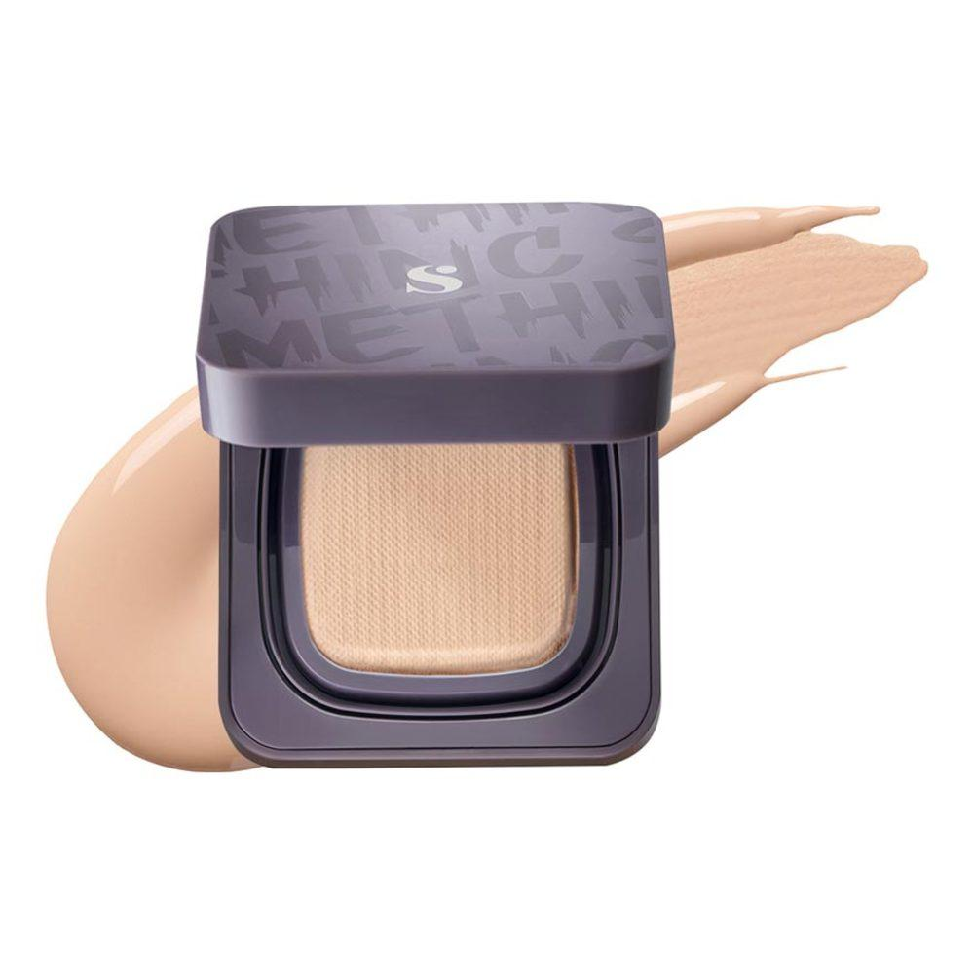
Somethinc | Copy Paste Breathable Mesh Cushion SPF 33 PA++ | Eclair | #ebb996 | Cushion | 235 | 185 | 150 | 25 | 68 | 75 | cool | 
Somethinc | Copy Paste Breathable Mesh Cushion SPF 33 PA++ | Nina | #e9ba99 | Cushion | 233 | 186 | 153 | 25 | 65 | 76 | neutral | 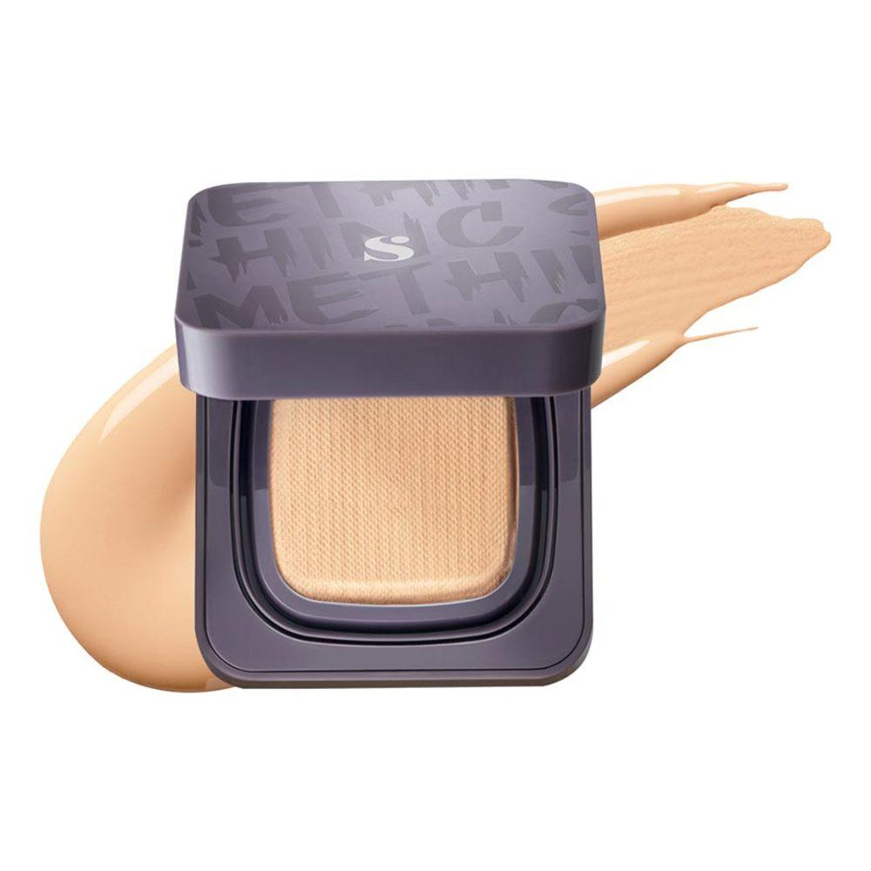
Somethinc | Copy Paste Breathable Mesh Cushion SPF 33 PA++ | Charlotte | #e3ae8c | Cushion | 227 | 174 | 140 | 23 | 61 | 72 | neutral | 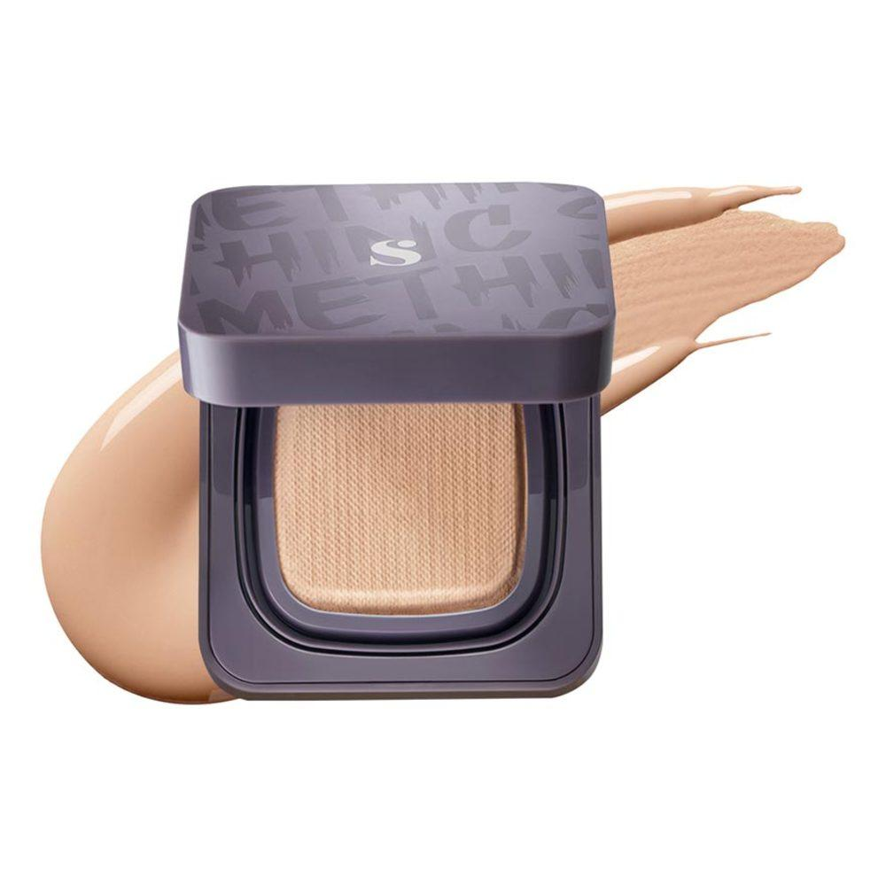
Somethinc | Copy Paste Breathable Mesh Cushion SPF 33 PA++ | Linen | #ecb890 | Cushion | 236 | 184 | 144 | 26 | 71 | 75 | neutral | 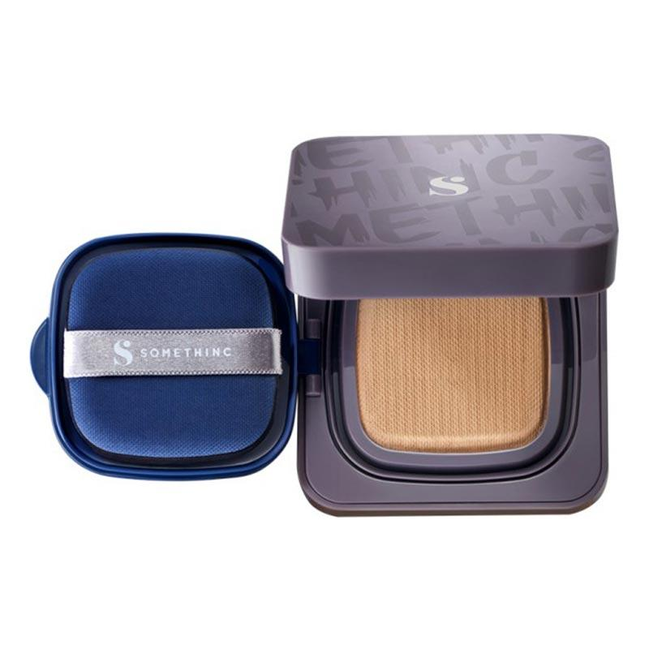
Somethinc | Copy Paste Breathable Mesh Cushion SPF 33 PA++ | Alter | #db9d74 | Cushion | 219 | 157 | 116 | 24 | 59 | 66 | neutral | 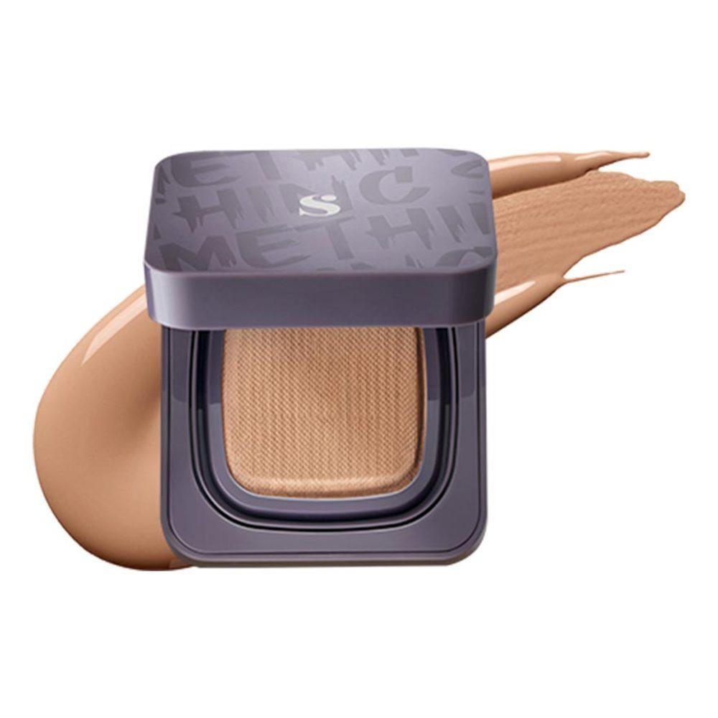
Somethinc | Copy Paste Breathable Mesh Cushion SPF 33 PA++ | Fawn | #ab7859 | Cushion | 171 | 120 | 89 | 23 | 33 | 51 | neutral
Somethinc | Copy Paste Breathable Mesh Cushion SPF 33 PA++ | Bijoux | #f2d1b5 | Cushion | 242 | 209 | 181 | 28 | 70 | 83 | warm | 
Somethinc | Copy Paste Breathable Mesh Cushion SPF 33 PA++ | Coco | #c39d74 | Cushion | 195 | 157 | 116 | 31 | 40 | 61 | warm | 
Somethinc | Copy Paste Breathable Mesh Cushion SPF 33 PA++ | Goddess | #ddac83 | Cushion | 221 | 172 | 131 | 27 | 57 | 69 | warm | 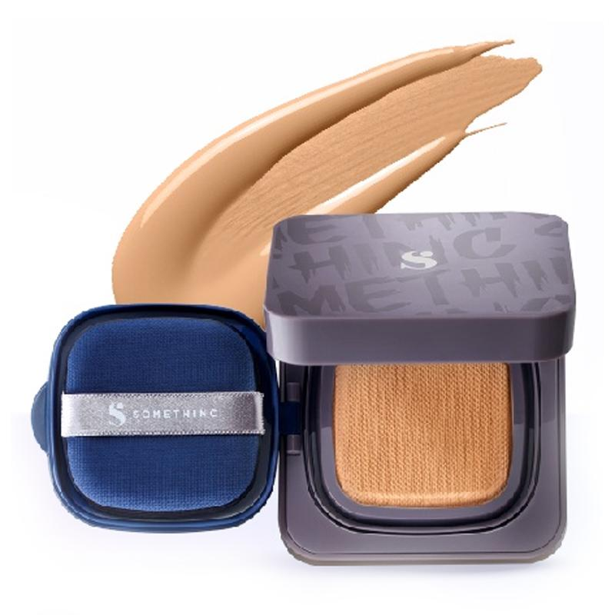
Somethinc | Copy Paste Breathable Mesh Cushion SPF 33 PA++ | Tiffany | #ca8c60 | Cushion | 202 | 140 | 96 | 25 | 50 | 58 | warm | 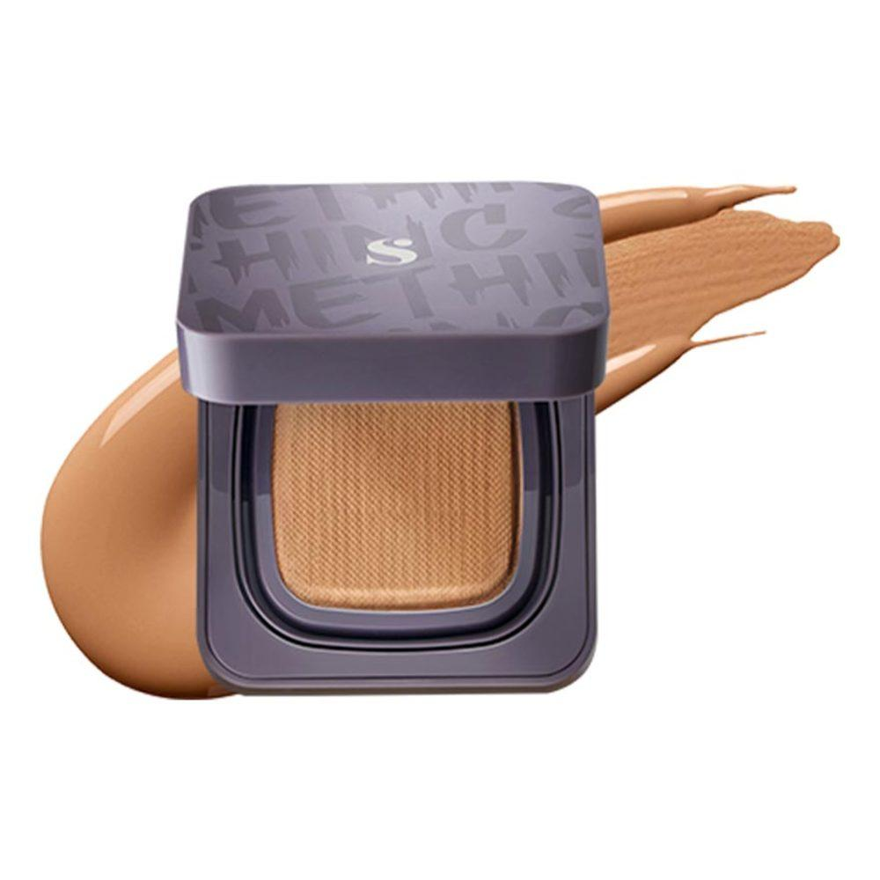
Somethinc | Copy Paste Breathable Mesh Cushion SPF 33 PA++ | Penny | #9d633b | Cushion | 157 | 99 | 59 | 24 | 45 | 42 | warm | 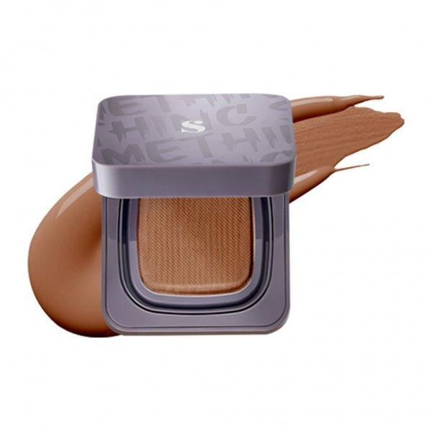
Somethinc | HOOMAN Breathable Cushion Cover SPF 35 PA++++ | Perle | #eccac0 | Cushion | 236 | 202 | 192 | 14 | 54 | 84 | cool | 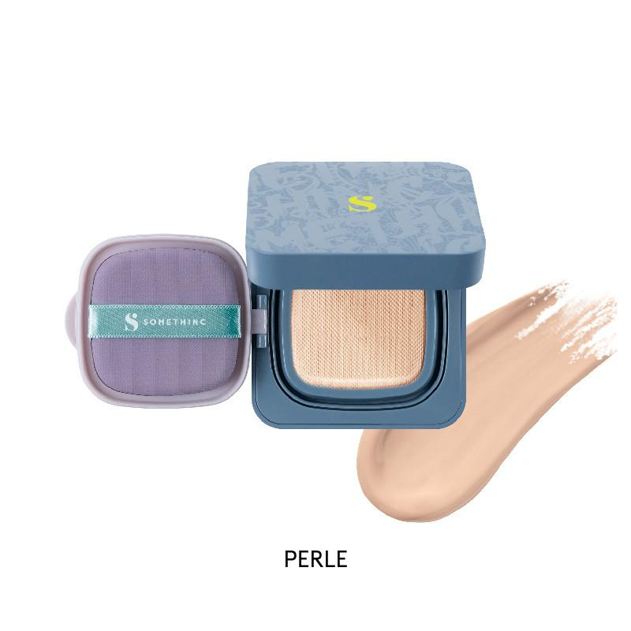
Somethinc | HOOMAN Breathable Cushion Cover SPF 35 PA++++ | Butter | #eac7b3 | Cushion | 234 | 199 | 179 | 22 | 57 | 81 | cool | 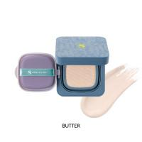
Somethinc | HOOMAN Breathable Cushion Cover SPF 35 PA++++ | Serene | #deb194 | Cushion | 222 | 177 | 148 | 24 | 53 | 73 | cool | 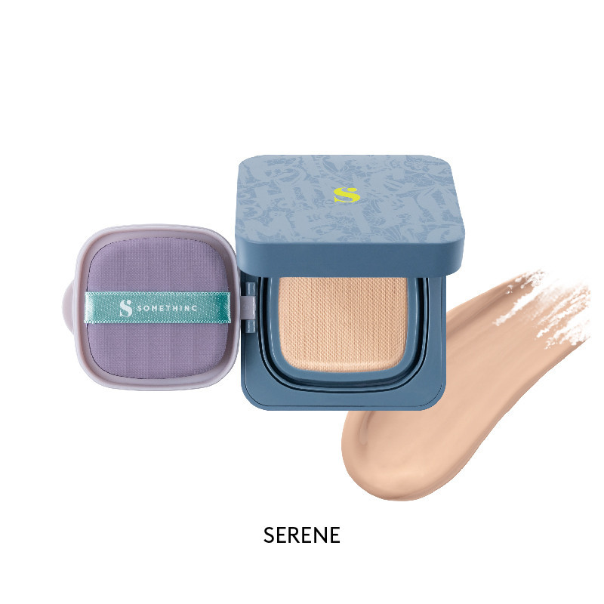
Somethinc | HOOMAN Breathable Cushion Cover SPF 35 PA++++ | Eclair | #ebb996 | Cushion | 235 | 185 | 150 | 25 | 68 | 75 | cool | 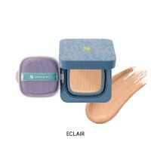
Somethinc | HOOMAN Breathable Cushion Cover SPF 35 PA++++ | Nina | #e9ba99 | Cushion | 233 | 186 | 153 | 25 | 65 | 76 | neutral | 
Somethinc | HOOMAN Breathable Cushion Cover SPF 35 PA++++ | Charlotte | #e3ae8c | Cushion | 227 | 174 | 140 | 23 | 61 | 72 | neutral | 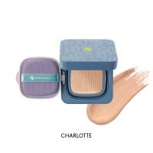
Somethinc | HOOMAN Breathable Cushion Cover SPF 35 PA++++ | Linen | #ecb890 | Cushion | 236 | 184 | 144 | 26 | 71 | 75 | neutral | 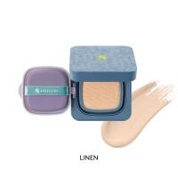
Somethinc | HOOMAN Breathable Cushion Cover SPF 35 PA++++ | Alter | #db9d74 | Cushion | 219 | 157 | 116 | 24 | 59 | 66 | neutral | 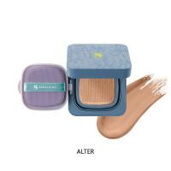
Somethinc | HOOMAN Breathable Cushion Cover SPF 35 PA++++ | Fawn | #ab7859 | Cushion | 171 | 120 | 89 | 23 | 33 | 51 | neutral | 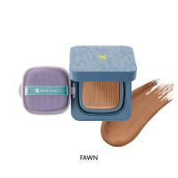
Somethinc | HOOMAN Breathable Cushion Cover SPF 35 PA++++ | Bijoux | #f2d1b5 | Cushion | 242 | 209 | 181 | 28 | 70 | 83 | warm | 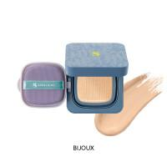
Somethinc | HOOMAN Breathable Cushion Cover SPF 35 PA++++ | Coco | #c39d74 | Cushion | 195 | 157 | 116 | 31 | 40 | 61 | warm | 
Somethinc | HOOMAN Breathable Cushion Cover SPF 35 PA++++ | Goddess | #ddac83 | Cushion | 221 | 172 | 131 | 27 | 57 | 69 | warm | 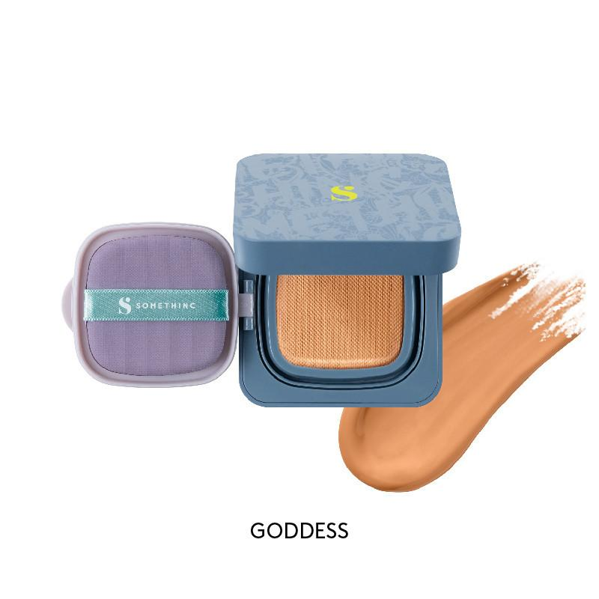
Somethinc | HOOMAN Breathable Cushion Cover SPF 35 PA++++ | Tiffany | #ca8c60 | Cushion | 202 | 140 | 96 | 25 | 50 | 58 | warm | 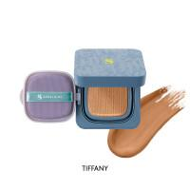
Somethinc | HOOMAN Breathable Cushion Cover SPF 35 PA++++ | Penny | #9d633b | Cushion | 157 | 99 | 59 | 24 | 45 | 42 | warm | 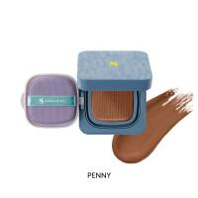
Skintific | Cover All Perfect Cushion | 01 Vanilla | #f5d6c1 | Cushion | 245 | 214 | 193 | 24 | 72 | 86 | cool
Skintific | Cover All Perfect Cushion | 02 Ivory | #e3bea4 | Cushion | 227 | 190 | 164 | 25 | 53 | 77 | neutral
Skintific | Cover All Perfect Cushion | 03 Petal | #e9b995 | Cushion | 233 | 185 | 149 | 26 | 66 | 75 | neutral
Skintific | Cover All Perfect Cushion | 04 Beige | #d7a985 | Cushion | 215 | 169 | 133 | 26 | 51 | 68 | neutral
Skintific | Cover All Perfect Cushion | 03A Almond | #e1ba8f | Cushion | 225 | 186 | 143 | 31 | 58 | 72 | warm
Skintific | Cover All Perfect Cushion | 05 Sand | #d19d6b | Cushion | 209 | 157 | 107 | 29 | 53 | 62 | warm
Skintific | Cover All Perfect Cushion | 06 Honey | #cb946b | Cushion | 203 | 148 | 107 | 26 | 48 | 61 | warm | 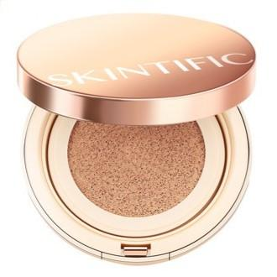
Rose All Day | The Realest Lightweight Essence Cushion | Fair | #ffd2bb | Cushion | 255 | 210 | 187 | 20 | 100 | 87 | cool
Rose All Day | The Realest Lightweight Essence Cushion | Light | #ffd1af | Cushion | 255 | 209 | 175 | 26 | 100 | 84 | neutral
Rose All Day | The Realest Lightweight Essence Cushion | Beige | #fecda5 | Cushion | 254 | 205 | 165 | 27 | 98 | 82 | warm
Rose All Day | The Realest Lightweight Essence Cushion | Warm Beige | #ffbf99 | Cushion | 255 | 191 | 153 | 22 | 100 | 80 | warm
Rose All Day | The Realest Lightweight Essence Cushion | Medium Neutral | #dead8c | Cushion | 222 | 173 | 140 | 24 | 55 | 71 | neutral
Rose All Day | The Realest Lightweight Essence Cushion | Sand | #efac78 | Cushion | 239 | 172 | 120 | 26 | 79 | 70 | warm
Rose All Day | The Realest Lightweight Essence Cushion | Honey | #ebaf8a | Cushion | 235 | 175 | 138 | 23 | 71 | 73 | neutral
Rose All Day | The Realest Lightweight Essence Cushion | Warm Honey | #df986a | Cushion | 223 | 152 | 106 | 24 | 65 | 65 | warm
Rose All Day | The Realest Lightweight Essence Cushion | Caramel | #be8164 | Cushion | 190 | 129 | 100 | 19 | 41 | 57 | neutral
Rose All Day | The Realest Lightweight Essence Cushion | Toffe | #ac6a4a | Cushion | 172 | 106 | 74 | 20 | 40 | 48 | warm
Wardah | Colorfit Perfect Glow Cushion SPF 33 PA++ | 11C Pink Fair | #f2d3bd | Cushion | 242 | 211 | 189 | 25 | 67 | 85 | cool
Wardah | Colorfit Perfect Glow Cushion SPF 33 PA++ | 22N Light Ivory | #ebc2a2 | Cushion | 235 | 194 | 162 | 26 | 65 | 78 | warm
Wardah | Colorfit Perfect Glow Cushion SPF 33 PA++ | 23W Warm Ivory | #eacba8 | Cushion | 234 | 203 | 168 | 32 | 61 | 79 | warm
Wardah | Colorfit Perfect Glow Cushion SPF 33 PA++ | 32N Neutral Beige | #e0b097 | Cushion | 224 | 176 | 151 | 21 | 54 | 74 | neutral
Wardah | Colorfit Perfect Glow Cushion SPF 33 PA++ | 33W Olive Beige | #e2b595 | Cushion | 226 | 181 | 149 | 25 | 57 | 74 | warm
Wardah | Colorfit Perfect Glow Cushion SPF 33 PA++ | 42N Neutral Sand | #cfa178 | Cushion | 207 | 161 | 120 | 28 | 48 | 64 | neutral
Wardah | Colorfit Perfect Glow Cushion SPF 33 PA++ | 43W Golden Sand | #cd8862 | Cushion | 205 | 136 | 98 | 21 | 52 | 59 | warm
Wardah | Colorfit Perfect Glow Cushion SPF 33 PA++ | 52N Almond | #b88a71 | Cushion | 184 | 138 | 113 | 21 | 33 | 58 | neutral
Makeover | Powerstay Weightless Liquid Foundation | N10 Marble | #d8c2aa | Liquid Foundation | 216 | 194 | 170 | 31 | 37 | 76 | neutral
Makeover | Powerstay Weightless Liquid Foundation | N30 Natural Beige | #cbad97 | Liquid Foundation | 203 | 173 | 151 | 25 | 33 | 69 | neutral
Makeover | Powerstay Weightless Liquid Foundation | W22 Warm Ivory | #d6b5a0 | Liquid Foundation | 214 | 181 | 160 | 23 | 40 | 73 | warm
Makeover | Powerstay Weightless Liquid Foundation | W41 Coral Sand | #cfa489 | Liquid Foundation | 207 | 164 | 137 | 23 | 42 | 67 | warm | 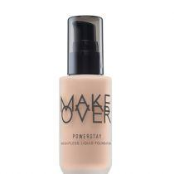
Makeover | Powerstay Weightless Liquid Foundation | W33 Honey Beige | #bfa38d | Liquid Foundation | 191 | 163 | 141 | 26 | 28 | 65 | warm
Makeover | Powerstay Weightless Liquid Foundation | W42 Warm Sand | #cfa187 | Liquid Foundation | 207 | 161 | 135 | 22 | 43 | 67 | warm
Makeover | Powerstay Weightless Liquid Foundation | C21 Pink Ivory | #f9d6c0 | Liquid Foundation | 249 | 214 | 192 | 23 | 83 | 86 | cool | 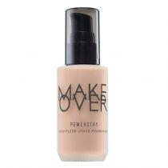
Makeover | Powerstay Weightless Liquid Foundation | C62 Rich Cocoa | #9c685d | Liquid Foundation | 156 | 104 | 93 | 10 | 25 | 49 | cool
Viva | Liquid Foundation | Ochre | #fce9c4 | Liquid Foundation | 252 | 233 | 196 | 40 | 90 | 88 | cool
Viva | Liquid Foundation | Mangir | #fef3c7 | Liquid Foundation | 254 | 243 | 199 | 48 | 96 | 89 | cool
Viva | Liquid Foundation | Natural | #f8d8b3 | Liquid Foundation | 248 | 216 | 179 | 32 | 83 | 84 | neutral
Viva | Liquid Foundation | Kuning Langsat | #f8e69e | Liquid Foundation | 248 | 230 | 158 | 48 | 87 | 80 | warm
Viva | Liquid Foundation | Kuning Pengantin | #f8e69e | Liquid Foundation | 248 | 220 | 127 | 46 | 90 | 74 | warm
Wardah | Lightening Liquid Foundation | 01 Light Beige | #e8d2c4 | Liquid Foundation | 232 | 210 | 196 | 23 | 44 | 84 | neutral
Wardah | Lightening Liquid Foundation | 02 Beige | #ebc6ac | Liquid Foundation | 235 | 198 | 172 | 25 | 61 | 80 | cool
Wardah | Lightening Liquid Foundation | 03 Ivory | #e8caa8 | Liquid Foundation | 232 | 202 | 168 | 32 | 58 | 78 | warm
Wardah | Lightening Liquid Foundation | 04 Natural | #dbb69c | Liquid Foundation | 219 | 182 | 156 | 25 | 47 | 74 | warm
Maybelline | Fit Me Matte + Poreless Liquid Foundation | 115 | #f3c4a4 | Liquid Foundation | 243 | 196 | 164 | 24 | 77 | 80 | cool
Maybelline | Fit Me Matte + Poreless Liquid Foundation | 121 | #edbea7 | Liquid Foundation | 237 | 190 | 167 | 20 | 66 | 79 | cool
Maybelline | Fit Me Matte + Poreless Liquid Foundation | 130 | #e9ac8c | Liquid Foundation | 233 | 172 | 140 | 21 | 68 | 73 | cool
Maybelline | Fit Me Matte + Poreless Liquid Foundation | 136 | #e8b295 | Liquid Foundation | 232 | 178 | 149 | 21 | 64 | 75 | cool
Maybelline | Fit Me Matte + Poreless Liquid Foundation | 235 | #e3a782 | Liquid Foundation | 227 | 167 | 130 | 23 | 63 | 70 | cool
Maybelline | Fit Me Matte + Poreless Liquid Foundation | 338 | #a86a3f | Liquid Foundation | 168 | 106 | 63 | 25 | 45 | 45 | cool
Maybelline | Fit Me Matte + Poreless Liquid Foundation | 120 | #e2b9a0 | Liquid Foundation | 226 | 185 | 160 | 23 | 53 | 76 | neutral
Maybelline | Fit Me Matte + Poreless Liquid Foundation | 125 | #e6b89e | Liquid Foundation | 230 | 184 | 158 | 22 | 59 | 76 | neutral
Maybelline | Fit Me Matte + Poreless Liquid Foundation | 132 | #e8b48b | Liquid Foundation | 232 | 180 | 139 | 26 | 67 | 73 | neutral
Maybelline | Fit Me Matte + Poreless Liquid Foundation | 221 | #eaa87c | Liquid Foundation | 234 | 168 | 124 | 24 | 72 | 70 | neutral
Maybelline | Fit Me Matte + Poreless Liquid Foundation | 335 | #cf8d66 | Liquid Foundation | 207 | 141 | 102 | 22 | 52 | 61 | neutral
Maybelline | Fit Me Matte + Poreless Liquid Foundation | 110 | #fdddc1 | Liquid Foundation | 253 | 221 | 193 | 28 | 64 | 87 | warm
Maybelline | Fit Me Matte + Poreless Liquid Foundation | 138 | #d2946c | Liquid Foundation | 210 | 148 | 108 | 24 | 53 | 62 | warm
Maybelline | Fit Me Matte + Poreless Liquid Foundation | 220 | #d3a378 | Liquid Foundation | 211 | 163 | 120 | 28 | 51 | 65 | warm
Maybelline | Fit Me Matte + Poreless Liquid Foundation | 228 | #d49f76 | Liquid Foundation | 212 | 159 | 118 | 26 | 52 | 65 | warm
Maybelline | Fit Me Matte + Poreless Liquid Foundation | 111 | #fbd8cf | Liquid Foundation | 251 | 216 | 207 | 12 | 85 | 90 | warm
Maybelline | Fit Me Matte + Poreless Liquid Foundation | 123 | #f5bb8d | Liquid Foundation | 245 | 187 | 141 | 27 | 84 | 76 | warm
Maybelline | Fit Me Matte + Poreless Liquid Foundation | 128 | #e5b888 | Liquid Foundation | 229 | 184 | 136 | 31 | 64 | 72 | warm
Maybelline | Fit Me Matte + Poreless Liquid Foundation | 190 | #ddaf84 | Liquid Foundation | 221 | 175 | 132 | 29 | 57 | 69 | warm
Maybelline | Fit Me Matte + Poreless Liquid Foundation | 312 | #ce926b | Liquid Foundation | 206 | 146 | 107 | 24 | 50 | 61 | warm

