SpecificFeatures
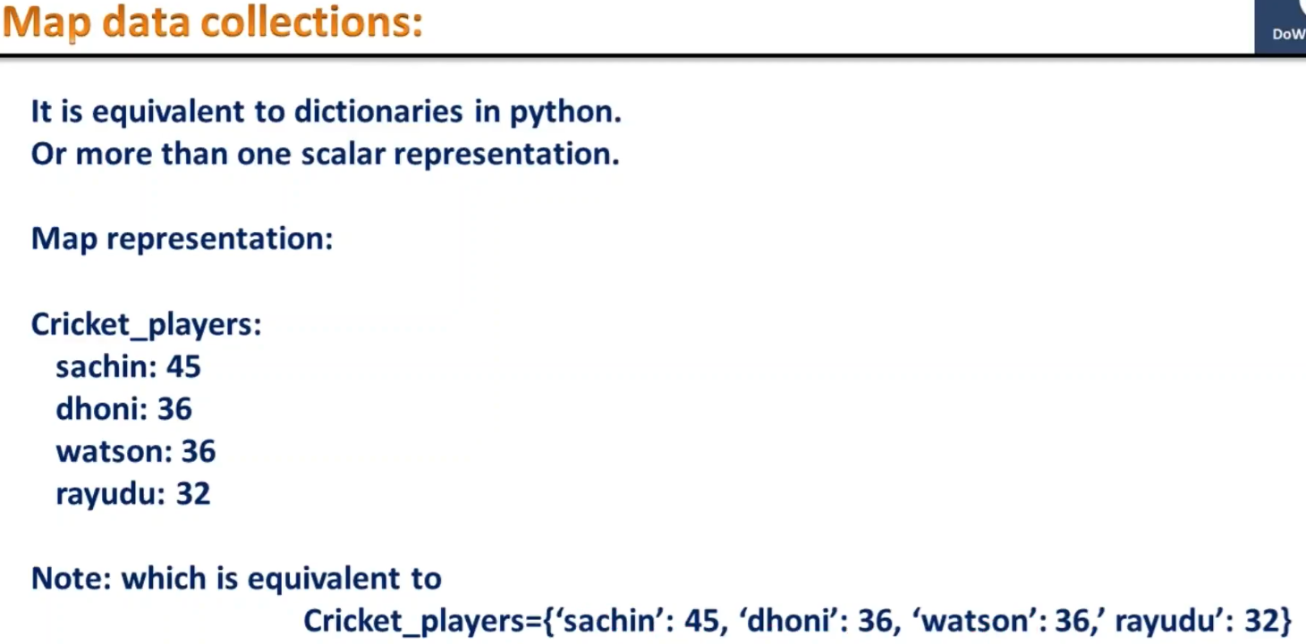
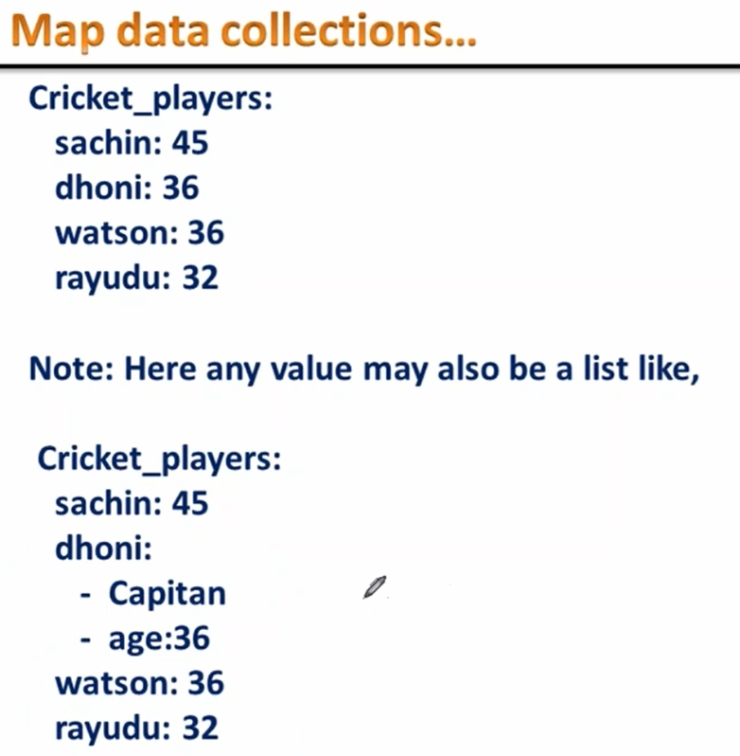
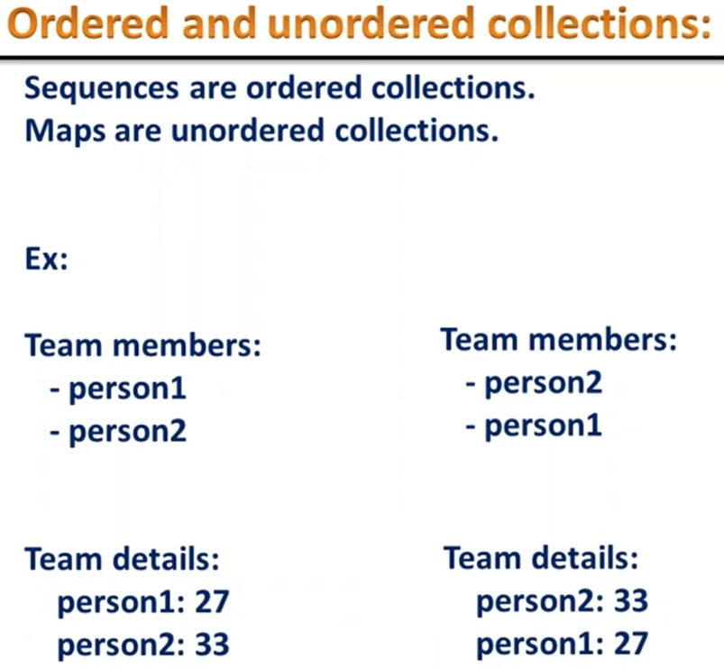
Sciprting Langulag - Definition
 | Whenever your language is able to communicate with other languages, other applications or other programes or other operating system then that language is a scripting language.
 | Examples: Shell Scripting, Python Scripting.

YAML
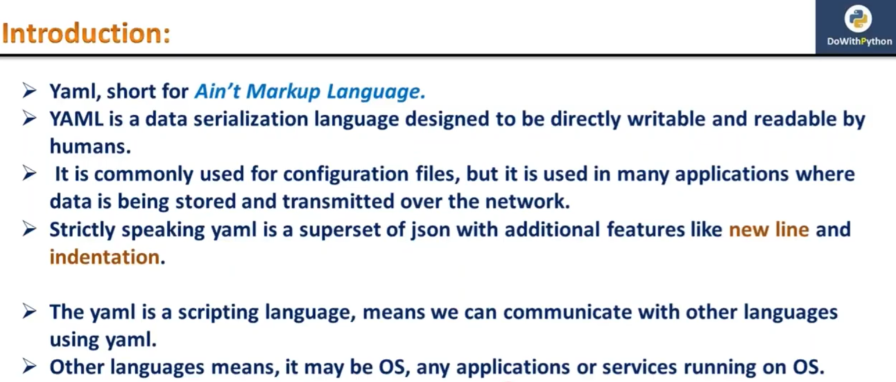

2
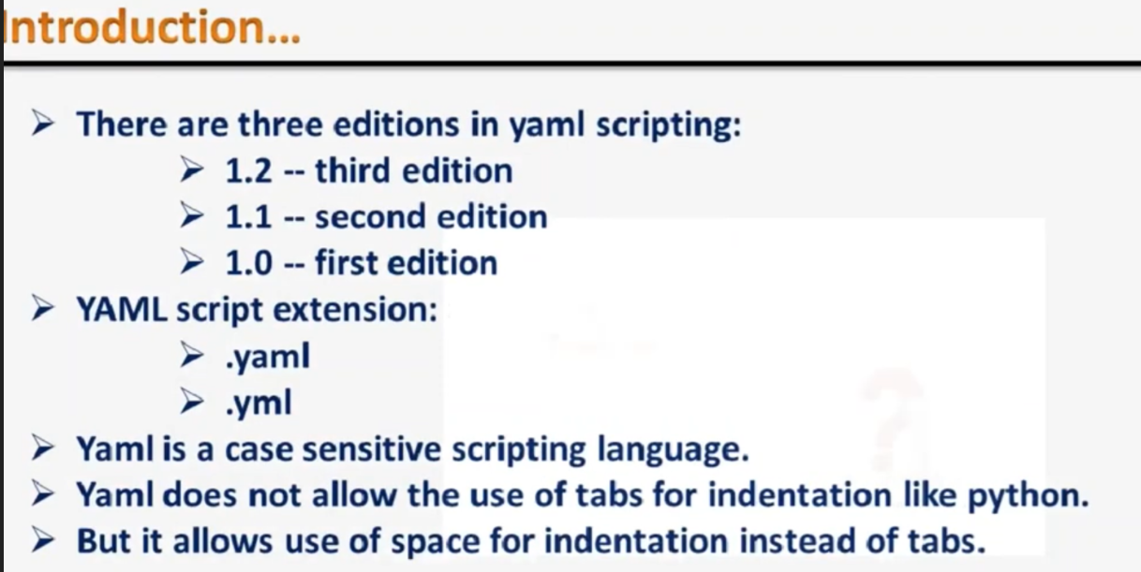

KEYS AND DATA TYPES IN YAML SCRIPTING
3 | Key is a variable. Usually we store some value in a variable.
 |  | As you know that YAML is a superset of JSON.
 |  | We represent data in JSON like in dictionary.
 |  | Similarly whenever you want to represent data in your YAML scripting we are using KEY VALUE paste representation.
 |  | Based on the value assigned to the key, your keys are of that type.

4 | DataTypes
 |  | Your key can have spaces also
 |  | Your value can have double quotations or not then also it is still valid.
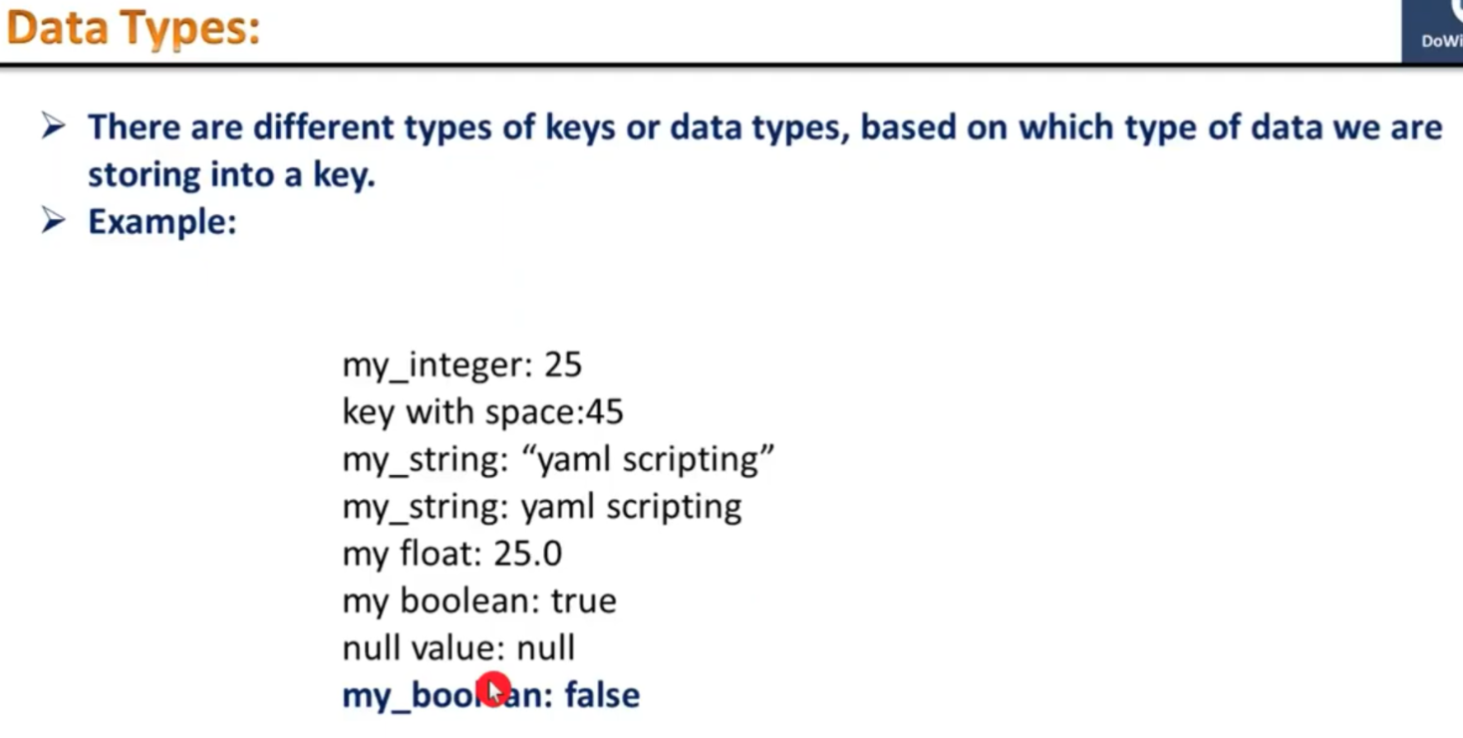

DATA COLLECTIONS IN YAML SCRIPTING
5 | SCALAR REPRESENTATION
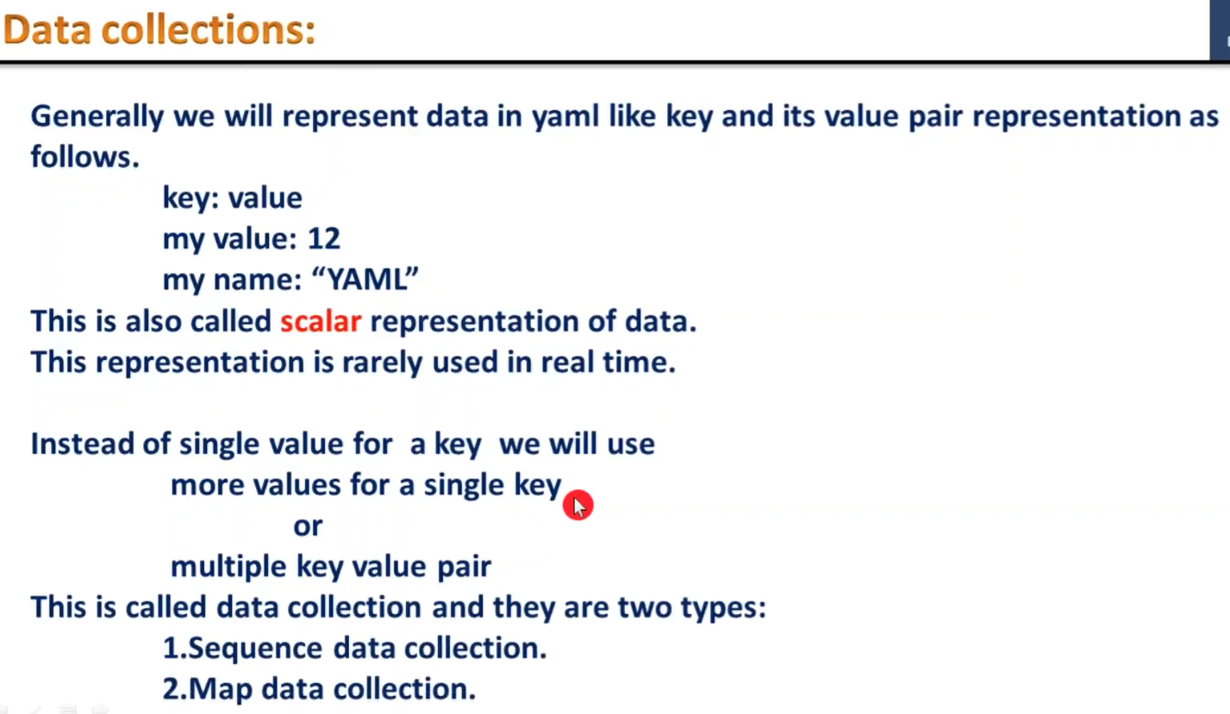

6 | SEQUENCE DATA COLLECTION
 |  | This is like a list of array in other programming languages.
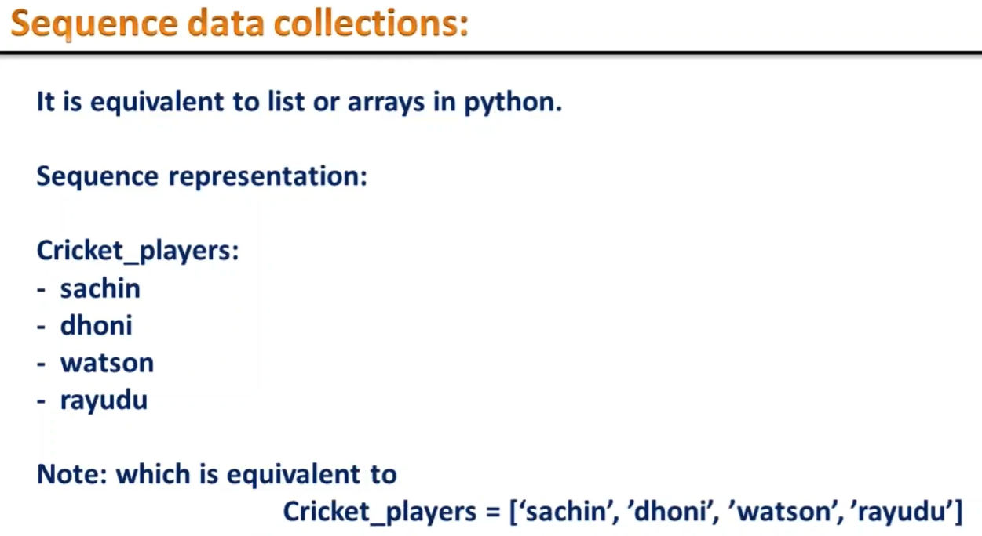

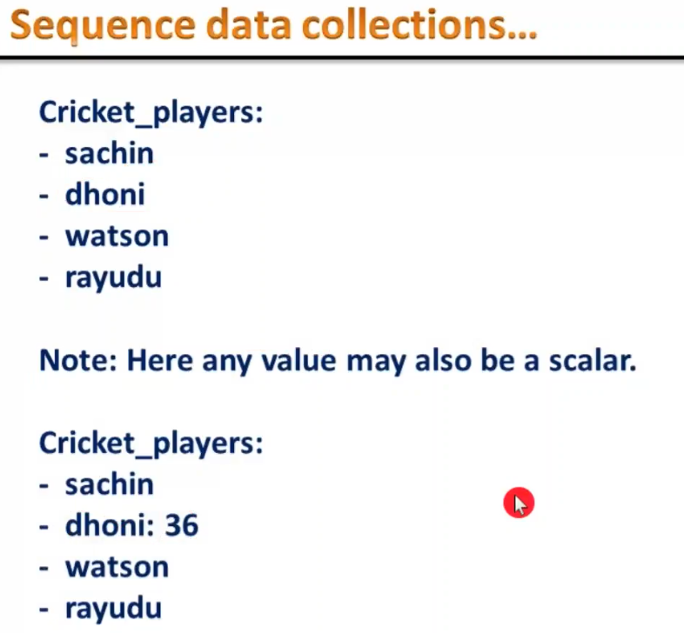

7 | MAP DATA COLLECTIONS

