Sheet1
WHAT IS ROUTING?
WHAT IS ATTRIBUTE ROUTING AND WHEN REQUIRED?
When using the API Controller attribute, you must use attribute routing. Otherwise it fails as below
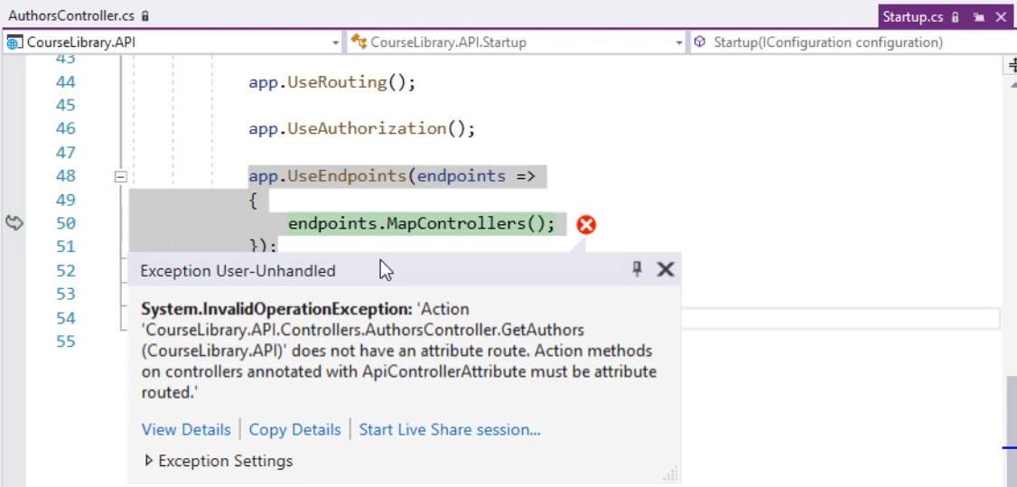

 | once we send an HTTP request, the MVC framework parses the URI and tries to map it to an action on a controller.
 | In ASP.NET Core 3, the preferred way to set this up is through endpoint routing.
 | To set that up, two pieces of middleware must be injected in the request pipeline, app.UseRouting and app.UseEndpoints.

There are 2 ways of setting these end points

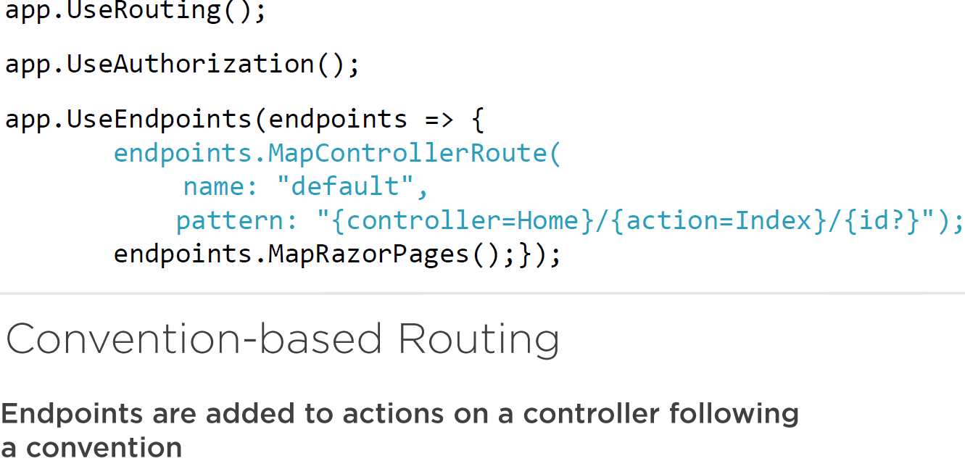

 | The above type of routing is used for typically with WEB APPLICATIONS

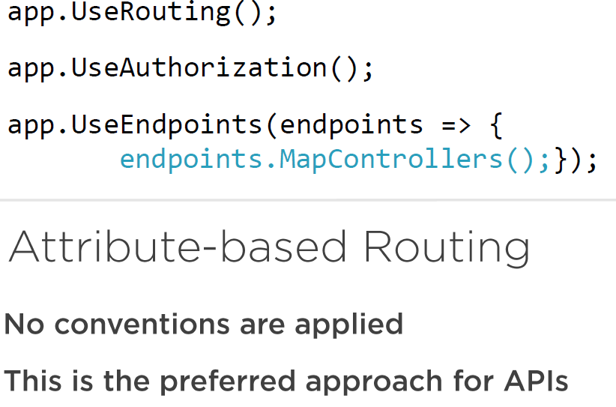

 | No conventions are applied, so we have to set them through OTHER APPROACH i.e. USING ATTRIBUTES

