Sheet1
 | Languages ► | C# | JavaScript (ES5) | JavaScript (ES6) | Powershell
0 | Features ▼ |  |  | "
 | Primitive DataTypes |  | - Value Types = boolean, string, number - Reference Types = object - Delegate Type = function - Special = undefined, null | "
 | Reference Types | All classes/objects derive from base class called object | All of the objects you are going to deal with are of type object | "
 | Type Detection |  | typeof operator | "
1 | Typing | Strongly-Typed - Types are defined by names and static structures - Compiler does the checks and infers the type for you - INHERITANCE and IMPLEMENTATIONS are part of type identity (When a class implements an interface then we are sure that the class have this functionality, methods etc.) | Loosely-Typed - Types are defined by structure and not by identity - Runtime checks but NOT compile time - Type is less important, but shape is important (i.e. if characteristics matches any structure is fine) | "
1 | Dynamic Typing | Using dynamic keyword you can do some dynamic functionality | You can add on to OR remove parts(properties OR methods) of the implementation as needed | "
 | Build | Static (compiled into known types) (most part of c# its static though dynamic keyword is supported) | Dynamic (Shapes are important but identity is less important) (you can add-on or tear off parts of the structure easily than in other languages) | "
 | Global Scope | All code takes place inside of the class and any member can be part of this class and will be inside the scope of this class | Objects (variable, function etc.) at root are 'GLOBAL' - You can think of this as command line parser. | "
 | Scoping | Exists all over the place. Even block level scope works. | Functions only create scope for variables. Block level doesn't scope a variable because of variable Hoisting | "
 | Coalesce | Supported | This Coalesce values by default | "
 | Operators | Supported | Most operators identical to .NET except (==, !=) - Determines equality with coalescing (if necessary to do comparision). Example 1 == "1" //which is true in JavaScript. So there are times where we don't want this behaviour. | "
 | Identically Equality Operators | Object.Equals() - Determines whether two objects are same without Coalescing | - So for this purpose (===, !==) have come. These determines equality without COALESCING | "
 | Inheritance | Classical Inheritance | Prototypical Inheritance - but method of doing this is fairly different | "
 | Class Declaration | Classes |  | 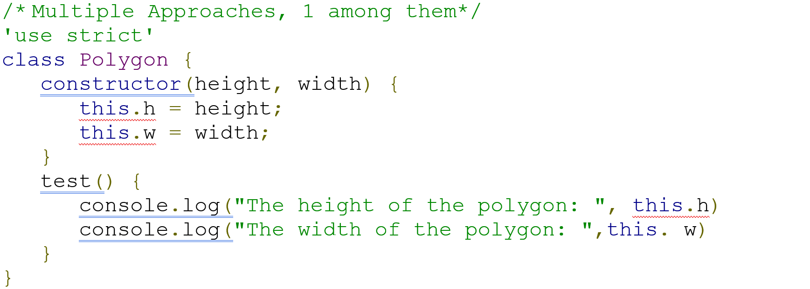 /* Multiple Approaches, 1 among them*/ 'use strict' class Polygon { constructor(height, width) { this.h = height; this.w = width; } test() { console.log("The height of the polygon: ", this.h) console.log("The width of the polygon: ",this. w) } }
 | Object Creation | Classes |  | var obj = new Polygon(10,12)
 | Constructor | Constructors | Consturctor Functions | Above example
 | Methods | Methods | Functions | Above example
 | Function | Functions | Just an object - Has properties and member functions | "
 | Function Overloading | Possible | No OVERLOADING possible. If you redefine the function with one more parameter then it simply overrides the first function definition | "
 | Function Overriding | override keyword should be used | Possible without any special keyword | Possible without any special keyword
 | Function Return Value | Member functions don't return a value | All functions return a value. If not defined it's "undefined" | "
 | Static | Static Classes and Functions |  | Static Functions only
 | INHERITANCE | : |  | extends
 | SUPER | base. |  | Super keyword
 | THIS keyword | Represents the instance of the class that we are working with | applies to the OWNER of the function object | "
 | THIS keyword - Changing the function execution context | Not applicable | bind() method - lets you change the owner/the context in which the function executes | "
 | Closures - It allows a piece of data i.e. referenced by a function to be accessed regardless of the lifetime of the function | Supported | References outside of function are accessible in function with Regardless of lifetime - functionality is SAME AS in other languages | "
 | Packaging | Namespace/Dlls | Dispersed class support for Functions. They use Functions to micic functions that are like classes, constructors, methods etc. | "
 | var keyword | Compiler infers the type of the variable | variable declaration | "
 | Object Creation |  |  | "
 | Overloaded Constructors |  |  | "
 | Variable Declaration |  | var variable_name | let, const - new variable declarations with block scope
 | Access Modifiers |  |  | "
 | Decision Making | Supported | Most operators identical to .NET except (==, !=) - Determines equality with coalescing (if necessary to do comparision). Example 1 == "1" //which is true in JavaScript. So there are times where we don't want this behaviour. | "
 | Loops | Supported | All are supported and new one is for….in to loop through the object properties | "
 | Loop Control Statements | Supported break, continue | All are supported | "
 | Loops - FOREACH | Supported | for….of | " | 1..10 | foreach {$_*2}
 | Labels | Supported | Break, Continue | "
 | Arrays |  |  | " | $serverComputers = @("Server1", "Server2", "Server3")
 | Dictionary/HashMap/HashTables -Collection of key value pairs |  |  | " | $empNumbers = @("Ranjit" = 2289, "Venkat" = 1234)
 | Functions |  |  | " | function Add-Numbers { param([int]$num1, [int]$num2) $num1 + $num2 }
 | Calling/Executing Functions |  |  | " | a) Add-Numbers 123 456 b) Add-Numbers -num1 123 -num2 456 c) $result = Add-Numbers -num1 123 -num2 456 $result
 | Functions - args array |  | Can use args[] array. (or) Name the parameter with 3 dots prefix | " | function Add-Numbers() { console.log(arguments.length) } OR function Add-Numbers(…params) { console.log(params.length) }
 | Anonymous Functions | Supported | Supported | " | var f = function() { console.log(args.length) }
 | IIFE (Immediately Invoked function expression) | Supported | Supported | Supported | (function() { console.log(args.length) })()
 | LAMBDA Expressions / Functions | Supported | Supported | Supported | var f = (x) => x*10
 | RUNTIME Environments | runs inside the CLR | Have variety of engines on which your code can run. These typically depends on the browser. Ex: V8 in chrome, Chakra in IE | "
 | SERVICES of Runtime Environments | Memory Mgmt JUST In Time Compilation Common Type System etc. | Memory Mgmt JUST In Time Compilation (most part) Type System (simplified) etc. | "
 |  |  |  | "
 |  |  |  | "
 |  |  |  | "
 |  |  |  | "
 |  |  |  | "
 |  |  |  | "
 |  |  |  | "
 |  |  |  | "
 |  |  |  | "
 |  |  |  | "
 |  |  |  | "
 |  |  |  | "
 |  |  |  | "
 |  |  |  | "
 |  |  |  | "
 |  |  |  | "
 |  |  |  | "
 |  |  |  | "
 |  |  |  | "
 |  |  |  | "
 |  |  |  | "
 |  |  |  | "
 |  |  |  | "
 |  |  |  | "
 |  |  |  | "
 |  |  |  | "
 |  |  |  | "
 |  |  |  | "
 |  |  |  | "
 |  |  |  | "
 |  |  |  | "
 |  |  |  | "
 |  |  |  | "
 |  |  |  | "
 |  |  |  | "
 |  |  |  | "
 |  |  |  | "
 |  |  |  | "
 |  |  |  | "
 |  |  |  | "
 |  |  |  | "
 |  |  |  | "
 |  |  |  | "
 |  |  |  | "
 |  |  |  | "
 |  |  |  | "
 |  |  |  | "
 |  |  |  | "
 |  |  |  | "
 |  |  |  | "
 |  |  |  | "
 |  |  |  | "
 |  |  |  | "
 |  |  |  | "
 |  |  |  | "

