Sheet1
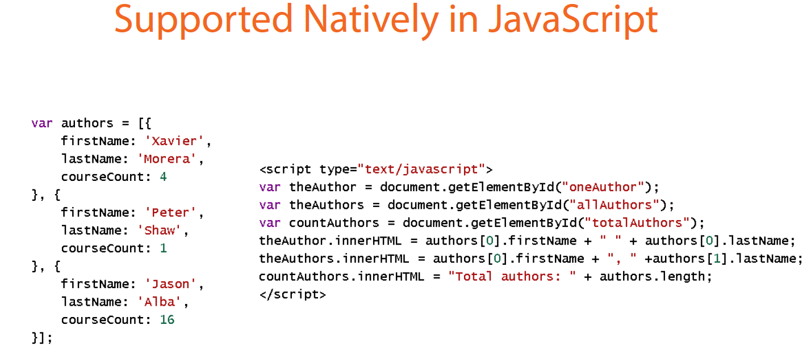
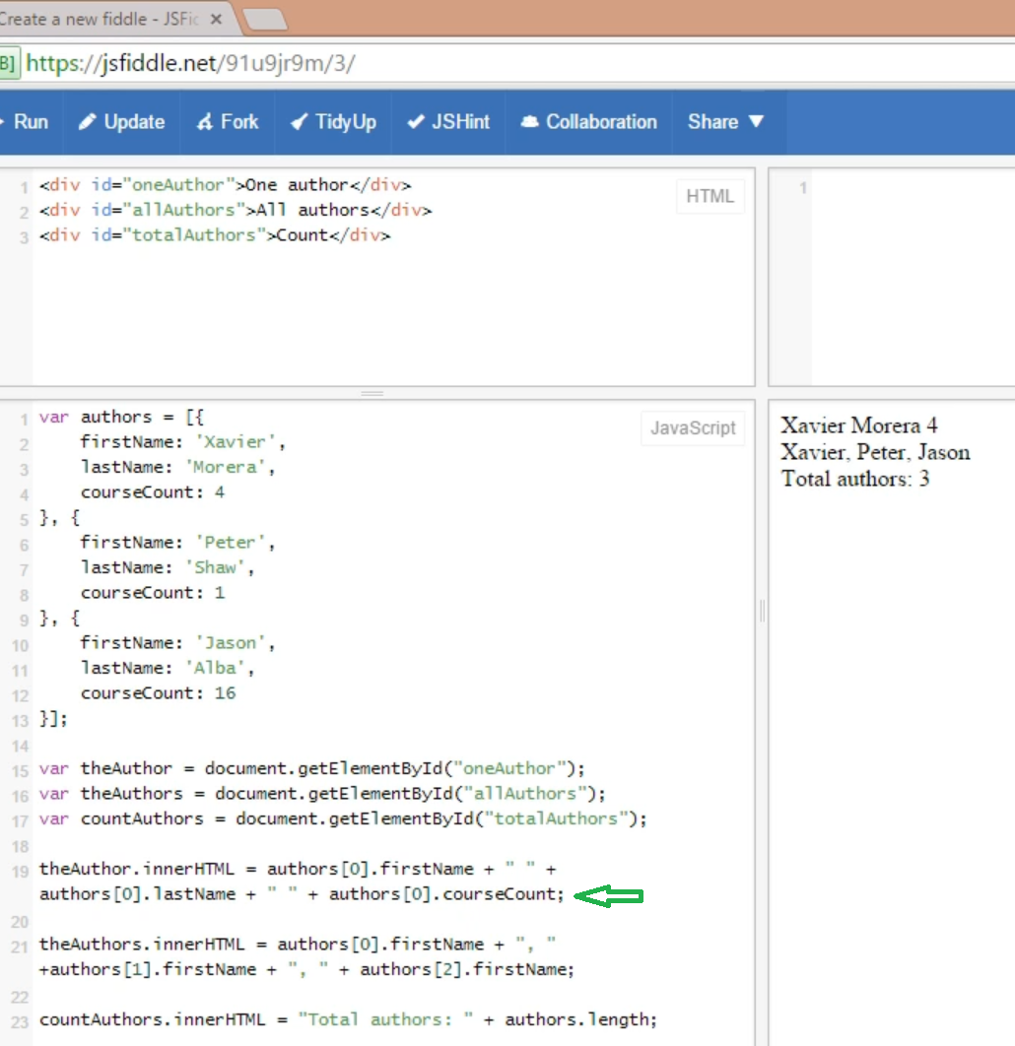
What is JSON?
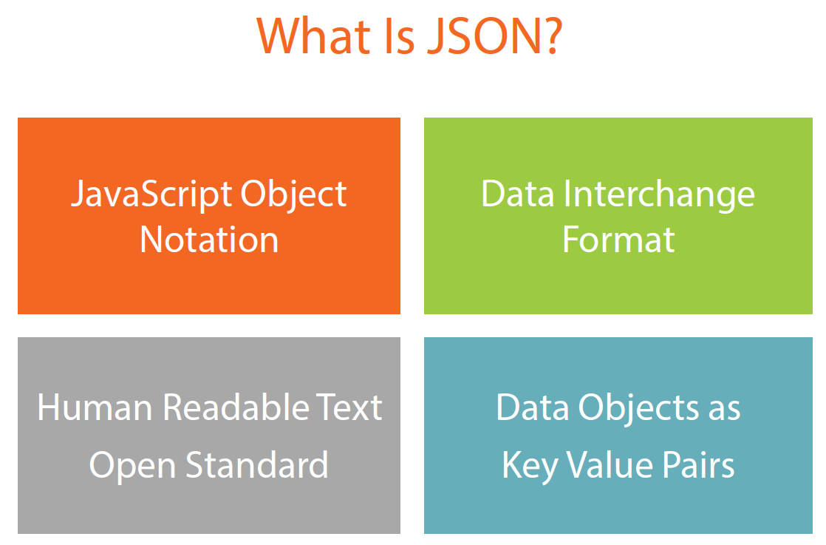

What all types can be represented in JSON
Strings, Arrays, DateTime, boolean, null, other dependent objects, numbers

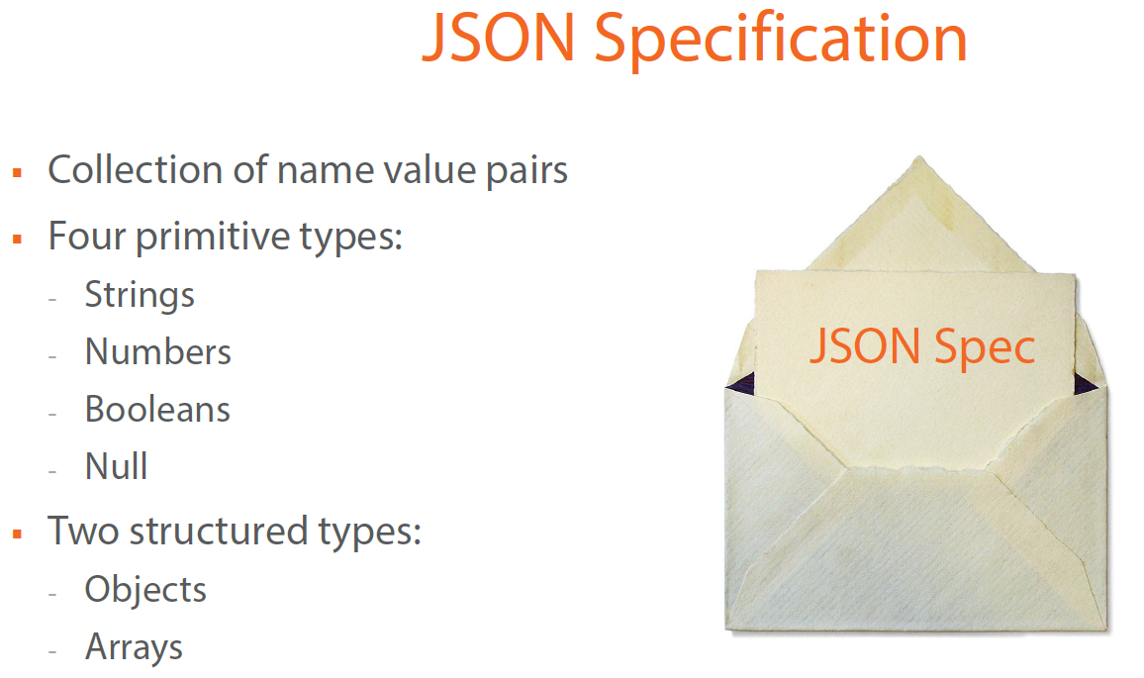

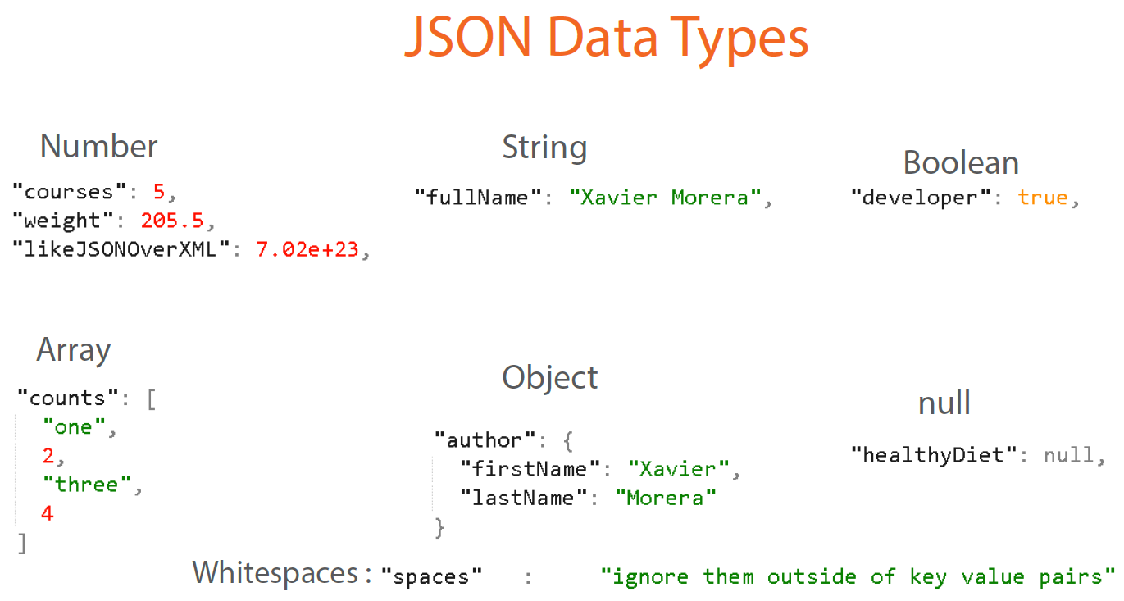

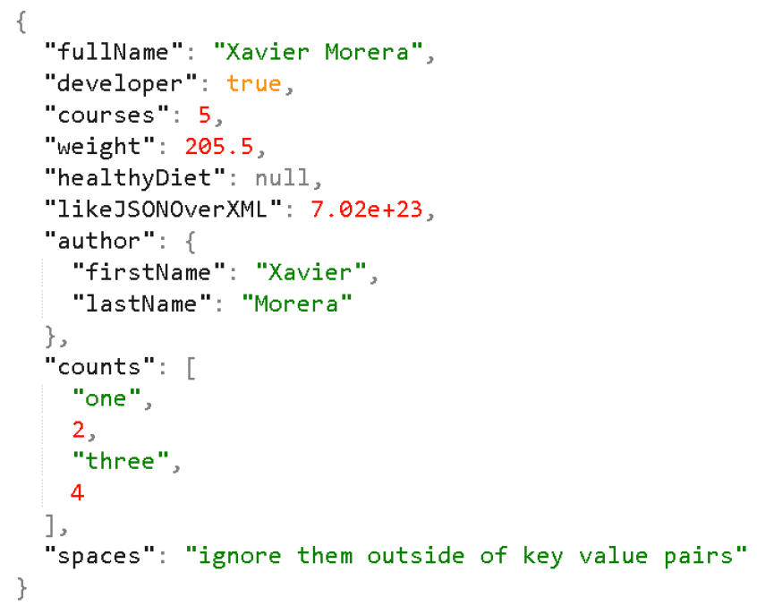

Why DEVELOPERS are preferring JSON over XML?

1 | Same XML data is being represented In 2 ways
2 | Developers wants to go out of SYNTAX business
3 | XML input data needs parsing to access its values

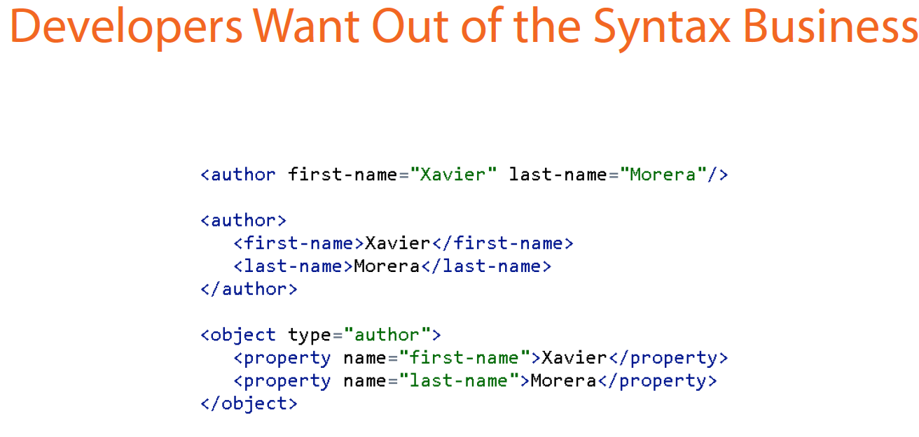

JSON is SUPPORTED NATIVELY in JAVASCRIPT and no need of any parsing
JSON is a FAT free alternative to XML

